Лист1
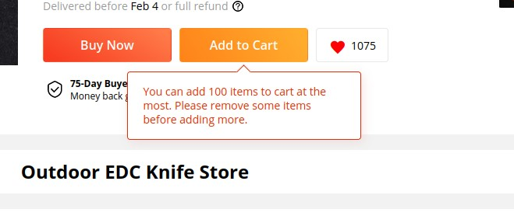
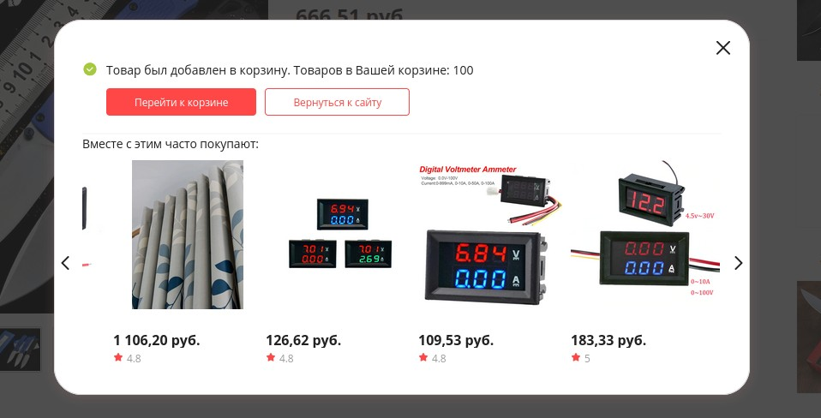
ID | 111111
Project | Aliexpress.ru
Build | Firefox 94.0.1 (64 bit)
Severity | S1
Priority | P3
Status | open
Author | Shepenev
Assignee | Shepenev
Steps to reproduce | 1. Login to Aliexpress.ru 2. Choose "Russian" in Language field 2. Add 100 goods to shopping cart 3. Add 101st good to shopping cart, remember this good. 4. See the window showing: "Товар был добавлен в корзину. Товаров в Вашей корзине: 100" 5. Go to Shopping Cart 6. See there are 100 goods and no last added good.
Actual Result | It's Impossible to add 101st good at shopping cart but there is no any warning about that
Expected results | notification like "You can add 100 items to cart at the most. Please remove some items before adding more."

