Sheet1
Extra stuff we don't support with xlrd

 |  |  | Equation: |  | Clip Art:


Symbols | ⅛Ω÷θ

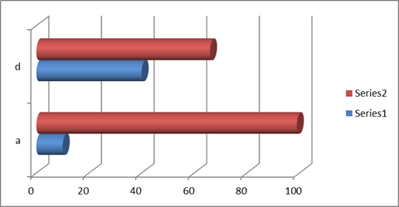
 |  |  | Freeze Panes here
Filter | This | Data |  |  |  | Pivot Table | Sum of This | Sum of Data
a | 10 | 99 |  |  |  | a | 10 | 99
d | 40 | 66 |  |  |  | d | 40 | 66
 |  |  |  |  |  | Grand Total | 100 | 330
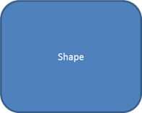

This cell has indentation 3 |  |  | Conditional Formatting
Formulas | Here |  | 10 | 99
5! | 120 |  | 20 | 88
SQRT(4) | 2 |  | 30 | 77
5!*SQRT(4) | 240 |  | 40 | 66
SUM | 362 |  | 50 | 55

