GMP per Venue
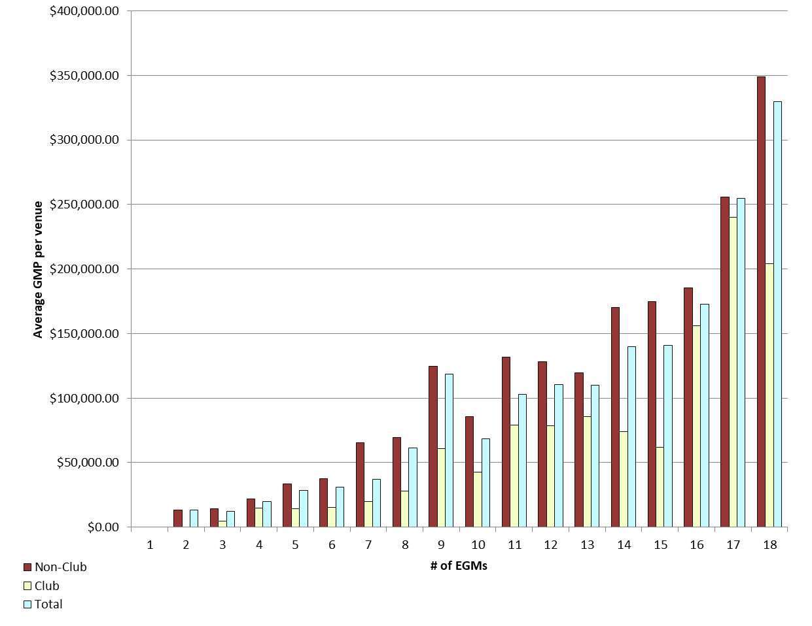
REPORT 3: GMP by number of machines at venue for quarter to 31 December 2018

The data provided below shows, for all class 4 venues, GMP by number of machines. The data is provided for all machines, and for non-clubs and for clubs venues licensed as at 31/12/2018. Data for venues that were not licensed at this date are excluded;
therefore the total GMP may not match with the official figures. Note that range and median GMP data is not provided for groups of fewer than 3 venues, as this would reveal GMP for individual venues.

 |  | 1 |  |  | 2 |  |  | 3 |  |  | 4 |  |  | 5
 |  | Total | Club | Non-Club | Total | Club | Non-Club | Total | Club | Non-Club | Total | Club | Non-Club | Total | Club | Non-Club
# venues |  | 0 | 0 | 0 | 5 | 0 | 5 | 21 | 4 | 17 | 22 | 6 | 16 | 25 | 6 | 19
Range | Min |  |  |  | $0.00 |  | $0.00 | $2,613.03 | $2,613.03 | $4,121.35 | $1,688.08 | $1,688.08 | $9,109.96 | $1,119.10 | $10,320.98 | $1,119.10
 | Max |  |  |  | $42,570.44 |  | $42,570.44 | $33,673.86 | $6,509.50 | $33,673.86 | $39,693.08 | $25,891.64 | $39,693.08 | $93,095.22 | $29,761.06 | $93,095.22
Average per venue |  |  |  |  | $13,404.56 |  | $13,404.56 | $12,332.36 | $4,653.88 | $14,139.06 | $19,936.48 | $14,714.76 | $21,894.62 | $28,643.77 | $14,091.21 | $33,239.31
Total EGMs |  | 0 | 0 | 0 | 10 | 0 | 10 | 63 | 12 | 51 | 88 | 24 | 64 | 125 | 30 | 95
Average per machine |  |  |  |  | $6,702.28 |  | $6,702.28 | $4,110.79 | $1,551.29 | $4,713.02 | $4,984.12 | $3,678.69 | $5,473.65 | $5,728.75 | $2,818.24 | $6,647.86

 |  | 6 |  |  | 7 |  |  | 8 |  |  | 9 |  |  | 10
 |  | Total | Club | Non-Club | Total | Club | Non-Club | Total | Club | Non-Club | Total | Club | Non-Club | Total | Club | Non-Club
# venues |  | 40 | 12 | 28 | 34 | 21 | 13 | 32 | 6 | 26 | 199 | 19 | 180 | 30 | 12 | 18
Range | Min | $4,138.22 | $4,138.22 | $6,101.50 | $3,407.01 | $3,407.01 | $11,359.27 | $9,173.30 | $9,173.30 | $19,751.63 | $1,841.90 | $1,841.90 | $4,470.38 | $6,433.89 | $15,556.88 | $6,433.89
 | Max | $122,353.17 | $41,210.02 | $122,353.17 | $363,869.62 | $50,522.92 | $363,869.62 | $296,798.00 | $57,497.47 | $296,798.00 | $505,763.58 | $253,422.61 | $505,763.58 | $204,916.58 | $103,565.65 | $204,916.58
Average per venue |  | $30,783.41 | $15,309.90 | $37,414.92 | $37,083.32 | $19,648.16 | $65,247.80 | $61,480.81 | $27,769.23 | $69,260.40 | $118,701.51 | $60,680.87 | $124,825.91 | $68,545.58 | $42,719.69 | $85,762.85
Total EGMs |  | 240 | 72 | 168 | 238 | 147 | 91 | 256 | 48 | 208 | 1,791 | 171 | 1,620 | 300 | 120 | 180
Average per machine |  | $5,130.57 | $2,551.65 | $6,235.82 | $5,297.62 | $2,806.88 | $9,321.11 | $7,685.10 | $3,471.15 | $8,657.55 | $13,189.06 | $6,742.32 | $13,869.55 | $6,854.56 | $4,271.97 | $8,576.28

 |  | 11 |  |  | 12 |  |  | 13 |  |  | 14 |  |  | 15
 |  | Total | Club | Non-Club | Total | Club | Non-Club | Total | Club | Non-Club | Total | Club | Non-Club | Total | Club | Non-Club
# venues |  | 11 | 6 | 5 | 36 | 13 | 23 | 7 | 2 | 5 | 38 | 12 | 26 | 27 | 8 | 19
Range | Min | $27,302.50 | $27,302.50 | $84,889.20 | $11,041.14 | $30,474.57 | $11,041.14 | $84,467.29 |  | $84,467.29 | $13,024.77 | $29,280.88 | $13,024.77 | $0.00 | $0.00 | $0.00
 | Max | $215,814.49 | $215,814.49 | $171,841.10 | $338,309.06 | $168,646.46 | $338,309.06 | $190,223.34 |  | $190,223.34 | $317,788.75 | $140,069.60 | $317,788.75 | $420,851.02 | $127,823.41 | $420,851.02
Average per venue |  | $102,810.49 | $78,820.67 | $131,598.27 | $110,463.59 | $78,740.11 | $128,394.25 | $109,901.21 |  | $119,574.96 | $139,736.46 | $73,746.87 | $170,193.20 | $141,058.36 | $61,630.87 | $174,501.51
Total EGMs |  | 121 | 66 | 55 | 432 | 156 | 276 | 91 | 26 | 65 | 532 | 168 | 364 | 405 | 120 | 285
Average per machine |  | $9,346.41 | $7,165.52 | $11,963.48 | $9,205.30 | $6,561.68 | $10,699.52 | $8,453.94 |  | $9,198.07 | $9,981.18 | $5,267.63 | $12,156.66 | $9,403.89 | $4,108.72 | $11,633.43

 |  | 16 |  |  | 17 |  |  | 18 |  |  | 18+
 |  | Total | Club | Non-Club | Total | Club | Non-Club | Total | Club | Non-Club | Total | Club | Non-Club
# venues |  | 14 | 6 | 8 | 12 | 1 | 11 | 550 | 72 | 478 | 9 | 9 | 0
Range | Min | $66,828.53 | $66,828.53 | $119,085.61 | $39,360.99 |  | $39,360.99 | $0.00 | $23,052.33 | $0.00 | $85,346.08 | $85,346.08
 | Max | $280,677.71 | $280,677.71 | $249,877.96 | $399,812.39 |  | $399,812.39 | $1,216,576.21 | $1,077,144.52 | $1,216,576.21 | $1,019,925.48 | $1,019,925.48
Average per venue |  | $172,711.07 | $156,019.29 | $185,229.91 | $254,592.74 |  | $255,931.73 | $329,922.52 | $204,304.91 | $348,844.00 | $325,713.18 | $325,713.18
Total EGMs |  | 224 | 96 | 128 | 204 | 17 | 187 | 9,900 | 1,296 | 8,604 | 237 | 237
Average per machine |  | $10,794.44 | $9,751.21 | $11,576.87 | $14,976.04 |  | $15,054.81 | $18,329.03 | $11,350.27 | $19,380.22 | $12,368.85 | $12,368.85

21 |  | TOTAL
 |  | Total | Club | Non-Club
# venues |  | 1,117 | 216 | 901
Range | Min | $(289.56) | $- | $(289.56)
 | Max | $1,216,576.21 | $1,077,144.52 | $1,216,576.21
Average per venue |  | $211,705.71 | $113,348.66 | $235,285.20
Total EGMs |  | 15,257 | 2,806 | 12,451
Average per machine |  | $15,499.46 | $8,725.34 | $17,026.10

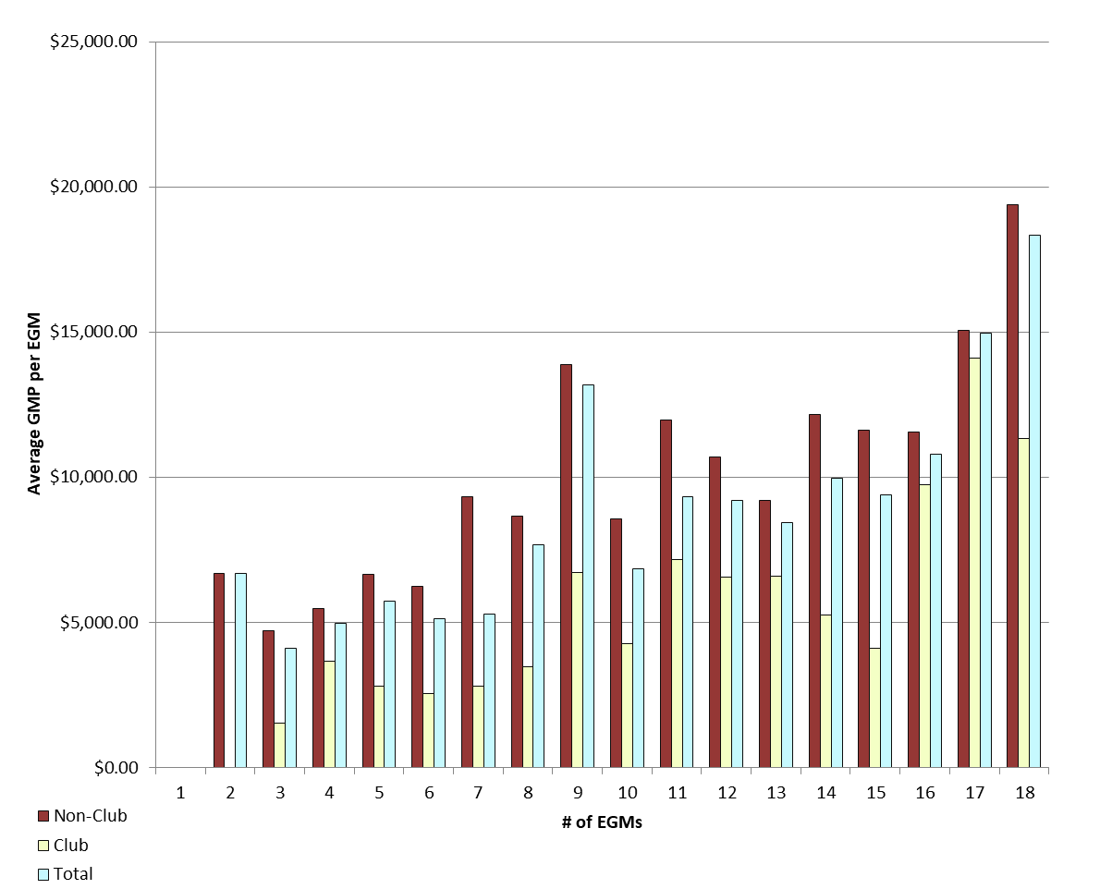
Average GMP per venue by number of EGMs at venue |  |  |  |  |  |  |  |  | Average GMP per EGM by number of EGMs at venue

GMP by Class of Venue
REPORT 4: GMP by class of venue for quarter to 31 December 2018
The data is provided for all non-clubs and for clubs venues licensed as at 31/12/2018. Note data for venues that were not licensed at this date are excluded; therefore the total GMP may not match with the official figures.

Class of venue | Number of EGMs | Number of venues | Total GMP | Average per venue
Commerical | 3,858 | 302 | $55,298,707 | $183,108
TAB | 512 | 45 | $11,845,370 | $263,230
Tavern | 7,150 | 485 | $126,638,666 | $261,111
Restaurant | 595 | 45 | $11,812,768 | $262,506
Other Commercial Premises | 153 | 11 | $2,349,727 | $213,612
Ten Pin Bowling | 135 | 9 | $3,259,647 | $362,183
Non-commercial - Commercial Club | 942 | 69 | $7,524,978 | $109,058
Non-commercial - RSA Club | 797 | 64 | $5,765,065 | $90,079
Non-commercial - Other Sports Club | 333 | 35 | $2,884,330 | $82,409
Non-commercial - Workingmen's Club | 298 | 17 | $3,338,104 | $196,359
Non-commercial - Cosmopolitan Club | 382 | 25 | $4,211,387 | $168,455
Other Non-Commercial Premises | 102 | 10 | $1,546,530 | $154,653
Grand Total | 15,257 | 1,117 | $236,475,279 | $211,706

Average GMP per venue for quarter to 31 December 2018

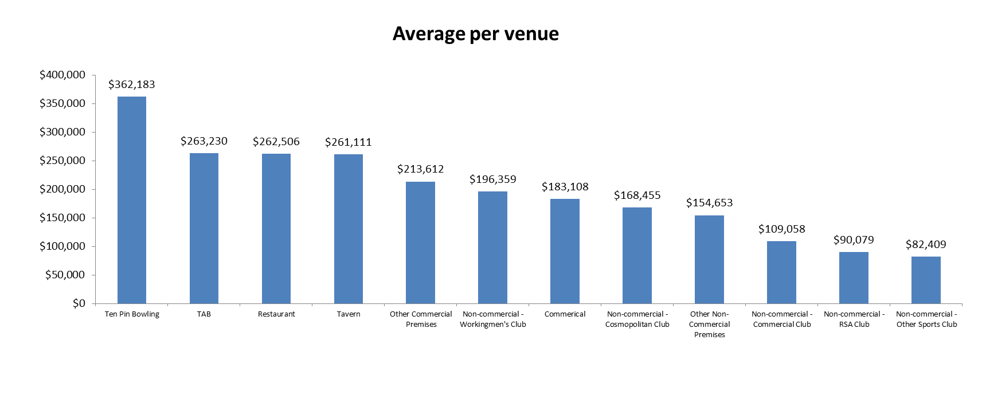

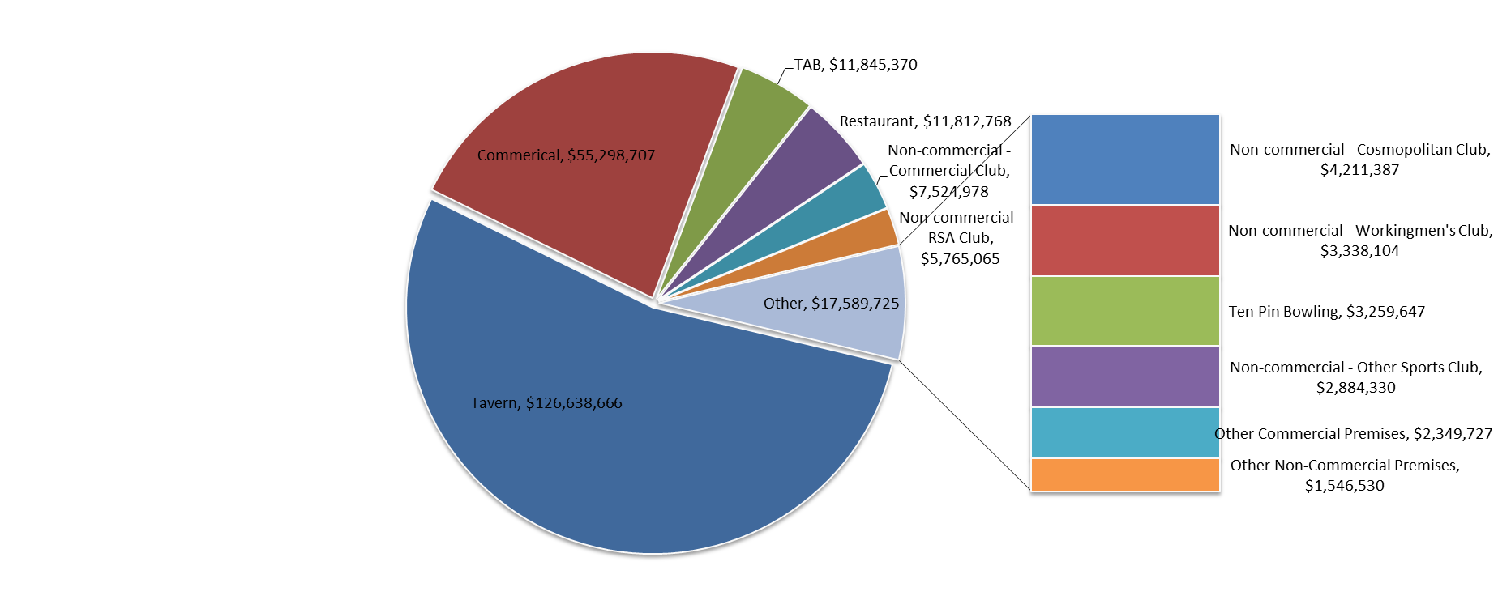
Share of total GMP for each type of venue for quarter to 31 December 2018

