GMP per Venue
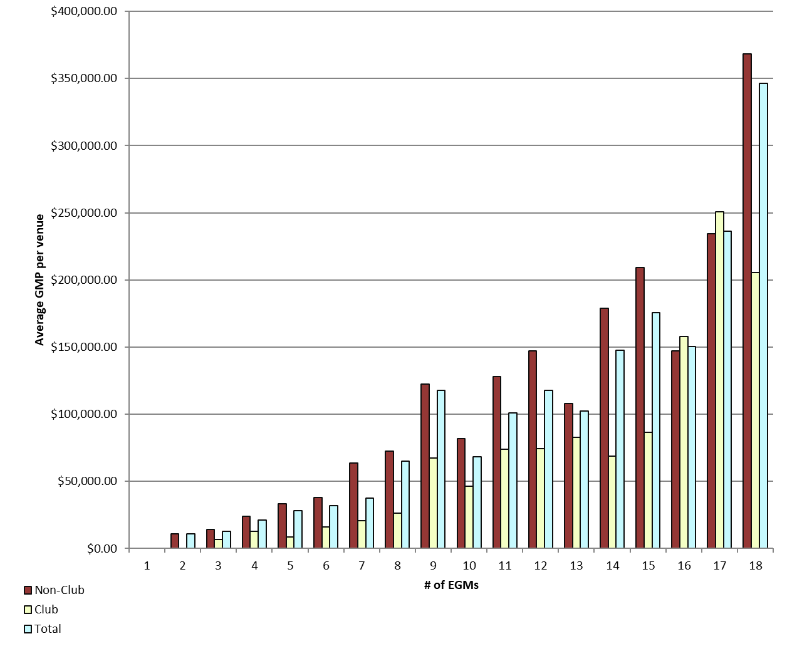
REPORT 3: GMP by number of machines at venue for quarter to 31 December 2019

The data provided below shows, for all class 4 venues, GMP by number of machines. The data is provided for all machines, and for non-clubs and for clubs venues licensed as at 31/12/2019. Data for venues that were not licensed at this date are excluded;
therefore the total GMP may not match with the official figures. Note that range and median GMP data is not provided for groups of fewer than 3 venues, as this would reveal GMP for individual venues.

 |  | 1 |  |  | 2 |  |  | 3 |  |  | 4 |  |  | 5
 |  | Total | Club | Non-Club | Total | Club | Non-Club | Total | Club | Non-Club | Total | Club | Non-Club | Total | Club | Non-Club
# venues |  | 0 | 0 | 0 | 4 | 0 | 4 | 18 | 3 | 15 | 18 | 5 | 13 | 23 | 5 | 18
Range | Min |  |  |  | $2,980.50 |  | $2,980.50 | $1,689.58 | $1,689.58 | $2,838.04 | $504.88 | $504.88 | $8,857.15 | $642.55 | $4,740.12 | $642.55
 | Max |  |  |  | $22,102.44 |  | $22,102.44 | $26,360.30 | $13,787.42 | $26,360.30 | $50,651.52 | $28,207.30 | $50,651.52 | $100,880.86 | $12,933.68 | $100,880.86
Average per venue |  |  |  |  | $11,018.72 |  | $11,018.72 | $12,882.41 | $6,579.19 | $14,143.05 | $21,021.01 | $12,902.77 | $24,143.40 | $28,033.25 | $8,712.50 | $33,400.12
Total EGMs |  | 0 | 0 | 0 | 8 | 0 | 8 | 54 | 9 | 45 | 72 | 20 | 52 | 115 | 25 | 90
Average per machine |  |  |  |  | $5,509.36 |  | $5,509.36 | $4,294.14 | $2,193.06 | $4,714.35 | $5,255.25 | $3,225.69 | $6,035.85 | $5,606.65 | $1,742.50 | $6,680.02

 |  | 6 |  |  | 7 |  |  | 8 |  |  | 9 |  |  | 10
 |  | Total | Club | Non-Club | Total | Club | Non-Club | Total | Club | Non-Club | Total | Club | Non-Club | Total | Club | Non-Club
# venues |  | 37 | 10 | 27 | 36 | 22 | 14 | 31 | 5 | 26 | 198 | 17 | 181 | 26 | 10 | 16
Range | Min | $4,642.71 | $6,030.75 | $4,642.71 | $2,986.52 | $2,986.52 | $11,459.67 | $3,909.04 | $3,909.04 | $26,429.20 | $0.00 | $4,657.33 | $0.00 | $9,900.07 | $23,002.79 | $9,900.07
 | Max | $101,475.32 | $46,925.51 | $101,475.32 | $325,976.97 | $54,492.00 | $325,976.97 | $299,534.61 | $49,476.02 | $299,534.61 | $502,770.62 | $214,825.50 | $502,770.62 | $137,470.18 | $106,911.70 | $137,470.18
Average per venue |  | $32,004.50 | $16,283.55 | $37,827.07 | $37,565.55 | $20,968.76 | $63,646.21 | $64,983.92 | $26,445.97 | $72,395.07 | $117,807.41 | $67,241.25 | $122,556.72 | $68,401.14 | $46,564.33 | $82,049.14
Total EGMs |  | 222 | 60 | 162 | 252 | 154 | 98 | 248 | 40 | 208 | 1,782 | 153 | 1,629 | 260 | 100 | 160
Average per machine |  | $5,334.08 | $2,713.93 | $6,304.51 | $5,366.51 | $2,995.54 | $9,092.32 | $8,122.99 | $3,305.75 | $9,049.38 | $13,089.71 | $7,471.25 | $13,617.41 | $6,840.11 | $4,656.43 | $8,204.91

 |  | 11 |  |  | 12 |  |  | 13 |  |  | 14 |  |  | 15
 |  | Total | Club | Non-Club | Total | Club | Non-Club | Total | Club | Non-Club | Total | Club | Non-Club | Total | Club | Non-Club
# venues |  | 10 | 5 | 5 | 32 | 13 | 19 | 9 | 2 | 7 | 35 | 10 | 25 | 22 | 6 | 16
Range | Min | $37,296.05 | $37,296.05 | $114,306.76 | $21,623.56 | $21,623.56 | $59,141.83 | $29,578.92 |  | $29,578.92 | $0.00 | $14,552.65 | $0.00 | $48,395.42 | $48,395.42 | $112,052.17
 | Max | $157,434.19 | $157,434.19 | $139,116.27 | $472,837.96 | $155,901.98 | $472,837.96 | $184,275.77 |  | $184,275.77 | $365,611.21 | $143,739.47 | $365,611.21 | $396,115.74 | $140,913.43 | $396,115.74
Average per venue |  | $101,096.90 | $74,028.77 | $128,165.03 | $117,713.35 | $74,532.20 | $147,258.35 | $102,558.41 |  | $108,189.94 | $147,579.91 | $68,775.14 | $179,101.81 | $175,873.02 | $86,311.09 | $209,458.74
Total EGMs |  | 110 | 55 | 55 | 384 | 156 | 228 | 117 | 26 | 91 | 490 | 140 | 350 | 330 | 90 | 240
Average per machine |  | $9,190.63 | $6,729.89 | $11,651.37 | $9,809.45 | $6,211.02 | $12,271.53 | $7,889.11 |  | $8,322.30 | $10,541.42 | $4,912.51 | $12,792.99 | $11,724.87 | $5,754.07 | $13,963.92

 |  | 16 |  |  | 17 |  |  | 18 |  |  | 18+
 |  | Total | Club | Non-Club | Total | Club | Non-Club | Total | Club | Non-Club | Total | Club | Non-Club
# venues |  | 16 | 5 | 11 | 9 | 1 | 8 | 544 | 73 | 471 | 8 | 8 | 0
Range | Min | $38,726.05 | $76,707.02 | $38,726.05 | $0.00 |  | $0.00 | $0.00 | $19,312.37 | $0.00 | $66,398.82 | $66,398.82
 | Max | $316,242.72 | $278,076.28 | $316,242.72 | $396,172.54 |  | $396,172.54 | $1,298,064.71 | $1,078,852.49 | $1,298,064.71 | $1,127,684.04 | $1,127,684.04
Average per venue |  | $150,673.02 | $158,016.91 | $147,334.89 | $236,334.74 |  | $234,543.98 | $346,573.11 | $205,717.43 | $368,404.25 | $367,113.03 | $367,113.03
Total EGMs |  | 256 | 80 | 176 | 153 | 17 | 136 | 9,792 | 1,314 | 8,478 | 211 | 211
Average per machine |  | $9,417.06 | $9,876.06 | $9,208.43 | $13,902.04 |  | $13,796.70 | $19,254.06 | $11,428.75 | $20,466.90 | $13,918.98 | $13,918.98

21 |  | TOTAL
 |  | Total | Club | Non-Club
# venues |  | 1,080 | 200 | 880
Range | Min | $- | $504.88 | $-
 | Max | $1,298,064.71 | $1,127,684.04 | $1,298,064.71
Average per venue |  | $224,331.75 | $120,991.68 | $247,818.14
Total EGMs |  | 14,856 | 2,650 | 12,206
Average per machine |  | $16,308.45 | $9,131.45 | $17,866.62

 | Non-Club | Club | Total
 | 0 | 0 | 0
 | 5509.36 | 0 | 5509.36
 | 4714.3495556 | 2193.0644444 | 4294.1353704
 | 6035.8509615 | 3225.693 | 5255.2515278
 | 6680.0248889 | 1742.5 | 5606.649913
 | 6304.5117901 | 2713.925 | 5334.0829279
 | 9092.3164286 | 2995.5372727 | 5366.5069444
 | 9049.383125 | 3305.74675 | 8122.9901613
 | 13617.41361 | 7471.2505229 | 13089.712738
 | 8204.9140625 | 4656.4326 | 6840.1135
 | 11651.366545 | 6729.8878182 | 9190.6271818
 | 12271.528991 | 6211.016859 | 9809.4459375
 | 8322.3028571 | 6372.9296154 | 7889.1088034
 | 12792.986514 | 4912.5103571 | 10541.421898
 | 13963.916292 | 5754.0727778 | 11724.868061
 | 9208.4304545 | 9876.057 | 9417.06375
 | 13796.704559 | 14744.754706 | 13902.043464
 | 20466.902667 | 11428.745959 | 19254.061785
Average GMP per venue by number of EGMs at venue |  |  |  |  |  |  |  |  | Average GMP per EGM by number of EGMs at venue

GMP by Class of Venue
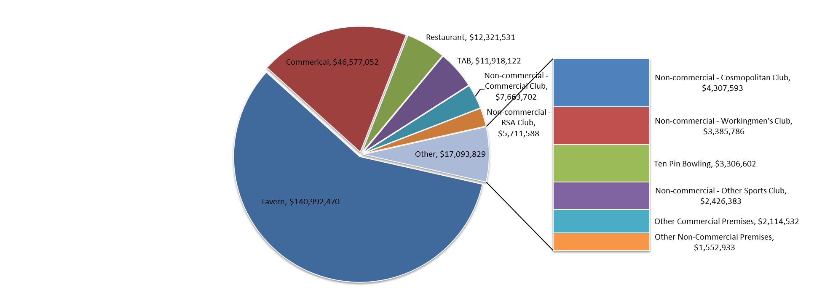
REPORT 4: GMP by class of venue for quarter to 31 December 2019
The data is provided for all non-clubs and for clubs venues licensed as at 31/12/2019. Note data for venues that were not licensed at this date are excluded; therefore the total GMP may not match with the official figures.

Class of venue | Number of EGMs | Number of venues | Total GMP | Average per venue
Commerical | 3,329 | 259 | $46,577,052 | $179,834
TAB | 519 | 46 | $11,918,122 | $259,090
Tavern | 7,404 | 504 | $140,992,470 | $279,747
Restaurant | 637 | 48 | $12,321,531 | $256,699
Other Commercial Premises | 130 | 9 | $2,114,532 | $234,948
Ten Pin Bowling | 135 | 9 | $3,306,602 | $367,400
Non-commercial - Commercial Club | 913 | 66 | $7,663,702 | $116,117
Non-commercial - RSA Club | 765 | 60 | $5,711,588 | $95,193
Non-commercial - Other Sports Club | 258 | 27 | $2,426,383 | $89,866
Non-commercial - Workingmen's Club | 298 | 17 | $3,385,786 | $199,164
Non-commercial - Cosmopolitan Club | 362 | 24 | $4,307,593 | $179,483
Other Non-Commercial Premises | 106 | 11 | $1,552,933 | $141,176
Grand Total | 14,856 | 1,080 | $242,278,294 | $224,332

Average GMP per venue for quarter to 31 December 2019

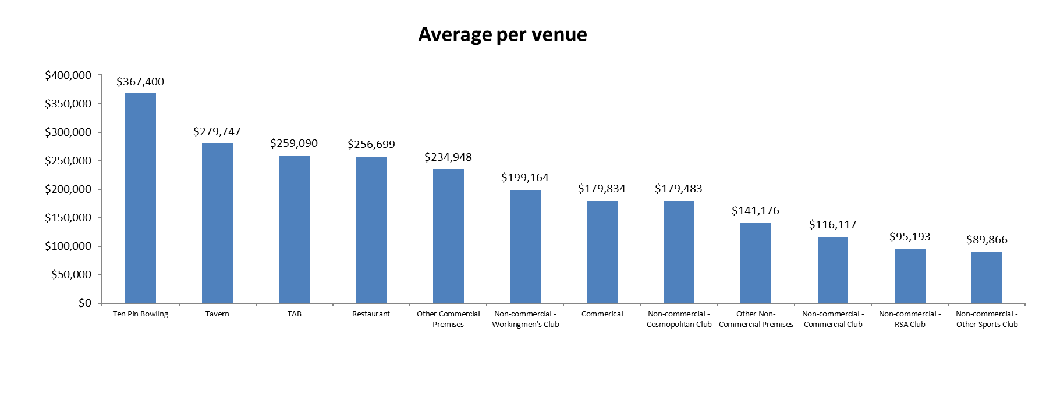

Share of total GMP for each type of venue for quarter to 31 December 2019

