GMP per Venue
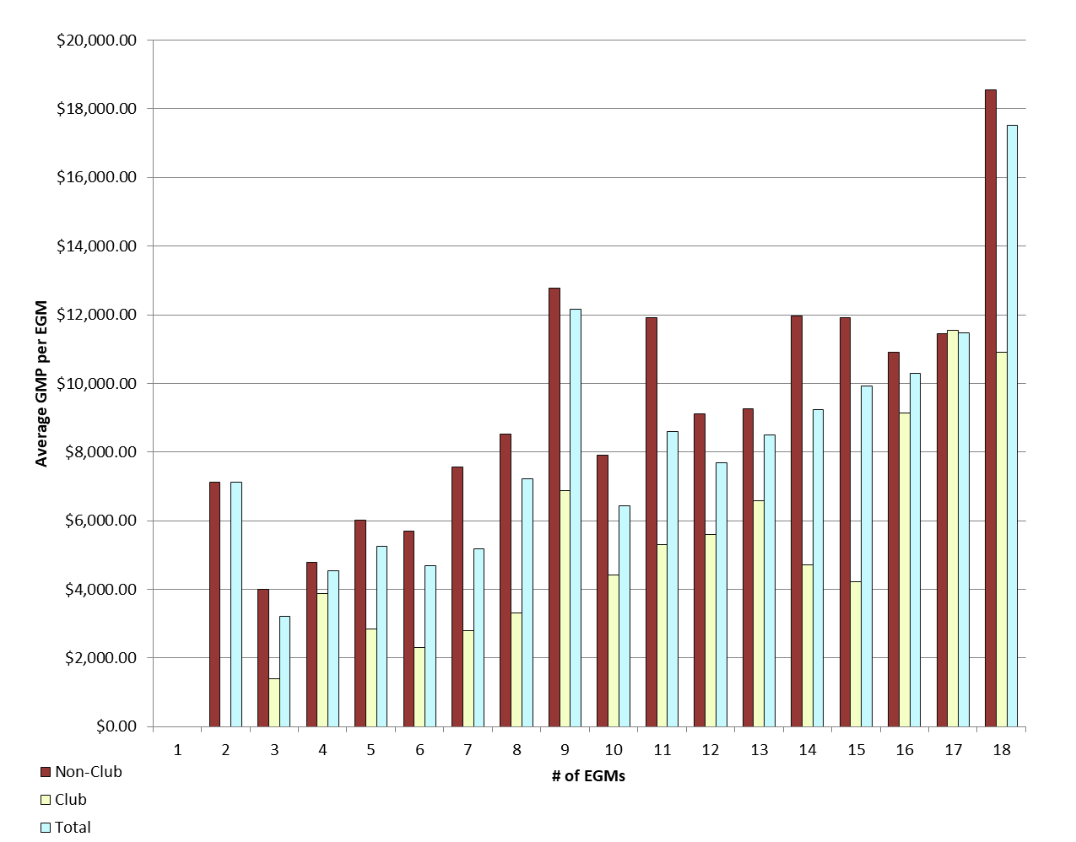
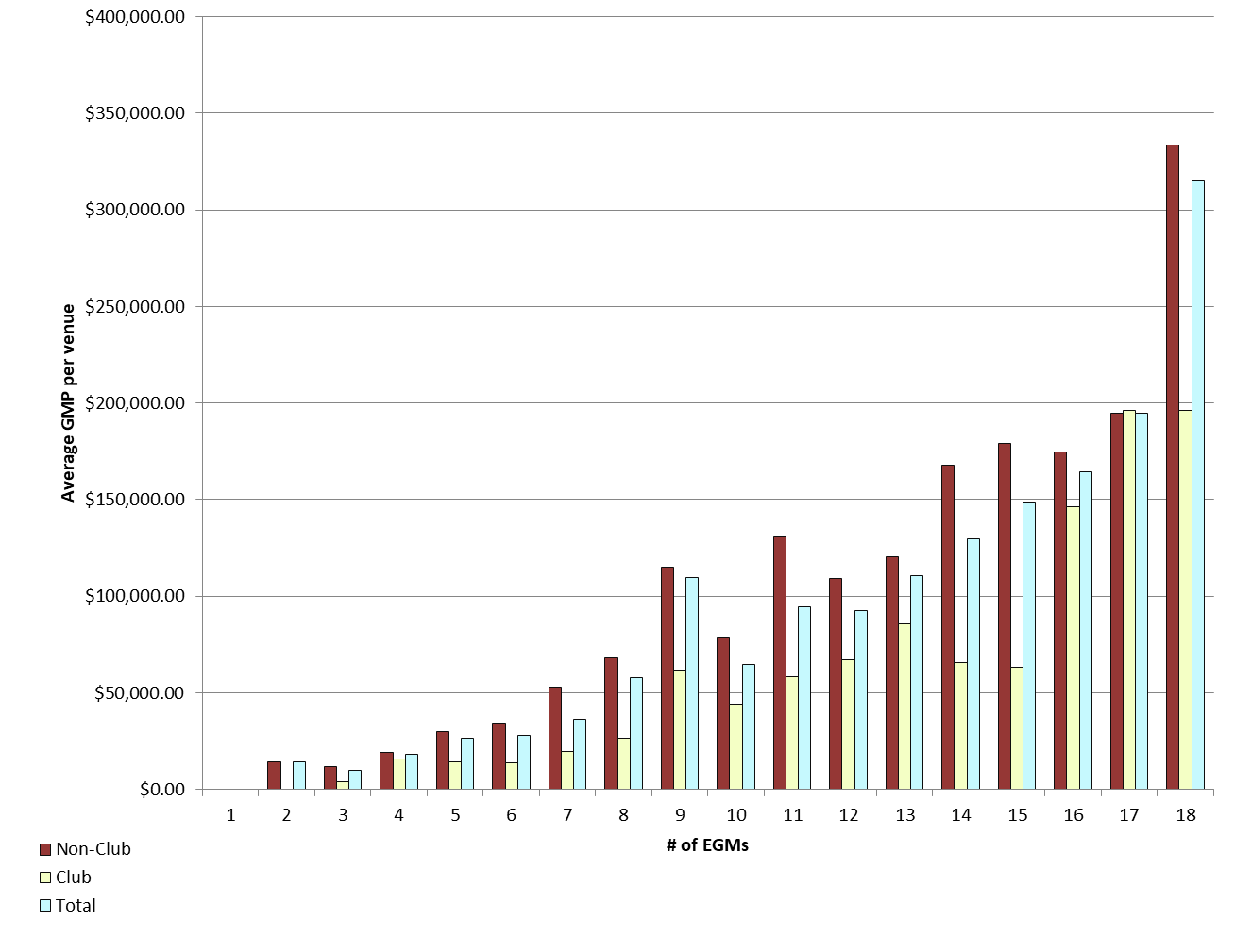
REPORT 3: GMP by number of machines at venue for quarter to 30 June 2018

The data provided below shows, for all class 4 venues, GMP by number of machines. The data is provided for all machines, and for non-clubs and for clubs venues licensed as at 30/06/2018. Data for venues that were not licensed at this date are excluded;
therefore the total GMP may not match with the official figures. Note that range and median GMP data is not provided for groups of fewer than 3 venues, as this would reveal GMP for individual venues.

 |  | 1 |  |  | 2 |  |  | 3 |  |  | 4 |  |  | 5
 |  | Total | Club | Non-Club | Total | Club | Non-Club | Total | Club | Non-Club | Total | Club | Non-Club | Total | Club | Non-Club
# venues |  | 1 | 0 | 1 | 7 | 0 | 7 | 23 | 7 | 16 | 26 | 7 | 19 | 25 | 6 | 19
Range | Min |  |  |  |  |  |  | $- | $1,123.70 | $- | $2,050.54 | $2,050.54 | $9,624.83 | -$367.60 | $7,076.66 | -$367.60
 | Max |  |  |  | $53,887.11 |  | $53,887.11 | $30,693.34 | $8,127.98 | $30,693.34 | $57,921.06 | $28,457.20 | $57,921.06 | $78,223.94 | $34,895.59 | $78,223.94
Average per venue |  |  |  |  | $14,251.22 |  | $14,251.22 | $9,655.21 | $4,220.19 | $12,033.03 | $18,199.36 | $15,535.22 | $19,180.88 | $26,292.25 | $14,250.12 | $30,095.03
Total EGMs |  | 1 | 0 | 1 | 14 | 0 | 14 | 69 | 21 | 48 | 104 | 28 | 76 | 125 | 30 | 95
Average per machine |  |  |  |  | $7,125.61 |  | $7,125.61 | $3,218.40 | $1,406.73 | $4,011.01 | $4,549.84 | $3,883.81 | $4,795.22 | $5,258.45 | $2,850.02 | $6,019.01

 |  | 6 |  |  | 7 |  |  | 8 |  |  | 9 |  |  | 10
 |  | Total | Club | Non-Club | Total | Club | Non-Club | Total | Club | Non-Club | Total | Club | Non-Club | Total | Club | Non-Club
# venues |  | 40 | 12 | 28 | 34 | 17 | 17 | 32 | 8 | 24 | 204 | 21 | 183 | 31 | 13 | 18
Range | Min | $- | $3,601.14 | $- | $5,382.66 | $5,382.66 | $9,024.42 | $11,062.55 | $11,062.55 | $24,696.24 | -$107,447.39 | $4,840.36 | -$107,447.39 | $- | $23,069.59 | $-
 | Max | $124,067.88 | $32,167.13 | $124,067.88 | $304,948.63 | $49,590.49 | $304,948.63 | $269,307.20 | $39,493.01 | $269,307.20 | $475,280.23 | $214,626.90 | $475,280.23 | $179,917.18 | $126,005.15 | $179,917.18
Average per venue |  | $28,100.49 | $13,896.98 | $34,187.71 | $36,277.01 | $19,548.57 | $53,005.44 | $57,839.43 | $26,571.92 | $68,261.94 | $109,433.16 | $61,915.85 | $114,885.97 | $64,409.83 | $44,159.65 | $79,034.96
Total EGMs |  | 240 | 72 | 168 | 238 | 119 | 119 | 256 | 64 | 192 | 1,836 | 189 | 1,647 | 310 | 130 | 180
Average per machine |  | $4,683.42 | $2,316.16 | $5,697.95 | $5,182.43 | $2,792.65 | $7,572.21 | $7,229.93 | $3,321.49 | $8,532.74 | $12,159.24 | $6,879.54 | $12,765.11 | $6,440.98 | $4,415.96 | $7,903.50

 |  | 11 |  |  | 12 |  |  | 13 |  |  | 14 |  |  | 15
 |  | Total | Club | Non-Club | Total | Club | Non-Club | Total | Club | Non-Club | Total | Club | Non-Club | Total | Club | Non-Club
# venues |  | 10 | 5 | 5 | 37 | 15 | 22 | 7 | 2 | 5 | 40 | 15 | 25 | 27 | 7 | 20
Range | Min | $39,665.36 | $39,665.36 | $95,673.86 | $14,351.98 | $23,128.62 | $14,351.98 | $97,447.91 |  | $97,447.91 | $12,090.18 | $24,051.16 | $12,090.18 | $26,101.98 | $26,101.98 | $68,519.24
 | Max | $197,752.96 | $101,315.23 | $197,752.96 | $226,050.44 | $166,661.20 | $226,050.44 | $171,570.07 |  | $171,570.07 | $324,643.69 | $130,521.49 | $324,643.69 | $383,607.85 | $105,869.06 | $383,607.85
Average per venue |  | $94,603.93 | $58,220.99 | $130,986.87 | $92,280.63 | $67,295.86 | $109,315.70 | $110,386.84 |  | $120,310.87 | $129,448.43 | $65,827.52 | $167,620.98 | $148,918.57 | $63,391.86 | $178,852.91
Total EGMs |  | 110 | 55 | 55 | 444 | 180 | 264 | 91 | 26 | 65 | 560 | 210 | 350 | 405 | 105 | 300
Average per machine |  | $8,600.36 | $5,292.82 | $11,907.90 | $7,690.05 | $5,607.99 | $9,109.64 | $8,491.30 |  | $9,254.68 | $9,246.32 | $4,701.97 | $11,972.93 | $9,927.90 | $4,226.12 | $11,923.53

 |  | 16 |  |  | 17 |  |  | 18 |  |  | 18+
 |  | Total | Club | Non-Club | Total | Club | Non-Club | Total | Club | Non-Club | Total | Club | Non-Club
# venues |  | 17 | 6 | 11 | 8 | 1 | 7 | 554 | 75 | 479 | 9 | 9 | 0
Range | Min | $31,585.27 | $70,068.65 | $31,585.27 | $- |  | $- | $- | $14,233.96 | $- | $485.80 | $485.80
 | Max | $275,173.50 | $228,330.05 | $275,173.50 | $324,856.08 |  | $324,856.08 | $1,203,133.70 | $992,585.38 | $1,203,133.70 | $942,997.42 | $942,997.42
Average per venue |  | $164,513.99 | $146,150.29 | $174,530.55 | $194,936.81 |  | $194,736.18 | $315,196.09 | $196,381.55 | $333,799.62 | $295,470.47 | $295,470.47
Total EGMs |  | 272 | 96 | 176 | 136 | 17 | 119 | 9,972 | 1,350 | 8,622 | 237 | 237
Average per machine |  | $10,282.12 | $9,134.39 | $10,908.16 | $11,466.87 |  | $11,455.07 | $17,510.89 | $10,910.09 | $18,544.42 | $11,220.40 | $11,220.40

21 |  | TOTAL
 |  | Total | Club | Non-Club
# venues |  | 1,140 | 226 | 914
Range | Min | -$107,447.39 | $485.80 | -$107,447.39
 | Max | $1,203,133.70 | $992,585.38 | $1,203,133.70
Average per venue |  | $198,650.29 | $106,963.31 | $221,321.25
Total EGMs |  | 15,420 | 2,929 | 12,491
Average per machine |  | $14,686.21 | $8,253.23 | $16,194.67

Average GMP per venue by number of EGMs at venue |  |  |  |  |  |  |  |  | Average GMP per EGM by number of EGMs at venue

GMP by Class of Venue
REPORT 4: GMP by class of venue for quarter to 30 June 2018
The data is provided for all non-clubs and for clubs venues licensed as at 30/06/2018. Note data for venues that were not licensed at this date are excluded; therefore the total GMP may not match with the official figures.

Class of venue | Number of EGMs | Number of venues | Total GMP | Average per venue
Commerical | 4,067 | 322 | $54,843,927 | $170,323
TAB | 512 | 45 | $11,180,612 | $248,458
Tavern | 6,998 | 478 | $118,824,476 | $248,587
Restaurant | 595 | 46 | $11,273,626 | $245,079
Other Commercial Premises | 153 | 11 | $2,559,545 | $232,686
Ten Pin Bowling | 144 | 10 | $3,142,791 | $314,279
Non-commercial - Commercial Club | 965 | 71 | $7,776,901 | $109,534
Non-commercial - RSA Club | 841 | 66 | $5,630,084 | $85,304
Non-commercial - Other Sports Club | 358 | 39 | $2,798,704 | $71,762
Non-commercial - Workingmen's Club | 312 | 18 | $3,288,307 | $182,684
Non-commercial - Cosmopolitan Club | 382 | 25 | $4,003,421 | $160,137
Other Non-Commercial Premises | 93 | 9 | $1,138,940 | $126,549
Grand Total | 15,420 | 1,140 | $226,461,334 | $198,650

Average GMP per venue for quarter to 30 June 2018
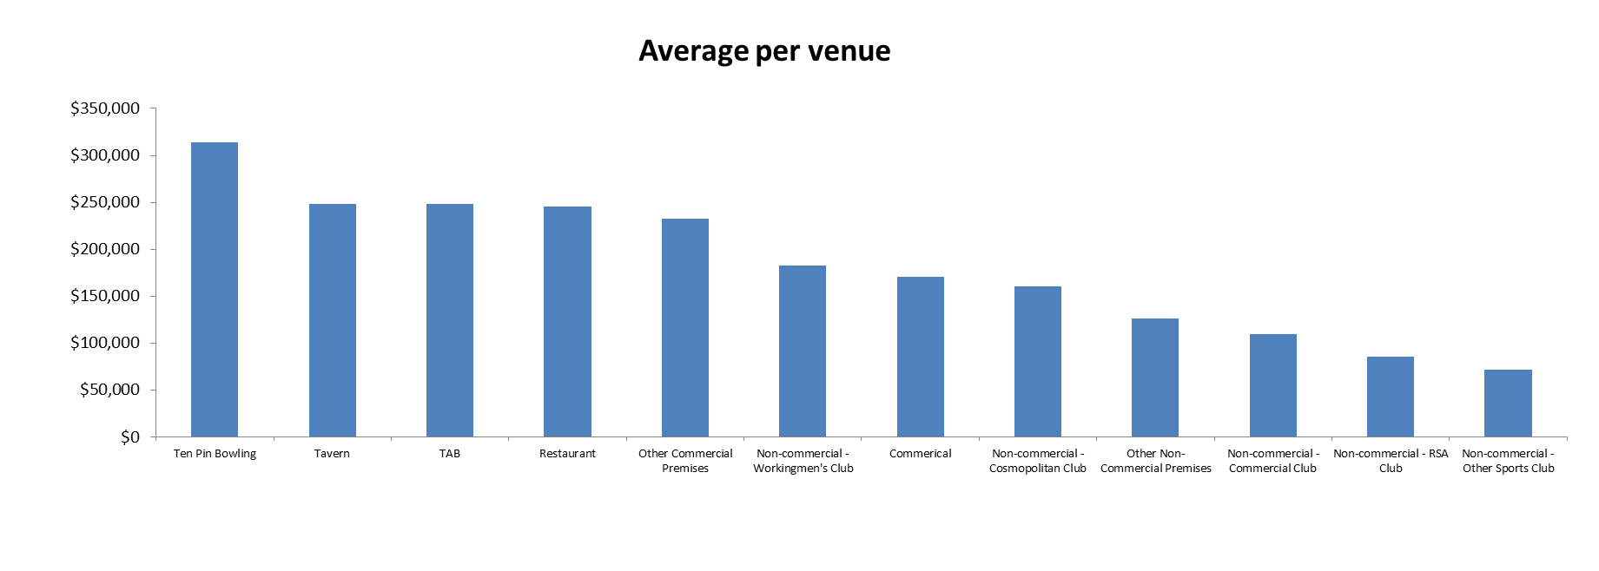

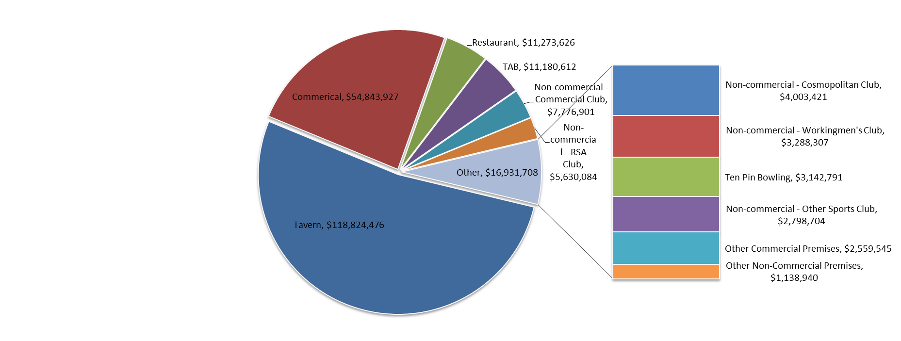
Share of total GMP for each type of venue for quarter to 30 June 2018

