GMP per Venue
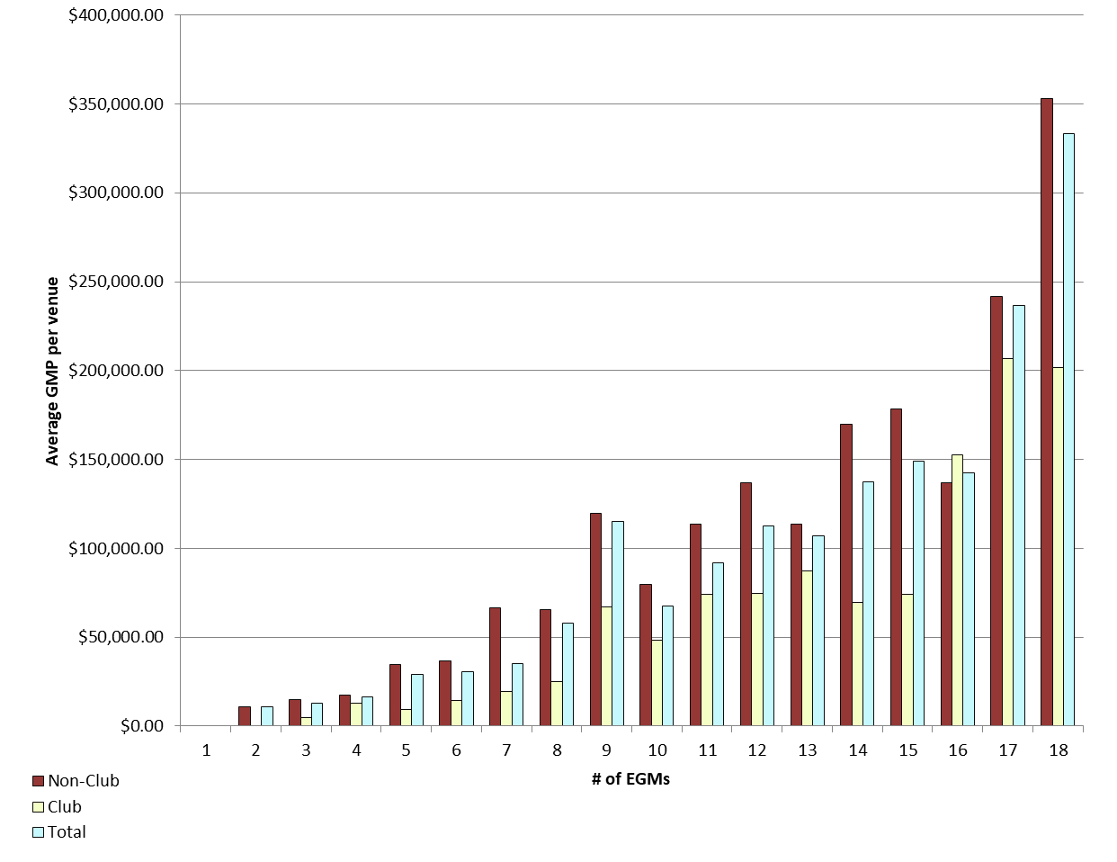
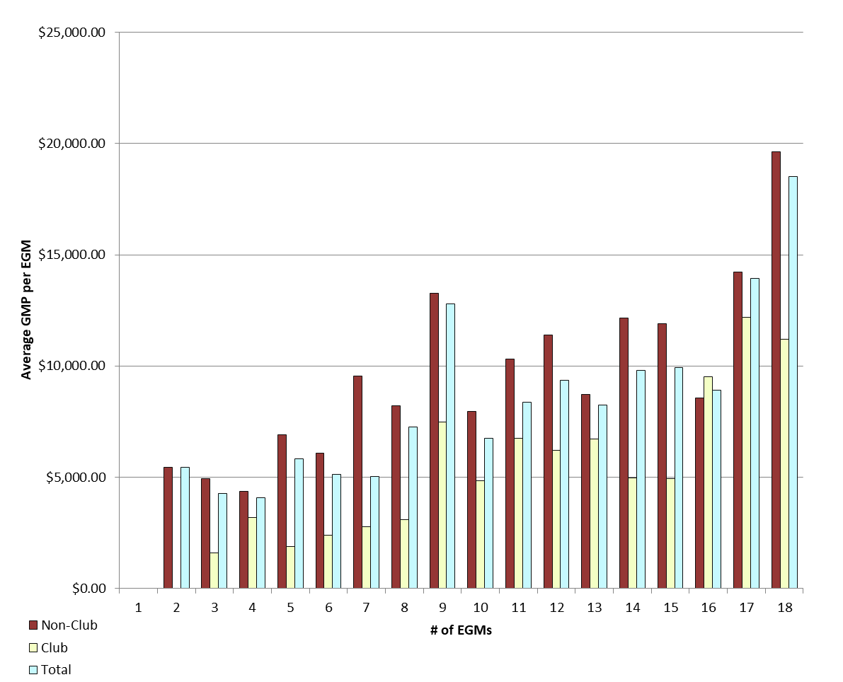
REPORT 3: GMP by number of machines at venue for quarter to 30 June 2019

The data provided below shows, for all class 4 venues, GMP by number of machines. The data is provided for all machines, and for non-clubs and for clubs venues licensed as at 30/06/2019. Data for venues that were not licensed at this date are excluded;
therefore the total GMP may not match with the official figures. Note that range and median GMP data is not provided for groups of fewer than 3 venues, as this would reveal GMP for individual venues.

 |  | 1 |  |  | 2 |  |  | 3 |  |  | 4 |  |  | 5
 |  | Total | Club | Non-Club | Total | Club | Non-Club | Total | Club | Non-Club | Total | Club | Non-Club | Total | Club | Non-Club
# venues |  | 0 | 0 | 0 | 5 | 0 | 5 | 20 | 4 | 16 | 19 | 5 | 14 | 23 | 5 | 18
Range | Min |  |  |  | $199.00 |  | $199.00 | $3,079.46 | $3,079.46 | $3,581.90 | $1,448.52 | $1,448.52 | $5,707.45 | $2,045.94 | $6,718.40 | $2,045.94
 | Max |  |  |  | $30,214.51 |  | $30,214.51 | $29,898.00 | $6,812.56 | $29,898.00 | $40,420.32 | $20,927.24 | $40,420.32 | $106,067.15 | $14,492.40 | $106,067.15
Average per venue |  |  |  |  | $10,862.59 |  | $10,862.59 | $12,815.17 | $4,770.93 | $14,826.23 | $16,253.79 | $12,754.80 | $17,503.43 | $29,121.20 | $9,420.50 | $34,593.62
Total EGMs |  | 0 | 0 | 0 | 10 | 0 | 10 | 60 | 12 | 48 | 76 | 20 | 56 | 115 | 25 | 90
Average per machine |  |  |  |  | $5,431.29 |  | $5,431.29 | $4,271.72 | $1,590.31 | $4,942.08 | $4,063.45 | $3,188.70 | $4,375.86 | $5,824.24 | $1,884.10 | $6,918.72

 |  | 6 |  |  | 7 |  |  | 8 |  |  | 9 |  |  | 10
 |  | Total | Club | Non-Club | Total | Club | Non-Club | Total | Club | Non-Club | Total | Club | Non-Club | Total | Club | Non-Club
# venues |  | 38 | 10 | 28 | 36 | 24 | 12 | 32 | 6 | 26 | 198 | 17 | 181 | 26 | 10 | 16
Range | Min | $4,831.36 | $7,482.10 | $4,831.36 | $1,716.21 | $1,716.21 | $13,508.54 | $6,836.74 | $6,836.74 | $22,644.49 | $0.00 | $11,712.74 | $0.00 | $15,864.04 | $18,612.00 | $15,864.04
 | Max | $91,079.47 | $30,255.79 | $91,079.47 | $337,121.93 | $63,457.09 | $337,121.93 | $293,649.62 | $48,335.40 | $293,649.62 | $472,583.83 | $206,498.64 | $472,583.83 | $160,592.04 | $108,563.88 | $160,592.04
Average per venue |  | $30,664.86 | $14,259.30 | $36,524.00 | $35,186.66 | $19,408.24 | $66,743.51 | $58,003.74 | $24,751.64 | $65,677.31 | $114,978.73 | $67,169.69 | $119,469.08 | $67,588.56 | $48,270.79 | $79,662.16
Total EGMs |  | 228 | 60 | 168 | 252 | 168 | 84 | 256 | 48 | 208 | 1,782 | 153 | 1,629 | 260 | 100 | 160
Average per machine |  | $5,110.81 | $2,376.55 | $6,087.33 | $5,026.67 | $2,772.61 | $9,534.79 | $7,250.47 | $3,093.96 | $8,209.66 | $12,775.41 | $7,463.30 | $13,274.34 | $6,758.86 | $4,827.08 | $7,966.22

 |  | 11 |  |  | 12 |  |  | 13 |  |  | 14 |  |  | 15
 |  | Total | Club | Non-Club | Total | Club | Non-Club | Total | Club | Non-Club | Total | Club | Non-Club | Total | Club | Non-Club
# venues |  | 11 | 6 | 5 | 36 | 14 | 22 | 8 | 2 | 6 | 37 | 12 | 25 | 25 | 7 | 18
Range | Min | $31,960.94 | $31,960.94 | $90,912.83 | $4,698.62 | $4,698.62 | $24,828.46 | $86,491.74 |  | $86,491.74 | $14,346.27 | $14,346.27 | $80,745.55 | $9,762.89 | $26,089.92 | $9,762.89
 | Max | $193,254.01 | $193,254.01 | $140,310.63 | $366,400.22 | $168,355.54 | $366,400.22 | $149,525.62 |  | $149,525.62 | $330,185.94 | $147,138.19 | $330,185.94 | $323,379.13 | $137,941.31 | $323,379.13
Average per venue |  | $91,915.35 | $74,054.68 | $113,348.16 | $112,444.24 | $74,383.78 | $136,664.53 | $106,944.99 |  | $113,437.89 | $137,362.79 | $69,348.67 | $170,009.56 | $149,138.90 | $74,236.49 | $178,267.62
Total EGMs |  | 121 | 66 | 55 | 432 | 168 | 264 | 104 | 26 | 78 | 518 | 168 | 350 | 375 | 105 | 270
Average per machine |  | $8,355.94 | $6,732.24 | $10,304.38 | $9,370.35 | $6,198.65 | $11,388.71 | $8,226.54 |  | $8,725.99 | $9,811.63 | $4,953.48 | $12,143.54 | $9,942.59 | $4,949.10 | $11,884.51

 |  | 16 |  |  | 17 |  |  | 18 |  |  | 18+
 |  | Total | Club | Non-Club | Total | Club | Non-Club | Total | Club | Non-Club | Total | Club | Non-Club
# venues |  | 14 | 5 | 9 | 7 | 1 | 6 | 548 | 72 | 476 | 8 | 8 | 0
Range | Min | $753.51 | $64,366.24 | $753.51 | $137,500.47 |  | $137,500.47 | $0.00 | $24,037.02 | $0.00 | $69,482.54 | $69,482.54
 | Max | $276,643.63 | $276,643.63 | $261,107.05 | $363,784.76 |  | $363,784.76 | $1,265,694.05 | $975,146.22 | $1,265,694.05 | $1,064,523.66 | $1,064,523.66
Average per venue |  | $142,495.50 | $152,375.25 | $137,006.74 | $236,703.55 |  | $241,660.04 | $333,146.84 | $201,522.78 | $353,056.36 | $367,866.01 | $367,866.01
Total EGMs |  | 224 | 80 | 144 | 119 | 17 | 102 | 9,864 | 1,296 | 8,568 | 211 | 211
Average per machine |  | $8,905.97 | $9,523.45 | $8,562.92 | $13,923.74 |  | $14,215.30 | $18,508.16 | $11,195.71 | $19,614.24 | $13,947.53 | $13,947.53

21 |  | TOTAL
 |  | Total | Club | Non-Club
# venues |  | 1,094 | 209 | 885
Range | Min | $- | $- | $-
 | Max | $1,265,694.05 | $1,064,523.66 | $1,265,694.05
Average per venue |  | $213,991.74 | $114,570.99 | $237,470.76
Total EGMs |  | 15,007 | 2,723 | 12,284
Average per machine |  | $15,599.85 | $8,793.73 | $17,108.57

Average GMP per venue by number of EGMs at venue |  |  |  |  |  |  |  |  | Average GMP per EGM by number of EGMs at venue

GMP by Class of Venue
REPORT 4: GMP by class of venue for quarter to 30 June 2019
The data is provided for all non-clubs and for clubs venues licensed as at 30/06/2019. Note data for venues that were not licensed at this date are excluded; therefore the total GMP may not match with the official figures.

Class of venue | Number of EGMs | Number of venues | Total GMP | Average per venue
Commerical | 3,451 | 269 | $47,278,930 | $175,758
TAB | 512 | 45 | $11,683,392 | $259,631
Tavern | 7,361 | 499 | $133,338,044 | $267,211
Restaurant | 659 | 51 | $11,808,538 | $231,540
Other Commercial Premises | 130 | 9 | $2,035,274 | $226,142
Ten Pin Bowling | 135 | 9 | $3,190,965 | $354,552
Non-commercial - Commercial Club | 927 | 68 | $7,535,903 | $110,822
Non-commercial - RSA Club | 793 | 63 | $5,797,172 | $92,019
Non-commercial - Other Sports Club | 272 | 30 | $2,345,878 | $78,196
Non-commercial - Workingmen's Club | 298 | 17 | $3,433,356 | $201,962
Non-commercial - Cosmopolitan Club | 367 | 24 | $4,064,787 | $169,366
Other Non-Commercial Premises | 102 | 10 | $1,594,723 | $159,472
Grand Total | 15,007 | 1,094 | $234,106,963 | $213,992

Average GMP per venue for quarter to 30 June 2019

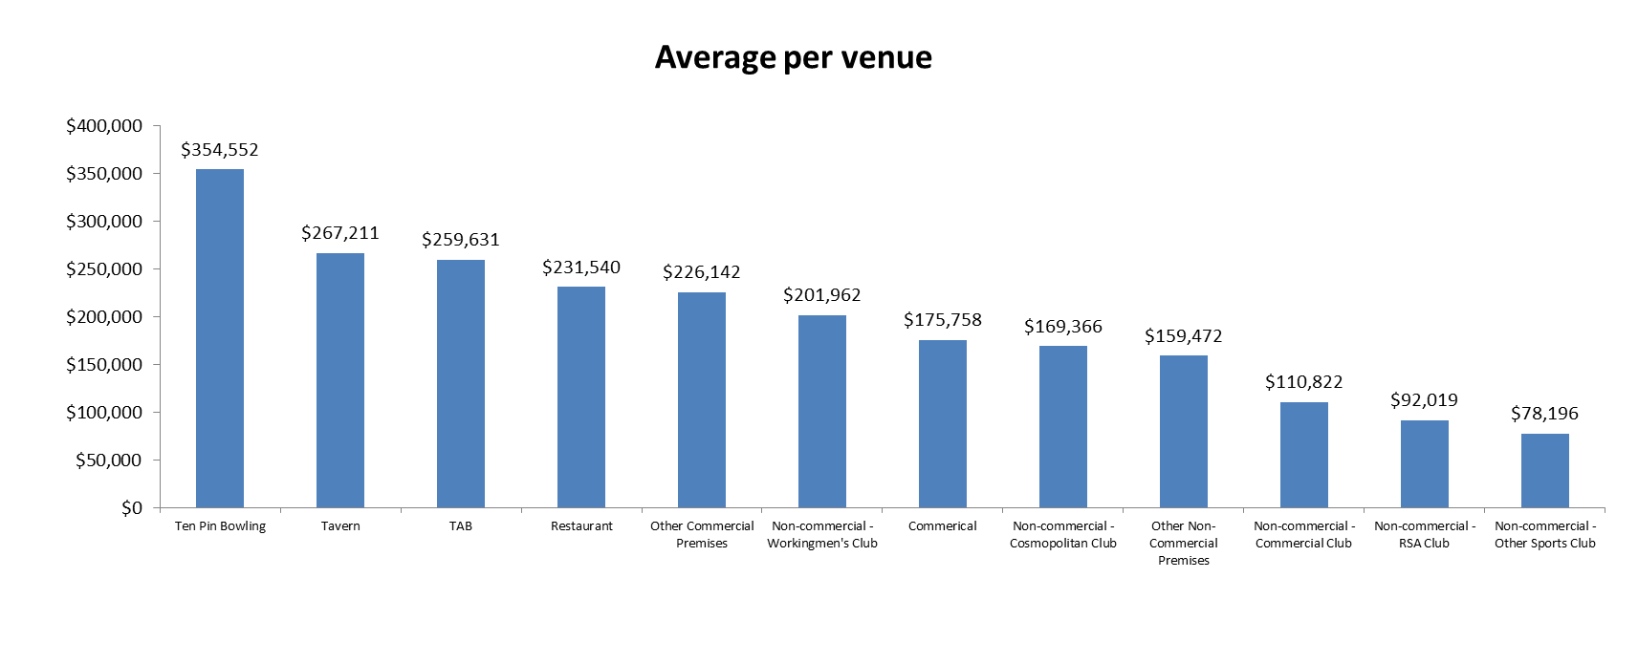

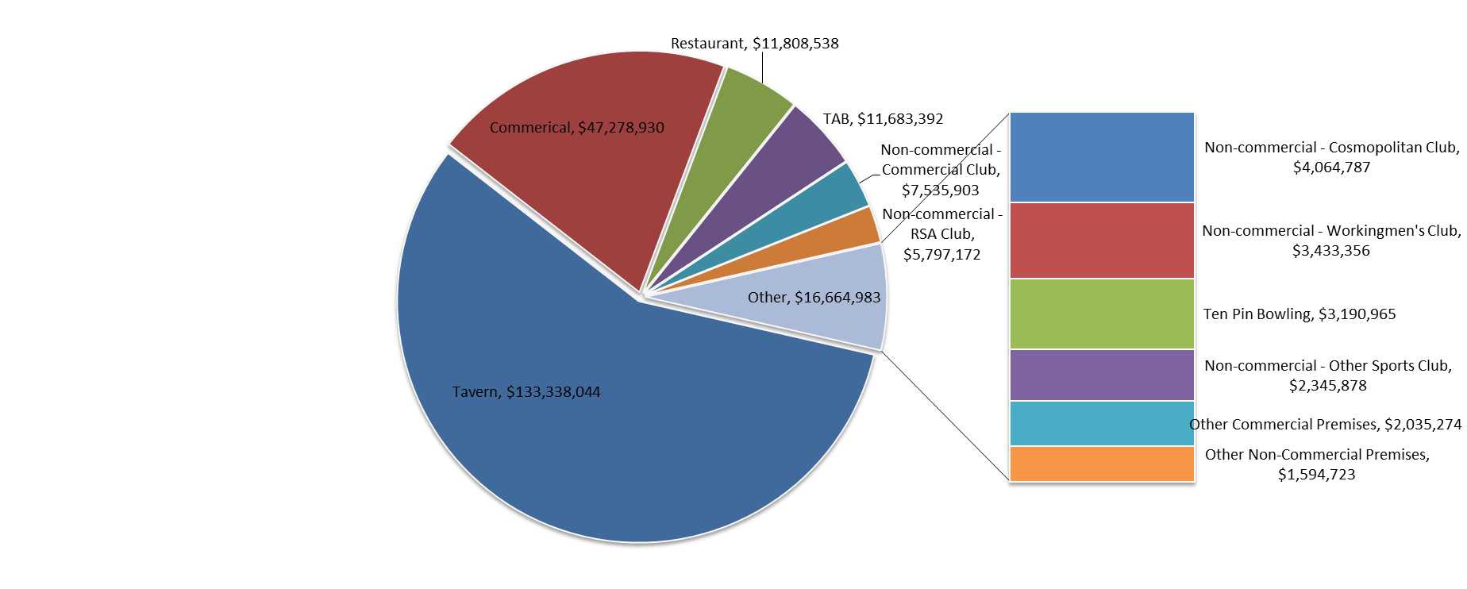
Share of total GMP for each type of venue for quarter to 30 June 2019

