GMP per Venue
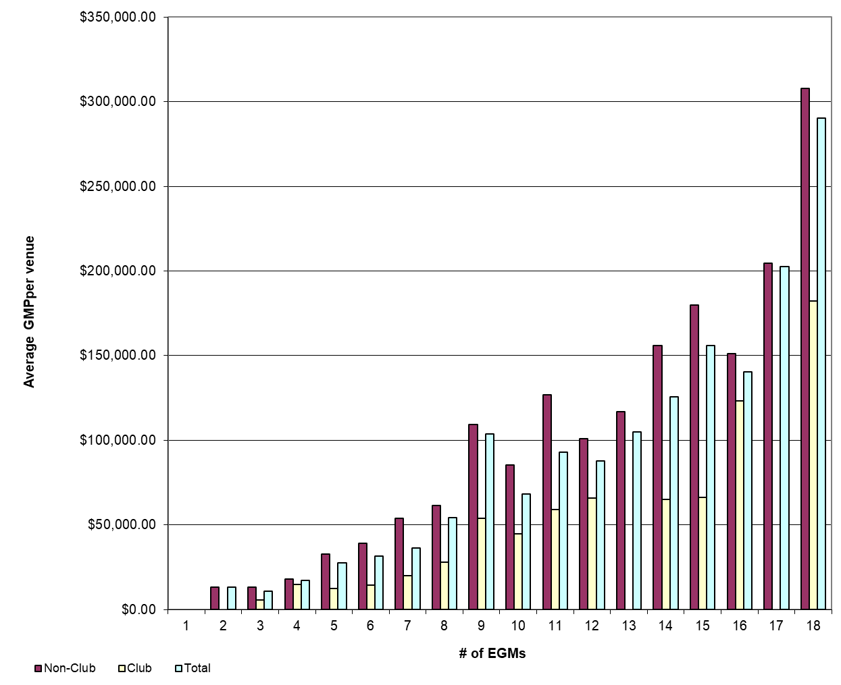
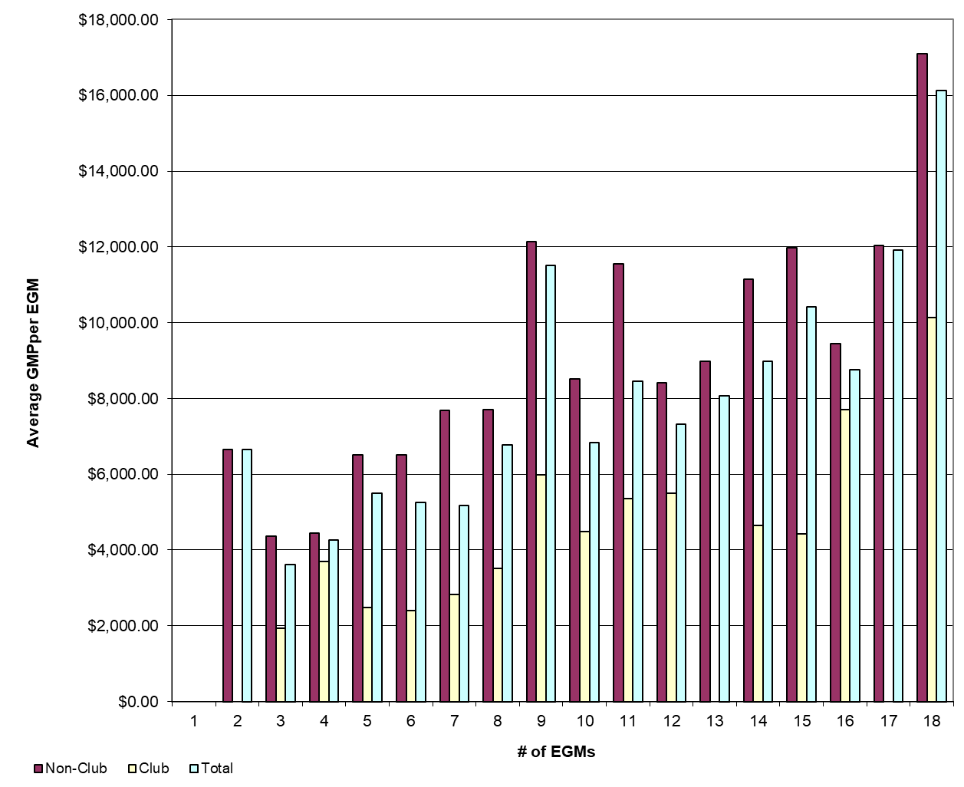
REPORT 3: GMP by number of machines at venue for quarter to 31 March 2018

The data provided below shows, for all class 4 venues, GMP by number of machines. The data is provided for all machines, and for non-clubs and for clubs venues licensed as at 31/03/2018. Data for venues that were not licensed at this date are excluded; therefore the total GMP may not match with the official figures. Note that range and median GMP data is not provided for groups of fewer than 3 venues, as this would reveal GMP for individual venues.

 |  | 1 |  |  | 2 |  |  | 3 |  |  | 4 |  |  | 5
 |  | Total | Club | Non-Club | Total | Club | Non-Club | Total | Club | Non-Club | Total | Club | Non-Club | Total | Club | Non-Club
# venues |  | 1 | 0 | 1 | 7 | 0 | 7 | 23 | 7 | 16 | 27 | 7 | 20 | 24 | 6 | 18
Range | Min | $- |  |  | $- |  | $- | $2,754.11 | $2,840.42 | $2,754.11 | $945.84 | $945.84 | $7,330.59 | $1,417.82 | $4,540.09 | $1,417.82
 | Max | $- |  |  | $46,753.94 |  | $46,753.94 | $33,859.16 | $9,014.18 | $33,859.16 | $35,366.03 | $31,500.62 | $35,366.03 | $79,787.42 | $26,346.88 | $79,787.42
Average per venue |  | $- |  |  | $13,297.65 |  | $13,297.65 | $10,860.39 | $5,782.67 | $13,081.90 | $17,017.70 | $14,752.47 | $17,810.54 | $27,529.52 | $12,398.82 | $32,573.09
Total EGMs |  | 0 |  |  | 14 |  | 14 | 69 | 21 | 48 | 108 | 28 | 80 | 120 | 30 | 90
Average per machine |  | $- |  |  | $6,648.82 |  | $6,648.82 | $3,620.13 | $1,927.56 | $4,360.63 | $4,254.43 | $3,688.12 | $4,452.63 | $5,505.90 | $2,479.76 | $6,514.62

 |  | 6 |  |  | 7 |  |  | 8 |  |  | 9 |  |  | 10
 |  | Total | Club | Non-Club | Total | Club | Non-Club | Total | Club | Non-Club | Total | Club | Non-Club | Total | Club | Non-Club
# venues |  | 39 | 12 | 27 | 33 | 17 | 16 | 32 | 7 | 25 | 208 | 21 | 187 | 31 | 13 | 18
Range | Min | $3,147.08 | $3,147.08 | $6,130.98 | $1,428.70 | $4,507.78 | $1,428.70 | $- | $10,936.92 | $- | $2,748.07 | $4,551.34 | $2,748.07 | $15,692.54 | $15,692.54 | $32,049.68
 | Max | $93,781.42 | $38,766.03 | $93,781.42 | $276,097.20 | $41,723.93 | $276,097.20 | $235,595.91 | $41,031.78 | $235,595.91 | $474,378.80 | $180,996.03 | $474,378.80 | $181,330.71 | $118,409.84 | $181,330.71
Average per venue |  | $31,489.57 | $14,414.80 | $39,078.35 | $36,241.31 | $19,781.11 | $53,730.27 | $54,257.15 | $28,105.24 | $61,579.69 | $103,684.34 | $53,782.29 | $109,288.32 | $68,284.93 | $44,878.01 | $85,189.93
Total EGMs |  | 234 | 72 | 162 | 231 | 119 | 112 | 256 | 56 | 200 | 1,872 | 189 | 1,683 | 310 | 130 | 180
Average per machine |  | $5,248.26 | $2,402.47 | $6,513.06 | $5,177.33 | $2,825.87 | $7,675.75 | $6,782.14 | $3,513.16 | $7,697.46 | $11,520.48 | $5,975.81 | $12,143.15 | $6,828.49 | $4,487.80 | $8,518.99

 |  | 11 |  |  | 12 |  |  | 13 |  |  | 14 |  |  | 15
 |  | Total | Club | Non-Club | Total | Club | Non-Club | Total | Club | Non-Club | Total | Club | Non-Club | Total | Club | Non-Club
# venues |  | 10 | 5 | 5 | 40 | 15 | 25 | 7 | 2 | 5 | 42 | 15 | 27 | 24 | 5 | 19
Range | Min | $37,155.84 | $37,155.84 | $93,185.22 | $6,298.25 | $26,084.51 | $6,298.25 | $63,486.89 |  | $93,149.67 | $16,746.05 | $18,503.92 | $16,746.05 | $35,339.54 | $35,339.54 | $73,809.58
 | Max | $185,860.11 | $96,072.94 | $185,860.11 | $192,495.29 | $139,517.50 | $192,495.29 | $161,472.73 |  | $161,472.73 | $295,688.55 | $119,046.30 | $295,688.55 | $395,033.56 | $97,688.73 | $395,033.56
Average per venue |  | $92,962.82 | $58,958.94 | $126,966.69 | $87,873.58 | $65,938.85 | $101,034.42 | $105,002.98 |  | $116,811.80 | $125,755.32 | $61,840.93 | $161,263.31 | $156,163.54 | $66,423.03 | $179,779.46
Total EGMs |  | 110 | 55 | 55 | 480 | 180 | 300 | 91 |  | 65 | 588 | 210 | 378 | 360 | 75 | 285
Average per machine |  | $8,451.17 | $5,359.90 | $11,542.43 | $7,322.80 | $5,494.90 | $8,419.54 | $8,077.15 |  | $8,985.52 | $8,982.52 | $4,417.21 | $11,518.81 | $10,410.90 | $4,428.20 | $11,985.30

 |  | 16 |  |  | 17 |  |  | 18 |  |  | 18+
 |  | Total | Club | Non-Club | Total | Club | Non-Club | Total | Club | Non-Club | Total | Club | Non-Club
# venues |  | 18 | 7 | 11 | 9 | 1 | 8 | 555 | 77 | 478 | 8 | 8
Range | Min | $- | $- | $26,826.69 | $73,692.43 |  | $73,692.43 | $- | $22,142.43 | $- | $70,881.56 | $70,881.56
 | Max | $222,623.97 | $193,156.85 | $222,623.97 | $275,208.08 |  | $275,208.08 | $1,077,092.26 | $883,759.04 | $1,077,092.26 | $931,645.29 | $931,645.29
Average per venue |  | $140,242.53 | $123,157.22 | $151,115.00 | $202,631.96 |  | $204,696.74 | $290,349.23 | $182,355.73 | $307,745.67 | $333,447.34 | $333,447.34
Total EGMs |  | 288 | 112 | 176 | 153 |  | 136 | 9,990 | 1,386 | 8,604 | 215 | 215
Average per machine |  | $8,765.16 | $7,697.33 | $9,444.69 | $11,919.53 |  | $12,040.98 | $16,130.51 | $10,130.87 | $17,096.98 | $12,407.34 | $12,407.34

21 |  | TOTAL
 |  | Total | Club | Non-Club
# venues |  | 1,146 | 226 | 920
Range | Min | $- | $- | $-
 | Max | $1,077,092.26 | $931,645.29 | $1,077,092.26
Average per venue |  | $184,872.77 | $102,573.85 | $205,089.68
Total EGMs |  | 15,490 | 2,921 | 12,569
Average per machine |  | $13,677.48 | $7,936.22 | $15,011.74

Average GMP per venue by number of EGMs at venue |  |  |  |  |  |  |  |  | Average GMP per EGM by number of EGMs at venue

