GMP per Venue
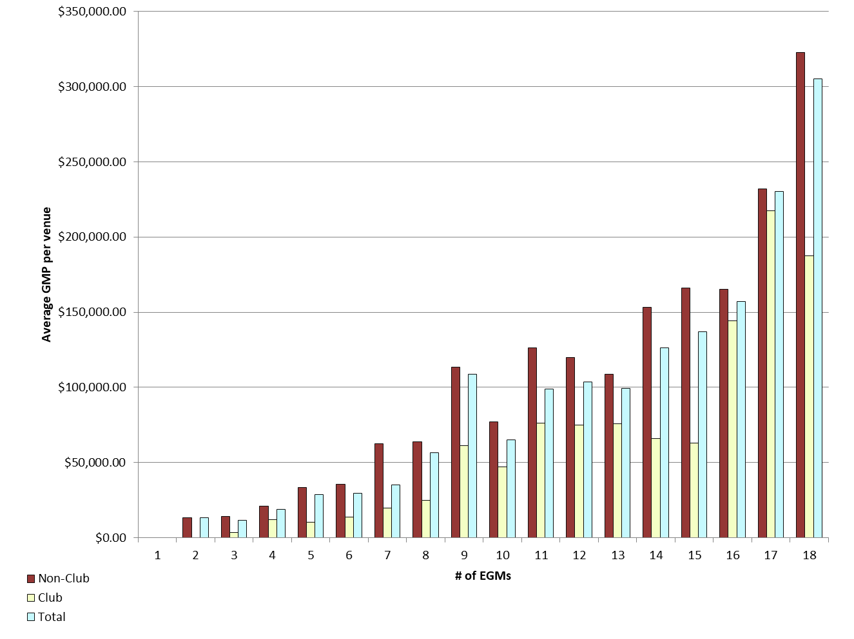
REPORT 3: GMP by number of machines at venue for quarter to 31 March 2019

The data provided below shows, for all class 4 venues, GMP by number of machines. The data is provided for all machines, and for non-clubs and for clubs venues licensed as at 31/03/2019. Data for venues that were not licensed at this date are excluded;
therefore the total GMP may not match with the official figures. Note that range and median GMP data is not provided for groups of fewer than 3 venues, as this would reveal GMP for individual venues.

 |  | 1 |  |  | 2 |  |  | 3 |  |  | 4 |  |  | 5
 |  | Total | Club | Non-Club | Total | Club | Non-Club | Total | Club | Non-Club | Total | Club | Non-Club | Total | Club | Non-Club
# venues |  | 0 | 0 | 0 | 5 | 0 | 5 | 21 | 5 | 16 | 21 | 5 | 16 | 24 | 5 | 19
Range | Min |  |  |  | $0.00 |  | $0.00 | $1,801.24 | $1,801.24 | $5,154.42 | $2,854.38 | $2,854.38 | $6,229.73 | -$358.25 | $4,885.14 | -$358.25
 | Max |  |  |  | $38,712.64 |  | $38,712.64 | $28,509.71 | $5,734.14 | $28,509.71 | $39,644.41 | $16,701.87 | $39,644.41 | $95,304.92 | $20,326.86 | $95,304.92
Average per venue |  |  |  |  | $13,447.20 |  | $13,447.20 | $11,666.01 | $3,571.92 | $14,195.41 | $18,814.25 | $12,172.72 | $20,889.72 | $28,655.43 | $10,395.02 | $33,460.80
Total EGMs |  | 0 | 0 | 0 | 10 | 0 | 10 | 63 | 15 | 48 | 84 | 20 | 64 | 120 | 25 | 95
Average per machine |  |  |  |  | $6,723.60 |  | $6,723.60 | $3,888.67 | $1,190.64 | $4,731.80 | $4,703.56 | $3,043.18 | $5,222.43 | $5,731.09 | $2,079.00 | $6,692.16

 |  | 6 |  |  | 7 |  |  | 8 |  |  | 9 |  |  | 10
 |  | Total | Club | Non-Club | Total | Club | Non-Club | Total | Club | Non-Club | Total | Club | Non-Club | Total | Club | Non-Club
# venues |  | 39 | 11 | 28 | 36 | 23 | 13 | 32 | 6 | 26 | 195 | 17 | 178 | 28 | 11 | 17
Range | Min | $2,801.68 | $2,801.68 | $8,559.68 | $2,180.14 | $2,180.14 | $10,854.42 | $6,621.65 | $6,621.65 | $24,034.41 | $7,963.63 | $12,169.64 | $7,963.63 | $9,773.02 | $15,810.65 | $9,773.02
 | Max | $98,979.32 | $32,902.19 | $98,979.32 | $337,784.16 | $47,017.64 | $337,784.16 | $287,238.02 | $46,275.44 | $287,238.02 | $465,959.73 | $202,593.04 | $465,959.73 | $162,498.50 | $107,929.50 | $162,498.50
Average per venue |  | $29,526.56 | $13,875.89 | $35,675.03 | $35,217.60 | $19,734.69 | $62,610.44 | $56,466.12 | $24,696.08 | $63,797.66 | $108,950.12 | $61,213.22 | $113,509.26 | $65,318.31 | $46,932.24 | $77,215.18
Total EGMs |  | 234 | 66 | 168 | 252 | 161 | 91 | 256 | 48 | 208 | 1,755 | 153 | 1,602 | 280 | 110 | 170
Average per machine |  | $4,921.09 | $2,312.65 | $5,945.84 | $5,031.09 | $2,819.24 | $8,944.35 | $7,058.26 | $3,087.01 | $7,974.71 | $12,105.57 | $6,801.47 | $12,612.14 | $6,531.83 | $4,693.22 | $7,721.52

 |  | 11 |  |  | 12 |  |  | 13 |  |  | 14 |  |  | 15
 |  | Total | Club | Non-Club | Total | Club | Non-Club | Total | Club | Non-Club | Total | Club | Non-Club | Total | Club | Non-Club
# venues |  | 11 | 6 | 5 | 36 | 13 | 23 | 7 | 2 | 5 | 39 | 12 | 27 | 25 | 7 | 18
Range | Min | $33,894.08 | $33,894.08 | $107,358.66 | $20,533.37 | $20,533.37 | $26,033.08 | $77,335.53 |  | $77,335.53 | $4,240.51 | $21,230.59 | $4,240.51 | $9,298.51 | $19,604.46 | $9,298.51
 | Max | $187,370.72 | $187,370.72 | $137,792.18 | $248,583.47 | $143,310.70 | $248,583.47 | $163,080.02 |  | $163,080.02 | $273,047.06 | $141,455.51 | $273,047.06 | $313,535.16 | $100,795.02 | $313,535.16
Average per venue |  | $99,033.44 | $76,214.97 | $126,415.60 | $103,702.28 | $75,054.99 | $119,894.22 | $99,306.34 |  | $108,627.41 | $126,276.47 | $65,880.40 | $153,119.17 | $137,174.53 | $62,806.00 | $166,095.63
Total EGMs |  | 121 | 66 | 55 | 432 | 156 | 276 | 91 | 26 | 65 | 546 | 168 | 378 | 375 | 105 | 270
Average per machine |  | $9,003.04 | $6,928.63 | $11,492.33 | $8,641.86 | $6,254.58 | $9,991.19 | $7,638.95 |  | $8,355.95 | $9,019.75 | $4,705.74 | $10,937.08 | $9,144.97 | $4,187.07 | $11,073.04

 |  | 16 |  |  | 17 |  |  | 18 |  |  | 18+
 |  | Total | Club | Non-Club | Total | Club | Non-Club | Total | Club | Non-Club | Total | Club | Non-Club
# venues |  | 13 | 5 | 8 | 8 | 1 | 7 | 551 | 71 | 480 | 9 | 9 | 0
Range | Min | $63,834.50 | $63,834.50 | $102,104.93 | $99,628.51 |  | $99,628.51 | $0.00 | $19,652.51 | $0.00 | $74,203.48 | $74,203.48
 | Max | $240,524.15 | $240,524.15 | $220,916.29 | $325,685.54 |  | $325,685.54 | $1,151,963.26 | $924,121.11 | $1,151,963.26 | $967,160.56 | $967,160.56
Average per venue |  | $157,167.48 | $144,134.56 | $165,313.05 | $230,128.06 |  | $231,937.01 | $305,293.79 | $187,654.21 | $322,694.65 | $313,601.09 | $313,601.09
Total EGMs |  | 208 | 80 | 128 | 136 | 17 | 119 | 9,918 | 1,278 | 8,640 | 237 | 237
Average per machine |  | $9,822.97 | $9,008.41 | $10,332.07 | $13,536.94 |  | $13,643.35 | $16,960.77 | $10,425.23 | $17,927.48 | $11,908.90 | $11,908.90

21 |  | TOTAL
 |  | Total | Club | Non-Club
# venues |  | 1,103 | 210 | 893
Range | Min | $(358.25) | $- | $(358.25)
 | Max | $1,151,963.26 | $967,160.56 | $1,151,963.26
Average per venue |  | $197,181.28 | $106,388.11 | $218,532.42
Total EGMs |  | 15,118 | 2,731 | 12,387
Average per machine |  | $14,386.23 | $8,180.70 | $15,754.38

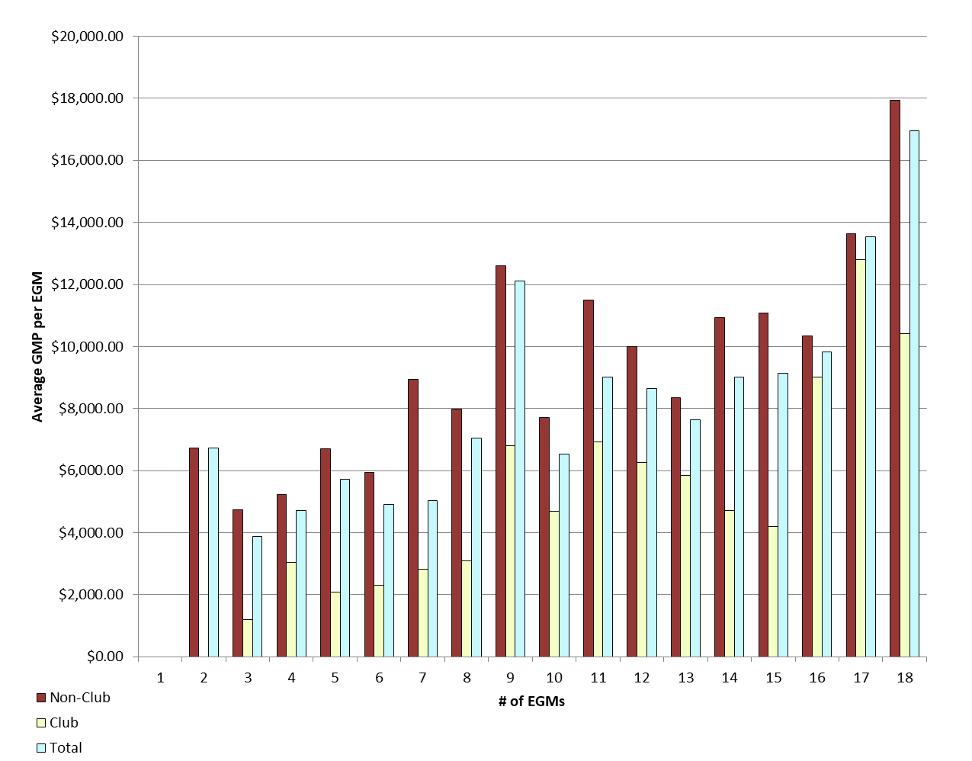
Average GMP per venue by number of EGMs at venue |  |  |  |  |  |  |  |  | Average GMP per EGM by number of EGMs at venue

GMP by Class of Venue
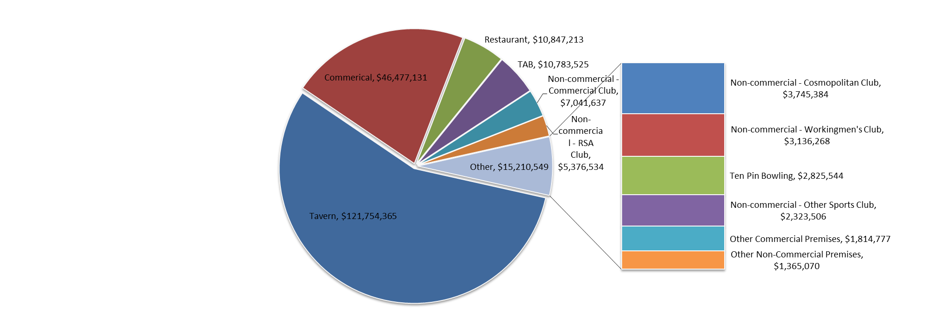
REPORT 4: GMP by class of venue for quarter to 31 March 2019
The data is provided for all non-clubs and for clubs venues licensed as at 31/03/2019. Note data for venues that were not licensed at this date are excluded; therefore the total GMP may not match with the official figures.

Class of venue | Number of EGMs | Number of venues | Total GMP | Average per venue
Commerical | 3,606 | 283 | $46,477,131 | $164,230
TAB | 512 | 45 | $10,783,525 | $239,634
Tavern | 7,361 | 498 | $121,754,365 | $244,487
Restaurant | 595 | 45 | $10,847,213 | $241,049
Other Commercial Premises | 130 | 9 | $1,814,777 | $201,642
Ten Pin Bowling | 135 | 9 | $2,825,544 | $313,949
Non-commercial - Commercial Club | 933 | 69 | $7,041,637 | $102,053
Non-commercial - RSA Club | 799 | 64 | $5,376,534 | $84,008
Non-commercial - Other Sports Club | 280 | 30 | $2,323,506 | $77,450
Non-commercial - Workingmen's Club | 298 | 17 | $3,136,268 | $184,486
Non-commercial - Cosmopolitan Club | 367 | 24 | $3,745,384 | $156,058
Other Non-Commercial Premises | 102 | 10 | $1,365,070 | $136,507
Grand Total | 15,118 | 1,103 | $217,490,953 | $197,181

Average GMP per venue for quarter to 31 March 2019

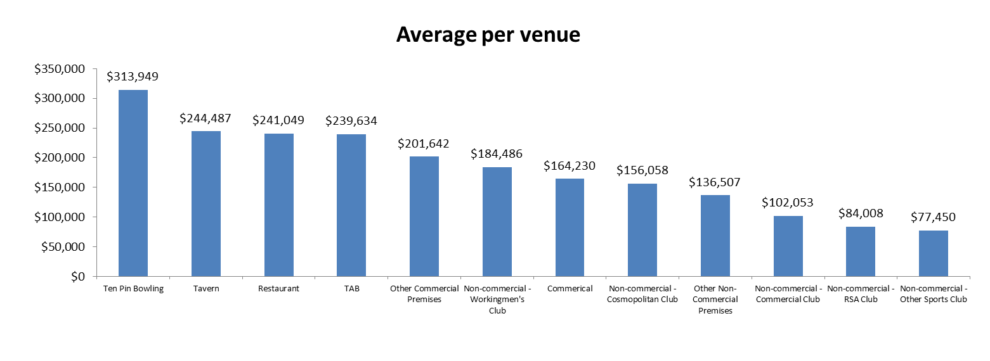

Share of total GMP for each type of venue for quarter to 31 March 2019

