GMP per Venue
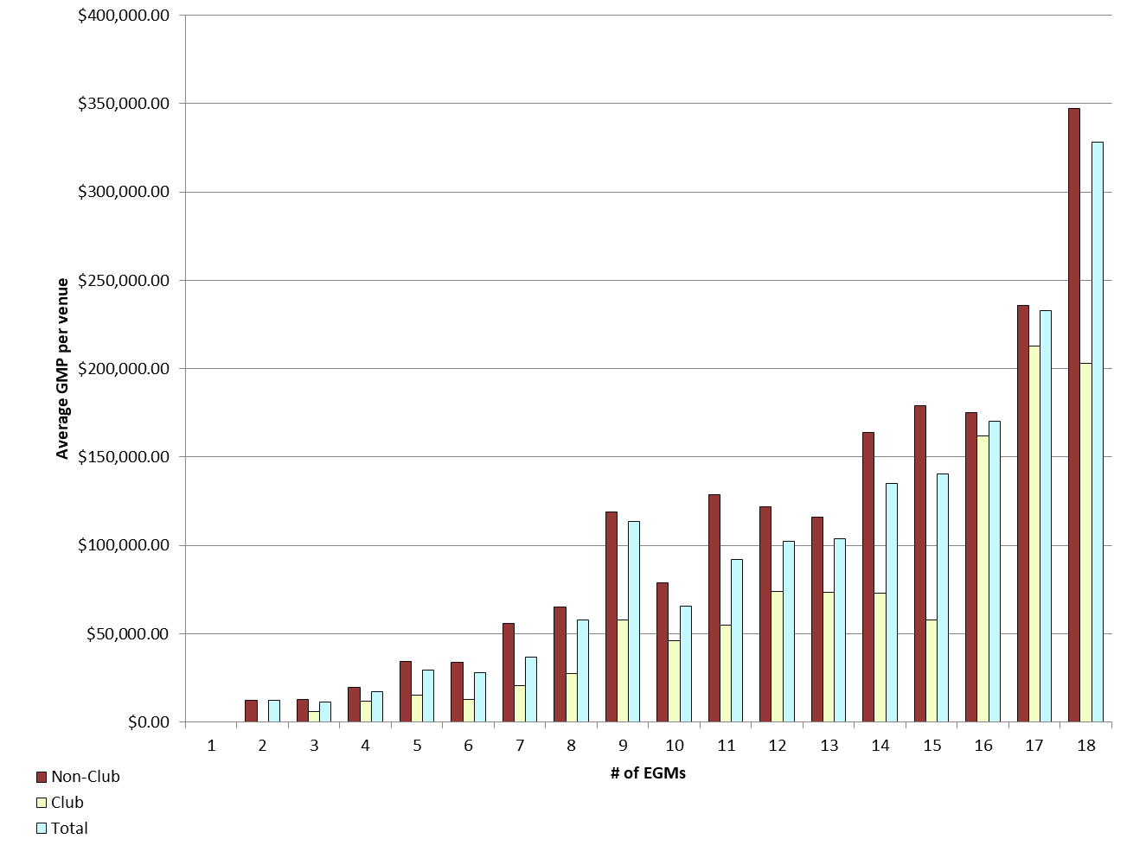
REPORT 3: GMP by number of machines at venue for quarter to 30 September 2018

The data provided below shows, for all class 4 venues, GMP by number of machines. The data is provided for all machines, and for non-clubs and for clubs venues licensed as at 30/09/2018. Data for venues that were not licensed at this date are excluded;
therefore the total GMP may not match with the official figures. Note that range and median GMP data is not provided for groups of fewer than 3 venues, as this would reveal GMP for individual venues.

 |  | 1 |  |  | 2 |  |  | 3 |  |  | 4 |  |  | 5
 |  | Total | Club | Non-Club | Total | Club | Non-Club | Total | Club | Non-Club | Total | Club | Non-Club | Total | Club | Non-Club
# venues |  | 0 | 0 | 0 | 7 | 0 | 7 | 20 | 4 | 16 | 24 | 7 | 17 | 24 | 6 | 18
Range | Min |  |  |  | $0.00 |  | $0.00 | $3,093.62 | $3,093.62 | $3,105.40 | $1,326.00 | $1,326.00 | $7,351.22 | $1,190.88 | $5,357.17 | $1,190.88
 | Max |  |  |  | $47,568.29 |  | $47,568.29 | $30,699.92 | $8,110.36 | $30,699.92 | $43,434.24 | $24,670.55 | $43,434.24 | $94,062.24 | $28,622.45 | $94,062.24
Average per venue |  |  |  |  | $12,547.14 |  | $12,547.14 | $11,507.04 | $6,023.79 | $12,877.86 | $17,324.76 | $11,698.71 | $19,641.38 | $29,536.47 | $15,121.68 | $34,341.40
Total EGMs |  | 0 | 0 | 0 | 14 | 0 | 14 | 60 | 12 | 48 | 96 | 28 | 68 | 120 | 30 | 90
Average per machine |  |  |  |  | $6,273.57 |  | $6,273.57 | $3,835.68 | $2,007.93 | $4,292.62 | $4,331.19 | $2,924.68 | $4,910.34 | $5,907.29 | $3,024.34 | $6,868.28

 |  | 6 |  |  | 7 |  |  | 8 |  |  | 9 |  |  | 10
 |  | Total | Club | Non-Club | Total | Club | Non-Club | Total | Club | Non-Club | Total | Club | Non-Club | Total | Club | Non-Club
# venues |  | 40 | 12 | 28 | 35 | 19 | 16 | 31 | 6 | 25 | 203 | 19 | 184 | 32 | 13 | 19
Range | Min | $1,950.36 | $1,950.36 | $6,520.08 | $3,184.26 | $3,184.26 | $12,049.87 | $8,986.95 | $14,244.96 | $8,986.95 | $3,171.74 | $3,171.74 | $3,853.57 | $10,641.30 | $17,157.10 | $10,641.30
 | Max | $119,394.47 | $34,847.93 | $119,394.47 | $290,701.47 | $56,778.11 | $290,701.47 | $272,557.23 | $48,830.50 | $272,557.23 | $445,700.93 | $252,983.31 | $445,700.93 | $178,222.50 | $131,768.25 | $178,222.50
Average per venue |  | $27,724.88 | $12,959.35 | $34,052.96 | $36,734.77 | $20,623.18 | $55,867.29 | $57,973.80 | $27,442.12 | $65,301.40 | $113,344.79 | $57,972.34 | $119,062.60 | $65,481.08 | $45,884.84 | $78,889.02
Total EGMs |  | 240 | 72 | 168 | 245 | 133 | 112 | 248 | 48 | 200 | 1,827 | 171 | 1,656 | 320 | 130 | 190
Average per machine |  | $4,620.81 | $2,159.89 | $5,675.49 | $5,247.82 | $2,946.17 | $7,981.04 | $7,246.72 | $3,430.26 | $8,162.68 | $12,593.87 | $6,441.37 | $13,229.18 | $6,548.11 | $4,588.48 | $7,888.90

 |  | 11 |  |  | 12 |  |  | 13 |  |  | 14 |  |  | 15
 |  | Total | Club | Non-Club | Total | Club | Non-Club | Total | Club | Non-Club | Total | Club | Non-Club | Total | Club | Non-Club
# venues |  | 10 | 5 | 5 | 37 | 15 | 22 | 7 | 2 | 5 | 38 | 12 | 26 | 25 | 8 | 17
Range | Min | $32,098.13 | $32,098.13 | $103,691.04 | $17,506.02 | $20,937.13 | $17,506.02 | $76,671.68 |  | $76,671.68 | $13,837.62 | $26,776.94 | $13,837.62 | $0.00 | $0.00 | $56,975.07
 | Max | $174,674.54 | $90,355.51 | $174,674.54 | $252,315.62 | $174,844.13 | $252,315.62 | $184,226.16 |  | $184,226.16 | $323,424.73 | $138,076.39 | $323,424.73 | $403,329.65 | $104,211.19 | $403,329.65
Average per venue |  | $91,786.57 | $54,918.48 | $128,654.67 | $102,436.93 | $74,069.54 | $121,778.33 | $103,882.91 |  | $116,045.91 | $135,051.99 | $72,888.30 | $163,742.92 | $140,468.96 | $57,975.77 | $179,289.28
Total EGMs |  | 110 | 55 | 55 | 444 | 180 | 264 | 91 | 26 | 65 | 532 | 168 | 364 | 375 | 120 | 255
Average per machine |  | $8,344.23 | $4,992.59 | $11,695.88 | $8,536.41 | $6,172.46 | $10,148.19 | $7,990.99 |  | $8,926.61 | $9,646.57 | $5,206.31 | $11,695.92 | $9,364.60 | $3,865.05 | $11,952.62

 |  | 16 |  |  | 17 |  |  | 18 |  |  | 18+
 |  | Total | Club | Non-Club | Total | Club | Non-Club | Total | Club | Non-Club | Total | Club | Non-Club
# venues |  | 16 | 6 | 10 | 7 | 1 | 6 | 556 | 74 | 482 | 9 | 9 | 0
Range | Min | $15,527.67 | $59,143.22 | $15,527.67 | $143,499.99 |  | $143,499.99 | $0.00 | $32,996.63 | $0.00 | $71,222.57 | $71,222.57
 | Max | $308,340.37 | $298,403.16 | $308,340.37 | $373,130.35 |  | $373,130.35 | $1,205,297.56 | $1,065,619.65 | $1,205,297.56 | $966,140.86 | $966,140.86
Average per venue |  | $170,080.93 | $161,809.58 | $175,043.74 | $232,632.52 |  | $235,907.74 | $328,176.88 | $203,170.08 | $347,368.80 | $312,824.03 | $312,824.03
Total EGMs |  | 256 | 96 | 160 | 119 | 17 | 102 | 10,008 | 1,332 | 8,676 | 237 | 237
Average per machine |  | $10,630.06 | $10,113.10 | $10,940.23 | $13,684.27 |  | $13,876.93 | $18,232.05 | $11,287.23 | $19,298.27 | $11,879.39 | $11,879.39

21 |  | TOTAL
 |  | Total | Club | Non-Club
# venues |  | 1,130 | 219 | 911
Range | Min | $- | $- | $-
 | Max | $1,205,297.56 | $1,065,619.65 | $1,205,297.56
Average per venue |  | $207,923.82 | $112,216.24 | $230,931.47
Total EGMs |  | 15,342 | 2,855 | 12,487
Average per machine |  | $15,314.43 | $8,607.83 | $16,847.81

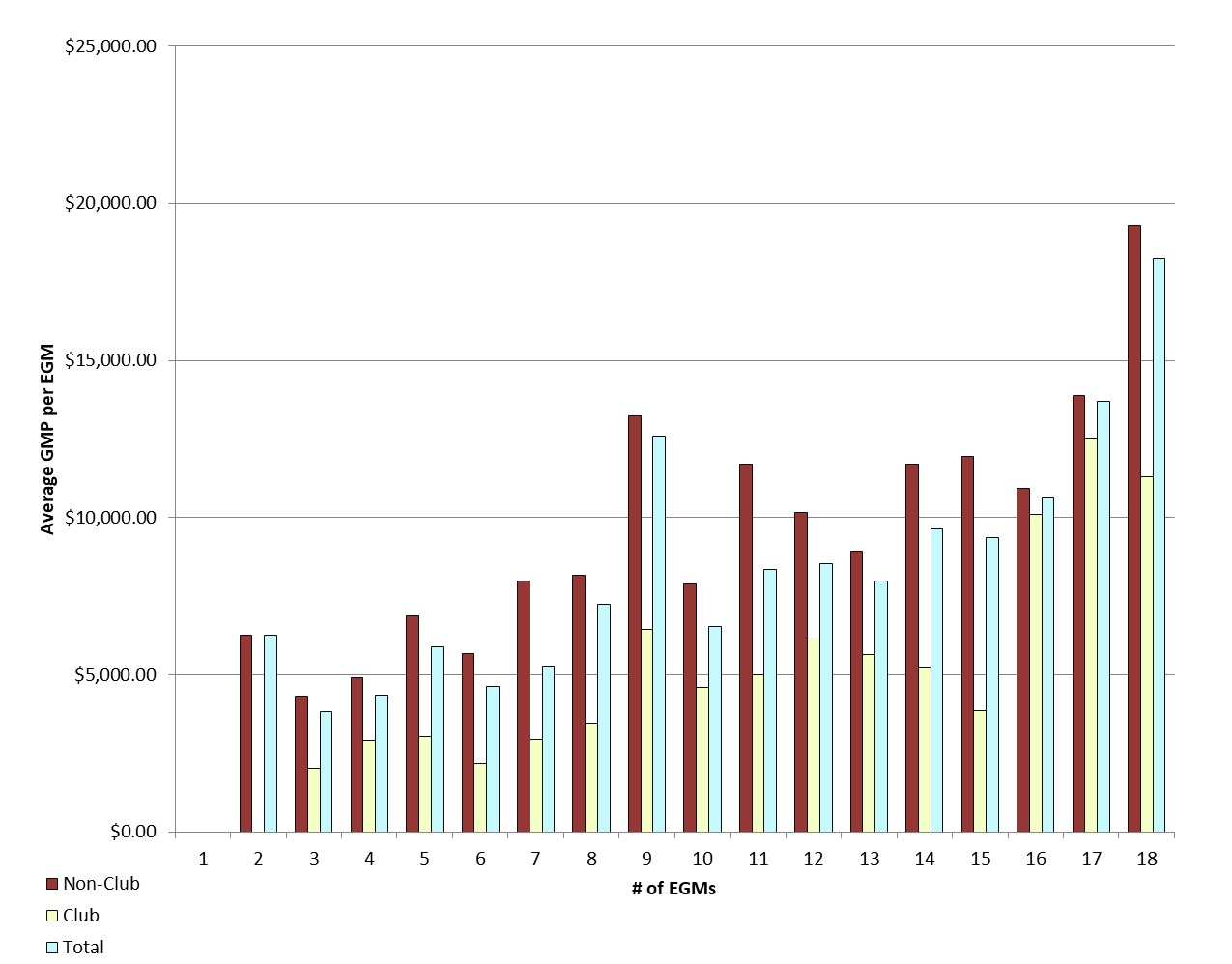
Average GMP per venue by number of EGMs at venue |  |  |  |  |  |  |  |  | Average GMP per EGM by number of EGMs at venue

GMP by Class of Venue
REPORT 4: GMP by class of venue for quarter to 30 September 2018
The data is provided for all non-clubs and for clubs venues licensed as at 30/09/2018. Note data for venues that were not licensed at this date are excluded; therefore the total GMP may not match with the official figures.

Class of venue | Number of EGMs | Number of venues | Total GMP | Average per venue
Commerical | 3,984 | 315 | $55,033,947 | $174,711
TAB | 512 | 45 | $11,697,011 | $259,934
Tavern | 7,067 | 481 | $125,646,396 | $261,219
Restaurant | 595 | 45 | $11,684,414 | $259,654
Other Commercial Premises | 153 | 11 | $2,333,950 | $212,177
Ten Pin Bowling | 135 | 10 | $3,397,902 | $339,790
Non-commercial - Commercial Club | 955 | 70 | $7,669,897 | $109,570
Non-commercial - RSA Club | 819 | 66 | $5,836,897 | $88,438
Non-commercial - Other Sports Club | 349 | 36 | $3,019,240 | $83,868
Non-commercial - Workingmen's Club | 298 | 17 | $3,236,100 | $190,359
Non-commercial - Cosmopolitan Club | 382 | 25 | $4,142,056 | $165,682
Other Non-Commercial Premises | 93 | 9 | $1,256,111 | $139,568
Grand Total | 15,342 | 1,130 | $234,953,921 | $207,924

Average GMP per venue for quarter to 30 September 2018
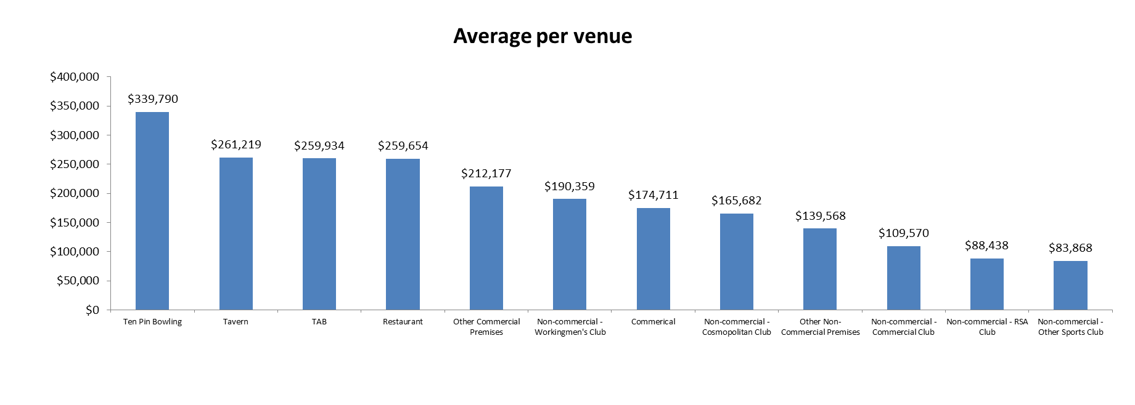

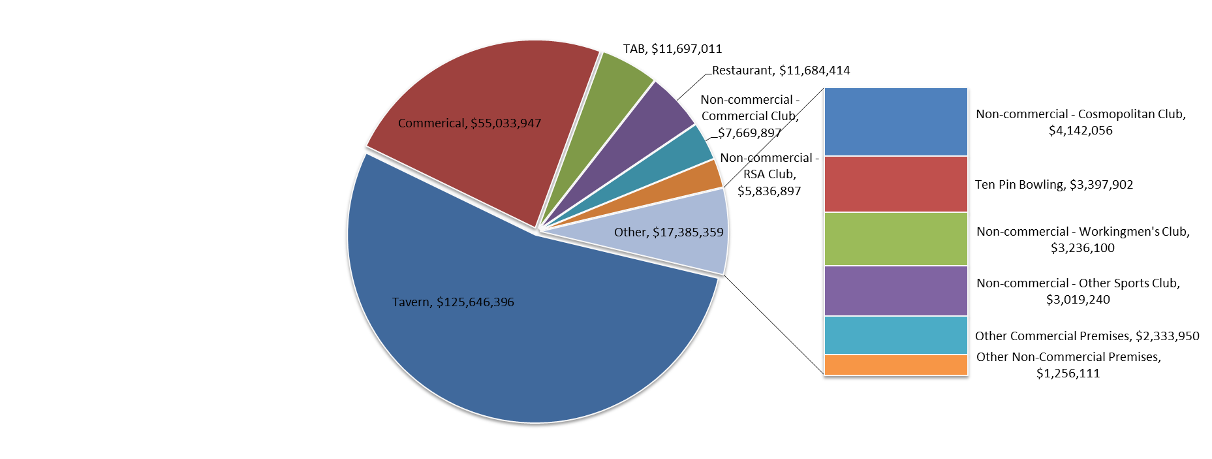
Share of total GMP for each type of venue for quarter to 30 September 2018

