GMP per Venue
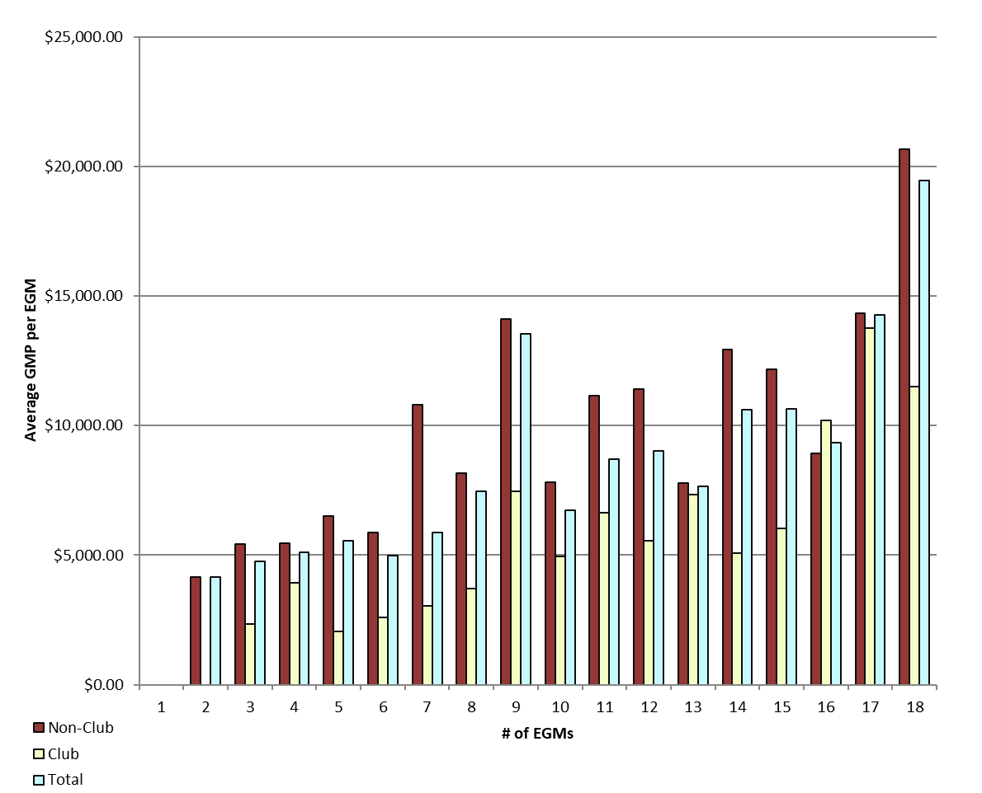
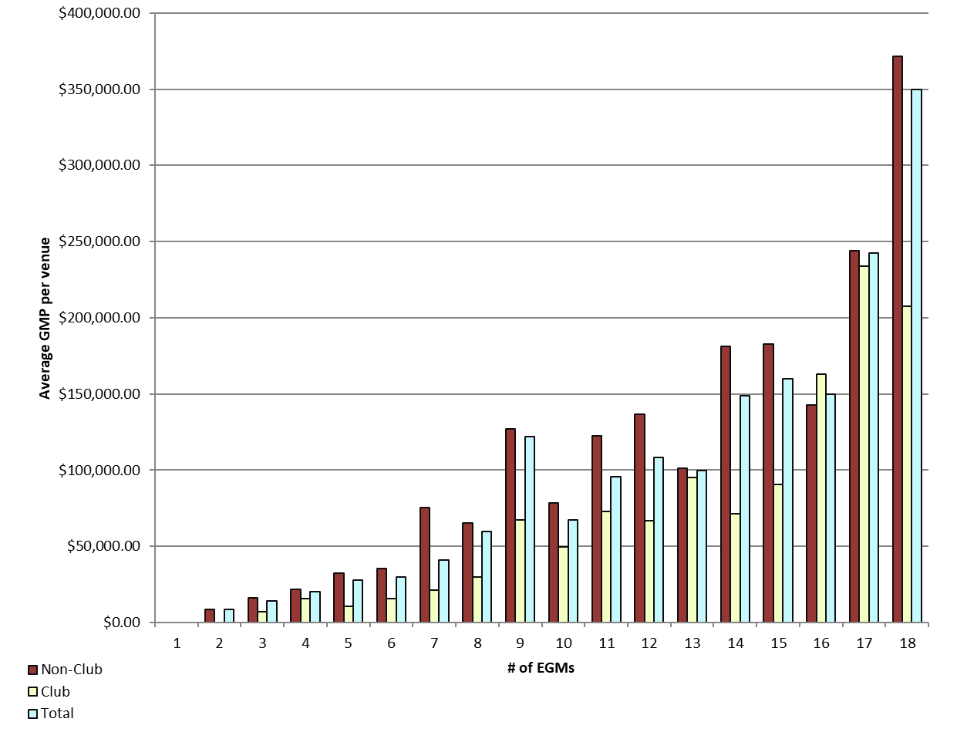
REPORT 3: GMP by number of machines at venue for quarter to 30 September 2019

The data provided below shows, for all class 4 venues, GMP by number of machines. The data is provided for all machines, and for non-clubs and for clubs venues licensed as at 30/09/2019. Data for venues that were not licensed at this date are excluded;
therefore the total GMP may not match with the official figures. Note that range and median GMP data is not provided for groups of fewer than 3 venues, as this would reveal GMP for individual venues.

 |  | 1 |  |  | 2 |  |  | 3 |  |  | 4 |  |  | 5
 |  | Total | Club | Non-Club | Total | Club | Non-Club | Total | Club | Non-Club | Total | Club | Non-Club | Total | Club | Non-Club
# venues |  | 0 | 0 | 0 | 5 | 0 | 5 | 18 | 4 | 14 | 17 | 4 | 13 | 23 | 5 | 18
Range | Min |  |  |  | $1,571.97 |  | $1,571.97 | $1,114.98 | $1,114.98 | $3,887.76 | $6,419.83 | $10,337.18 | $6,419.83 | $1,341.70 | $6,522.86 | $1,341.70
 | Max |  |  |  | $20,947.20 |  | $20,947.20 | $29,409.08 | $15,021.64 | $29,409.08 | $44,462.00 | $23,076.74 | $44,462.00 | $87,626.20 | $19,110.20 | $87,626.20
Average per venue |  |  |  |  | $8,311.74 |  | $8,311.74 | $14,239.69 | $7,062.83 | $16,290.22 | $20,409.73 | $15,787.55 | $21,831.94 | $27,704.31 | $10,338.82 | $32,528.06
Total EGMs |  | 0 | 0 | 0 | 10 | 0 | 10 | 54 | 12 | 42 | 68 | 16 | 52 | 115 | 25 | 90
Average per machine |  |  |  |  | $4,155.87 |  | $4,155.87 | $4,746.56 | $2,354.28 | $5,430.07 | $5,102.43 | $3,946.89 | $5,457.99 | $5,540.86 | $2,067.76 | $6,505.61

 |  | 6 |  |  | 7 |  |  | 8 |  |  | 9 |  |  | 10
 |  | Total | Club | Non-Club | Total | Club | Non-Club | Total | Club | Non-Club | Total | Club | Non-Club | Total | Club | Non-Club
# venues |  | 37 | 10 | 27 | 33 | 21 | 12 | 32 | 5 | 27 | 196 | 17 | 179 | 26 | 10 | 16
Range | Min | $7,815.78 | $8,115.23 | $7,815.78 | $5,075.50 | $5,075.50 | $20,530.65 | $17,023.06 | $17,023.06 | $25,796.29 | $0.00 | $10,500.34 | $0.00 | $16,562.11 | $19,882.38 | $16,562.11
 | Max | $89,266.32 | $32,686.02 | $89,266.32 | $391,242.35 | $53,944.48 | $391,242.35 | $266,020.55 | $60,936.12 | $266,020.55 | $521,374.80 | $214,887.14 | $521,374.80 | $158,986.13 | $120,949.87 | $158,986.13
Average per venue |  | $29,877.11 | $15,506.18 | $35,199.68 | $41,060.00 | $21,365.91 | $75,524.64 | $59,710.31 | $29,581.11 | $65,289.79 | $121,822.33 | $67,222.28 | $127,007.81 | $67,235.16 | $49,550.67 | $78,287.97
Total EGMs |  | 222 | 60 | 162 | 231 | 147 | 84 | 256 | 40 | 216 | 1,764 | 153 | 1,611 | 260 | 100 | 160
Average per machine |  | $4,979.52 | $2,584.36 | $5,866.61 | $5,865.71 | $3,052.27 | $10,789.23 | $7,463.79 | $3,697.64 | $8,161.22 | $13,535.81 | $7,469.14 | $14,111.98 | $6,723.52 | $4,955.07 | $7,828.80

 |  | 11 |  |  | 12 |  |  | 13 |  |  | 14 |  |  | 15
 |  | Total | Club | Non-Club | Total | Club | Non-Club | Total | Club | Non-Club | Total | Club | Non-Club | Total | Club | Non-Club
# venues |  | 11 | 6 | 5 | 37 | 15 | 22 | 9 | 2 | 7 | 34 | 10 | 24 | 24 | 6 | 18
Range | Min | $30,828.45 | $30,828.45 | $103,961.97 | $0.00 | $0.00 | $0.00 | $24,088.47 |  | $24,088.47 | $21,480.26 | $21,480.26 | $75,160.86 | $15,251.64 | $50,264.49 | $15,251.64
 | Max | $191,831.05 | $191,831.05 | $165,776.70 | $446,978.10 | $155,838.84 | $446,978.10 | $150,123.47 |  | $150,123.47 | $338,590.77 | $144,738.32 | $338,590.77 | $358,790.42 | $132,076.67 | $358,790.42
Average per venue |  | $95,565.32 | $73,039.59 | $122,596.19 | $108,342.84 | $66,607.11 | $136,799.02 | $99,686.83 |  | $100,957.17 | $148,705.97 | $71,194.53 | $181,002.40 | $159,664.31 | $90,525.17 | $182,710.68
Total EGMs |  | 121 | 66 | 55 | 444 | 180 | 264 | 117 | 26 | 91 | 476 | 140 | 336 | 360 | 90 | 270
Average per machine |  | $8,687.76 | $6,639.96 | $11,145.11 | $9,028.57 | $5,550.59 | $11,399.92 | $7,668.22 |  | $7,765.94 | $10,621.85 | $5,085.32 | $12,928.74 | $10,644.29 | $6,035.01 | $12,180.71

 |  | 16 |  |  | 17 |  |  | 18 |  |  | 18+
 |  | Total | Club | Non-Club | Total | Club | Non-Club | Total | Club | Non-Club | Total | Club | Non-Club
# venues |  | 15 | 5 | 10 | 9 | 1 | 8 | 544 | 72 | 472 | 8 | 8 | 0
Range | Min | $0.22 | $59,756.38 | $0.22 | $0.00 |  | $0.00 | $0.00 | $21,263.42 | $0.00 | $72,417.01 | $72,417.01
 | Max | $316,456.19 | $304,247.92 | $316,456.19 | $378,596.21 |  | $378,596.21 | $1,355,746.67 | $1,131,165.46 | $1,355,746.67 | $1,053,924.30 | $1,053,924.30
Average per venue |  | $149,642.84 | $163,116.68 | $142,905.93 | $242,657.37 |  | $243,758.18 | $349,920.58 | $207,274.11 | $371,680.21 | $378,778.92 | $378,778.92
Total EGMs |  | 240 | 80 | 160 | 153 | 17 | 136 | 9,792 | 1,296 | 8,496 | 211 | 211
Average per machine |  | $9,352.68 | $10,194.79 | $8,931.62 | $14,273.96 |  | $14,338.72 | $19,440.03 | $11,515.23 | $20,648.90 | $14,361.29 | $14,361.29

21 |  | TOTAL
 |  | Total | Club | Non-Club
# venues |  | 1,080 | 201 | 879
Range | Min | $- | $- | $-
 | Max | $1,355,746.67 | $1,131,165.46 | $1,355,746.67
Average per venue |  | $225,909.77 | $121,489.33 | $249,787.48
Total EGMs |  | 14,894 | 2,659 | 12,235
Average per machine |  | $16,381.26 | $9,183.66 | $17,945.50

Average GMP per venue by number of EGMs at venue |  |  |  |  |  |  |  |  | Average GMP per EGM by number of EGMs at venue

GMP by Class of Venue
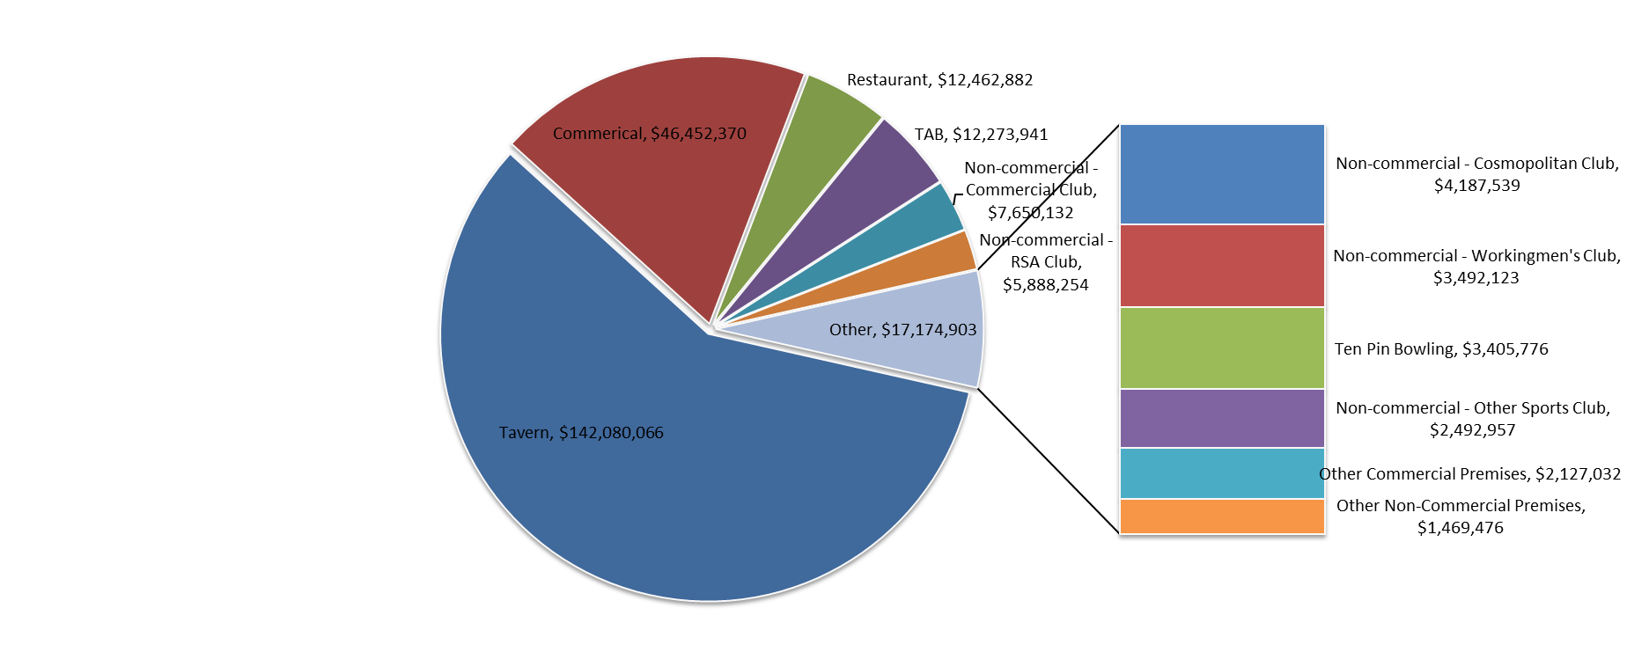
REPORT 4: GMP by class of venue for quarter to 30 September 2019
The data is provided for all non-clubs and for clubs venues licensed as at 30/09/2019. Note data for venues that were not licensed at this date are excluded; therefore the total GMP may not match with the official figures.

Class of venue | Number of EGMs | Number of venues | Total GMP | Average per venue
Commerical | 3,318 | 260 | $46,452,370 | $178,663
TAB | 512 | 45 | $12,273,941 | $272,754
Tavern | 7,436 | 502 | $142,080,066 | $283,028
Restaurant | 646 | 49 | $12,462,882 | $254,345
Other Commercial Premises | 130 | 9 | $2,127,032 | $236,337
Ten Pin Bowling | 135 | 9 | $3,405,776 | $378,420
Non-commercial - Commercial Club | 926 | 67 | $7,650,132 | $114,181
Non-commercial - RSA Club | 777 | 61 | $5,888,254 | $96,529
Non-commercial - Other Sports Club | 261 | 28 | $2,492,957 | $89,034
Non-commercial - Workingmen's Club | 298 | 17 | $3,492,123 | $205,419
Non-commercial - Cosmopolitan Club | 353 | 23 | $4,187,539 | $182,067
Other Non-Commercial Premises | 102 | 10 | $1,469,476 | $146,948
Grand Total | 14,894 | 1,080 | $243,982,548 | $225,910

Average GMP per venue for quarter to 30 September 2019
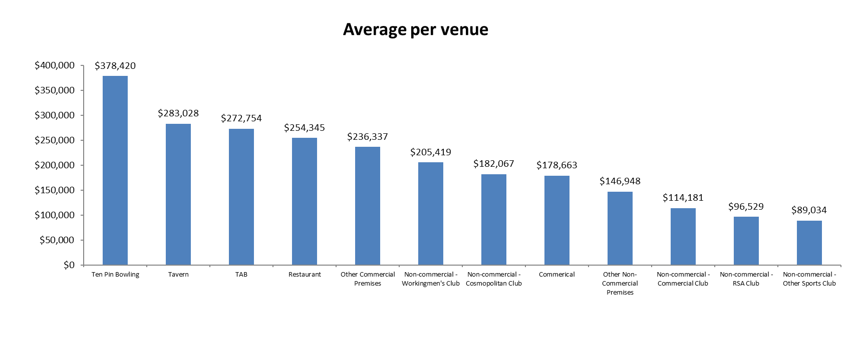

Share of total GMP for each type of venue for quarter to 30 September 2019

