GMP per Venue
REPORT 3: GMP by number of machines at venue for quarter to 31 March 2015

The data provided below shows, for all class 4 venues, GMP by number of machines. The data is provided for all machines, and for non-clubs and for clubs venues licensed as at 31/03/15. Data for venues that were not licensed at this date are excluded; therefore the total GMP may not match with the official figures. Note that range and median GMP data is not provided for groups of fewer than 3 venues, as this would reveal GMP for individual venues.

 |  | 1 |  |  | 2 |  |  | 3 |  |  | 4 |  |  | 5
 |  | Total | Club | Non-Club | Total | Club | Non-Club | Total | Club | Non-Club | Total | Club | Non-Club | Total | Club | Non-Club
# venues |  | 0 | 0 | 2 | 23 | 6 | 17 | 35 | 12 | 23 | 38 | 12 | 26 | 38 | 13 | 25
Range | Min | $0.00 |  |  | $0.00 | $0.00 | $0.00 | $1,025.68 | $1,025.68 | $1,712.28 | $1,983.00 | $1,983.00 | $4,548.84 | $0.00 | $0.00 | $0.00
 | Max | $0.00 |  |  | $43,414.76 | $5,841.32 | $43,414.76 | $27,686.46 | $15,900.40 | $27,686.46 | $38,506.14 | $32,211.52 | $38,506.14 | $60,869.80 | $21,187.46 | $60,869.80
Average per venue |  | $0.00 |  |  | $7,390.24 | $3,218.56 | $8,862.60 | $12,732.99 | $7,516.34 | $15,454.72 | $14,873.36 | $14,397.57 | $15,092.95 | $20,567.03 | $9,364.22 | $26,392.49
Total EGMs |  | 0 |  |  | 46 | 12 | 34 | 105 | 36 | 69 | 152 | 48 | 104 | 190 | 65 | 125
Average GMP per venue for quarter to December 2010 |  | $0.00 |  |  | $3,695.12 | $1,609.28 | $4,431.30 | $4,244.33 | $2,505.45 | $5,151.57 | $3,718.34 | $3,599.39 | $3,773.24 | $4,113.41 | $1,872.84 | $5,278.50

 |  | 6 |  |  | 7 |  |  | 8 |  |  | 9 |  |  | 10
 |  | Total | Club | Non-Club | Total | Club | Non-Club | Total | Club | Non-Club | Total | Club | Non-Club | Total | Club | Non-Club
# venues |  | 48 | 17 | 31 | 27 | 7 | 20 | 40 | 17 | 23 | 223 | 25 | 198 | 29 | 12 | 17
Range | Min | $2,817.66 | $2,817.66 | $10,049.57 | $4,290.58 | $8,301.68 | $4,290.58 | $6,877.62 | $6,877.62 | $14,236.96 | $4,235.80 | $13,862.05 | $4,235.80 | $4,748.08 | $4,748.08 | $35,146.91
 | Max | $86,073.81 | $45,723.68 | $86,073.81 | $185,387.34 | $40,842.38 | $185,387.34 | $199,385.94 | $67,003.32 | $199,385.94 | $365,015.09 | $188,417.33 | $365,015.09 | $155,950.18 | $103,650.11 | $155,950.18
Average per venue |  | $30,557.19 | $15,823.93 | $38,636.72 | $40,518.08 | $24,085.18 | $46,269.60 | $43,361.22 | $28,154.01 | $54,601.34 | $93,275.99 | $51,182.20 | $98,590.87 | $63,066.22 | $40,236.84 | $79,181.08
Total EGMs |  | 288 | 102 | 186 | 189 | 49 | 140 | 320 | 136 | 184 | 2,007 | 225 | 1,782 | 290 | 120 | 170
Average per machine |  | $5,092.87 | $2,637.32 | $6,439.45 | $5,788.30 | $3,440.74 | $6,609.94 | $5,420.15 | $3,519.25 | $6,825.17 | $10,364.00 | $5,686.91 | $10,954.54 | $6,306.62 | $4,023.68 | $7,918.11

 |  | 11 |  |  | 12 |  |  | 13 |  |  | 14 |  |  | 15
 |  | Total | Club | Non-Club | Total | Club | Non-Club | Total | Club | Non-Club | Total | Club | Non-Club | Total | Club | Non-Club
# venues |  | 11 | 5 | 6 | 49 | 20 | 29 | 10 | 4 | 6 | 41 | 13 | 28 | 23 | 6 | 17
Range | Min | $29,549.74 | $29,549.74 | $78,994.13 | $3,060.98 | $3,060.98 | $26,182.92 | $36,170.67 | $36,170.67 | $73,281.68 | $20,971.35 | $20,971.35 | $76,116.28 | $42,406.24 | $42,406.24 | $44,337.16
 | Max | $123,334.78 | $71,062.39 | $123,334.78 | $190,878.31 | $155,807.55 | $190,878.31 | $156,031.89 | $110,479.39 | $156,031.89 | $288,299.81 | $121,125.28 | $288,299.81 | $353,088.71 | $115,783.58 | $353,088.71
Average per venue |  | $79,379.85 | $50,386.50 | $103,540.98 | $77,073.92 | $54,646.32 | $92,541.23 | $85,993.99 | $63,391.68 | $101,062.19 | $116,851.54 | $65,045.71 | $140,904.25 | $130,793.57 | $71,298.39 | $151,791.87
Total EGMs |  | 121 | 55 | 66 | 588 | 240 | 348 | 130 | 52 | 78 | 574 | 182 | 392 | 345 | 90 | 255
Average per machine |  | $7,216.35 | $4,580.59 | $9,412.82 | $6,422.83 | $4,553.86 | $7,711.77 | $6,614.92 | $4,876.28 | $7,774.01 | $8,346.54 | $4,646.12 | $10,064.59 | $8,719.57 | $4,753.23 | $10,119.46

 |  |  |  |  |  |  |  |  |  |  |  |  |  |  |  |  | DO NOT DELETE
 |  | 16 |  |  | 17 |  |  | 18 |  |  | 18+ |  |  |  |  |  | 19 | 20
 |  | Total | Club | Non-Club | Total | Club | Non-Club | Total | Club | Non-Club | Total | Club | Non-Club
# venues |  | 24 | 9 | 15 | 7 | 1 | 6 | 590 | 96 | 494 | 5 | 5
Range | Min | $32,066.78 | $58,182.81 | $32,066.78 | $99,409.76 |  | $99,409.76 | $0.00 | $7,541.97 | $0.00 | 341,869 | $341,868.79
 | Max | $265,035.03 | $189,703.60 | $265,035.03 | $297,379.42 |  | $297,379.42 | $829,193.23 | $829,193.23 | $812,038.66 | 842,971 | $842,971.03
Average per venue |  | $128,438.00 | $107,385.53 | $141,069.48 | $182,327.20 |  | $184,753.59 | $244,437.78 | $158,093.00 | $261,217.33 | 530,261 | $530,260.80
Total EGMs |  | 384 | 144 | 240 | 119 |  | 102 | 10,620 | 1,728 | 8,892 | 120 | 120
Average per machine |  | $8,027.37 | $6,711.60 | $8,816.84 | $10,725.13 |  | $10,867.86 | $13,579.88 | $8,782.94 | $14,512.07 | $17,675.36 | $17,675.36

21 |  | TOTAL
 |  | Total | Club | Non-Club
# venues |  | 1,277 | 280 | 997
Range | Min | $0.00 | $0.00 | $0.00
 | Max | $842,971.03 | $842,971.03 | $812,038.66
Average per venue |  | $150,105.47 | $87,930.91 | $169,072.30
Total EGMs |  | 16,614 | 3,445 | 13,169
Average per machine |  | $11,627.89 | $7,146.78 | $12,800.14

Average GMP per venue by number of EGMs at venue |  |  |  |  |  |  |  |  | Average GMP per EGM by number of EGMs at venue
 | Non-Club | Club | Total
1 | $0.00 | $0.00 | $0.00
2 | $8,862.60 | $3,218.56 | $7,390.24
3 | $15,454.72 | $7,516.34 | $12,732.99
4 | $15,092.95 | $14,397.57 | $14,873.36
5 | $26,392.49 | $9,364.22 | $20,567.03
6 | $38,636.72 | $15,823.93 | $30,557.19
7 | $46,269.60 | $24,085.18 | $40,518.08
8 | $54,601.34 | $28,154.01 | $43,361.22
9 | $98,590.87 | $51,182.20 | $93,275.99
10 | $79,181.08 | $40,236.84 | $63,066.22
11 | $103,540.98 | $50,386.50 | $79,379.85
12 | $92,541.23 | $54,646.32 | $77,073.92
13 | $101,062.19 | $63,391.68 | $85,993.99
14 | $140,904.25 | $65,045.71 | $116,851.54
15 | $151,791.87 | $71,298.39 | $130,793.57
16 | $141,069.48 | $107,385.53 | $128,438.00
17 | $184,753.59 | $0.00 | $182,327.20
18 | $261,217.33 | $158,093.00 | $244,437.78
 | Non-Club | Club | Total
1 | $0.00 | $0.00 | $0.00
2 | $4,431.30 | $1,609.28 | $3,695.12
3 | $5,151.57 | $2,505.45 | $4,244.33
4 | $3,773.24 | $3,599.39 | $3,718.34
5 | $5,278.50 | $1,872.84 | $4,113.41
6 | $6,439.45 | $2,637.32 | $5,092.87
7 | $6,609.94 | $3,440.74 | $5,788.30
8 | $6,825.17 | $3,519.25 | $5,420.15
9 | $10,954.54 | $5,686.91 | $10,364.00
10 | $7,918.11 | $4,023.68 | $6,306.62
11 | $9,412.82 | $4,580.59 | $7,216.35
12 | $7,711.77 | $4,553.86 | $6,422.83
13 | $7,774.01 | $4,876.28 | $6,614.92
14 | $10,064.59 | $4,646.12 | $8,346.54
15 | $10,119.46 | $4,753.23 | $8,719.57
16 | $8,816.84 | $6,711.60 | $8,027.37
17 | $10,867.86 | $0.00 | $10,725.13
18 | $14,512.07 | $8,782.94 | $13,579.88

GMP by Class of Venue
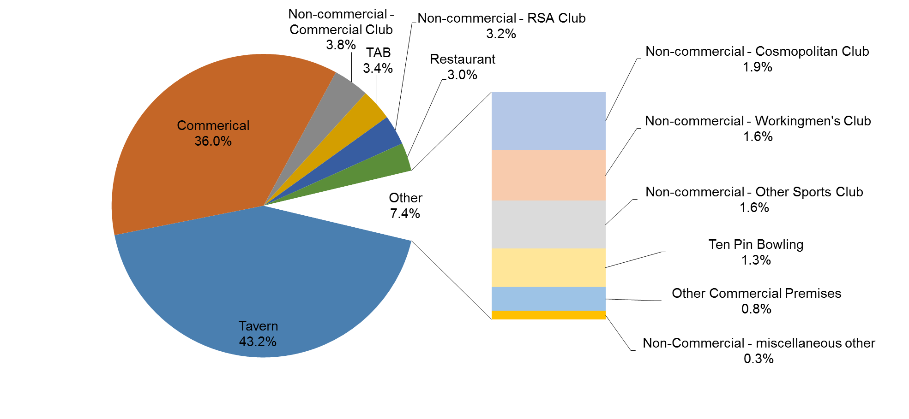
REPORT 4: GMP by class of Venue for quarter to 31 March 2015
The data is provided for all non-clubs and for clubs venues licensed as at 31/03/15. Note data for venues that were not licensed at this date are excluded; therefore the total GMP may not match with the official figures.

Class of venue | Number of EGMs | Number of venues | Total GMP | Average per venue
Commerical | 5,979 | 470 | 69,553,080 | $147,985.28 | Commerical
TAB | 386 | 35 | 6,480,963 | $185,170.36 | TAB
TAVERN | 6,108 | 439 | 83,415,872 | $190,013.38 | TAVERN
RESTAURANT | 450 | 33 | 5,811,921 | $176,118.81 | RESTAURANT
OTHER COMMERCIAL PREMISES | 128 | 11 | 1,488,447 | $135,313.38 | OTHER COMMERCIAL PREMISES
TEN PIN BOWLING | 153 | 11 | 2,432,497 | $221,136.05 | TEN PIN BOWLING
Non-commercial - Commercial Club | 1,164 | 92 | 7,392,227 | $80,350.30 | Non-commercial - Commercial Club
Non-commercial - RSA Club | 997 | 76 | 6,178,345 | $81,294.01 | Non-commercial - RSA Club
Non-commercial - Other Sports Club | 474 | 61 | 3,004,687 | $49,257.16 | Non-commercial - Other Sports Club
Non-commercial - Workingmen's Club | 294 | 17 | 3,165,934 | $186,231.40 | Non-commercial - Workingmen's Club
Non-commercial - Cosmopolitan Club | 415 | 26 | 3,700,296 | $142,319.09 | Non-commercial - Cosmopolitan Club
Non-commercial - Bowling Club | 16 | 2 | 23,488 | $11,743.89
Non commercial - Other Non-Commercial Premises | 44 | 3 | 524,757 | $174,918.84
Non-commercial - Golf Club | 6 | 1 | 13,224 | $13,223.68
Grand Total | 16,614 | 1,277 | 193,185,735 | $151,280.92

Average GMP per Venue for quarter to 31 March 2015

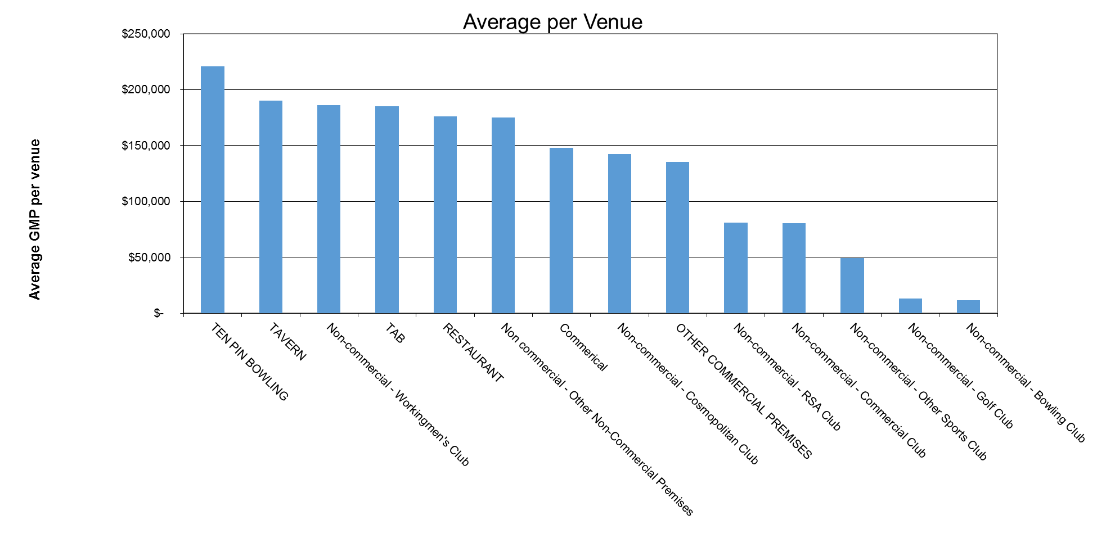

Share of total GMP for each type of Venue for quarter to 31 March 2015

