Competitor Analysis Template
Incredible Connection Gaming Accessory Analysis |  |  |  |  |  |  |  |  |  | Jun-26
Buyer / Account
Racing shifters
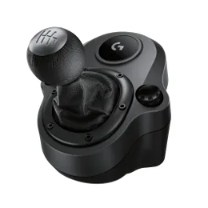 |  | 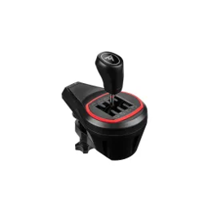 |  | 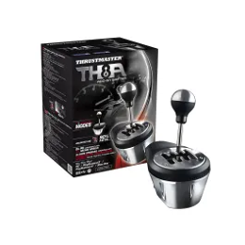
Logitech Driving Force Shifter |  | Thrustmaster TH8S Racing Shifter |  | Thrustmaster TH8A Add-on Shifter
10119465 |  | 10301688 |  | 10282109
Everyday pricing | Product on promo? | Everyday pricing | Product on promo? | Everyday pricing | Product on promo?
 | Yes |  | No |  | Yes
R1 099 | R999 | R2 199 | N/A | R3 999 | R1 999
Six-speed shifter |  | Realistic shift feel |  | Works on various Thrustmaster wheels
Push-down reverse |  | Compatible with Thrustmaster wheels |  | 100% metal internal mechanism
Leather knob cover and boot |  | Adjustable sequential mode |  | Contactless magnetic sensor
Steel shaft |  | Precise H-pattern gearbox |  | H-pattern modes
2 Year Warranty |  | Easy installation |  | Sequential modes

Racing wheels
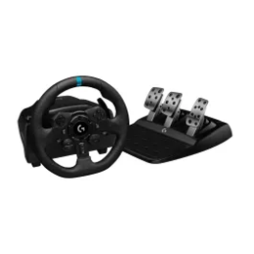 |  |  |  | 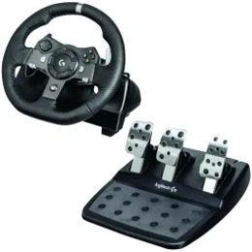 |  | 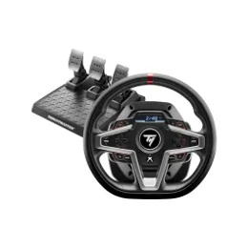 |  | 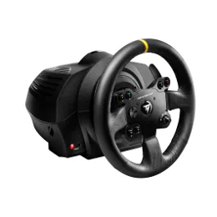
Logitech G923 Racing Wheel PS4, PS5 And PC |  | Logitech G923 Racing Wheel Xbox + PC |  | Logitech G920 Racing Wheel for Xbox Series X|S, Xbox One™ and PC |  | Thrustmaster T248 for Xbox & PC |  | Thrustmaster TX Leather for Xbox & PC
10267109 |  | 10267127 |  | 10119464 |  | 10282126 |  | 10282127
Everyday pricing | Product on promo? | Everyday pricing | Product on promo? | Everyday pricing | Product on promo? | Everyday pricing | Product on promo? | Everyday pricing | Product on promo?
 | Yes |  | No |  | Yes |  | No |  | No
R7 499 | R6 499 | R7 499 | N/A | R7 899 | R5 899 | R8 999 | N/A | R9 999 | N/A
Next-gen force feedback TRUEFORCE |  | Next-gen force feedback TRUEFORCE |  | Dual-Motor force feedback |  | Works On Xbox Series S|X, Xbox One & PC |  | Works on Xbox series S|X, Xbox One & PC
Crafted with premium materials |  | Brushed- metal wheel |  | Self-calibrating |  | Dashboard Display |  | Smooth sessions with no dead zones
Built-in LED lights RPM range display |  | Hand stitched leather wheel cover |  | Xbox one and PC |  | Dynamic Force Feedback |  | Responsive and realistic
24- point selection dial |  | LED lights for RPM range display |  | Hall-effect steering sensor |  | 25 Action Buttons |  | Rotation angle adjustable Up To 900°
Adjust torque, stability & alignment |  | Progressive brake pedal |  | 900 rotation |  | New Hybrid System |  | Smooth and seamless force feedback

