README
ELS file creator
Created by Jens M Hebisch

The sheet "els_creator" and macro in this workbook allow the automatic generation of els files and templates.
To copy this tool into an existing workbook, copy the sheet titled "els_creator" and the Class Module "Column".

How to use

1.) | Set up the sheet.
 | All input cells have blue background and white font.
 | The Data table can be extended/contracted downward and to the right.

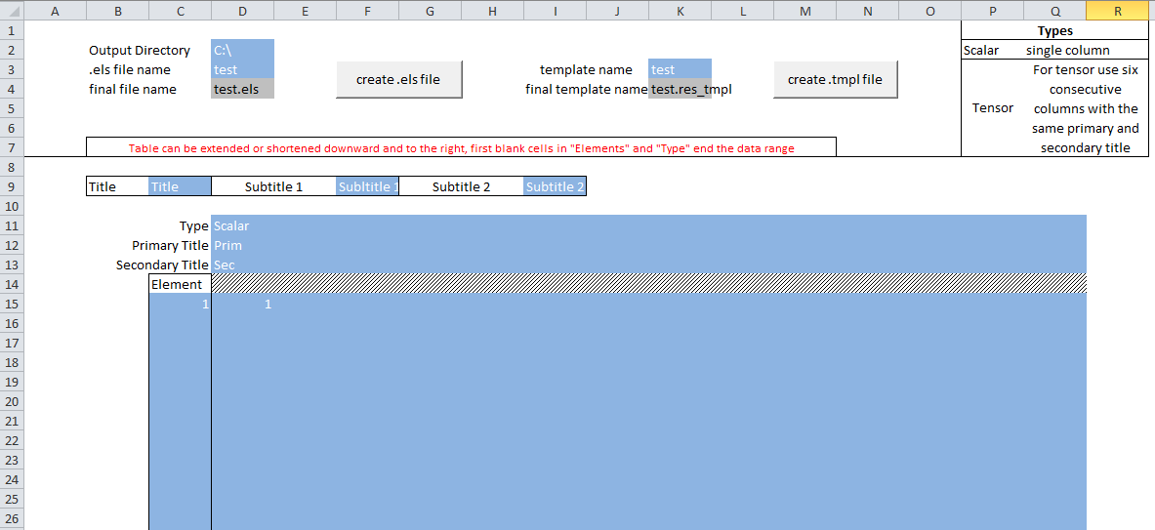

Extend columns and rows.
It is recommended to extend the range by dragging the last row/column, to maintain the formatting.

 | The first empty cell in the Elements column and the first empty cell in the Type row limit the output range.
 | All cells in the output range and all general cells must contain content.

2.) | Generate the .els file by clicking the "create .els file" button
3.) | Generate the template file by pressing the "create .tmpl file" button
4.) | To import the results file in Patran:
 | (This has been tested for Patran 2012) |  | 1) Switch To "Results"
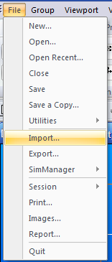
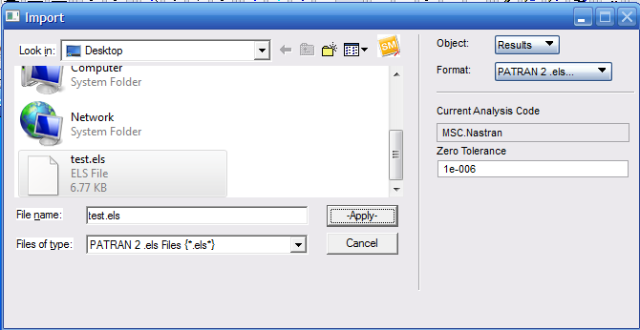
 |  |  |  | 2) When Switching to PATRAN 2 .els…
 |  |  |  | A selection window comes up.
 |  |  |  | Select the template file.

 |  | 3) Select the els file, then click "Apply"

5.) | A new subcase should appear in the "Results" tab
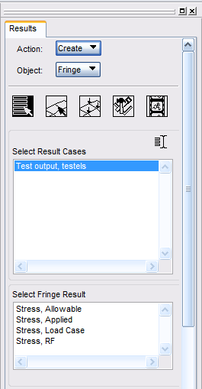

 | You can now create plots as with any other load case.

Validation
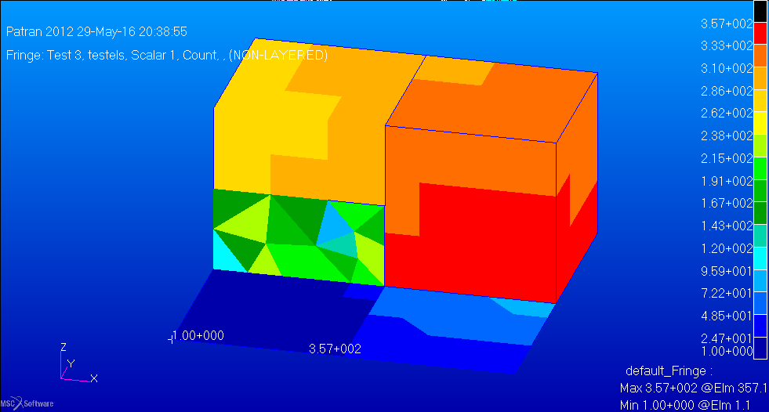
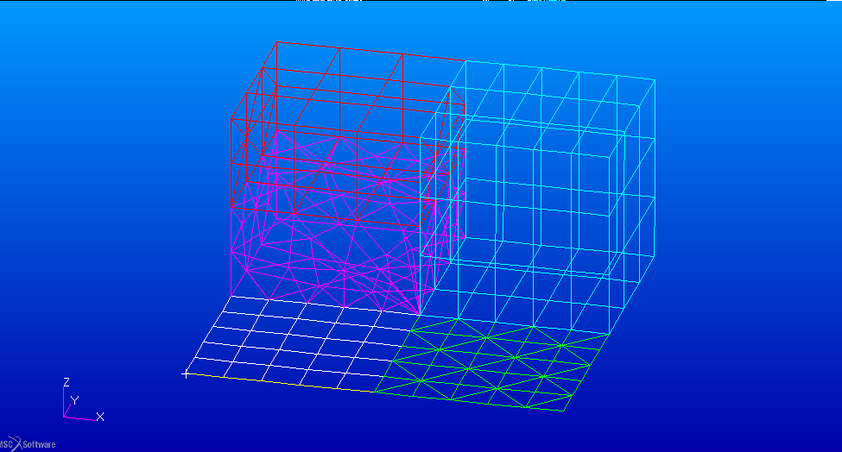
Check 1: Correct Values are output (single column)

Test setup: 50 element plate with 8 digit IDs starting from 1000000.
One column with numbers 1 to 50.
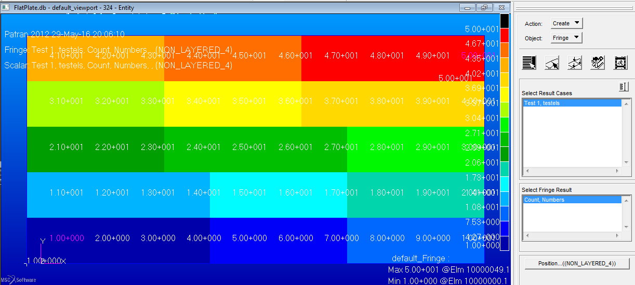

Displayed Numbers are same as input numbers. Test Success.

Check 2: Scalar followed by Tensor, followed by scalar followed by Tensor

Test setup: 50 element plate with 8 digit IDs starting from 1000000.
Multiple Colums with random values, Scalar and Tensor output
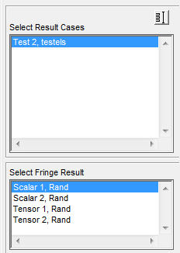

Patran shows two scalar and two Tensor results as set up. Test Success.

Check 3: Ouput for multiple Element Types

Test setup: Different Element Types in one model (Quads, Trias, Wedge, Hex, Tet, Bar)

