ASIH40-B39-4513 datasheet
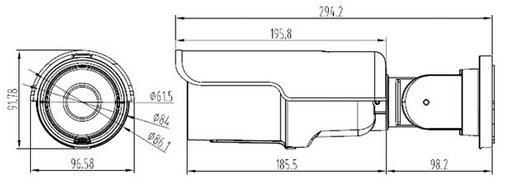 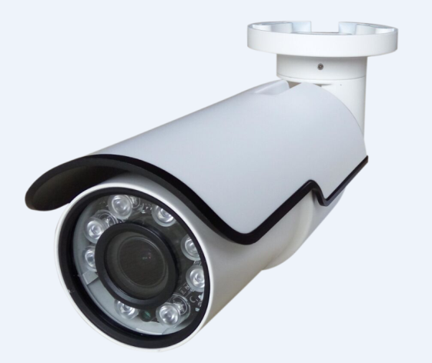
5.0MP HD network Motorized 5X Waterproof IR Bullet Camera
Technical
Camera: 1/2.7" 5.0 Megapixels Progressive Scan SC5235 CMOS, MSC316DM Chipset, the highest resolution of 2560X1920, 0.01 Lux@F1.2 (color); 0 Lux@F1.2 (With IR ON); TF card slot, IR - CUT (day/night), H.264 or H.265 video coding, double stream, ONVIF 2.4, be compatible many NVR and platform management software. Key Features: 1.1/2.7" 5.0 Megapixels Progressive Scan SC5235 CMOS 2.Support target count, object left/lost,area detection,tripwire 2.Max 25/30fps@5.0 Megapixels (2560x1920) 3.H.264/H.265 & MJPEG dual-stream encoding 4.Privacy Mask, Motion Detection 5 Support Onvif 2.4 protocol 6.2.7-13.5mm motorized lens, IR Distance 40M 7.TF Card Slot,Digital WDR, 2D/3D noise reduction, AWB, AGC, BLC. 8.NVR Compatible:Hikvision DaHua &the NVR With onvif Protocols 9.POE function 10.IP66 rating
Form parameters
Mode | Name and Description | ASIH40-B39-4513 5.0MP HD network Motorized 5X waterproof IR Bullet Camera
 |  | ASIH40-B39-4513
Camera Specification | Media Processor | MSC316DM + SC5235 CMOS
 | Image Sensor | 1/2.7" 5.0 Megapixels Progressive Scan SC5235 CMOS
 | Effective Pixels | 2560(H)x1920(V)
 | Electronic Shutter Speed | Auto (1/25 ~ 1/10000s)
 | Min. Illumination | 0.01 Lux@F1.2 (color), 0 Lux@F1.2 (With IR ON)
 | S/N Ratio | ≥50db(AGC OFF)
 | Lens Specifications | 2.7-13.5mm motorized lens, auto focus
 | Zoom | 5X optical
 | Day/Night Mode | Auto,dual IR-Cut filter
 | IR Distance | 40m (8pcs Array IR LEDs)
 | WDR Dynamic Range | Digital WDR
 | White Balance | Auto
 | Gain Control | Auto
 | Digital Denoise | 3D Digital Denoise
Compression | Compression | H.265/H.264/MJPEG
 | Resolution | 2560*1920/2560*1520/2048×1536//D1(704×576)/VGA(640*480)
 | Main Stream Frame | 2560X1920,(1 ~ 15fps) /2560*1520, (1 ~ 15fps) / 2048×1536(1 ~ 25fps)
 | Sub Stream Frame | D1(704×576)/VGA(640*480) (1 ~ 25/30fps)
 | Bit Rate | 32KB ~8Mbps; support VBR; CBR
 | Text Overlay | Channel; Date & Time; Bit Rate
Network | Data Storage | Video record; Picture format
 | Trigger | Manual; Automatic(motion detection; alarm; schedule; cycle )
 | Alarm data transmission | FTP; E-mail; Browser; CMS
 | Protocol | TCP/IP, UDP, DHCP, HTTP, HTTPS NTP, DNS, RTP, RTSP,P2P
 | ONVIF | ONVIF 2.4
 | Smart Phone | Danale (iPhone; iPad; Android)
Interface | Audio in | Support
 | Audio out | Support
 | BNC Video out | N/A
 | RS485 | Support
 | Alarm in | Support
 | Alarm out | Support
 | Memory Card | Max 128G TF Card
General Parameters | Operating Conditions | -20℃ ~ 55℃,Humidity less than95%(Non-condensing)
 | Power Supply | DC12V±10%/ PoE
 | Power Consumption | <10W
 | Weather proof rating | IP66
 | Installation | Equipped With Bracket
 | Dimensions(mm) | 294.2x96.58x91.78(mm)
 | Weight(kg) | 0.8kg

