Top 10 Make_Model
Count by Manufacturer
Manufacturer | Count
ford | 340
chevrolet | 273
toyota | 186
nissan | 114
ram | 106
jeep | 100
honda | 100
gmc | 87
volkswagen | 84
dodge | 70
bmw | 70
Grand Total | 1530

Count By Make/Model
Make/Model | Count of Make/Model
Ford F-150 | 29
Chevrolet Silverado 1500 | 27
Ram 2500 | 23
Ram 1500 | 22
Toyota Tacoma | 18
Volkswagen Jetta | 16
Nissan Altima | 15
Toyota Prius | 12
Chevrolet Silverado | 12
Ford Mustang | 11
Toyota Camry | 11
Grand Total | 196

Model vs Price
High Priced Segment vs Model Frequency
Price Segment | High

Row Labels | Count of Price Segment
Ram 2500 | 16
Chevrolet Silverado 1500 | 15
Ram 1500 | 12
Ford F-150 | 10
Jeep Wrangler Rubicon | 9
Grand Total | 62

Low Priced Segment vs Model Frequency
Price Segment | Low

Row Labels | Count of Price Segment
Ford F-150 | 5
. | 5
Ram 1500 | 3
Honda Accord | 3
Subaru Outback | 3
Toyota Camry | 3
Nissan Altima | 3
Honda Civic Lx | 3
Grand Total | 28

Manufacturer vs Price Segment
Manufacturers vs Price Segment
Count of Price Segment | Column Labels
Row Labels | High | Low | Mid | Grand Total
ford | 92 | 32 | 216 | 340
chevrolet | 95 | 18 | 160 | 273
toyota | 49 | 16 | 121 | 186
nissan | 14 | 9 | 91 | 114
ram | 68 | 4 | 34 | 106
honda | 15 | 10 | 75 | 100
jeep | 53 | 4 | 43 | 100
gmc | 47 | 3 | 37 | 87
volkswagen | 14 | 3 | 67 | 84
Grand Total | 447 | 99 | 844 | 1390

Condition vs Price Segment
Low Priced Vehicles Frequency by Condition
 | High | Low | Mid
good | 315 | 71 | 636
excellent | 64 | 21 | 324
like new | 42 | 1 | 77
fair |  | 21 | 11
new | 21 |  | 4
salvage |  | 3 | 3
Count of Condition | Column Labels
Row Labels | High | Low | Mid | Grand Total
good | 315 | 71 | 636 | 1022
excellent | 64 | 21 | 324 | 409
like new | 42 | 1 | 77 | 120
fair |  | 21 | 11 | 32
new | 21 |  | 4 | 25
salvage |  | 3 | 3 | 6
Grand Total | 442 | 117 | 1055 | 1614

Fuel vs Price Segment
Fuel Type Count in High and Low Price Segment
 | High | Low
diesel | 97 | 3
electric | 8
gas | 453 | 160
hybrid | 12 | 1
other | 148 | 1

Count of Price Segment | Column Labels
Row Labels | High | Low | Grand Total
diesel | 97 | 3 | 100
electric | 8 |  | 8
gas | 453 | 160 | 613
hybrid | 12 | 1 | 13
other | 148 | 1 | 149
Grand Total | 718 | 165 | 883

Low end vehicles are almost all gas
High end vehicles are mostly gas but there is a strong market for diesel vehicles in this segment advise targeting High End Diesel Buyers

High Priced Segment Fuel Breakdown
 | High | Low
diesel | 97 | 3
electric | 8
gas | 453 | 160
hybrid | 12 | 1
other | 148 | 1
Count of Price Segment | Column Labels
Row Labels | High | Grand Total
diesel | 97 | 97
electric | 8 | 8
gas | 453 | 453
hybrid | 12 | 12
other | 148 | 148
Grand Total | 718 | 718

Low Priced Segment Fuel Breakdown
Count of Price Segment | Column Labels
Row Labels | Low | Grand Total
diesel | 3 | 3
gas | 160 | 160
hybrid | 1 | 1
other | 1 | 1
Grand Total | 165 | 165

Avg Odometer by Price Segment
Average Mileage By Price Segment
Row Labels | Average of Odometer
High | 45,495
Low | 154,324
Mid | 88,391
Grand Total | 79,707

High End Models average 45,495 miles
Low End Models average 154,324 miles

Avg Year by Price Segment
Average Year by Price Segment
Row Labels | Average of Year
High | 2017
Low | 2002
Mid | 2012
Grand Total | 2013

Average Price By Year
Row Labels | Average of Price
1980 | $17,250
1981 | $27,900
1983 | $8,739
1984 | $13,374
1985 | $9,492
1986 | $16,540
1987 | $8,768
1988 | $10,600
1989 | $18,744
1990 | $5,063
1991 | $13,957
1992 | $4,617
1993 | $36,070
1994 | $9,120
1995 | $6,426
1996 | $10,305
1997 | $13,880
1998 | $5,150
1999 | $7,013
2000 | $7,681
2001 | $8,396
2002 | $7,767
2003 | $6,990
2004 | $8,594
2005 | $9,962
2006 | $8,202
2007 | $10,852
2008 | $11,091
2009 | $13,221
2010 | $12,475
2011 | $13,899
2012 | $16,232
2013 | $17,359
2014 | $21,058
2015 | $21,485
2016 | $24,686
2017 | $30,476
2018 | $32,664
2019 | $32,902
2020 | $39,456
2021 | $51,305
Grand Total | $22,665

AvgPrice_by_Condition
Average Price by Condition
Manufacturer | (All)

Condition | Average of price
new | $59,971
like new | $24,962
good | $21,819
excellent | $16,784
salvage | $8,333
fair | $3,880
Total Average | $20,962

AvgPrice_by_Type
Average of Price
22665

Sum of List Price by Vehicle Types
Type | Sum of price
bus | $52,200
convertible | $537,875
coupe | $2,137,775
hatchback | $2,059,731
mini-van | $336,941
offroad | $108,799
pickup | $9,663,443
sedan | $7,985,623
suv | $4,894,026
truck | $3,404,849
van | $1,319,667
wagon | $672,294
Total Average | $33,173,223

Histogram_Price
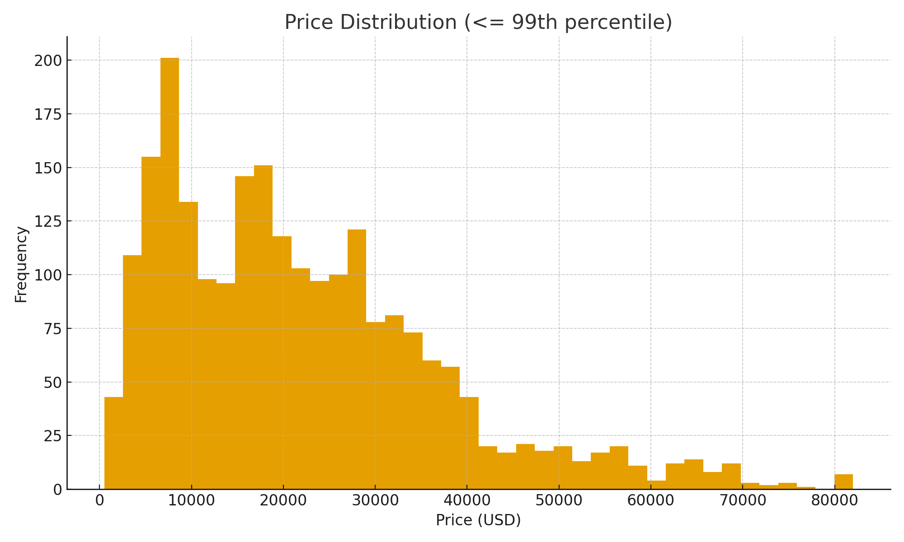
Price Distribution (<= 99th percentile)

