CDD Export 1
Molecule Name | Structure | IUPAC | LGCY Batch Name | Nsp15_Sacc1_Hits: IC50 (uM) | Nsp15_Sacc1_Hits: Dose-response Plot | MolSoft Virtual Toxicity: ToxScore | PAINS alerts: Remove? | PAINS alerts: Nasty Functions | PAINS alerts | Liability predictor | Brenk alerts | Aggregator Advisor | Comments from Xin
SACC-0131774 | 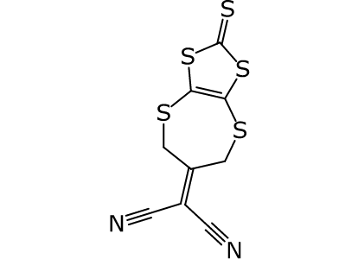 | (2-thioxo-6,7-dihydro-1,3,4,8-tetrathia-6-azulenylidene)propanedinitrile | CD:8009-0011 | 3.12 |  | 4.34 | yes | twice activated DB; 1,1-dinitrile |  |  | Conjugated nitrile group, thiocarbonyl group | aggretaion candidate with high predicted logP | analogue expansion is difficult
SACC-0129817 | 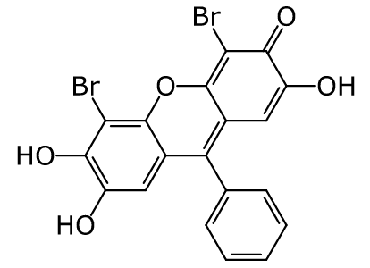 | 4,5-dibromo-2,6,7-trihydroxy-9-phenyl-3-xanthenone | CD:0099-0308 | < 0.750 |  | 2.56 |  | 2-halo-enone | catechol |  |  | very similar to observed aggregator, Tanimoto: 0.506 | analogue expansion is difficult
SACC-0129733 | 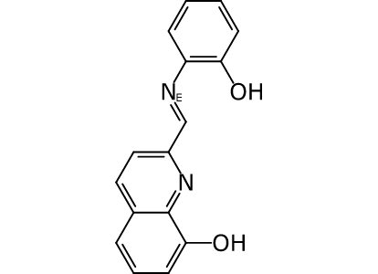 | 2-[(o-hydroxyphenylimino)methyl]-8-quinolinol | CD:0422-0036 | 6.09 |  | 0.5 |  | imine/hydrazone of aldehyde | imine_phenyl_A |  | imine
SACC-0129639 | 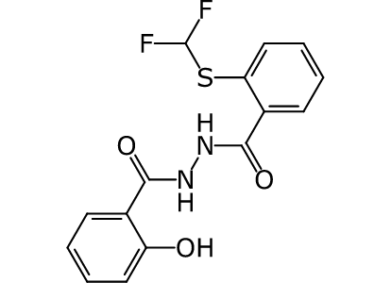 | [o-(difluoromethylthio)phenyl](2-salicyloylhydrazino)methanone | EN:T6056891 | 33.2 |  | 1.56 |  |  |  |  |  | very similar to observed aggregator, Tanimoto: 0.549
SACC-0129637 | 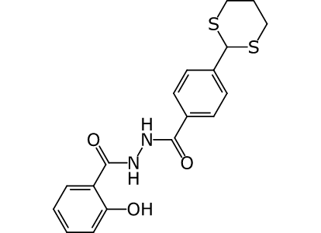 | [p-(1,3-dithian-2-yl)phenyl](2-salicyloylhydrazino)methanone | EN:T5695770 | 11.8 |  | 1.11 |  |  |  |  |  | very similar to observed aggregator, Tanimoto: 0.478
SACC-0129116 | 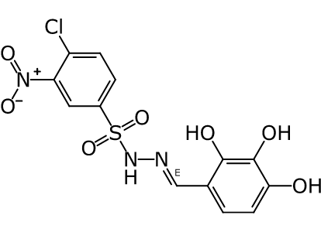 | 4-formohydrazonoylpyrogallol | EN:T0516-5813 | 9.12 |  | 5.42 |  | aromatic nitro; imine/hydrazone of aldehyde | Catechol_A, hzone_phenol_A, hzone_phenol_B | Possible thiol inference
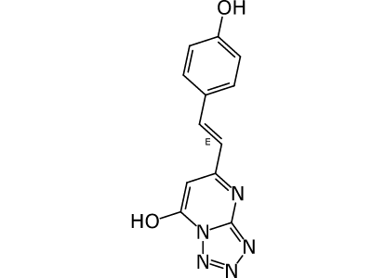 SACC-0129092 |  | 6-[(E)-2-(p-hydroxyphenyl)ethenyl]-1,2,3,3a,7-pentaaza-4-indenol | CD:C301-3593 | 17.8 |  | 0.29 |  |  |  | Possible thiol interference
SACC-0128997 | 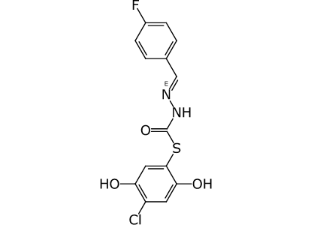 | C-(E)-2-[(p-fluorophenyl)methylene]hydrazino 4-chloro-2,5-dihydroxybenzenecarbothioate | CD:8002-4754 | 1.37 |  | 4.03 |  | imine/hydrazone of aldehyde |  |  | hydroquinone, imine, thioester | aggretaion candidate with high predicted logP
SACC-0128863 | 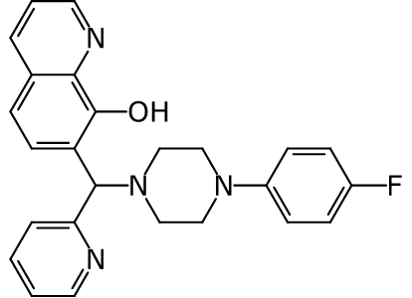 | 7-{[4-(p-fluorophenyl)-1-piperazinyl](2-pyridyl)methyl}-8-quinolinol | EN:T5473147 | < 0.625 |  | 0.75 |  |  | Mannich Base |  |  | very similar to observed aggregator, Tanimoto: 0.537
SACC-0128842 | 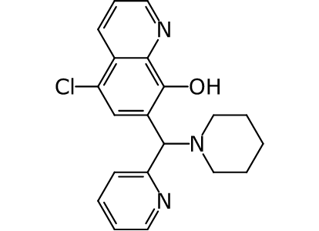 | 5-chloro-7-[piperidino(2-pyridyl)methyl]-8-quinolinol | EN:T0505-8724 | < 0.625 |  | 1.18 |  |  | Mannich Base |  |  | very similar to observed aggregator, Tanimoto: 0.498
SACC-0128654 | 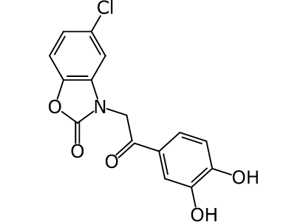 | 5-chloro-3-(protocatechuoylmethyl)-2,3-dihydro-1,3-benzoxazol-2-one | CD:8017-9816 | 38.9 |  | 0.85 |  |  | catechol | Possible thiol interference |  | very similar to observed aggregator, Tanimoto: 0.463
SACC-0128632 | 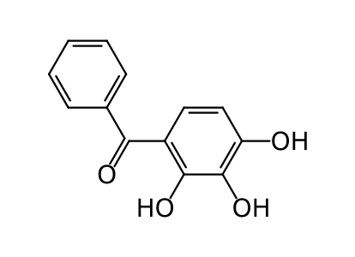 | phenyl(2,3,4-trihydroxyphenyl)methanone | JSF-1069-A-1 | 4.43 |  | 1.71 |  |  | catechol |  |  |  | analogue expansion is limited
SACC-0128401 | 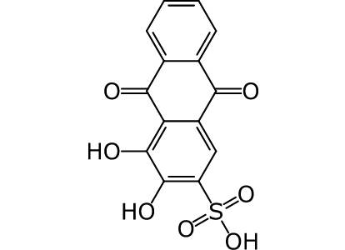 | 3,4-dihydroxy-9,10-dioxo-2-anthracenesulfonic acid | CD:0083-0079 | 3.68 |  | 3.11 |  |  | catechol | Possible thiol interference
SACC-0128274 | 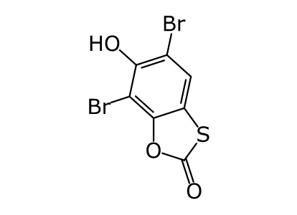 | 5,7-dibromo-6-hydroxy-1,3-benzoxathiolan-2-one | CD:0801-1060 | 4.62 |  | 1.5 |  |  |  |  |  |  | analogue expansion is limited
SACC-0126823 | 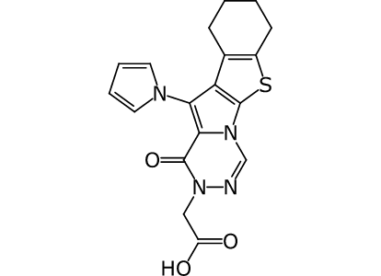 | {6-oxo-8-(1-pyrrolyl)-16-thia-2,4,5-triazatetracyclo[7.7.0.0²,⁷.0¹⁰,¹⁵]hexadeca-1(9),3,7,10(15)-tetraen-5-yl}acetic acid | CD:C793-0241 | 38.8 |  |  |  |  |  |  |  |  | No red flags but not commercial available, difficult to synthesis
SACC-0126599 | 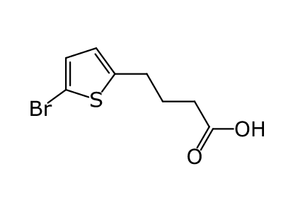 | 4-(5-bromo-2-thienyl)butyric acid | EN:T5462398 | 1.35 |  | 0.5 |  |  |  |  |  |  | Molecule seems too simple
SACC-0126222 | 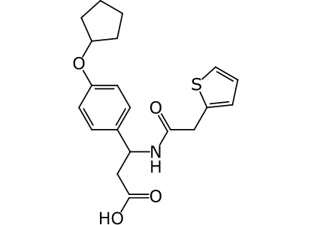 | 3-[p-(cyclopentyloxy)phenyl]-3-(thenylcarbonylamino)propionic acid | CD:8015-8214 | 11.1 |  | 0.5 |  |  |  |  |  | very similar to observed aggregator, Tanimoto: 0.467 | poor slope
SACC-0125919 | 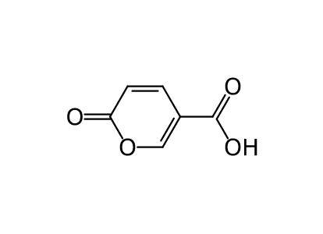 | 6-oxo-3-pyrancarboxylic acid | EN:T5885988 | 1.78 |  | 1 |  |  |  |  |  |  | Molecule seems too simple
SACC-0124192 | 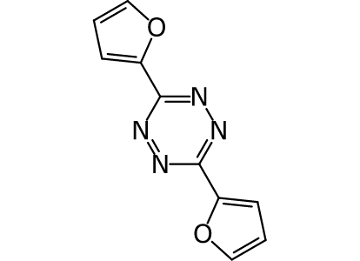 | bis(2-furyl)-1,2,4,5-tetraazine | EN:T5300380 | 29.7 |  | 0 |  |  |  |  |  | very similar to observed aggregator, Tanimoto: 0.588
SACC-0122929 | 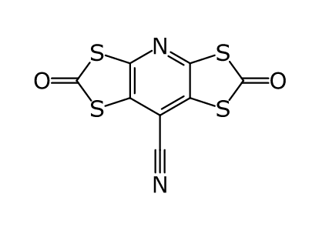 | 2,6-dioxo-1,3,5,7-tetrathia-4-aza-s-indacene-8-carbonitrile | CD:8008-5816 | < 0.750 |  | 1.5 |  |  |  |  |  |  | limited analogue expansion
SACC-0122326 | 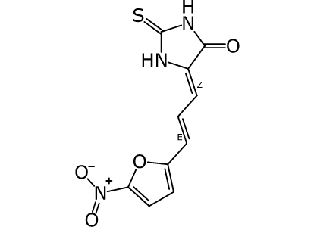 | (Z)-5-[(E)-3-(5-nitro-2-furyl)-2-propenylidene]-2-thioxo-4-imidazolidinone | CD:2040-0411 | 22.6 |  | 1.49 |  | aromatic nitro; thio-amide/urea |  | Possible thiol interference | thiocarbohyl, michael acceptor, nitro
SACC-0121251 | 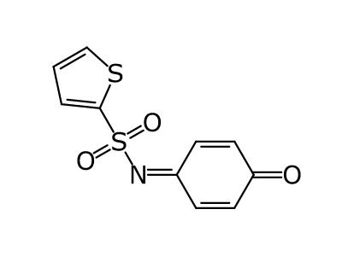 | 4-(2-thienylsulfonylimino)-2,5-cyclohexadien-1-one | CD:5591-3854 | 5.03 |  | 1.17 |  |  | Quinone like cmpd |  |  |  | Molecule seems too simple
SACC-0121061 | 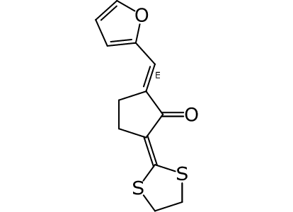 | (E)-5-[(2-furyl)methylene]-2-(1,3-dithiolan-2-ylidene)cyclopentanone | EN:T0518-8057 | 36.7 |  | 0.51 |  | polar activated DB | Divinylketone
SACC-0118563 | 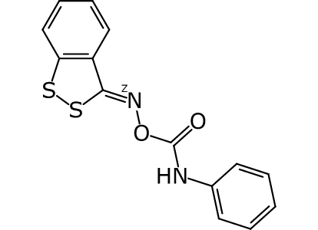 | (Z)-3H-1,2-benzodithiol-3-ylideneamino phenylcarbamate | CD:8009-1384 | 11.1 |  | 4.39 | yes |  |  |  | oxime | very similar to observed aggregator, Tanimoto: 0.451
SACC-0116987 | 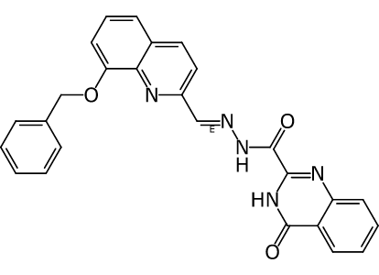 | 2-{[(E)-2-{[8-(benzyloxy)-2-quinolyl]methylene}hydrazino]carbonyl}-4(3H)-quinazolinone | EN:T0512-3533 | < 0.625 |  | 0.95 |  | acyl-hydrazone; imine/hydrazone of aldehyde |  |  | imine | very similar to observed aggregator, Tanimoto: 0.631
SACC-0111634 | 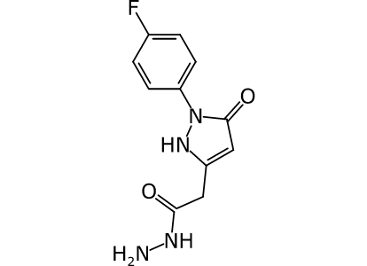 | 2-(p-fluorophenyl)-5-(2-hydrazino-2-oxoethyl)-1,2-dihydro-3H-pyrazol-3-one | EN:T5386516 | 28.6 |  | 0.67 |  | hydrazine |  |  | hydrazine
SACC-0111438 | 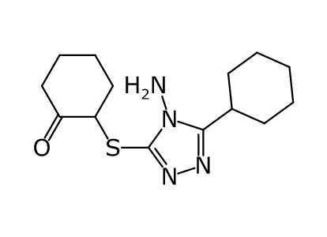 | 2-(4-amino-5-cyclohexyl-4H-1,2,4-triazol-3-ylthio)cyclohexanone | EN:T5311131 | 17.3 |  | 0 |  |  |  |  |  |  | Potential looks reactive, expensive to buy
SACC-0109916 | 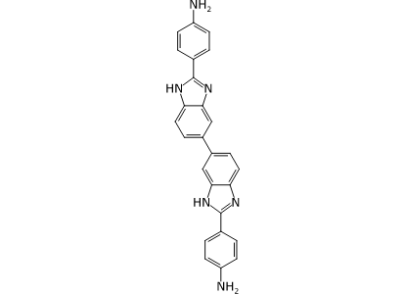 | p-[2-(p-aminophenyl)-1H,3'H-5,5'-bi(1,3-benzimidazolyl)-2'-yl]aniline | CD:3226-1099 | 4.8 |  | 0 |  |  |  | Firefly Luciferase interference | analine | very similar to observed aggregator, Tanimoto: 0.702
SACC-0108378 | 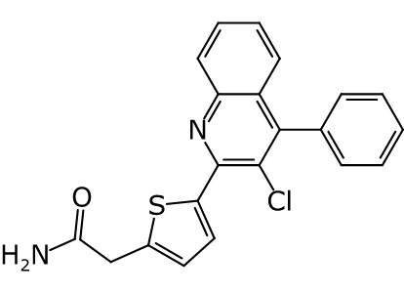 | [5-(3-chloro-4-phenyl-2-quinolyl)-2-thienyl]acetamide | EN:T5653005 | 5.25 |  | 0 |  |  |  |  |  | high calculated logP 5.3 | But can convert to salts, so I leave it in green for now
SACC-0108292 | 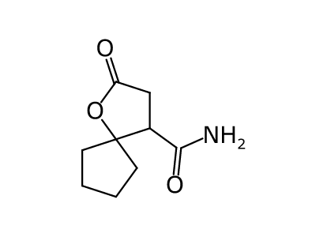 | 2-oxo-1-oxa-4-spiro[4.4]nonanecarboxamide | CD:8016-8415 | 15 |  | 0.22 |  |  |  |  |  |  | seems very simple
SACC-0105682 | 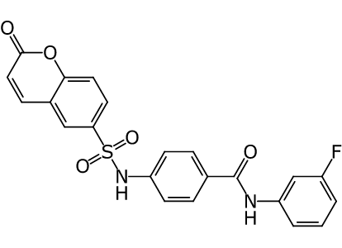 | N-m-fluorophenylp-(6-coumarinylsulfonylamino)benzamide | CD:8015-8887 | 21.4 |  | 0.32 |  |  |  |  | cumarine | very similar to observed aggregator, Tanimoto: 0.561
SACC-0095617 | 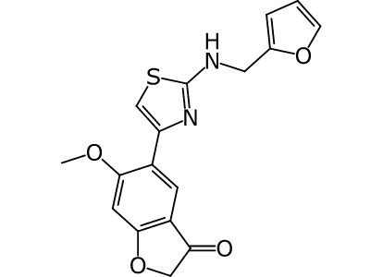 | 5-[2-(furfurylamino)-1,3-thiazol-4-yl]-6-methoxy-2,3-dihydro-1-benzofuran-3-one | EN:T5690923 | 24.6 |  | 0.5 |  | limit! thiazol-2-ylamine |  |  |  | very similar to observed aggregator, Tanimoto: 0.573
SACC-0091894 | 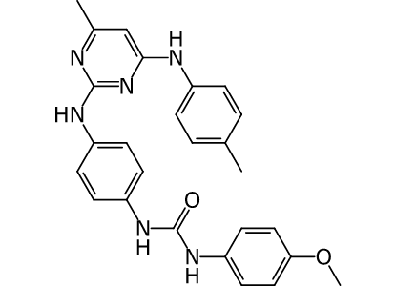 | 2-{p-[3-(p-methoxyphenyl)ureido]phenylamino}-6-methyl-4-p-toluidinopyrimidine | CD:G869-0900 | < 0.750 |  | 0 |  |  |  |  |  | very similar to observed aggregator, Tanimoto: 0.569 Very high calculated logP 6.2
SACC-0089173 | 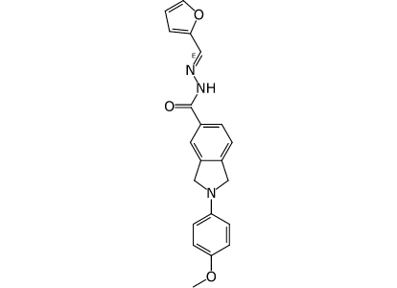 | {(E)-2-[(2-furyl)methylene]hydrazino}[2-(p-methoxyphenyl)-5-isoindolinyl]methanone | CD:8009-4472 | 36.4 |  | 1.62 |  | acyl-hydrazone; imine/hydrazone of aldehyde | tertiary analine, but ? |  |  | very similar to observed aggregator, Tanimoto: 0.475
SACC-0087021 | 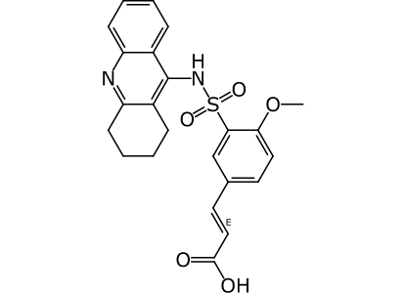 | (E)-3-[4-methoxy-3-(1,2,3,4-tetrahydro-9-acridinylaminosulfonyl)phenyl]acrylic acid | EN:T5762096 | 1.93 |  | 1.79 |  |  |  |  | michael acceptor | very similar to observed aggregator, Tanimoto: 0.506
SACC-0086315 | 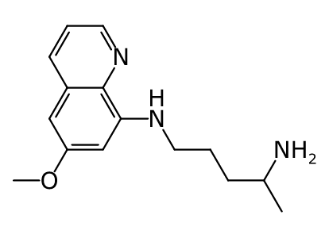 | 4-amino-1-(6-methoxy-8-quinolylamino)pentane | CD:000A-0133 | 4.47 |  | 0
SACC-0086251 | 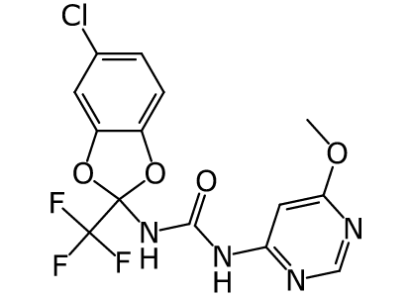 | 1-[5-chloro-2-(trifluoromethyl)-2H-1,3-benzodioxol-2-yl]-3-(6-methoxy-4-pyrimidinyl)urea | CD:6594-0500 | 29.7 |  | 0 |  |  |  |  |  | very similar to observed aggregator, Tanimoto: 0.537
SACC-0068431 | 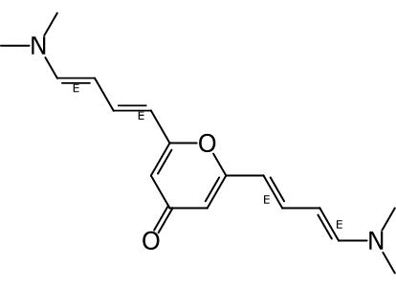 | 2,6-bis[(1E,3E)-4-(dimethylamino)-1,3-butadienyl]-4-pyranone | CB:9028833 | 11.2 |  | 1 |  |  |  |  | polyene |  | does not look promising
SACC-0065706 | 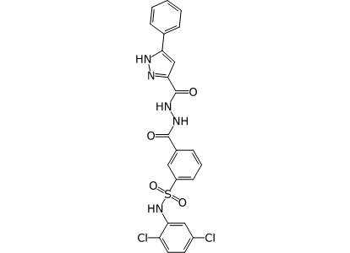 | [m-(2,5-dichlorophenylaminosulfonyl)phenyl]{2-[(5-phenyl-3-pyrazolyl)carbonyl]hydrazino}methanone | EN:T5620235 | 15.8 |  | 1.11 |  |  |  |  |  | very similar to observed aggregator, Tanimoto: 0.514
SACC-0065481 | 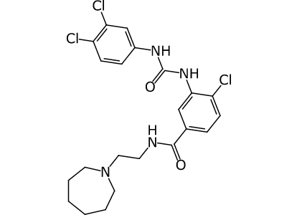 | N-[2-(1-azepanyl)ethyl]4-chloro-3-[3-(3,4-dichlorophenyl)ureido]benzamide | CD:K786-5170 | 15.1 |  | 0 |  |  |  |  |  | very similar to observed aggregator, Tanimoto: 0.518 Very high calculated LogP 5.8
SACC-0063618 | 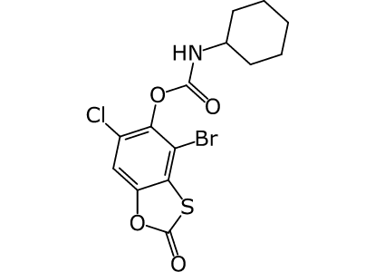 | 4-bromo-6-chloro-2-oxo-1,3-benzoxathiolan-5-yl cyclohexylcarbamate | CD:8006-4268 | 4.15 |  | 4 |  |  | thio_carbonate |  |  | High calculated log P 4.69
SACC-0063276 | 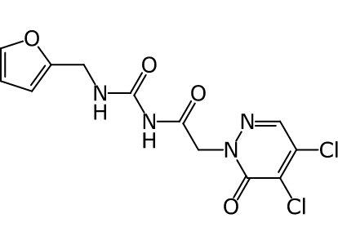 | 4,5-dichloro-2-[2-(3-furfurylureido)-2-oxoethyl]-2,3-dihydro-3-pyridazinone | EN:T5616240 | 14.2 |  | 1.55 |  | 1,2-dihalo-alkene; 2-halo-enone; 3-halo-enone |  |  |  | very similar to observed aggregator, Tanimoto: 0.522
SACC-0060650 | 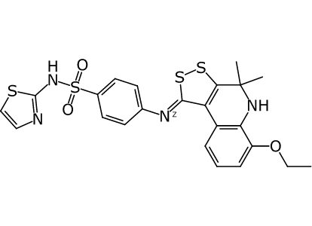 | 2-(p-{(Z)-10-ethoxy-7,7-dimethyl-4,5-dithia-8-azatricyclo[7.4.0.0²,⁶]trideca-1(9),2(6),10,12-tetraen-3-ylideneamino}phenylsulfonylamino)-1,3-thiazole | CD:5594-1849 | 24.2 |  | 3.18 | yes |  |  |  |  | High calculated log P 6.025
SACC-0054200 | 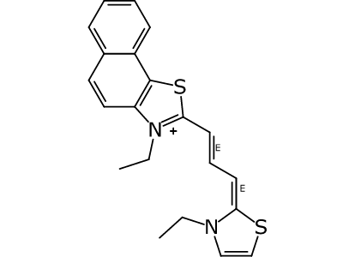 | 4-[(E)-(E)-3-(3-ethyl-2,3-dihydro-1,3-thiazol-2-ylidene)-1-propenyl]-5-ethyl-3-thia-5-azatricyclo[7.4.0.0²,⁶]trideca-1(13),2(6),4,7,9,11-hexaen-5-ium | CD:7771-0549 | 18.5 |  | 0.74 |  | tert. immonium |  |  | quanternary Nitrogen | high calculated logP 5.75
SACC-0050304 | 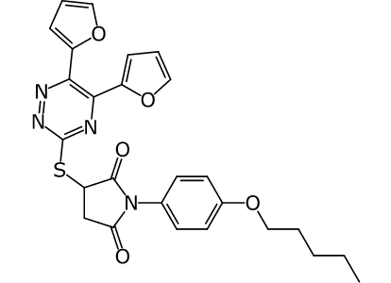 | 3-[5,6-bis(2-furyl)-1,2,4-triazin-3-ylthio]-1-[p-(pentyloxy)phenyl]-2,5-pyrrolidinedione | CD:5518-1921 | 26.5 |  | 0.5 |  |  |  |  |  | very similar to observed aggregator, Tanimoto: 0.541 high calculated logP 5.38
SACC-0037480 | 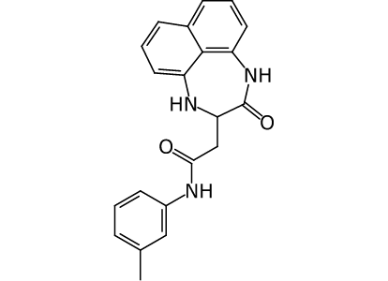 | N-m-tolyl{12-oxo-10,13-diazatricyclo[7.4.1.0⁵,¹⁴]tetradeca-1,3,5,7,9(14)-pentaen-11-yl}acetamide | CD:7388-0032 | 35.5 |  | 0.24 |  |  |  |  |  | very similar to observed aggregator, Tanimoto: 0.627 calculated Log P 3.9
SACC-0035893 | 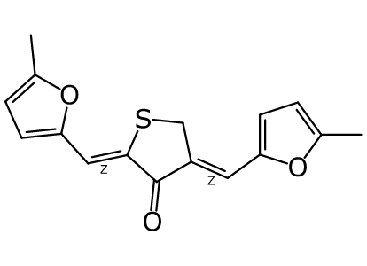 | (Z)-2,4-bis[(5-methyl-2-furyl)methylene]-4,5-dihydro-3(2H)-thiophenone | CD:C249-0039 | 4.15 |  | 0.51 |  |  | Divinylketone |  |  | high calculated log P 4.23
SACC-0035882 | 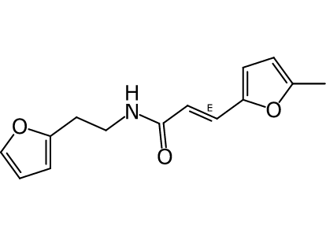 | N-[2-(2-furyl)ethyl]-(E)-3-(5-methyl-2-furyl)acrylamide | EN:T6071005 | 19.9 |  | 1.29 |  |  |  |  | Michael acceptor | very similar to observed aggregator, Tanimoto: 0.616
SACC-0035713 | 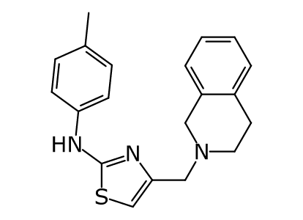 | {4-[(1,2,3,4-tetrahydro-2-isoquinolyl)methyl]-1,3-thiazol-2-yl}(p-tolyl)amine | EN:T5492895 | 10.3 |  | 0 |  | limit! thiazol-2-ylamine |  |  |  | very similar to observed aggregator, Tanimoto: 0.604 calculated Log P 4.7 | Very expensive to buy
SACC-0032908 | 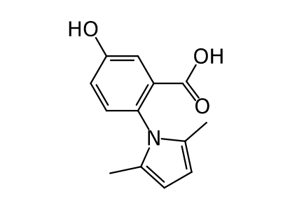 | 2-(2,5-dimethyl-1-pyrrolyl)-5-hydroxybenzoic acid | CD:2817-4329 | 3.99 |  | 0.5 |  |  | Pyrrole_A
SACC-0031504 |  | N-[p-(4,6-dimethyl-2-pyrimidinylaminosulfonyl)phenyl]-(E)-3-[p-(1-indolinylsulfonyl)phenyl]acrylamide | EN:T0515-1913 | 9.1 |  | 1.29 |  |  |  | putative aggregator | Micheal acceptor | very similar to observed aggregator, Tanimoto: 0.537
SACC-0029330 |  | 6-isothiocyanato-4-methyl-2-(1-pyrrolidinyl)quinoline | CD:C066-2624 | 28.4 |  | 10.35 |  | isocyanate type |  |  |  | very similar to observed aggregator, Tanimoto: 0.467
SACC-0026333 |  | (5-chloro-2-hydroxyphenyl)[2-(o-toluoyl)hydrazino]methanone | CD:8008-7883 | 27 |  | 1.11 |  |  |  |  |  | very similar to observed aggregator, Tanimoto: 0.565
SACC-0022370 |  | 2-(phenylthio)-1-(2-salicyloylhydrazino)-1-propanone | EN:T6040435 | 25.1 |  | 1.11 |  |  |  |  |  | very similar to observed aggregator, Tanimoto: 0.486
SACC-0014989 |  | 5-(acetyloxyimino)-3,6-cycloheptadiene-1,2-dione | EN:T0513-3844 | 12.2 |  | 2.69 |  |  | ??imine_one |  |  |  | Doesn't feel promising
SACC-0012625 |  | p-acetylphenyl 2-thiabicyclo[3.3.0]octa-1(5),3-diene-3-carboxylate | EN:T5298365 | 28.1 |  | 0 |  |  |  |  |  | very similar to observed aggregator, Tanimoto: 0.451, calculated log P 3.65
SACC-0012373 |  | 2-acetyl-3-hydroxy-6-nitro-1-indenone | CD:8009-1268 | 38.2 |  | 0.5 |  | twice activated DB; aromatic nitro | keto_keto_beta_C | possible thiol interference | michael acceptor, nitro group
SACC-0004545 |  | 6-bromo-4-nitro-2-oxo-1,3-benzoxathiolan-5-yl phenyl carbonate | CD:2941-1285 | 9.8 |  | 3.5 |  | aromatic nitro | Thio_carbonate |  |  | calculated log P 4.103
SACC-0004462 |  | 3,4-dibromo-5-[3-(3,4-dibromo-5-oxo-2,5-dihydro-2-furyl)-2-oxopropyl]-2,5-dihydro-2-furanone | CD:8002-4473 | 31.1 |  | 1.44 |  | 1,2-dihalo-alkene; 2-halo-enone; 3-halo-enone |  |  | more than two esters
 SACC-0129818 |  | 2,6,7-trihydroxy-9-(2-pyridyl)-3-xanthenone | AS:BAS05223612 | 6.22 |  | 1.58 |  |  | catechol |  |  | very similar to observed aggregator, Tanimoto: 0.62
SACC-0128779 |  | 6-[4-hydroxy-3-(4H-1,2,4-triazol-3-ylthio)-1-naphthylaminosulfonyl]-1,2,3,4-tetrahydro-2-quinolinone | LC:F5749-0202 | < 0.625 |  | 1.24 |  |  | sulfonamide_B |  |  | log P 3.7 | bad curve
SACC-0119065 |  | N-(1,2,3a-triaza-3-indenyl)-2-quinolinecarboxamide | EN:T6329603 | 21.2 |  | 0
SACC-0116360 |  | 2-(2,3-dihydro-1,4-benzodioxin-6-ylthio)-1-(2-{[2-(2-pyridyl)-4-quinolyl]carbonyl}hydrazino)-1-ethanone | EN:T5373742 | < 0.625 |  | 1.11 |  |  |  |  |  | very similar to observed aggregator, Tanimoto: 0.529, calculated log P 3.62 | no plot?
SACC-0111566 |  | hydrazino(3,4,5-trihydroxyphenyl)methanone | AS:BAS00134225 | 13.8 |  | 1.87 |  | hydrazine | catechol_A | possible thiol interference | hydrazine, acyl_hydrazine, catechol
SACC-0107052 |  | 3-formohydrazonoylpyrocatechol | AS:BAS00484780 | 26.5 |  | 4.07 |  | dimethylene-hydrazine; imine/hydrazone of aldehyde | catechol |  |  | very similar to observed aggregator, Tanimoto: 0.47
SACC-0091951 |  | 2-{[4-(p-methoxyphenyl)thiosemicarbazido]carbonyl}-4(3H)-quinazolinone | MB_P:DP01473 | 23.3 |  | 2.61 |  | thio-amide/urea |  |  | thiocarbonyl group | very similar to observed aggregator, Tanimoto: 0.518
SACC-0033944 |  | (Z)-1-[4-(3,4-difluorophenyl)-1,3-thiazol-2-yl]-3-tosylisourea | MB_P:HTS02509 | 14.3 |  | 0 |  | limit! thiazol-2-ylamine |  | Putative aggregator | imine_1 imine_2 | very similar to observed aggregator, Tanimoto: 0.553
SACC-0032977 |  | p-[(2,5-dimethyl-1-pyrrolyl)methyl]benzoic acid | AS:BAS06735662 | 4.61 |  | 0.5 |  |  | Pyrrole_N |  |  | very similar to observed aggregator, Tanimoto: 0.451

