AE_Liposome Data
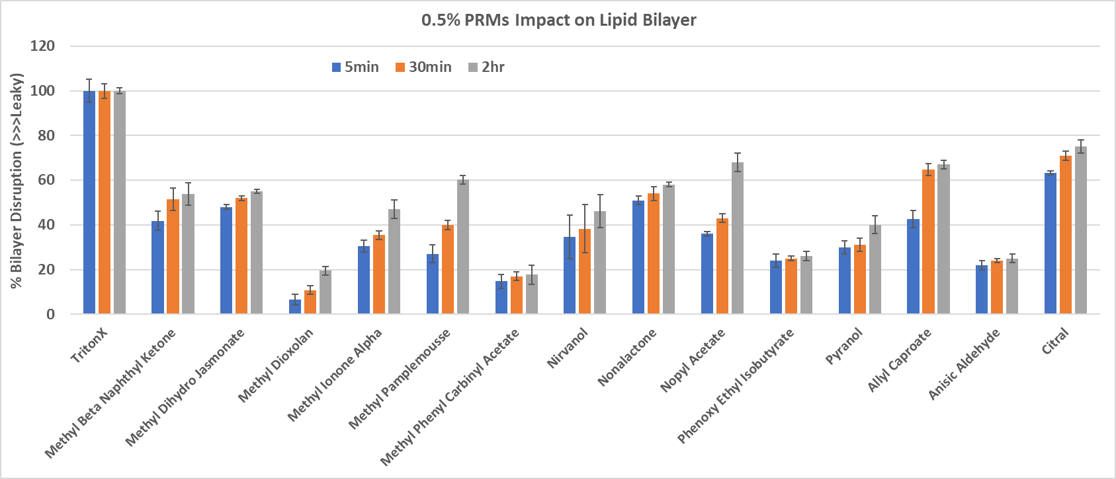
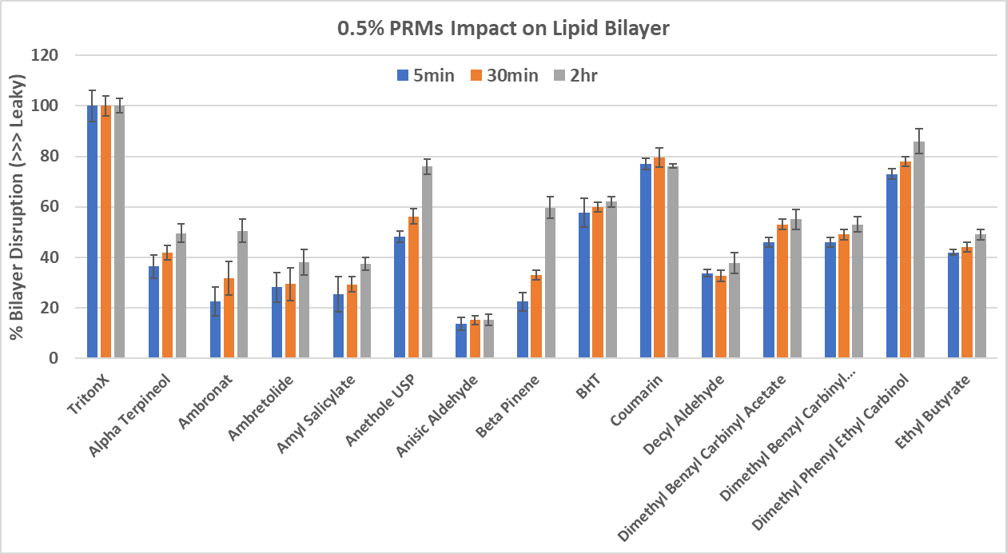
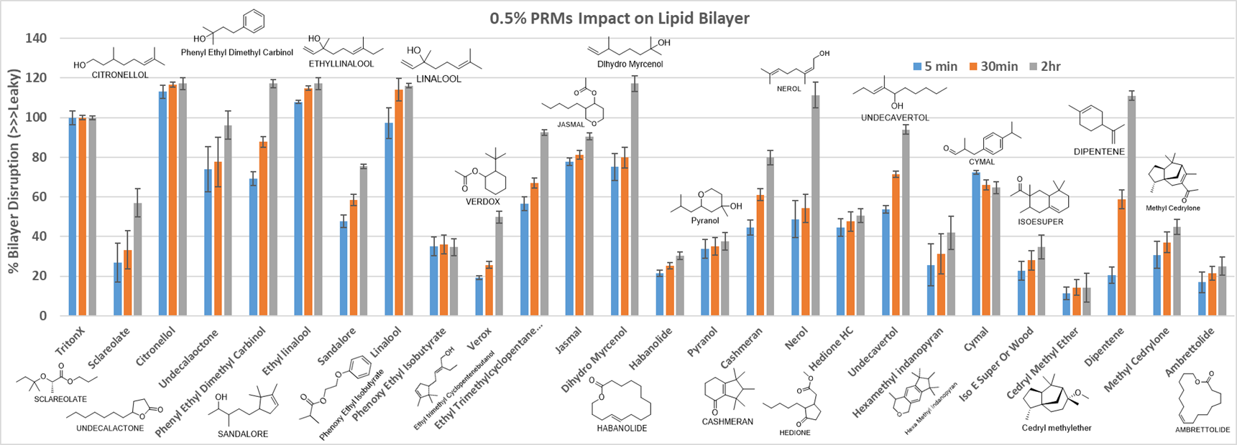
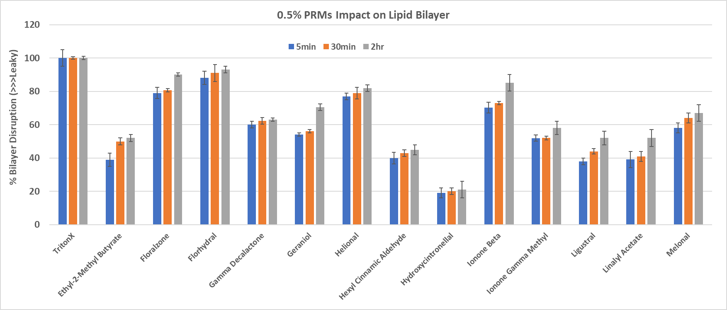
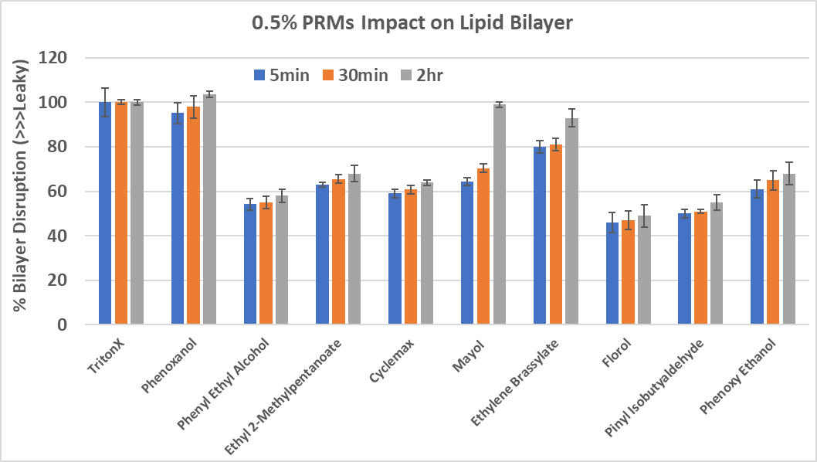
Variant (High AE) | Compound | Bilayer Disruption | Variant (Mid AE) | Compound | Bilayer Disruption | Variant (Low AE) | Compound | Bilayer Disruption
Wilderness | Hexyl Cinnamic Aldehyde | LD | Pure Sport | DiHydro Myrcenol | HD | Fiji | DiHydro Myrcenol | HD | HD= High Disruption
Wilderness | Ethyl Linalool Isomer (2) | HD | Pure Sport | Linalool | HD | Fiji | Sclareolate | LD | MD= Moderate Disruption
Wilderness | Linalool | HD | Pure Sport | Galaxolide | LD | Fiji | Linalool | HD | LD= Low Disruption
Wilderness | DiHydro Myrcenol | HD | Pure Sport | d-Limonene | MD/HD | Fiji | Verdox Major (cis) | LD
Wilderness | Galaxolide | LD | Pure Sport | Methyl Cedrylone Major (~55%) | LD | Fiji | Methyl DiHydro Jasmonate | MD | Compound | GCAS |  | CAS
Wilderness | Phenyl Hexanol | HD | Pure Sport | Linalyl Acetate | LD | Fiji | d-Limonene | MD/HD | Phenyl Hexanol | 10059432 | Phenoxanol | 55066-48-3
Wilderness | Florol Major 2 of 2 | LD | Pure Sport | Hexyl Cinnamic Aldehyde | LD | Fiji | Linalyl Acetate | LD | alpha-Pinyl iso-Butyrate | 95373779 | Pinyl Isobutyaldehyde | 33885-52-8
Wilderness | Florol Major 1 of 2 | LD | Pure Sport | Iso-E-Super Major ( 57.1%) | LD | Fiji | Iso-E-Super Major ( 57.1%) | LD | Phenyl Ethyl Alcohol | 10059407 |  | 60-12-8
Wilderness | Citronellol | HD | Pure Sport | Cedryl Methyl Ether "Cedramber" | LD | Fiji | Nopyl Acetate | LD | Manzanate | 20080087 | Ethyl 2-Methylpentanoate | 39255-32-8
Wilderness | Helional (Aquanal) | MD | Pure Sport | Methyl DiHydro Jasmonate | MD | Fiji | Helional (Aquanal) | MD | Cyclemax | 10059708 |  | 7775-00-0
Wilderness | Nerol | MD/HD | Pure Sport | Helional (Aquanal) | MD | Fiji | Nopol |  | Mayol Isomers | 10058732 |  | 13828-37-0
Wilderness | alpha-Pinyl iso-Butyrate | LD/MD | Pure Sport | Citronellol | HD | Fiji | Phenoxy Ethanol | LD/MD | Ethylene Brassylate | 10058055 |  | 105-95-3
Wilderness | Hydroxycitronellal | LD | Pure Sport | Cymal (Cyclamen Aldehyde) | MD | Fiji | Ethyl Linalool Isomer (2) | HD | Galaxolide | 10056669 | Hexamethylindanoyran | 1222-05-5
Wilderness | Sanjinol (see text) | MD | Pure Sport | Geraniol | MD | Fiji | Cymal (Cyclamen Aldehyde) | MD | Sanjinol (see text) | 10057187 | Ethyl Trimethylcyclopentene Butenol | 28219-61-6
Wilderness | Ambrettolide | LD | Pure Sport | Sanjinol (see text) | MD | Fiji | Galaxolide | LD | Florol Major 2 of 2 | 10058174 | Florol | 63500-71-0
Wilderness | Phenyl Ethyl Alcohol | MD | Pure Sport | Florol Major 1 of 2 | LD | Fiji | Ligustral/Triplal (2) | LD | Florol Major 1 of 2 | 99698096 | Pyranol | 63500-71-0
Wilderness | Cymal (Cyclamen Aldehyde) | MD | Pure Sport | Florol Major 2 of 2 | LD | Fiji | Undecavertol | MD/HD | d-Limonene |  | Dipentene | 138-86-3
Wilderness | Manzanate (Orange Terpene) | MD | Pure Sport | Amyl Salicylate (2) | LD | Fiji | Ethyl-2-Methyl Butyrate | LD
Wilderness | Cyclemax | MD | Pure Sport | Jasmal /Diasmol Major (IFF) | HD | Fiji | Florol Major 2 of 2 | LD
Wilderness | Mayol Isomers | HD | Pure Sport | beta-Ionone | MD | Fiji | Ethylene Brassylate | HD
 | Analysis--> | 6HD, 7MD, 7LD |  | Analysis --> | 4HD, 7MD, 9LD |  | Analysis --> | 5HD, 5MD, 9LD
 |  |  |  | 9 Similar |  |  | 7 Similar

3Perfume data
Sample Name |  | TritonX | Fresh Leaves DOIS Mod3 ZMPG w Lavender | Perfume Architect HE2012C MOD2 ZMPG | Perfume Waterjet Coco ZMPG 178767 FKWH
 | 5min | 100 | 63 | 52 | 45
 | 30min | 100 | 68 | 56 | 50
 | 2hr | 100 | 85 | 69 | 56

Sample Name |  | Tx | Fresh Leaves DOIS Mod3 ZMPG w Lavender | Perfume Architect HE2012C MOD2 ZMPG | Perfume Waterjet Coco ZMPG 178767 FKWH
Standard Deviation | 5min | 2 | 5 | 3 | 3
 | 30min | 2 | 4 | 3 | 3
 | 2hr | 1 | 4 | 3 | 4

0.5% Perfume Impact on Lipid Bilayer
 | 5min | 30min | 2hr
TritonX | 100 | 100 | 100
Fresh Leaves DOIS Mod3 ZMPG w Lavender | 63 | 68 | 85
Perfume Architect HE2012C MOD2 ZMPG | 52 | 56 | 69
Perfume Waterjet Coco ZMPG 178767 FKWH | 45 | 50.131434011 | 56

