4- Service SOSTAC Strategy
Module |  | Scholarship Support Initiative (Egyptian Pre-College Students) | Supporting Docs (for Ref)
SOSTAC | Situation |  | Comparative Table of Buyer Personas
 |  | • Digital landscape: Facebook 81%, Instagram 68.5%, TikTok 60.4%. | Attribute | Students (Pre-college, 16–18) | Parents (40–55) (post Grads) | Schools (Administrators/Teachers)
 |  | • Competitor benchmarking: NGOs, government portals, private initiatives, Private educational institutes | Demographics | Age 16–18, Cairo/Alexandria, high school level | Age 40–55, Egypt, middle-class households | Principals, counselors, teachers
 |  | • Challenges: awareness gaps, trust in procedures, lack of guidance, process clarity, Cost | Goals | Study abroad, explore global exposure | Secure child’s future, trusted pathways | Support students, enhance school reputation
 |  | • No Clear [source ,platform, service provider] in market get in direct contact with targeted buyers | Barriers | Lack of info, complex procedures | Distrust in government, fear of scams | Bureaucracy, limited resources
SOSTAC | Objective |  | Motivations | Global education, career advancement | Stability, prestige, long-term security | Recognition, improved student outcomes
 |  | SMART Goals: | Preferred Channels | Instagram, TikTok, YouTube | Facebook, WhatsApp | Email, LinkedIn, official portals
 |  | • +30% scholarship awareness (leads) /Year. | Content Needs | Step-by-step guides, success stories | Transparent info, trust-building content | Toolkits, guidelines, partnership opportunities
 |  | • 500 qualified leads (applications). | Tone of Voice | Inspiring, relatable, visual | Reassuring, trustworthy, formal | Professional, collaborative, data-driven
 |  | • 10% engagement rate on campaign posts, up to 30% after campaign launches
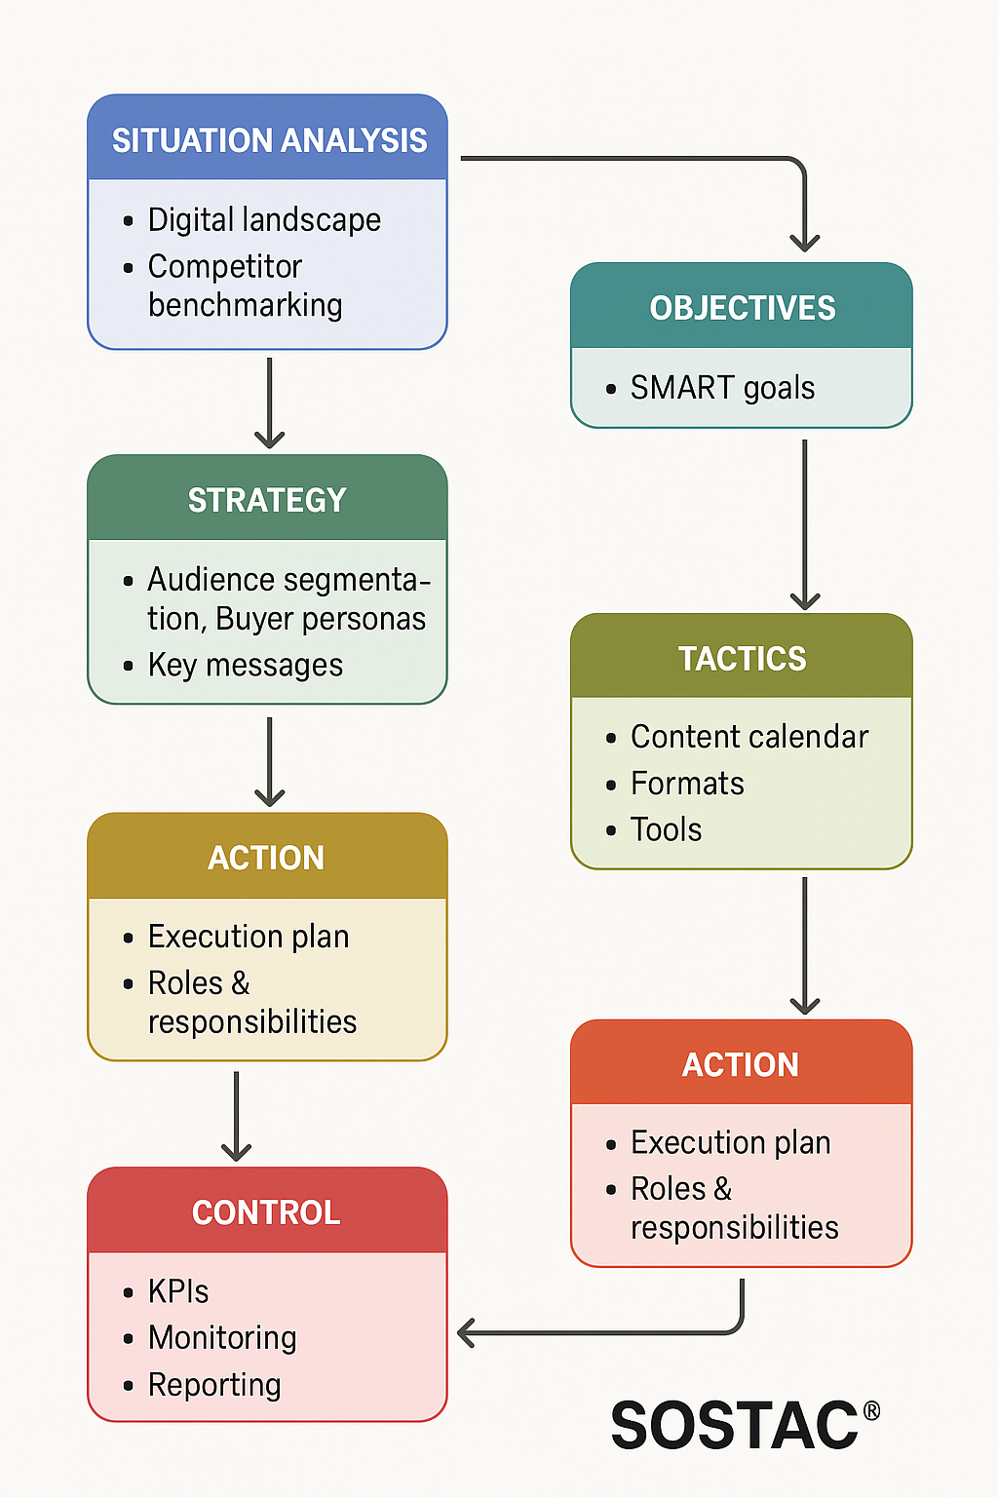
 |  | • Build trust with parents and schools, based on viral +vee word of mouth . | SOSTAC Flowchart
SOSTAC | Strategy
 |  | • Audience segmentation: students, parents, schools.
 |  | • Buyer personas: demographics, goals, barriers.
 |  | • Key messages: [English]"Scholarships made simple" (core), "Your child’s gateway to global education" (audience-specific).
 |  | • Key messages:[Arabic] "معانا ابنك او بنتك هيتعلم بره ومش هيحس بغربة" (audience-specific).
 |  | • Content themes: application guidance, success stories, scholarship databases, seasonal campaigns.
SOSTAC | Tactics
 |  | • Content calendar: weekly posts, seasonal campaigns.
 |  | • Formats: videos, infographics, live Q&A, testimonials.
 |  | • Tools: Hootsuite, Google Alerts, Brand Mentions, Facebook Insights, google key planner
 |  | • Facebook tactics: Page optimization, Ads, engagement, employee advocacy
 |  | • Instagram tactics: Reels, CTA Posts
SOSTAC | Action
 |  | • Create & optimize Facebook Page paired with IG active page
 |  | • Assign roles: strategist, manager, moderator.
 |  | • Brainstorm campaign ideas, Cooperates with educational flagships, role models, Young Influencers
 |  | • Allocate budget for ads & influencers.
SOSTAC | Control
 |  | • KPIs: reach, engagement, ROI, retention.
 |  | • Monitoring: Page Insights, Audience Analytics
 |  | • Monthly reporting, quarterly optimization.
 |  | • Financing control (P&L,ROI)

