5- Online Content Strategy
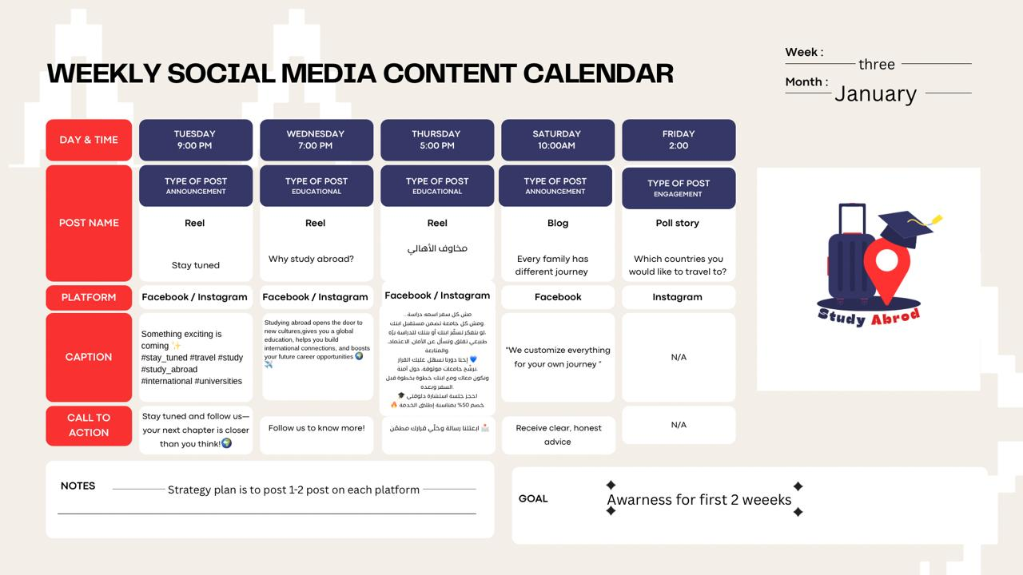
Online Content Strategy
a. Goal 1: Increase Service Awareness
b. Objectives: "By 30th of April 2026, Study Abroad will increase brand awareness by publishing 6-8 original organic & 2-4 Paid Sponsored social media posts on Facebook & Instagram to spread awareness about the Service, achieving average reach up to 1000 user per post and generating qualitative customer insights to inform future content and service development in terms of the service objective, why we are launching it, who are we addressing to create interest, gauge pulse about consumers and constant fine-tuning on the post future stream for more insights gathering and concentrated service development.
I. Specific:
1. Publish 3-4 timed organic or paid posts on selected social media platforms as follows:
a. Segment A: Parents age from 30 to 65
I. Behavior and lifestyle: working as employees or owning their own business.
ii. Needs: want a safe and affordable study abroad options for their children.
iii. Buying Power: 50% or full financial support sometimes and relevant.
iv. Posting Frequency: 1-2 times weekly.
v. Platform: Facebook.
b. Segment B: Students age from 19 to 23.
I. Behavior and lifestyle: in schools, in colleges, seeking lead years or exchange programs.
ii. Needs: want to purse different purposes: Social status escape, keeping up with the trend, searching for the better educations experience, enhancing future career paths.
iii. Buying Power: Non- relevant for the younger ages, present and relevant for the later ages as per parental support or via Educational or Sports advancement options.
iv. Posting Frequency: 1-2 times weekly.
v. Platform: Instagram.
ii. Measurable:
1. Average reach of 500-700 users per post/Paid Posting & 50-100 Organic posting.
2. Minimum 2.1% engagement rate (reactions, comments, shares)
3. Collection of audience insights from comments, DMs, saves, and shares.
4. Track followers’ growth/monthly.
iii. Achievable: The 2 social media assigned service member can develop, track, and align performance reviews and finetune future posts according to quick performance insights.
iv. Relevant: Enhance service visibility, ensure creating interest to customers about the brand relevance to their daily needs.
v. Time-bound: To be achieved by 30th of April 2026.

a. Goal 2: Increase Engagement to boost traffic on social media platforms
b. Objectives: " Increase audience engagement and interaction with content to encourage profile visits and direct conversations through social media
Campaign type : mix of oragnic content and paid social media campaigns using Meta Ads Manager to increase reach, engagement, and traffic to social media pages
I. Specific:
Publish 2–3 content pieces monthly showcasing student success stories, post enrollment journeys, and behind the scenes processes
Use engagement driven formats such as Instagram Reels, interactive stories (polls & Q&A), and testimonial posts
Include clear call to action encouraging direct messages and profile visits
ii. Target Segments:
Parents (35–65): Trust-driven decision makers, mainly on Facebook
Students (19–23): Socially active and peer influenced, mainly on Instagram
iii. Measurable:
Achieve a 4–6% engagement rate per post
Generate 30–50 interactions per post
Increase story engagement by 20%
Receive 15-25 direct messages and inquiries per month
Increase profile vists by 25%
iv. Achievable:
The 2 assigned social media team members can develop, track, and optimize content performance while adjusting future posts based on engagement insights
v. Relevant:
Support brand visibility and encourage potential students and parents to explore services and start conversations through social media channels
vi. Time-bound:
To be achieved by 31st of May 2026.

