7- Platforms Insights
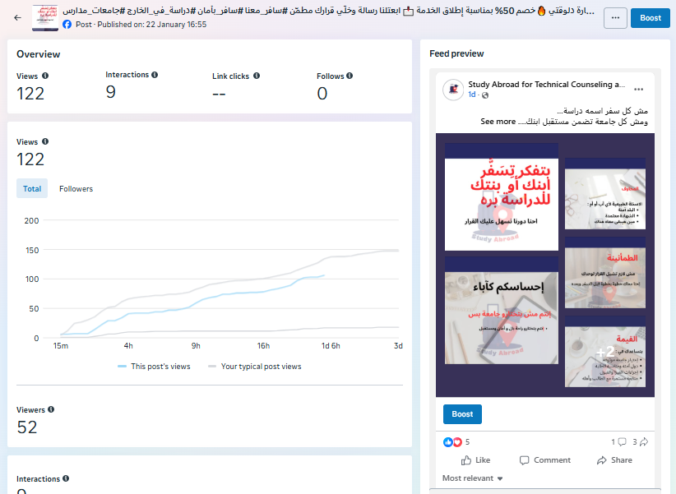
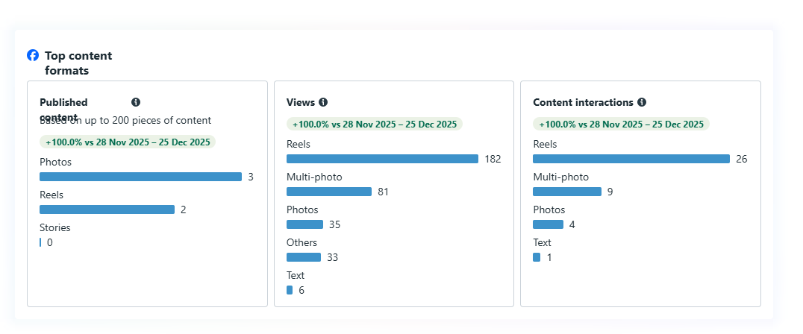
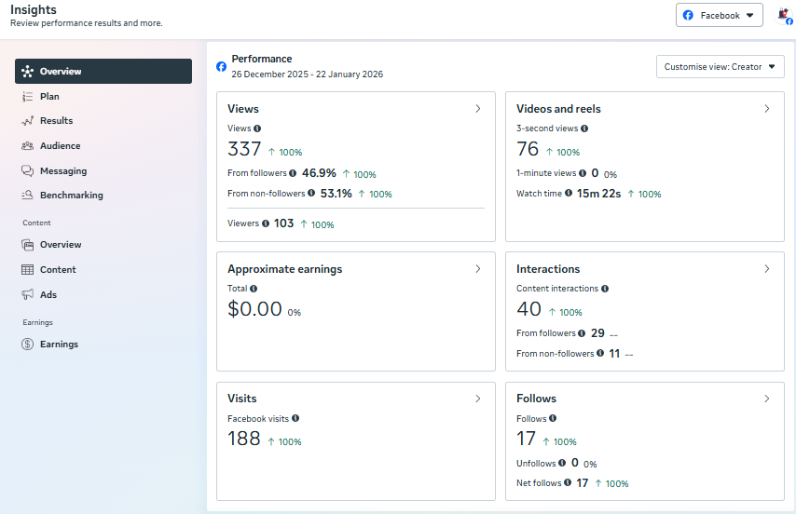
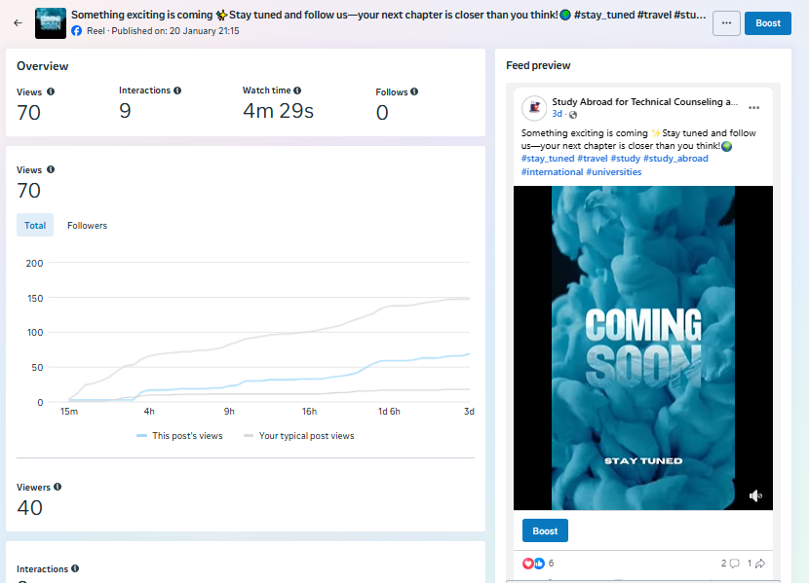
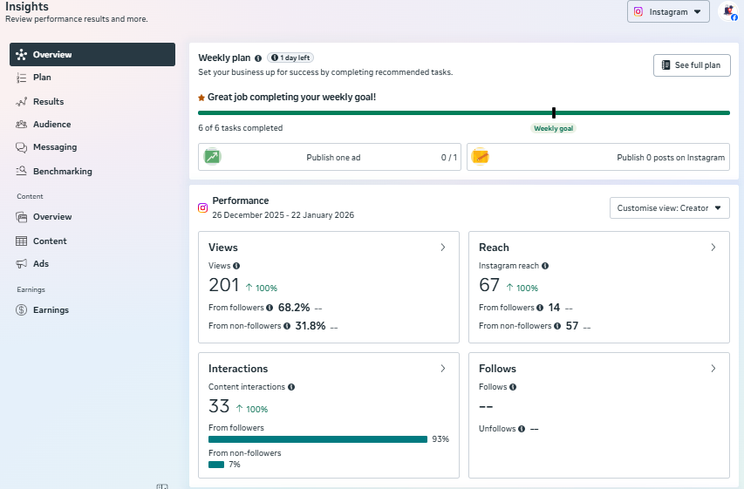
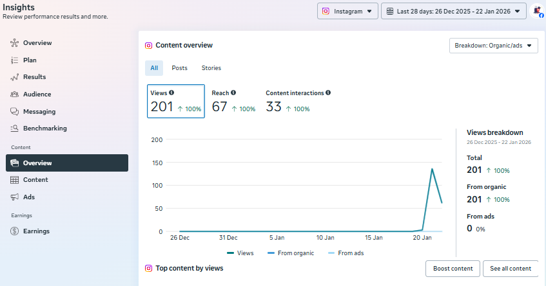
Facebook Page Link | https://www.facebook.com/profile.php?id=61586708519623 | Instagram Page Link | https://www.instagram.com/studyabroad_2026/ | Facebook | Instagram
 |  |  |  | Posts Performance | Posts Performance
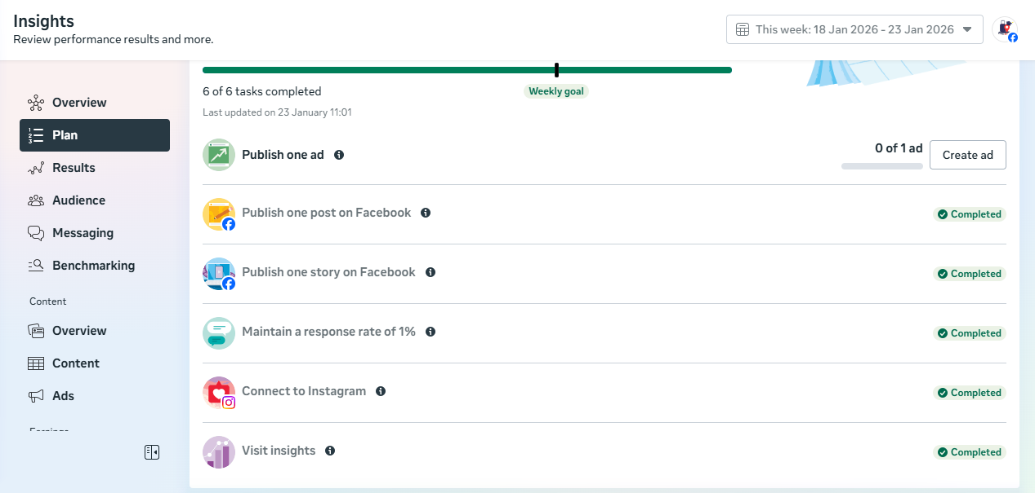

 |  |  |  | Page Perofrmance

