Income Estimation
 | Bhagwati - Mother |  | Darsh - Son - Salesman |  |  | Divya - Daughter - Teacher
 | Per month | 20000 | Monthly Salary as Salesman | 15,000 |  | Per month | 10,000
 | Per annum | 240000 | Annual Salary as Salesman | 180000 |  | Per year | 120000
 | Income Growth Rate | 0.05 | Income Growth Rate | 5% |  | Increment | 5%

 |  |  | Darsh gets promoted to assistant manager at 30 |  |  | Divya starts working full time when she is 21, gets promoted to Head of Department when she is 32
 | Monthly Salary (2040) | ₹43,657.49 | salary after promotion | 28000 |  | Salary after full time | 17000
 |  |  |  |  |  | Salary when HOD | 36000 | (From 29000 adjusted for inflation)
 | Years | Mother age | Bhagwati - Mother | Darsh - Son | Divya - Daughter | TOTAL HOUSEHOLD INCOME
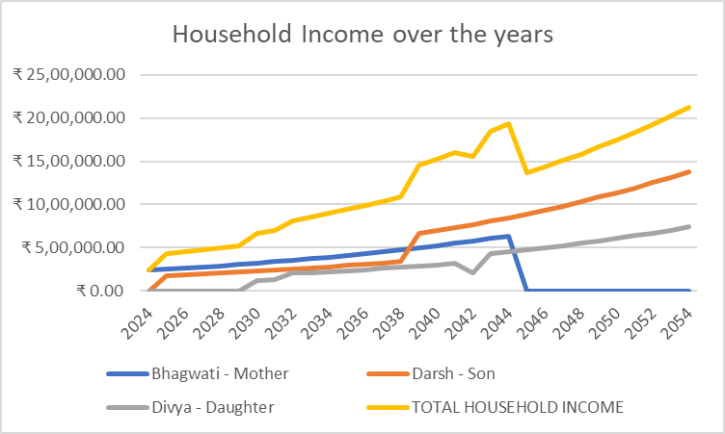
 | 2024 | 40 | ₹240,000.00 | ₹- | ₹- | ₹240,000.00
 | 2025 | 41 | ₹252,000.00 | ₹180,000.00 | ₹- | ₹432,000.00
1 | 2026 | 42 | ₹264,600.00 | ₹189,000.00 | ₹- | ₹453,600.00
2 | 2027 | 43 | ₹277,830.00 | ₹198,450.00 | ₹- | ₹476,280.00
3 | 2028 | 44 | ₹291,721.50 | ₹208,372.50 | ₹- | ₹500,094.00
4 | 2029 | 45 | ₹306,307.58 | ₹218,791.13 | ₹- | ₹525,098.70
5 | 2030 | 46 | ₹321,622.95 | ₹229,730.68 | ₹120,000.00 | ₹671,353.64
6 | 2031 | 47 | ₹337,704.10 | ₹241,217.22 | ₹126,000.00 | ₹704,921.32
7 | 2032 | 48 | ₹354,589.31 | ₹253,278.08 | ₹204,000.00 | ₹811,867.38
8 | 2033 | 49 | ₹372,318.77 | ₹265,941.98 | ₹214,200.00 | ₹852,460.75
9 | 2034 | 50 | ₹390,934.71 | ₹279,239.08 | ₹224,910.00 | ₹895,083.79
10 | 2035 | 51 | ₹410,481.45 | ₹293,201.03 | ₹236,155.50 | ₹939,837.98
11 | 2036 | 52 | ₹431,005.52 | ₹307,861.08 | ₹247,963.28 | ₹986,829.88
12 | 2037 | 53 | ₹452,555.79 | ₹323,254.14 | ₹260,361.44 | ₹1,036,171.37
13 | 2038 | 54 | ₹475,183.58 | ₹339,416.85 | ₹273,379.51 | ₹1,087,979.94
14 | 2039 | 55 | ₹498,942.76 | ₹665,257.02 | ₹287,048.49 | ₹1,451,248.27
15 | 2040 | 56 | ₹523,889.90 | ₹698,519.87 | ₹301,400.91 | ₹1,523,810.68
16 | 2041 | 57 | ₹550,084.40 | ₹733,445.86 | ₹316,470.96 | ₹1,600,001.21
17 | 2042 | 58 | ₹577,588.62 | ₹770,118.15 | ₹204,000.00 | ₹1,551,706.77
18 | 2043 | 59 | ₹606,468.05 | ₹808,624.06 | ₹432,000.00 | ₹1,847,092.11
19 | 2044 | 60 | ₹636,791.45 | ₹849,055.27 | ₹453,600.00 | ₹1,939,446.71 |  | RETIREMENT
20 | 2045 | 61 | ₹- | ₹891,508.03 | ₹476,280.00 | ₹1,367,788.03
21 | 2046 | 62 | ₹- | ₹936,083.43 | ₹500,094.00 | ₹1,436,177.43
22 | 2047 | 63 | ₹- | ₹982,887.60 | ₹525,098.70 | ₹1,507,986.30
23 | 2048 | 64 | ₹- | ₹1,032,031.98 | ₹551,353.64 | ₹1,583,385.62
24 | 2049 | 65 | ₹- | ₹1,083,633.58 | ₹578,921.32 | ₹1,662,554.90
25 | 2050 | 66 | ₹- | ₹1,137,815.26 | ₹607,867.38 | ₹1,745,682.64
26 | 2051 | 67 | ₹- | ₹1,194,706.02 | ₹638,260.75 | ₹1,832,966.77
27 | 2052 | 68 | ₹- | ₹1,254,441.32 | ₹670,173.79 | ₹1,924,615.11
28 | 2053 | 69 | ₹- | ₹1,317,163.39 | ₹703,682.48 | ₹2,020,845.87
29 | 2054 | 70 | ₹- | ₹1,383,021.56 | ₹738,866.60 | ₹2,121,888.16 |  | LIFE EXPECTANCY

 | An individual opting for the new tax regime and having taxable income of up to Rs 7 lakh will not be required to pay any taxes at the time of filing ITR. Earlier, the rebate under section 87A was available for taxable income up to Rs 5 lakh in the new tax regime. Hence, in 2024 when you file ITR for FY2023-24 (AY 2024-25) and opt for the new tax regime with taxable income not exceeding Rs 7 lakh, then no taxes will be payable.

Expense Estimation
EXPENSES SHEET
 |  |  |  |  |  |  |  |  | EXPECTED INFLATION RATES
YEARS | Electricity & Gas | Food & Beverages | Miscellaneous | Rent / (EMI after 2038) | Transport | School fees (Darsh - 2024, Divya - 2026 & 2027) | Medical Expenses | Total Annual Expenses |  | Education | Health | Food & Beverages | Recreation & Amusement | Transport & Communication | Clothing & Footwear | Electricity & Gas | Rent | Real Residential Property | General Overall Inflation
2024 | ₹15,480.00 | ₹96,000.00 | ₹36,000.00 | ₹96,000.00 | ₹15,000.00 | ₹500.00 | ₹6,000.00 | ₹264,980.00 | 2024 | 6.0% | 1.9% | -5.2% | 1.2% | -1.0% | 0.0% | -3.0% | 6.7% | 1.5% | 4.9%
2025 | ₹16,083.55 | ₹98,848.29 | ₹37,768.95 | ₹99,840.00 | ₹15,563.53 | ₹500.00 | ₹6,255.96 | ₹274,860.28 | 2025 | 6.0% | 4.3% | 3.0% | 3.8% | 3.8% | 0.0% | 3.9% | 6.7% | 1.5% | 4.9%
2026 | ₹16,687.10 | ₹101,696.58 | ₹39,624.82 | ₹103,833.60 | ₹16,127.07 | ₹500.00 | ₹6,511.92 | ₹284,981.08 | 2026 | 6.0% | 4.1% | 2.9% | 3.7% | 3.6% | 0.0% | 3.8% | 6.7% | 1.5% | 4.9%
2027 | ₹17,290.65 | ₹104,544.87 | ₹41,571.88 | ₹107,986.94 | ₹16,690.60 | ₹500.00 | ₹6,767.87 | ₹295,352.82 | 2027 | 6.0% | 3.9% | 2.8% | 3.6% | 3.5% | 0.0% | 3.6% | 6.7% | 1.5% | 4.9%
2028 | ₹17,894.20 | ₹107,393.16 | ₹43,614.62 | ₹112,306.42 | ₹17,254.14 | ₹15,794.88 | ₹7,023.83 | ₹321,281.25 | 2028 | 6.0% | 3.8% | 2.7% | 3.4% | 3.4% | 0.0% | 3.5% | 6.7% | 1.5% | 4.9%
2029 | ₹18,497.75 | ₹110,241.45 | ₹45,757.73 | ₹116,798.68 | ₹17,817.67 | ₹16,746.26 | ₹7,279.79 | ₹333,139.33 | 2029 | 6.0% | 3.6% | 2.7% | 3.3% | 3.3% | 0.0% | 3.4% | 6.7% | 1.5% | 4.9%
2030 | ₹19,101.30 | ₹113,089.74 | ₹48,006.15 | ₹121,470.63 | ₹18,381.21 | ₹- | ₹7,535.75 | ₹327,584.77 | 2030 | 6.0% | 3.5% | 2.6% | 3.2% | 3.2% | 0.0% | 3.3% | 6.7% | 1.5% | 4.9%
2031 | ₹19,704.85 | ₹115,938.03 | ₹50,365.05 | ₹126,329.45 | ₹18,944.74 | ₹- | ₹7,791.70 | ₹339,073.83 | 2031 | 6.0% | 3.4% | 2.5% | 3.1% | 3.1% | 0.0% | 3.2% | 6.7% | 1.5% | 4.9%
2032 | ₹20,308.40 | ₹79,190.88 | ₹35,226.57 | ₹131,382.63 | ₹19,508.28 | ₹- | ₹5,365.11 | ₹290,981.87 | 2032 | 6.0% | 3.3% | 2.5% | 3.0% | 3.0% | 0.0% | 3.1% | 6.7% | 1.5% | 4.9%
2033 | ₹20,911.95 | ₹81,089.74 | ₹36,957.52 | ₹136,637.93 | ₹20,071.81 | ₹- | ₹5,535.75 | ₹301,204.70 | 2033 | 6.0% | 3.2% | 2.4% | 2.9% | 2.9% | 0.0% | 3.0% | 6.7% | 1.5% | 4.9%
2034 | ₹21,515.50 | ₹82,988.60 | ₹38,773.52 | ₹142,103.45 | ₹20,635.35 | ₹- | ₹5,706.38 | ₹311,722.80 | 2034 | 6.0% | 3.1% | 2.3% | 2.8% | 2.8% | 0.0% | 2.9% | 6.7% | 1.5% | 4.9%
2035 | ₹22,119.05 | ₹84,887.46 | ₹40,678.75 | ₹147,787.59 | ₹21,198.88 | ₹- | ₹5,877.02 | ₹322,548.76 | 2035 | 6.0% | 3.0% | 2.3% | 2.8% | 2.7% | 0.0% | 2.8% | 6.7% | 1.5% | 4.9%
2036 | ₹22,722.60 | ₹130,179.48 | ₹64,016.40 | ₹153,699.09 | ₹21,762.42 | ₹- | ₹9,071.49 | ₹401,451.48 | 2036 | 6.0% | 2.9% | 2.2% | 2.7% | 2.7% | 0.0% | 2.7% | 6.7% | 1.5% | 4.9%
2037 | ₹23,326.15 | ₹133,027.77 | ₹67,162.01 | ₹159,847.06 | ₹22,325.95 | ₹- | ₹9,327.45 | ₹415,016.38 | 2037 | 6.0% | 2.8% | 2.2% | 2.6% | 2.6% | 0.0% | 2.7% | 6.7% | 1.5% | 4.9%
2038 | ₹23,929.70 | ₹135,876.06 | ₹86,199.24 | ₹336,324.00 | ₹22,889.49 | ₹- | ₹9,583.41 | ₹614,801.89 | 2038 | 6.0% | 2.7% | 2.1% | 2.6% | 2.5% | 0.0% | 2.6% | 6.7% | 1.5% | 4.9%
2039 | ₹24,533.25 | ₹138,724.35 | ₹96,729.68 | ₹336,324.00 | ₹23,453.02 | ₹- | ₹9,839.36 | ₹629,603.66 | 2039 | 6.0% | 2.7% | 2.1% | 2.5% | 2.5% | 0.0% | 2.5% | 6.7% | 1.5% | 4.9%
2040 | ₹25,136.80 | ₹141,572.64 | ₹107,777.55 | ₹336,324.00 | ₹24,016.56 | ₹- | ₹10,095.32 | ₹644,922.87 | 2040 | 6.0% | 2.6% | 2.1% | 2.4% | 2.4% | 0.0% | 2.5% | 6.7% | 1.5% | 4.9%
2041 | ₹25,740.35 | ₹144,420.93 | ₹119,368.29 | ₹336,324.00 | ₹24,580.09 | ₹- | ₹10,351.28 | ₹660,784.94 | 2041 | 6.0% | 2.5% | 2.0% | 2.4% | 2.3% | 0.0% | 2.4% | 6.7% | 1.5% | 4.9%
2042 | ₹26,343.90 | ₹147,269.22 | ₹131,528.57 | ₹336,324.00 | ₹25,143.63 | ₹- | ₹10,607.24 | ₹677,216.56 | 2042 | 6.0% | 2.5% | 2.0% | 2.3% | 2.3% | 0.0% | 2.3% | 6.7% | 1.5% | 4.9%
2043 | ₹26,947.45 | ₹150,117.51 | ₹144,286.38 | ₹336,324.00 | ₹25,707.16 | ₹- | ₹10,863.20 | ₹694,245.69 | 2043 | 6.0% | 2.4% | 1.9% | 2.3% | 2.2% | 0.0% | 2.3% | 6.7% | 1.5% | 4.9%
2044 | ₹27,551.00 | ₹152,965.80 | ₹157,671.07 | ₹336,324.00 | ₹26,270.70 | ₹- | ₹11,119.15 | ₹711,901.72 | 2044 | 6.0% | 2.4% | 1.9% | 2.2% | 2.2% | 0.0% | 2.2% | 6.7% | 1.5% | 4.9%
2045 | ₹28,154.55 | ₹155,814.09 | ₹171,713.45 | ₹336,324.00 | ₹26,834.23 | ₹- | ₹11,375.11 | ₹730,215.43 | 2045 | 6.0% | 2.3% | 1.9% | 2.2% | 2.1% | 0.0% | 2.2% | 6.7% | 1.5% | 4.9%
2046 | ₹28,758.10 | ₹158,662.38 | ₹186,445.84 | ₹336,324.00 | ₹27,397.77 | ₹- | ₹11,631.07 | ₹749,219.15 | 2046 | 6.0% | 2.3% | 1.8% | 2.1% | 2.1% | 0.0% | 2.1% | 6.7% | 1.5% | 4.9%
2047 | ₹29,361.65 | ₹161,510.67 | ₹201,902.14 | ₹336,324.00 | ₹27,961.30 | ₹- | ₹11,887.03 | ₹768,946.79 | 2047 | 6.0% | 2.2% | 1.8% | 2.1% | 2.1% | 0.0% | 2.1% | 6.7% | 1.5% | 4.9%
2048 | ₹29,965.20 | ₹164,358.96 | ₹218,117.93 | ₹336,324.00 | ₹28,524.84 | ₹- | ₹12,142.98 | ₹789,433.90 | 2048 | 6.0% | 2.2% | 1.8% | 2.0% | 2.0% | 0.0% | 2.1% | 6.7% | 1.5% | 4.9%
2049 | ₹30,568.75 | ₹167,207.25 | ₹235,130.51 | ₹336,324.00 | ₹29,088.37 | ₹- | ₹12,398.94 | ₹810,717.82 | 2049 | 6.0% | 2.1% | 1.7% | 2.0% | 2.0% | 0.0% | 2.0% | 6.7% | 1.5% | 4.9%
2050 | ₹31,172.30 | ₹170,055.54 | ₹252,979.06 | ₹336,324.00 | ₹29,651.91 | ₹- | ₹12,654.90 | ₹832,837.70 | 2050 | 6.0% | 2.1% | 1.7% | 2.0% | 1.9% | 0.0% | 2.0% | 6.7% | 1.5% | 4.9%
2051 | ₹31,775.84 | ₹172,903.83 | ₹271,704.63 | ₹336,324.00 | ₹30,215.44 | ₹- | ₹12,910.86 | ₹855,834.61 | 2051 | 6.0% | 2.0% | 1.7% | 1.9% | 1.9% | 0.0% | 1.9% | 6.7% | 1.5% | 4.9%
2052 | ₹32,379.39 | ₹175,752.12 | ₹291,350.33 | ₹336,324.00 | ₹30,778.98 | ₹- | ₹13,166.81 | ₹879,751.64 | 2052 | 6.0% | 2.0% | 1.6% | 1.9% | 1.9% | 0.0% | 1.9% | 6.7% | 1.5% | 4.9%
2053 | ₹32,982.94 | ₹178,600.41 | ₹311,961.38 | ₹336,324.00 | ₹31,342.51 | ₹- | ₹13,422.77 | ₹904,634.01 | 2053 | 6.0% | 1.9% | 1.6% | 1.8% | 1.8% | 0.0% | 1.9% | 6.7% | 1.5% | 4.9%
2054 | ₹33,586.49 | ₹181,448.70 | ₹333,585.19 | ₹336,324.00 | ₹31,906.05 | ₹- | ₹13,678.73 | ₹930,529.16 | 2054 | 6.0% | 1.9% | 1.6% | 1.8% | 1.8% | 0.0% | 1.8% | 6.7% | 1.5% | 4.9%

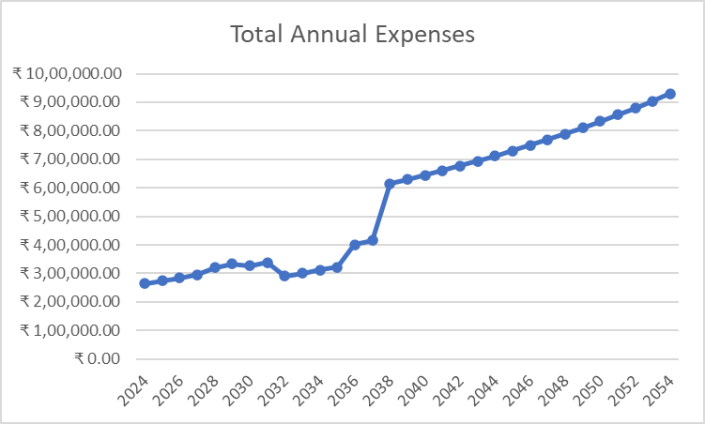
 |  | Note: Daughter | College in matunga (VJTI)
 |  |  | She stays in chembur
 |  |  | Chembur to Matunga tarvel cost by train

 |  | Avg cost 1 way: | 20
 |  | 2 way cost | 40
 |  | Monthly | 960
 |  | CURRENT COST (2024) | 11,520.00
 |  | INFLATED COST (2028) | 12,818.38 | growth at transportation inflation

 |  | Note: Son and mother work near the house so they walk and travel

 | EMI Calculation for Home Loan
 | Current price of 2BHK in Virar(2024) | 33 lacs
 | Estimated price in 2038 assuming property prices double in 10 years | 80 lacs
 | Term | 30 years
 | Interest rate | 7%
 | down payment | 3780000
 | EMI | 28027

 | (detailed working explained ahead )

