Sheet1
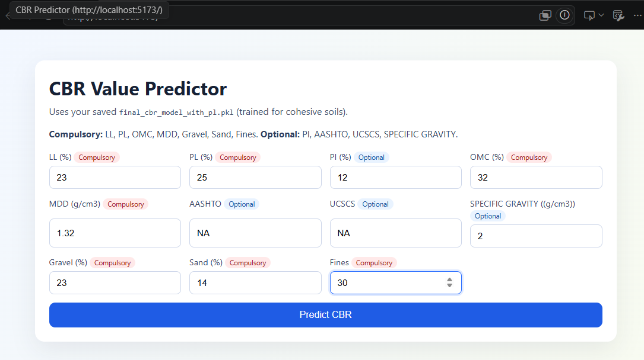
===== MISSING % ===== | Model | R簡 | Model | Feature Set | R簡 | Fold | R簡 |  | step 7 |  | step 8 data imbalance |  | step 8 |  | step 9 feature importance - |  | stepp11 |  |  |  |  |  | step 11 - |  |  |  | shap summary -
doi 98.323755 | Linear Regression | 0.2718 | Linear Regression | With PI | 0.2718 | Fold 1 | -2.9666 |  | Method | Mean R簡 | Soil Type | Count | Soil Type | Mean R簡 | Feature | Importance | Residual Error Range | Before Filtering | After Filtering | Metric | Before Filtering | After Filtering | Fold | Actual CBR | Predicted CBR | Residual | Feature Mean_ABS_SHAP
SPECIFIC_GRAVITY_g/cm3 77.394636 | Random Forest | 0.5278 | Random Forest | With PI | 0.5278 | Fold 2 | -0.7163 |  | Without Imputation | 0.6766 | Cohesive | 1866 | Cohesive | 0.8806 | MDD | 0.2994 | 0 to 1 | 1326 | 1326 | Sample Count | 1866 | 1679 | 1 | 2.12 | 3.2104 | 1.0904 | MDD 5.334546
Gravel_ 61.685824 | XGBoost | 0.6037 | XGBoost | With PI | 0.6037 | Fold 3 | 0.1741 |  | With Imputation | 0.7412 | Granular | 177 | Granular | 0.6083 | Gravel | 0.2288 | 1 to 2 | 288 | 288 | Mean Residual Error | 1.0068 | 0.6042 | 1 | 2.66 | 3.6008 | 0.9408 | Gravel 4.364500
Sand_ 57.375479 |  |  | Linear Regression | Without PI | 0.0855 | Fold 4 | -0.0214 |  |  |  | Mixed | 45 | Cohesive soil modeling performed much better and more reliably than granular soil modeling. |  | OMC/MDD | 0.1368 | 2 to 3 | 98 | 65 | Median Residual Error | 0.4935 | 0.408 | 1 | 4.29 | 4.4506 | 0.1606 | OMC_MDD 1.340066
PL_ 39.224138 | Step 5 |  | Random Forest | Without PI | 0.4523 | Fold 5 | 0.6577 |  |  |  | Pie chart |  |  |  | Fines | 0.1015 | 3 to 5 | 96 | 0 | Standard Deviation | 1.4865 | 0.5813 | 1 | 3.65 | 3.8878 | 0.2378 | Sand 1.275944
Fines 36.254789 |  |  | XGBoost | Without PI | 0.6393 |  | Above and below connected |  |  |  |  |  |  |  | OMC | 0.0906 | 5 to 10 | 52 | 0 | Maximum Residual Error | 14.6988 | 2.4943 | 1 | 4.23 | 6.733 | 2.503 | OMC 1.081302
PI_ 16.427203 |  |  |  |  |  |  |  |  |  |  |  |  |  |  | LL x OMC | 0.0501 | 10 to 20 | 6 | 0 |  |  |  | 1 | 3.87 | 3.6763 | 0.1937 | Fines 0.738490
LL_ 16.283525 |  |  | Step 5b |  |  |  | Graph Element | Value |  |  |  |  |  |  | LL | 0.0344 |  |  |  |  |  |  | 1 | 6.46 | 5.1769 | 1.2831 | PL 0.625503
OMC_ 12.452107 |  |  |  |  |  |  | X-axis | Fold 1 to Fold 5 |  |  |  |  |  |  | LL/MDD | 0.0321 |  | Main MessageResidual filtering removed high-error samples and reduced the error spread, improving model reliability. |  |  |  |  | 1 | 4.42 | 5.5514 | 1.1314 | LL 0.537609
MDDg/cm3 9.291188 |  |  |  |  |  |  | Y-axis | R簡 |  |  |  |  |  |  | Sand | 0.0263 |  |  |  |  |  |  | 1 | 4.18 | 4.6077 | 0.4277 | LL_OMC 0.441530
AASHTO 0.047893 |  |  |  |  |  |  | Chart Type | Line graph |  |  |  |  |  |  |  |  |  |  |  |  |  |  | 1 | 3.42 | 4.4159 | 0.9959 | LL_MDD 0.301403
UCSCS 0.000000 |  |  |  |  |  |  | Main Message | Shows instability in cross-validation performance |  |  |  |  |  |  |  |  |  |  |  |  |  |  | Metric | Value
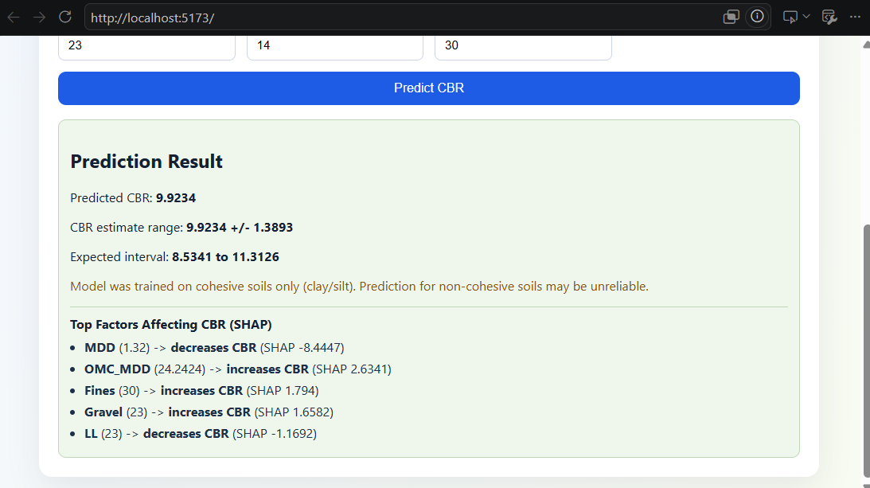
CBR_ 0.000000 |  |  |  |  |  |  |  |  |  |  |  |  |  |  |  |  |  |  |  |  |  |  | Model | Step 11 Best XGBoost
 |  |  |  |  |  |  |  |  |  |  |  |  |  |  |  |  |  |  |  |  |  |  | Data Used | Residual-filtered cohesive soil data
 |  |  |  |  |  |  |  |  |  |  |  |  |  |  |  |  |  |  |  |  |  |  | Number of Points | 1679
 |  |  |  |  |  |  |  |  |  |  |  |  |  |  |  |  |  |  |  |  |  |  | Validation R簡 | 0.91
 |  |  |  |  |  |  |  |  |  |  |  |  |  |  |  |  |  |  |  |  |  |  | RMSE | 3.9681

