Sheet1
 |  | Give an aggregated safety score for this picture. Instruction: First, allocate a score between 0-10 for each of the following factors. If you are unsure about a particular aspect, give it a score of 5. My aggregated score will be the average of all individual scores. Factors: Vegetation Overgrowth, Live Wires, Structural Integrity, Falling Objects, Access Issues.
Expt. No. | Score
1 | 5.6
2 | 5
3 | 4.8
4 | 4.6
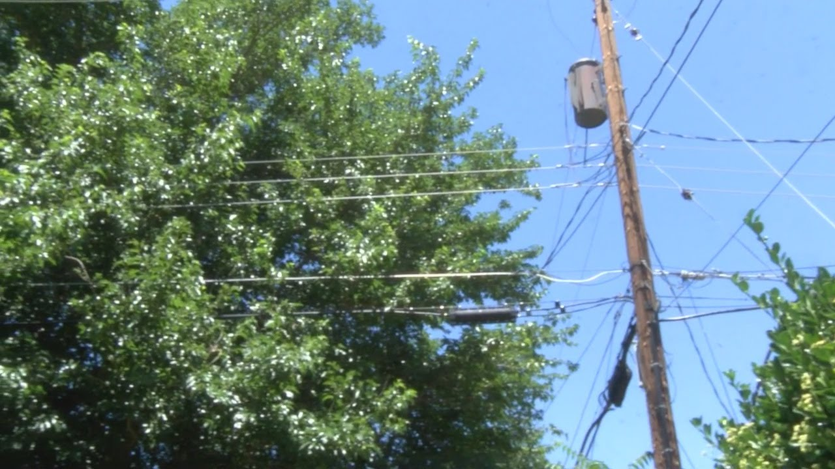
5 | 4.4
6 | 4.6
7 | 4.4
8 | 5
9 | 6.4
10 | 5
11 | 4.8
12 | 4.4

 |  | https://www.krqe.com/news/neighbors-concerned-with-tree-branches-hitting-power-lines-sparking/

Sheet2
 |  | Give an aggregated safety score for this picture. Instruction: First, allocate a score between 0-10 for each of the following factors. If you are unsure about a particular aspect, give it a score of 5. My aggregated score will be the average of all individual scores. Factors: Vegetation Overgrowth, Live Wires, Structural Integrity, Falling Objects, Access Issues.
Expt. No. | Score
1 | 6.2
2 | 7
3 | 5.6
4 | 5.6
5 | 7.6
6 | 7
7 | 6
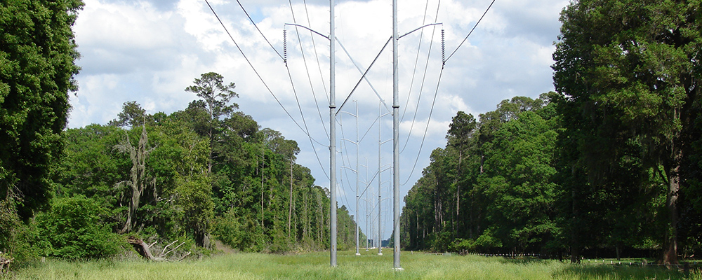
8 | 6.2
9 | 7.6
10 | 6.4
11 | 7.6
12 | 6.4
13 | 6

 |  | https://www.jea.com/about/electric_generation/reliability/vegetation_management/

Sheet3
 |  | Give an aggregated safety score for this picture. Instruction: First, allocate a risk score between 0-10 for each of the following factors with 0 being the high risk. If you are unsure about a particular aspect, give it a score of 5. My aggregated score will be the average of all individual scores. Factors: Vegetation Overgrowth, Live Wires, Structural Integrity, Falling Objects, Access Issues.
Expt. No. | Score
1 | 4.2
2 | 4.8
3 | 4.2
4 | 4.2
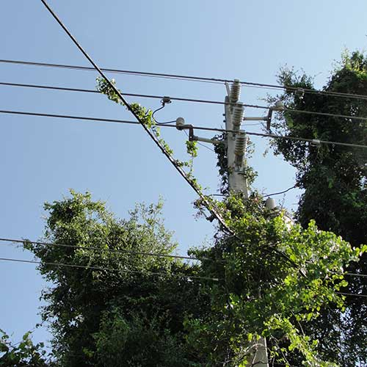
5 | 3.8
6 | 3.4
7 | 5
8 | 4.8
9 | 4.4
10 | 4.2
11 | 4.6
12 | 5

 |  | https://www.jea.com/about/electric_systems/reliability/vegetation_management/vine_maintenance/

Sheet4
 |  | Give an aggregated safety score for this picture. Instruction: First, allocate a risk score between 0-10 for each of the following factors with 0 being the high risk and 10 being the low risk. If you are unsure about a particular aspect, give it a score of 5. My aggregated score will be the average of all individual scores. Factors: Vegetation Overgrowth, Live Wires, Structural Integrity, Falling Objects, Access Issues, Fire, and Smoke Inhalation.
Expt. No. | Score
1 | 2
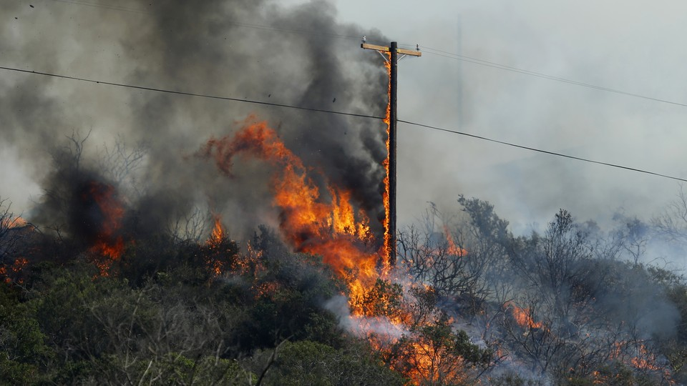
2 | 1.71
3 | 2.43
4 | 1.57
5 | 2.71
6 | 1.86
7 | 1.71
8 | 2.71
9 | 1.86
10 | 1.71
11 | 1.86

 |  | https://www.theatlantic.com/technology/archive/2018/05/power-lines-are-burning-the-west/561212/

Sheet5
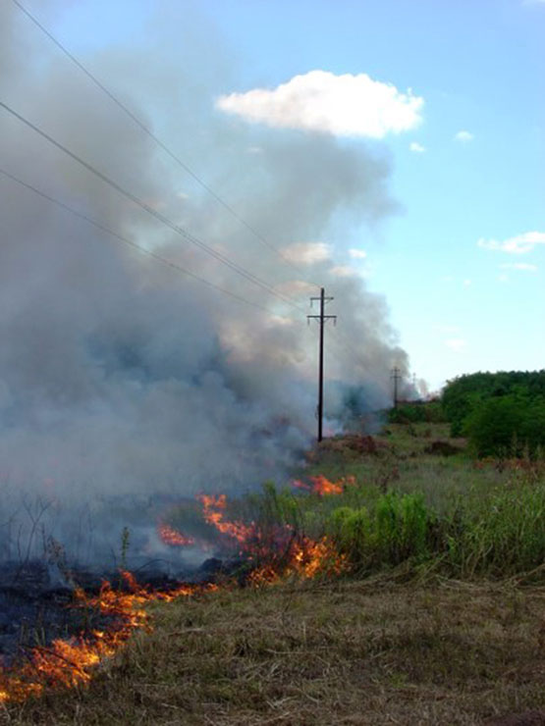
 |  | Give an aggregated safety score for this picture. Instruction: First, allocate a risk score between 0-10 for each of the following factors with 0 being the high risk and 10 being the low risk. If you are unsure about a particular aspect, give it a score of 5. My aggregated score will be the average of all individual scores. Factors: Vegetation Overgrowth, Live Wires, Structural Integrity, Falling Objects, Access Issues, Fire, and Smoke Inhalation.
Expt. No. | Score
1 | 3
2 | 3.71
3 | 5.14
4 | 3.57
5 | 3.57
6 | 3.43
7 | 3.43
8 | 3.14
9 | 3.29
10 | 3.71
11 | 2.57

 |  | https://www.hunter-ed.com/prescribedburn/studyGuide/Smoke-Powerlines/203025_169533/

Sheet6
 |  | Give an aggregated safety score for this picture. Instruction: First, allocate a risk score between 0-10 for each of the following factors with 0 being the high risk and 10 being the low risk. If you are unsure about a particular aspect, give it a score of 5. My aggregated score will be the average of all individual scores. Factors: Vegetation Overgrowth, Live Wires, Structural Integrity, Falling Objects, Access Issues, Fire, and Smoke Inhalation.
Expt. No. | Score
1 | 7.86
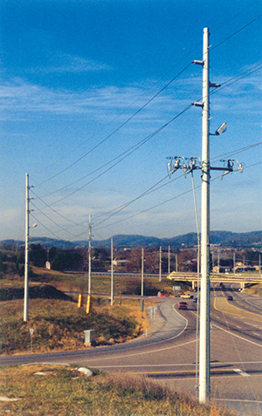
2 | 8.29
3 | 9.29
4 | 8.71
5 | 8.29
6 | 7.71
7 | 8.57
8 | 7.86
9 | 8.14
10 | 8.29
11 | 7.86
12 | 8.29

 |  | https://www.strongwell.com/case-study-se28-pole-ideal-for-fast-track-project/

