Defects
Defect Id. | Module | Summary | Description | Expected Output | Actual output | Defect Priority | Assigned To | Status | Screenshot
D1 | Login | Login with Invalid Credentials | When attempting login with invalid username or password, the system does not provide a relevant error message and remains unresponsive. Steps : 1. Open URL. 1. Login to Booking Applictaion. 2. Enter Invalid user name/password 3.. Click on "Login" button 4. Observe the system respons. | The system should display an error message indicating invalid credentials. | The system should displayed an error message indicating invalid credentials. | High | pathanasifkhan461@gmail.com | Open | 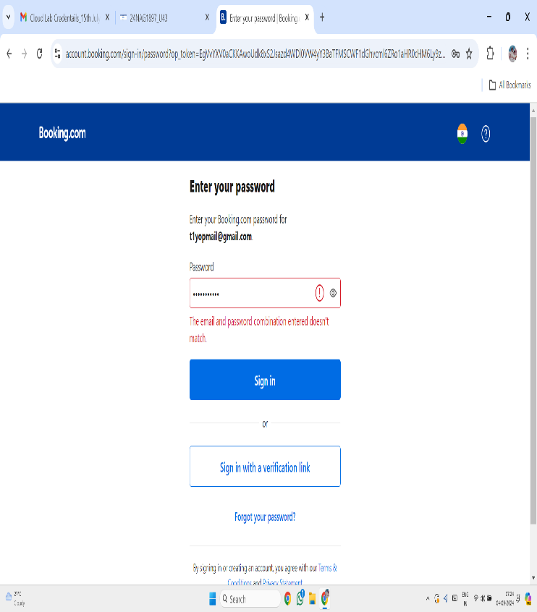
D2 | Booking | Errors during the booking process | Steps: 1. Login to BookingApplication. 2. Enter hotel details and select hotel 3. Navigate to payments Page. 4. Submit and observe the system response. | After booking a hotel room,you receive an email confirmation with accurate details(hotel name,room type,and price). | The condirmation email contains incorrect details such as wrong dates or romm type. | High | pathanasifkhan461@gmail.com | Open | 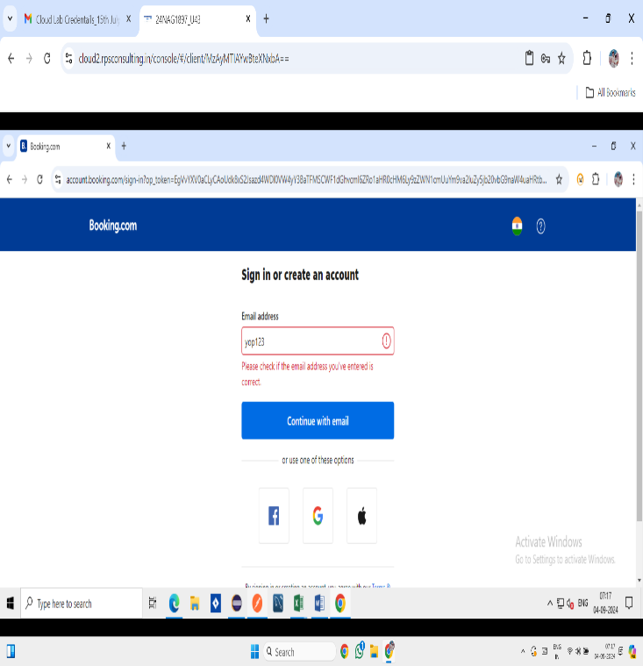
D3 | Register | Registration with Weak Password | The registration process allows passwords that do not meet the minimum security requirement (e.g., less than 8 characters). Steps to reproduce: 1) Enter a password with less than 8 characters. 2) Complete the registration form. 3) Submit and observe if the system accepts the weak password. | The system should rejects passwords that are less than 8 characters and prompt for a stronger password. | The system should rejected passwords that are less than 8 characters and prompt for a stronger password. | High | pathanasifkhan461@gmail.com | Open | 
D4 | Filter | Filtering Hotels by Non-Existent Property | The filtering feature fails to handle non-existent property types properly, leading to incorrect or incomplete results. Steps to reproduce: 1) Apply a filter with a property type that does not exist. 2) Observe if the search results reflect this filter correctly. | The system should display a message indicating that no results were found for the selected property type. | The system should displayed a message indicating that no results were found for the selected property type. | High | pathanasifkhan461@gmail.com | Open | 