COMMS
Communication Register
RS[5:0]=0,0,0,0,0
The communications register is an 8-bit write-only register. All communications to the part must start with a write operation to the
communications register.
 | /WEN(0) Write Enable | (R/W) Read = 1 Write = 0 | Register Select Bit 5 | Regester Select Bit 4 | Regester Select Bit 3 | Regester Select Bit 2 | Regester Select Bit 1 | Regester Select Bit 0
Commmand | BIT 7 | BIT 6 | BIT 5 | BIT 4 | BIT 3 | BIT 2 | BIT 1 | BIT 0 | hex
COMMUNICATIONS REGISTER write | 0 | 0 | 0 | 0 | 0 | 0 | 0 | 0 | 00
STATUS REGISTER read | 0 | 1 | 0 | 0 | 0 | 0 | 0 | 0 | 40
ADC_CONTROL REGISTER read | 0 | 1 | 0 | 0 | 0 | 0 | 0 | 1 | 41
ADC_CONTROL REGISTER write | 0 | 0 | 0 | 0 | 0 | 0 | 0 | 1 | 01
DATA REGISTER read | 0 | 1 | 0 | 0 | 0 | 0 | 1 | 0 | 42
IO_CONTROL_1 REGISTER read | 0 | 1 | 0 | 0 | 0 | 0 | 1 | 1 | 43
IO_CONTROL_1 REGISTER write | 0 | 0 | 0 | 0 | 0 | 0 | 1 | 1 | 03
IO_CONTROL_2 REGISTER read | 0 | 1 | 0 | 0 | 0 | 1 | 0 | 0 | 44
IO_CONTROL_2 REGISTER write | 0 | 0 | 0 | 0 | 0 | 1 | 0 | 0 | 04
ID REGISTER read | 0 | 1 | 0 | 0 | 0 | 1 | 0 | 1 | 45
ERROR REGISTER read | 0 | 1 | 0 | 0 | 0 | 1 | 1 | 0 | 46
ERROR ENABLE read | 0 | 1 | 0 | 0 | 0 | 1 | 1 | 1 | 47
ERROR ENABLE write | 0 | 0 | 0 | 0 | 0 | 1 | 1 | 1 | 07
MCLK_COUNT read | 0 | 1 | 0 | 0 | 1 | 0 | 0 | 0 | 48
CHANNEL_0 REGISTER read | 0 | 1 | 0 | 0 | 1 | 0 | 0 | 1 | 49
CHANNEL_0 REGISTER write | 0 | 0 | 0 | 0 | 1 | 0 | 0 | 1 | 09
CHANNEL_1 REGISTER read | 0 | 1 | 0 | 0 | 1 | 0 | 1 | 0 | 4A
CHANNEL_1 REGISTER write | 0 | 0 | 0 | 0 | 1 | 0 | 1 | 0 | 0A
CHANNEL_2 REGISTER read | 0 | 1 | 0 | 0 | 1 | 0 | 1 | 1 | 4B
CHANNEL_2 REGISTER write | 0 | 0 | 0 | 0 | 1 | 0 | 1 | 1 | 0B
CHANNEL_3 REGISTER read | 0 | 1 | 0 | 0 | 1 | 1 | 0 | 0 | 4C
CHANNEL_3 REGISTER write | 0 | 0 | 0 | 0 | 1 | 1 | 0 | 0 | 0C
CHANNEL_4 REGISTER read | 0 | 1 | 0 | 0 | 1 | 1 | 0 | 1 | 4D
CHANNEL_4 REGISTER write | 0 | 0 | 0 | 0 | 1 | 1 | 0 | 1 | 0D
CHANNEL_5 REGISTER read | 0 | 1 | 0 | 0 | 1 | 1 | 1 | 0 | 4E
CHANNEL_5 REGISTER write | 0 | 0 | 0 | 0 | 1 | 1 | 1 | 0 | 0E
CHANNEL_6 REGISTER read | 0 | 1 | 0 | 0 | 1 | 1 | 1 | 1 | 4F
CHANNEL_6 REGISTER write | 0 | 0 | 0 | 0 | 1 | 1 | 1 | 1 | 0F
CHANNEL_7 REGISTER read | 0 | 1 | 0 | 1 | 0 | 0 | 0 | 0 | 50
CHANNEL_7 REGISTER write | 0 | 0 | 0 | 1 | 0 | 0 | 0 | 0 | 10
CHANNEL_8 REGISTER read | 0 | 1 | 0 | 1 | 0 | 0 | 0 | 1 | 51
CHANNEL_8 REGISTER write | 0 | 0 | 0 | 1 | 0 | 0 | 0 | 1 | 11
CHANNEL_9 REGISTER read | 0 | 1 | 0 | 1 | 0 | 0 | 1 | 0 | 52
CHANNEL_9 REGISTER write | 0 | 0 | 0 | 1 | 0 | 0 | 1 | 0 | 12
CHANNEL_10 REGISTER read | 0 | 1 | 0 | 1 | 0 | 0 | 1 | 1 | 53
CHANNEL_10 REGISTER write | 0 | 0 | 0 | 1 | 0 | 0 | 1 | 1 | 13
CHANNEL_11 REGISTER read | 0 | 1 | 0 | 1 | 0 | 1 | 0 | 0 | 54
CHANNEL_11 REGISTER write | 0 | 0 | 0 | 1 | 0 | 1 | 0 | 0 | 14
CHANNEL_12 REGISTER read | 0 | 1 | 0 | 1 | 0 | 1 | 0 | 1 | 55
CHANNEL_12 REGISTER write | 0 | 0 | 0 | 1 | 0 | 1 | 0 | 1 | 15
CHANNEL_13 REGISTER read | 0 | 1 | 0 | 1 | 0 | 1 | 1 | 0 | 56
CHANNEL_13 REGISTER write | 0 | 0 | 0 | 1 | 0 | 1 | 1 | 0 | 16
CHANNEL_14 REGISTER read | 0 | 1 | 0 | 1 | 0 | 1 | 1 | 1 | 57
CHANNEL_14 REGISTER write | 0 | 0 | 0 | 1 | 0 | 1 | 1 | 1 | 17
CHANNEL_15 REGISTER read | 0 | 1 | 0 | 1 | 1 | 0 | 0 | 0 | 58
CHANNEL_15 REGISTER write | 0 | 0 | 0 | 1 | 1 | 0 | 0 | 0 | 18
CONFIG_0 REGISTER read | 0 | 1 | 0 | 1 | 1 | 0 | 0 | 1 | 59
CONFIG_0 REGISTER write | 0 | 0 | 0 | 1 | 1 | 0 | 0 | 1 | 19
CONFIG_1 REGISTER read | 0 | 1 | 0 | 1 | 1 | 0 | 1 | 0 | 5A
CONFIG_1 REGISTER write | 0 | 0 | 0 | 1 | 1 | 0 | 1 | 0 | 1A
CONFIG_2 REGISTER read | 0 | 1 | 0 | 1 | 1 | 0 | 1 | 1 | 5B
CONFIG_2 REGISTER write | 0 | 0 | 0 | 1 | 1 | 0 | 1 | 1 | 1B
CONFIG_3 REGISTER read | 0 | 1 | 0 | 1 | 1 | 1 | 0 | 0 | 5C
CONFIG_3 REGISTER write | 0 | 0 | 0 | 1 | 1 | 1 | 0 | 0 | 1C
CONFIG_4 REGISTER read | 0 | 1 | 0 | 1 | 1 | 1 | 0 | 1 | 5D
CONFIG_4 REGISTER write | 0 | 0 | 0 | 1 | 1 | 1 | 0 | 1 | 1D
CONFIG_5 REGISTER read | 0 | 1 | 0 | 1 | 1 | 1 | 1 | 0 | 5E
CONFIG_5 REGISTER write | 0 | 0 | 0 | 1 | 1 | 1 | 1 | 0 | 1E
CONFIG_6 REGISTER read | 0 | 1 | 0 | 1 | 1 | 1 | 1 | 1 | 5F
CONFIG_6 REGISTER write | 0 | 0 | 0 | 1 | 1 | 1 | 1 | 1 | 1F
CONFIG_7 REGISTER read | 0 | 1 | 1 | 0 | 0 | 0 | 0 | 0 | 60
CONFIG_7 REGISTER write | 0 | 0 | 1 | 0 | 0 | 0 | 0 | 0 | 20
FILTER_0 REGISTER read | 0 | 1 | 1 | 0 | 0 | 0 | 0 | 1 | 61
FILTER_0 REGISTER write | 0 | 0 | 1 | 0 | 0 | 0 | 0 | 1 | 21
FILTER_1 REGISTER read | 0 | 1 | 1 | 0 | 0 | 0 | 1 | 0 | 62
FILTER_1 REGISTER write | 0 | 0 | 1 | 0 | 0 | 0 | 1 | 0 | 22
FILTER_2 REGISTER read | 0 | 1 | 1 | 0 | 0 | 0 | 1 | 1 | 63
FILTER_2 REGISTER write | 0 | 0 | 1 | 0 | 0 | 0 | 1 | 1 | 23
FILTER_3 REGISTER read | 0 | 1 | 1 | 0 | 0 | 1 | 0 | 0 | 64
FILTER_3 REGISTER write | 0 | 0 | 1 | 0 | 0 | 1 | 0 | 0 | 24
FILTER_4 REGISTER read | 0 | 1 | 1 | 0 | 0 | 1 | 0 | 1 | 65
FILTER_4 REGISTER write | 0 | 0 | 1 | 0 | 0 | 1 | 0 | 1 | 25
FILTER_5 REGISTER read | 0 | 1 | 1 | 0 | 0 | 1 | 1 | 0 | 66
FILTER_5 REGISTER write | 0 | 0 | 1 | 0 | 0 | 1 | 1 | 0 | 26
FILTER_6 REGISTER read | 0 | 1 | 1 | 0 | 0 | 1 | 1 | 1 | 67
FILTER_6 REGISTER write | 0 | 0 | 1 | 0 | 0 | 1 | 1 | 1 | 27
FILTER_7 REGISTER read | 0 | 1 | 1 | 0 | 1 | 0 | 0 | 0 | 68
FILTER_7 REGISTER write | 0 | 0 | 1 | 0 | 1 | 0 | 0 | 0 | 28
OFFSET_0 REGISTER read | 0 | 1 | 1 | 0 | 1 | 0 | 0 | 1 | 69
OFFSET_0 REGISTER write | 0 | 0 | 1 | 0 | 1 | 0 | 0 | 1 | 29
OFFSET_1 REGISTER read | 0 | 1 | 1 | 0 | 1 | 0 | 1 | 0 | 6A
OFFSET_1 REGISTER write | 0 | 0 | 1 | 0 | 1 | 0 | 1 | 0 | 2A
OFFSET_2 REGISTER read | 0 | 1 | 1 | 0 | 1 | 0 | 1 | 1 | 6B
OFFSET_2 REGISTER write | 0 | 0 | 1 | 0 | 1 | 0 | 1 | 1 | 2B
OFFSET_3 REGISTER read | 0 | 1 | 1 | 0 | 1 | 1 | 0 | 0 | 6C
OFFSET_3 REGISTER write | 0 | 0 | 1 | 0 | 1 | 1 | 0 | 0 | 2C
OFFSET_4 REGISTER read | 0 | 1 | 1 | 0 | 1 | 1 | 0 | 1 | 6D
OFFSET_4 REGISTER write | 0 | 0 | 1 | 0 | 1 | 1 | 0 | 1 | 2D
OFFSET_5 REGISTER read | 0 | 1 | 1 | 0 | 1 | 1 | 1 | 0 | 6E
OFFSET_5 REGISTER write | 0 | 0 | 1 | 0 | 1 | 1 | 1 | 0 | 2E
OFFSET_6 REGISTER read | 0 | 1 | 1 | 0 | 1 | 1 | 1 | 1 | 6F
OFFSET_6 REGISTER write | 0 | 0 | 1 | 0 | 1 | 1 | 1 | 1 | 2F
OFFSET_7 REGISTER read | 0 | 1 | 1 | 1 | 0 | 0 | 0 | 0 | 70
OFFSET_7 REGISTER write | 0 | 0 | 1 | 1 | 0 | 0 | 0 | 0 | 30
GAIN_0 REGISTER read | 0 | 1 | 1 | 1 | 0 | 0 | 0 | 1 | 71
GAIN_0 REGISTER write | 0 | 0 | 1 | 1 | 0 | 0 | 0 | 1 | 31
GAIN_1 REGISTER read | 0 | 1 | 1 | 1 | 0 | 0 | 1 | 0 | 72
GAIN_1 REGISTER write | 0 | 0 | 1 | 1 | 0 | 0 | 1 | 0 | 32
GAIN_2 REGISTER read | 0 | 1 | 1 | 1 | 0 | 0 | 1 | 1 | 73
GAIN_2 REGISTER write | 0 | 0 | 1 | 1 | 0 | 0 | 1 | 1 | 33
GAIN_3 REGISTER read | 0 | 1 | 1 | 1 | 0 | 1 | 0 | 0 | 74
GAIN_3 REGISTER write | 0 | 0 | 1 | 1 | 0 | 1 | 0 | 0 | 34
GAIN_4 REGISTER read | 0 | 1 | 1 | 1 | 0 | 1 | 0 | 1 | 75
GAIN_4 REGISTER write | 0 | 0 | 1 | 1 | 0 | 1 | 0 | 1 | 35
GAIN_5 REGISTER read | 0 | 1 | 1 | 1 | 0 | 1 | 1 | 0 | 76
GAIN_5 REGISTER write | 0 | 0 | 1 | 1 | 0 | 1 | 1 | 0 | 36
GAIN_6 REGISTER read | 0 | 1 | 1 | 1 | 0 | 1 | 1 | 1 | 77
GAIN_6 REGISTER write | 0 | 0 | 1 | 1 | 0 | 1 | 1 | 1 | 37
GAIN_7 REGISTER read | 0 | 1 | 1 | 1 | 1 | 0 | 0 | 0 | 78
GAIN_7 REGISTER write | 0 | 0 | 1 | 1 | 1 | 0 | 0 | 0 | 38

The communications register is an 8-bit, write only register. All
communications to the device must start with a write operation
to the communications register. The data written to the communications
register determines whether the next operation is a read
or write operation, and to which register this operation takes
place, the RS[5:0] bits selecting the register to be accessed.

For read or write operations, after the subsequent read or write
operation to the selected register is complete, the interface returns to where it expects a write
operation to the
communications register. This is the default state of the interface
and, on power-up or after a reset, the ADC is in this default state waiting for a write operation
to the communications
register.

In situations where the interface sequence is lost, a write
operation of at least 64 serial clock cycles with DIN high returns
the ADC to this default state by resetting the entire device.
Table 64 outlines the bit designations for the communications
register. Bit 7 denotes the first bit of the data stream.

STATUS
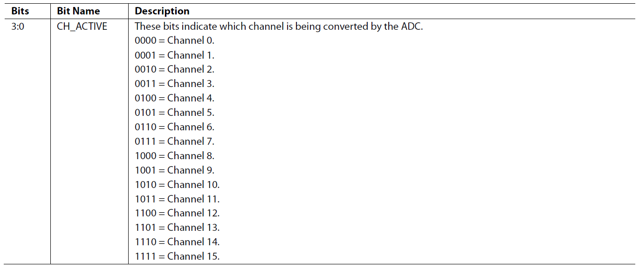
Status Register
read only register RS[5:0] = 0, 0, 0, 0, 0, 0
Power-On/Reset = 0x00)
 | /RDY(1) | ERR(0) Error | 0(0) | POR_FLAG(0) | CH_ACTIVE(0)
 | BIT 7 | BIT 6 | BIT 5 | BIT 4 | BIT 3 | BIT 2 | BIT 1 | BIT 0 | hex
Channel 1 selected | 1 | 0 | 0 | 0 | 0 | 0 | 0 | 0 | 80
Channel 2 selected | 0 | 0 | 0 | 0 | 0 | 0 | 0 | 1 | 01
Channel 3 selected | 0 | 0 | 0 | 0 | 0 | 0 | 1 | 0 | 02
Channel 4 selected | 0 | 0 | 0 | 0 | 0 | 0 | 1 | 1 | 03
Channel 5 selected | 0 | 0 | 0 | 0 | 0 | 1 | 0 | 0 | 04
Channel 6 selected | 0 | 0 | 0 | 0 | 0 | 1 | 0 | 1 | 05
Channel 7 selected | 1 | 0 | 0 | 0 | 0 | 1 | 1 | 0 | 86
Channel 8 selected | 0 | 0 | 0 | 0 | 0 | 1 | 1 | 1 | 07
Channel 9 selected | 0 | 0 | 0 | 0 | 1 | 0 | 0 | 0 | 08
Channel 10 selected | 0 | 0 | 0 | 0 | 1 | 0 | 0 | 1 | 09
Channel 11 selected | 0 | 0 | 0 | 0 | 1 | 0 | 1 | 0 | 0A
Channel 12 selected | 0 | 0 | 0 | 0 | 1 | 0 | 1 | 1 | 0B
Channel 13 selected | 0 | 0 | 0 | 0 | 1 | 1 | 0 | 0 | 0C
Channel 14 selected | 0 | 0 | 0 | 0 | 1 | 1 | 0 | 1 | 0D
Channel 15 selected | 0 | 0 | 0 | 0 | 1 | 1 | 1 | 0 | 0E

ADC_CONTROL
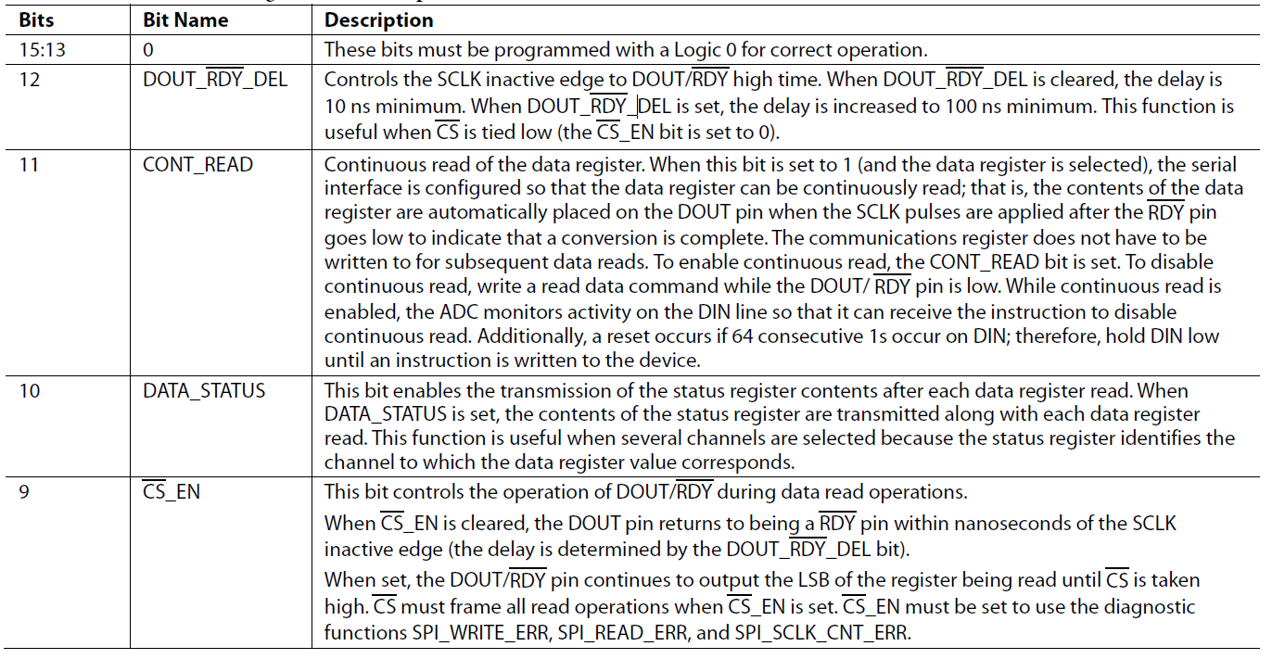
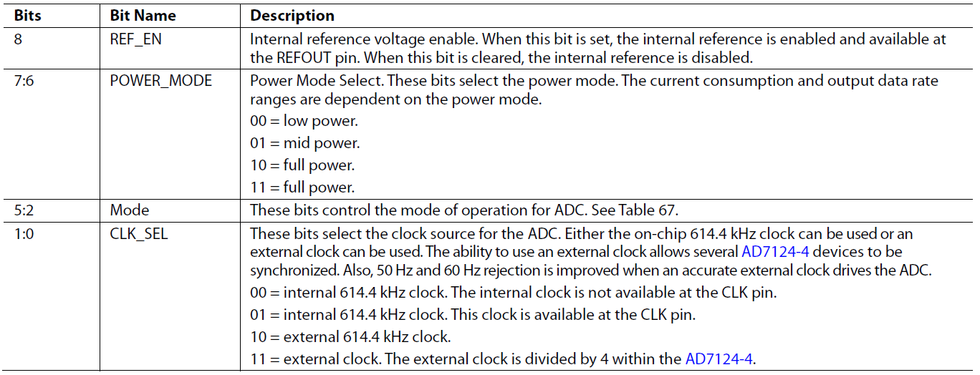
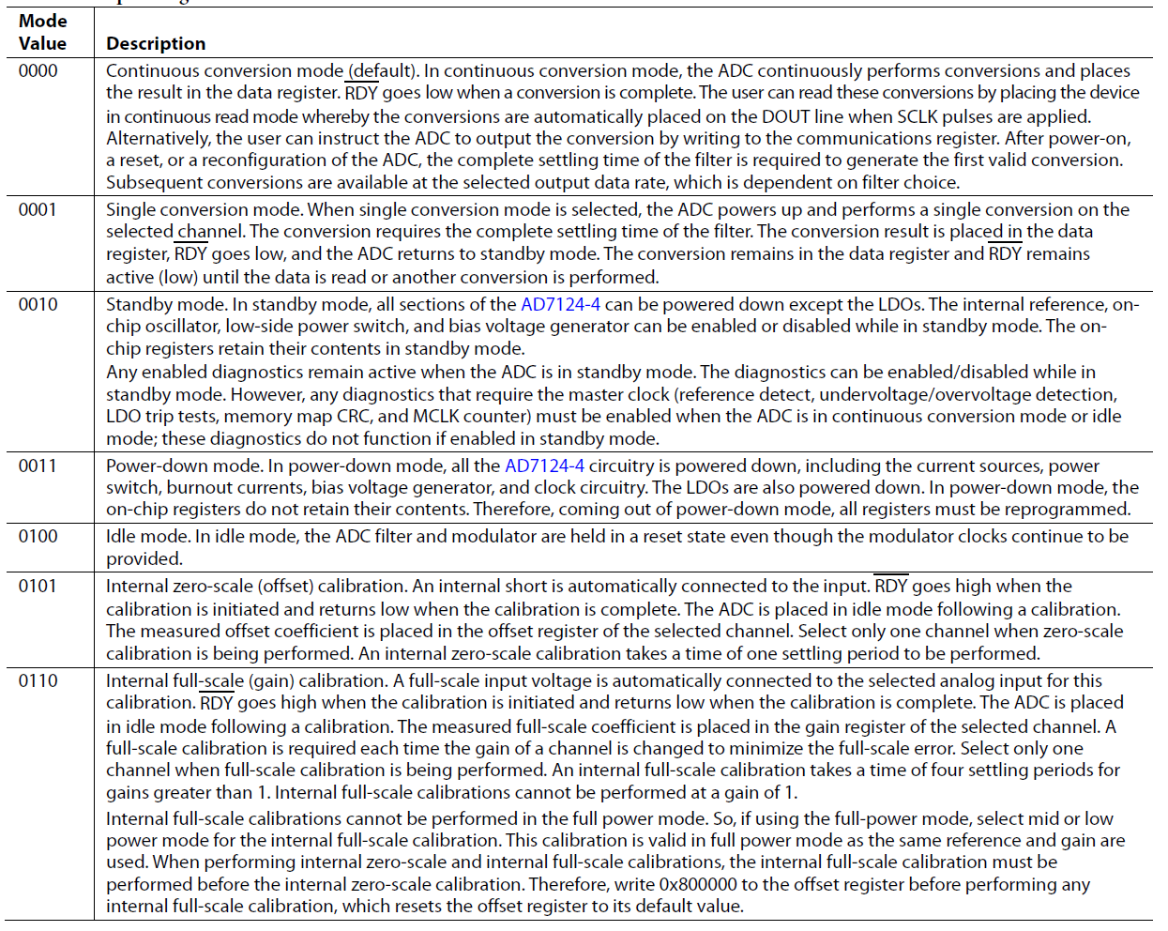
ADC_CONTROL Register
RS[5:0] = 0, 0, 0, 0, 0, 1
Power-On/Reset = 0x0000)
 | 0 (0) | 0 (0) | 0 (0) | DOUT/RDY DEL | CONT_READ | DATA_STATUS | /CS_EN | REF_EN | POWER_MODE |  | Mode |  |  |  | CLK_SEL
Command | BIT 15 | BIT 14 | BIT 13 | BIT 12 | BIT 11 | BIT 10 | BIT 9 | BIT 8 | BIT 7 | BIT 6 | BIT 5 | BIT 4 | BIT 3 | BIT 2 | BIT 1 | BIT 0 | Byt1
Read Interanl temp | 0 | 0 | 0 | 1 | 0 | 0 | 1 | 1 | 1 | 0 | 0 | 0 | 0 | 0 | 0 | 0 | 1380
 | 0 | 0 | 0 | 1 | 0 | 0 | 1 | 0 | 1 | 0 | 0 | 0 | 0 | 0 | 0 | 0 | 1280
 | 0 | 0 | 0 | 0 | 0 | 0 | 0 | 0 | 0 | 0 | 0 | 0 | 0 | 0 | 0 | 0 | 0
 | 0 | 0 | 0 | 0 | 0 | 0 | 0 | 0 | 0 | 0 | 0 | 0 | 0 | 0 | 0 | 0 | 0
 | 0 | 0 | 0 | 0 | 0 | 0 | 0 | 0 | 0 | 0 | 0 | 0 | 0 | 0 | 0 | 0 | 0
 | 0 | 0 | 0 | 0 | 0 | 0 | 0 | 0 | 0 | 0 | 0 | 0 | 0 | 0 | 0 | 0 | 0

DATA
Data Register
RS[5:0] = 0, 0, 0, 0, 1, 0
Power-On/Reset = 0x000000)
The conversion result from the ADC is stored in this data register. This is a read-only register. On completion of a read operation from
this register, the RDY bit/pin is set.
A/D bit 23 | A/D bit 22 | A/D bit 21 | A/D bit 20 | A/D bit 19 | A/D bit 18 | A/D bit 17 | A/D bit 16 | A/D bit 15 | 1 A/D bit 4 | A/D bit 13 | A/D bit 12 | A/D bit 11 | A/D bit 10 | A/D bit 9 | A/D bit 8 | A/D bit 7 | A/D bit 6 | A/D bit 5 | A/D bit 4 | A/D bit 3 | A/D bit 2 | A/D bit 1 | A/D bit 0
D23 | D22 | D21 | D20 | D19 | D18 | D17 | D16 | D15 | D14 | D13 | D12 | D11 | D10 | D9 | D8 | D7 | D6 | D5 | D4 | D3 | D2 | D1 | D0 | Byte0
0 | 0 | 0 | 0 | 0 | 0 | 0 | 0 | 0 | 0 | 0 | 0 | 0 | 0 | 0 | 0 | 0 | 0 | 0 | 0 | 0 | 0 | 0 | 0 | 0

IO_CONTROL_1
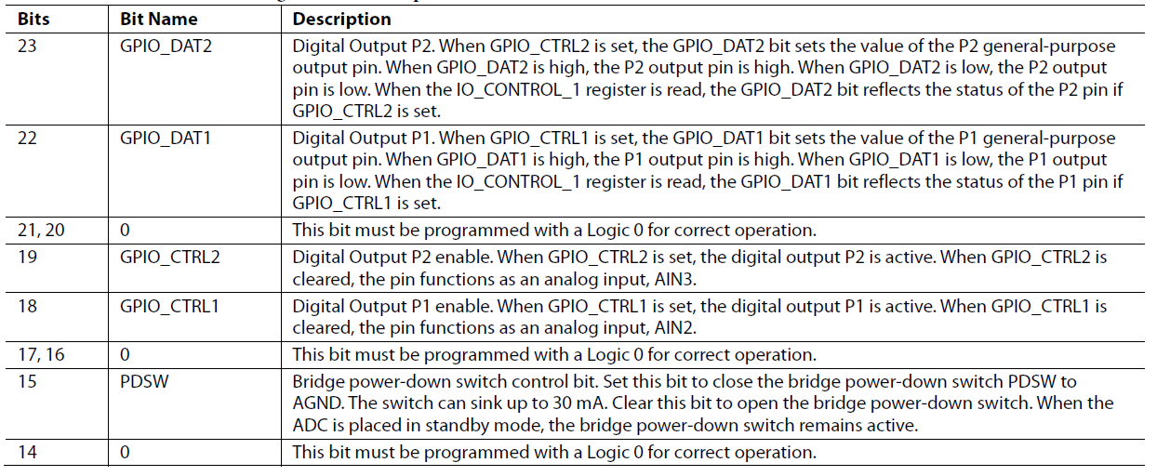
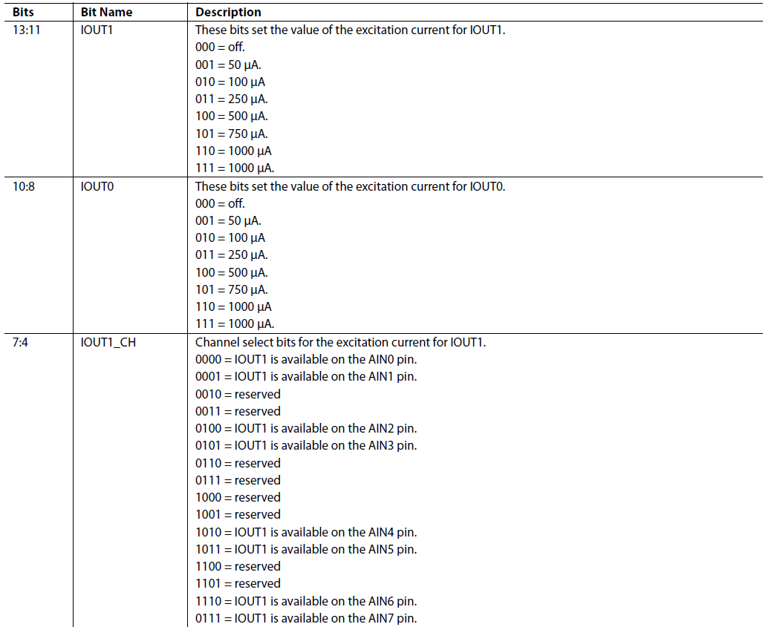
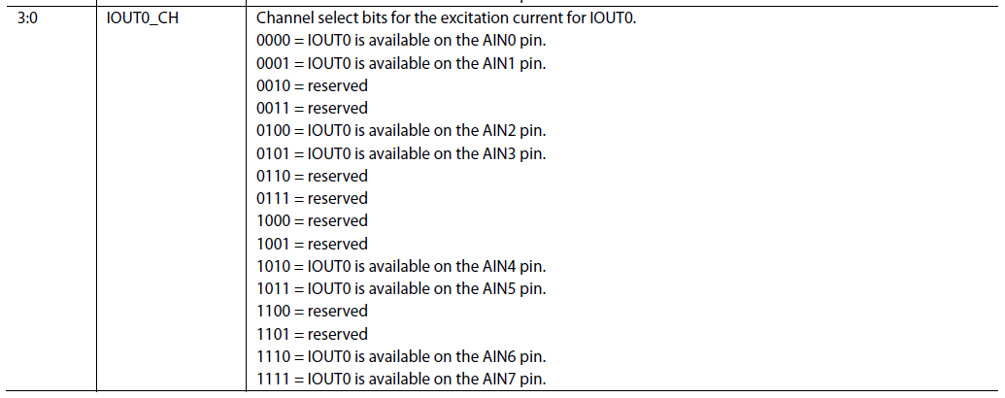
IO_CONTROL_1 Register
RS[5:0] = 0, 0, 0, 0, 1, 1
Power-On/Reset = 0x000000)
 | GPIO_DAT2 (0) | GPIO_DAT1 (0) | 0 (0) | 0 (0) | GPIO_CTRL2 (0) | GPIO_CTRL1 (0) | 0 (0) | 0 (0) | PDSW | 0 (0) | IOUT1 |  |  | IOUT0 |  |  | IOUT1_CH |  |  |  | IOUT0_CH
Command | BIT 23 | BIT 22 | BIT 21 | BIT 20 | BIT 19 | BIT 18 | BIT 17 | BIT 16 | BIT 15 | BIT 14 | BIT 13 | BIT 12 | BIT 11 | BIT 10 | BIT 9 | BIT 8 | BIT 7 | BIT 6 | BIT 5 | BIT 4 | BIT 3 | BIT 2 | BIT 1 | BIT 0 | Byt0
 | 0 | 0 | 0 | 0 | 0 | 1 | 0 | 0 | 0 | 0 | 1 | 0 | 0 | 1 | 0 | 0 | 1 | 0 | 1 | 1 | 0 | 0 | 0 | 0 | 424B0
 | 0 | 0 | 0 | 0 | 0 | 0 | 0 | 0 | 0 | 0 | 0 | 0 | 0 | 0 | 0 | 0 | 0 | 0 | 0 | 0 | 0 | 0 | 0 | 0 | 0
 | 0 | 0 | 0 | 0 | 0 | 0 | 0 | 0 | 0 | 0 | 0 | 0 | 0 | 0 | 0 | 0 | 0 | 0 | 0 | 0 | 0 | 0 | 0 | 0 | 0
 | 0 | 0 | 0 | 0 | 0 | 0 | 0 | 0 | 0 | 0 | 0 | 0 | 0 | 0 | 0 | 0 | 0 | 0 | 0 | 0 | 0 | 0 | 0 | 0 | 0

IO_CONTROL_2
IO_CONTROL_2 Register
RS[5:0] = 0, 0, 0, 1, 0, 0
Power-On/Reset = 0x000000)
 | VBIAS7 | VBIAS6 | 0 (0) | 0 (0) | VBIAS5 | VBIAS4 | 0 (0) | 0 (0) | 0 (0) | 0 (0) | VBIAS3 | VBIAS2 | 0 (0) | 0 (0) | VBIAS1 | VBIAS0
Command | BIT 15 | BIT 14 | BIT 13 | BIT 12 | BIT 11 | BIT 10 | BIT 9 | BIT 8 | BIT 7 | BIT 6 | BIT 5 | BIT 4 | BIT 3 | BIT 2 | BIT 1 | BIT 0 | Byt0
 | 0 | 0 | 0 | 0 | 0 | 0 | 0 | 0 | 0 | 0 | 0 | 0 | 0 | 0 | 0 | 0 | 0
 | 0 | 0 | 0 | 0 | 0 | 0 | 0 | 0 | 0 | 0 | 0 | 0 | 0 | 0 | 0 | 0 | 0
 | 0 | 0 | 0 | 0 | 0 | 0 | 0 | 0 | 0 | 0 | 0 | 0 | 0 | 0 | 0 | 0 | 0
 | 0 | 0 | 0 | 0 | 0 | 0 | 0 | 0 | 0 | 0 | 0 | 0 | 0 | 0 | 0 | 0 | 0
 | 0 | 0 | 0 | 0 | 0 | 0 | 0 | 0 | 0 | 0 | 0 | 0 | 0 | 0 | 0 | 0 | 0
 | 0 | 0 | 0 | 0 | 0 | 0 | 0 | 0 | 0 | 0 | 0 | 0 | 0 | 0 | 0 | 0 | 0

ID
ID Register
RS[5:0] = 0, 0, 0, 1, 0, 1
Power-On/Reset = 0x04)
Read only
The identification number for the AD7124-4 is stored in the ID register. This is a read only register.

DEVICE _ID |  |  |  | SILICON_REVISION
BIT 7 | BIT 6 | BIT 5 | BIT 4 | BIT 3 | BIT 2 | BIT 1 | BIT 0 | Byt0 | Reset Status
0 | 0 | 0 | 0 | 0 | 1 | 0 | 0 | 04 | 04

ERROR
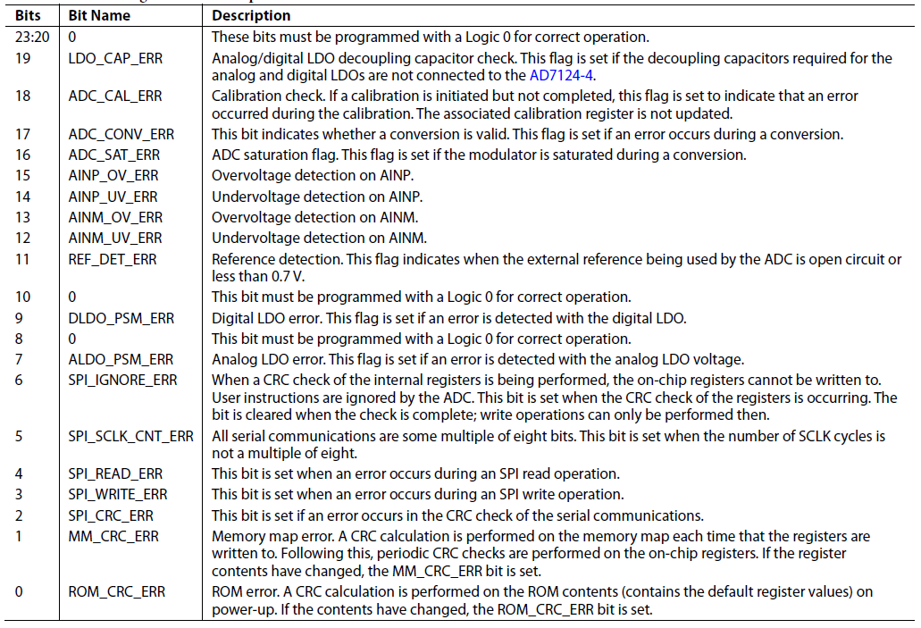
ERROR Register
RS[5:0] = 0, 0, 0, 1, 1, 0
Power-On/Reset = 0x000000)
Diagnostics, such as checking overvoltages and checking the SPI interface, are included on the AD7124-4. The error register contains the
flags for the different diagnostic functions. The functions are enabled and disabled using the ERROR_EN register.
0 (0) | 0 (0) | 0 (0) | 0 (0) | LDO_CAP_ERR | ADC_CAL_ERR | ADC_CONV_ERR | ADC_SAT_ERR | AINP_OV_ERR | AINP_UV_ERR | AINM_OV_ERR | AINM_UV_ERR | REF_DET_ERR | 0 (0) | DLDO_PSM_ERR | 0 (0) | ALDO_PSM_ERR | SPI_IGNORE_ERR | SPI_SCLK_CNT_ERR | SPI_READ_ERR | SPI_WRITE_ERR | SPI_CRC_ERR | MM_CRC_ERR | ROM_CRC_ERR
BIT 23 | BIT 22 | BIT 21 | BIT 20 | BIT 19 | BIT 18 | BIT 17 | BIT 16 | BIT 15 | BIT 14 | BIT 13 | BIT 12 | BIT 11 | BIT 10 | BIT 9 | BIT 8 | BIT 7 | BIT 6 | BIT 5 | BIT 4 | BIT 3 | BIT 2 | BIT 1 | BIT 0 | Byt0
1 | 1 | 1 | 0 | 0 | 0 | 0 | 0 | 0 | 0 | 0 | 0 | 0 | 1 | 0 | 1 | 1 | 1 | 1 | 0 | 1 | 1 | 1 | 1 | E005EF

ERROR_EN
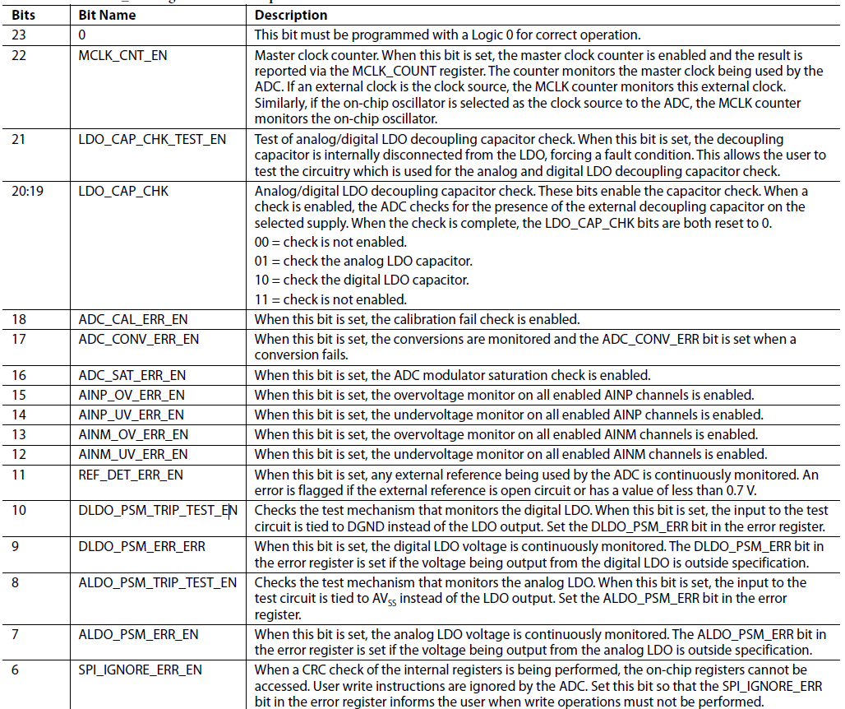
ERROR_EN Register
RS[5:0] = 0, 0, 0, 1, 1, 1
Power-On/Reset = 0x000040)
All the diagnostic functions can be enabled or disabled by setting the appropriate bits in this register.
0 (0) | MCLK_CNT_EN | LDO_CAP_CHK_TEST_EN | LDO_CAP_CHK1 | LDO_CAP_CHK0 | ADC_CAL_ERR_EN | ADC_CONV_ERR_EN | ADC_SAT_ERR_EN | AINP_OV_ERR_EN | AINP_UV_ERR_EN | AINM_OV_ERR_EN | AINM_UV_ERR_EN | REF_DET_ERR_EN | DLDO_PSM_TRIP_TEST_EN | DLDO_PSM_ERR_EN | ALDO_PSM_TRIP_TEST_EN | ALDO_PSM_ERR_EN | SPI_IGNORE_ERR_EN | SPI_SCLK_CNT_ERR_EN | SPI_READ_ERR_EN | SPI_WRITE_ERR_EN | SPI_CRC_ERR_EN | MM_CRC_ERR_EN | ROM_CRC_ERR_EN
BIT 23 | BIT 22 | BIT 21 | BIT 20 | BIT 19 | BIT 18 | BIT 17 | BIT 16 | BIT 15 | BIT 14 | BIT 13 | BIT 12 | BIT 11 | BIT 10 | BIT 9 | BIT 8 | BIT 7 | BIT 6 | BIT 5 | BIT 4 | BIT 3 | BIT 2 | BIT 1 | BIT 0 | Byt0
0 | 0 | 0 | 0 | 0 | 1 | 1 | 1 | 0 | 0 | 0 | 0 | 1 | 1 | 1 | 1 | 0 | 0 | 0 | 1 | 1 | 0 | 0 | 0 | 70F18
0 | 0 | 0 | 0 | 0 | 0 | 0 | 0 | 0 | 0 | 0 | 0 | 0 | 0 | 0 | 0 | 0 | 1 | 0 | 0 | 0 | 0 | 0 | 0 | 40

MCCLK_COUNT
MCLK_COUNT Register
RS[5:0] = 0, 0, 1, 0, 0, 0
Power-On/Reset = 0x00)
The master clock frequency can be monitored using this register.

MCLK_COUNT (0)
BIT 7 | BIT 6 | BIT 5 | BIT 4 | BIT 3 | BIT 2 | BIT 1 | BIT 0 | Byt0
0 | 0 | 0 | 0 | 0 | 0 | 0 | 0 | 00

CHANNEL REGS
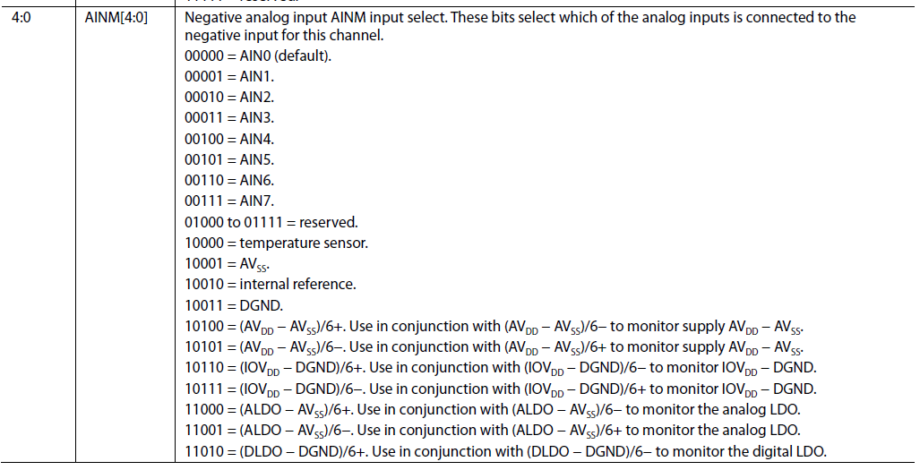
CHANNEL REGISTERS
RS[5:0] = 0, 0, 1, 0, 0, 1 to 0, 1, 1, 0, 0, 0
Power-On/Reset = 0x8001 for CHANNEL_0; all other channel registers are set to 0x0001
Sixteen channel registers are included on the AD7124-4, CHANNEL_0 to CHANNEL_15. The channel registers begin at Address 0x09
(CHANNEL_0) and end at Address 0x18 (CHANNEL_15). Via each register, the user can configure the channel (AINP input and AINM
input), enable or disable the channel, and select the setup. The setup is selectable from eight different options defined by the user. When
the ADC converts, it automatically sequences through all enabled channels. This allows the user to sample some channels multiple times
in a sequence, if required. In addition, it allows the user to include diagnostic functions in a sequence also.
 |  | Enable | Setup (0) |  |  | 0 (0) | 0 (0) | AINP |  |  |  |  | AINM
Reg# | Channel | BIT 15 | BIT 14 | BIT 13 | BIT 12 | BIT 11 | BIT 10 | BIT 9 | BIT 8 | BIT 7 | BIT 6 | BIT 5 | BIT 4 | BIT 3 | BIT 2 | BIT 1 | BIT 0 | Byt1
9 | Channel 0 (RTD) | 1 | 0 | 0 | 0 | 0 | 0 | 0 | 0 | 0 | 0 | 1 | 0 | 0 | 0 | 1 | 1 | 8023 | Setup = | 0 | AINP = | 1 | AINM= | 11 | (AINP1, AIN3)
10 | Channel 1 (Thermistor Voltage) | 1 | 0 | 0 | 1 | 0 | 0 | 0 | 0 | 1 | 0 | 1 | 0 | 0 | 1 | 1 | 0 | 90A6 | Setup = | 1 | AINP = | 101 | AINM= | 110 | (AIN5, AIN6)
11 | Channel 2 IOVDD+ | 1 | 0 | 0 | 1 | 0 | 0 | 1 | 0 | 0 | 1 | 0 | 1 | 0 | 0 | 0 | 1 | 9251 | Setup = | 1 | AINP = | 10010 | AINM= | 10001 | (Intern Ref, AVSS)
12 | Channel 3 (Internal Ref) | 1 | 0 | 0 | 0 | 0 | 0 | 1 | 0 | 0 | 1 | 0 | 1 | 0 | 0 | 1 | 1 | 8253 | Setup = | 0 | AINP = | 10010 | AINM= | 10011 | (AIN0, AIN0)
13 | Channel 4 (REFIN1) | 1 | 1 | 0 | 0 | 0 | 0 | 0 | 0 | 0 | 0 | 1 | 0 | 0 | 0 | 0 | 0 | C020 | Setup = | 4 | AINP = | 1 | AINM= | 0
14 | Channel 5 (Internal Temp Sensor) | 1 | 1 | 0 | 1 | 0 | 0 | 1 | 0 | 0 | 0 | 0 | 1 | 0 | 0 | 0 | 1 | D211 | Setup = | 5 | AINP = | 10000 | AINM= | 10001
15 | Channel 6 (VR8 AIN6) | 1 | 0 | 0 | 0 | 0 | 0 | 0 | 0 | 0 | 0 | 0 | 0 | 0 | 0 | 0 | 0 | 8000 | Setup = | 0 | AINP = | 0 | AINM= | 0
16 | Channel 7 | 1 | 0 | 0 | 0 | 0 | 0 | 0 | 0 | 1 | 1 | 0 | 1 | 0 | 0 | 1 | 1 | 80D3 | Setup = | 0 | AINP = | 110 | AINM= | 10011
17 | Channel 8 | 1 | 0 | 0 | 0 | 0 | 0 | 0 | 0 | 0 | 0 | 0 | 0 | 0 | 0 | 0 | 0 | 8000 | Setup = | 0 | AINP = | 0 | AINM= | 0
18 | Channel 9 | 1 | 0 | 0 | 0 | 0 | 0 | 0 | 0 | 0 | 0 | 0 | 0 | 0 | 0 | 0 | 0 | 8000 | Setup = | 0 | AINP = | 0 | AINM= | 0
19 | Channel 10 | 1 | 0 | 0 | 0 | 0 | 0 | 0 | 0 | 0 | 0 | 0 | 0 | 0 | 0 | 0 | 0 | 8000 | Setup = | 0 | AINP = | 0 | AINM= | 0
20 | Channel 11 | 1 | 0 | 0 | 0 | 0 | 0 | 0 | 0 | 0 | 0 | 0 | 0 | 0 | 0 | 0 | 0 | 8000 | Setup = | 0 | AINP = | 0 | AINM= | 0
21 | Channel 12 | 1 | 0 | 0 | 0 | 0 | 0 | 0 | 0 | 0 | 0 | 0 | 1 | 1 | 1 | 1 | 1 | 801F | Setup = | 0 | AINP = | 0 | AINM= | 11111
22 | Channel 13 | 1 | 0 | 0 | 0 | 0 | 0 | 0 | 0 | 0 | 0 | 0 | 0 | 0 | 0 | 0 | 0 | 8000 | Setup = | 0 | AINP = | 0 | AINM= | 0
23 | Channel 14 | 1 | 0 | 0 | 0 | 0 | 0 | 0 | 0 | 0 | 0 | 0 | 0 | 0 | 0 | 0 | 0 | 8000 | Setup = | 0 | AINP = | 0 | AINM= | 0
24 | Channel 15 | 1 | 0 | 0 | 0 | 0 | 0 | 0 | 0 | 0 | 0 | 0 | 0 | 0 | 0 | 0 | 0 | 8000 | Setup = | 0 | AINP = | 0 | AINM= | 0

 |  |  |  |  |  |  |  |  |  |  |  |  |  |  |  |  |  |  |  |  |  |  | 2

1

CONFIGURATION REGS
CONFIGURATION REGISTERS
RS[5:0] = 0, 1, 1, 0, 0, 1 to 1, 0, 0, 0, 0, 0
Power-On/Reset = 0x0860
The AD7124-4 has eight configuration registers, CONFIG_0 to CONFIG_7. Each configuration register is associated with a setup;
CONFIG_x is associated with Setup x. In the configuration register, the reference source, polarity, reference buffers enabled or disabled
are configured.
The AD7124-4 has eight configuration registers, CONFIG_0 to CONFIG_7. Each configuration register is associated with a setup;
CONFIG_x is associated with Setup x. In the configuration register, the reference source, polarity, reference buffers enabled or disabled
are configured.
Table 74 outlines the bit designations for the register. Bit 15 is the first bit of the data stream. The number in parentheses indicates the
power-on/reset default status of that bit.
 |  | 0 (0) | 0 (0) | 0 (0) | 0 (0) | Bipolar | Burnout |  | REF_BUFP | REF_BUFM | AIN_BUFP | AIN_BUFM | REF_SEL |  | PGA
Reg# | Command | BIT 15 | BIT 14 | BIT 13 | BIT 12 | BIT 11 | BIT 10 | BIT 9 | BIT 8 | BIT 7 | BIT 6 | BIT 5 | BIT 4 | BIT 3 | BIT 2 | BIT 1 | BIT 0 | Byt1 | Bipolar | Ref | Gain_Sel
25 | Setup 0 | 0 | 0 | 0 | 0 | 1 | 0 | 0 | 1 | 1 | 1 | 1 | 0 | 0 | 1 | 0 | 0 | 9E4 | TRUE | REFIN1+/- | 4 (16) | RTD
26 | Setup 1 | 0 | 0 | 0 | 0 | 0 | 0 | 0 | 1 | 1 | 1 | 1 | 1 | 0 | 0 | 0 | 0 | 1F0 | FALSE | int_ref | 0 (1)
27 | Setup 2 | 0 | 0 | 0 | 0 | 0 | 0 | 0 | 1 | 1 | 1 | 1 | 1 | 1 | 0 | 0 | 0 | 1F8 | FALSE | AVDD | 0 (1)
28 | Setup 3 | 0 | 0 | 0 | 0 | 1 | 0 | 0 | 1 | 1 | 1 | 1 | 1 | 0 | 0 | 0 | 0 | 9F0
29 | Setup 4 | 0 | 0 | 0 | 0 | 0 | 0 | 0 | 1 | 1 | 1 | 1 | 1 | 0 | 0 | 0 | 0 | 1F0
30 | Setup 5 | 0 | 0 | 0 | 0 | 0 | 0 | 0 | 0 | 0 | 0 | 0 | 0 | 0 | 0 | 0 | 0 | 0
31 | Setup 6 | 0 | 0 | 0 | 0 | 0 | 0 | 0 | 0 | 0 | 0 | 0 | 0 | 0 | 0 | 0 | 0 | 0
32 | Setup 7 | 0 | 0 | 0 | 0 | 0 | 0 | 0 | 0 | 0 | 0 | 0 | 0 | 0 | 0 | 0 | 0 | 0
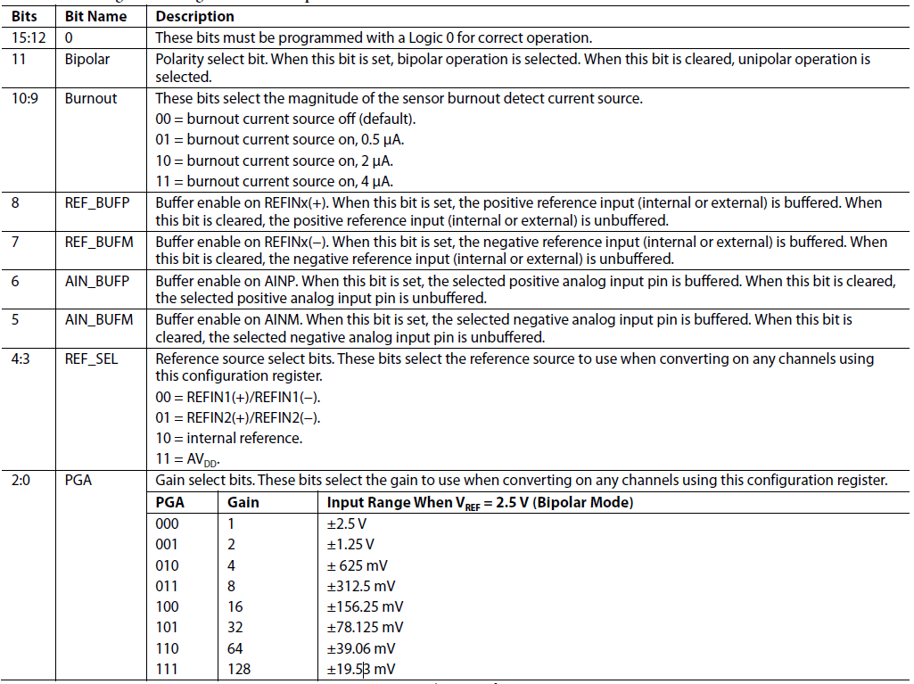

 |  |  |  |  |  |  |  |  |  |  |  |  |  |  |  |  |  |  | 1

FILTER REGS
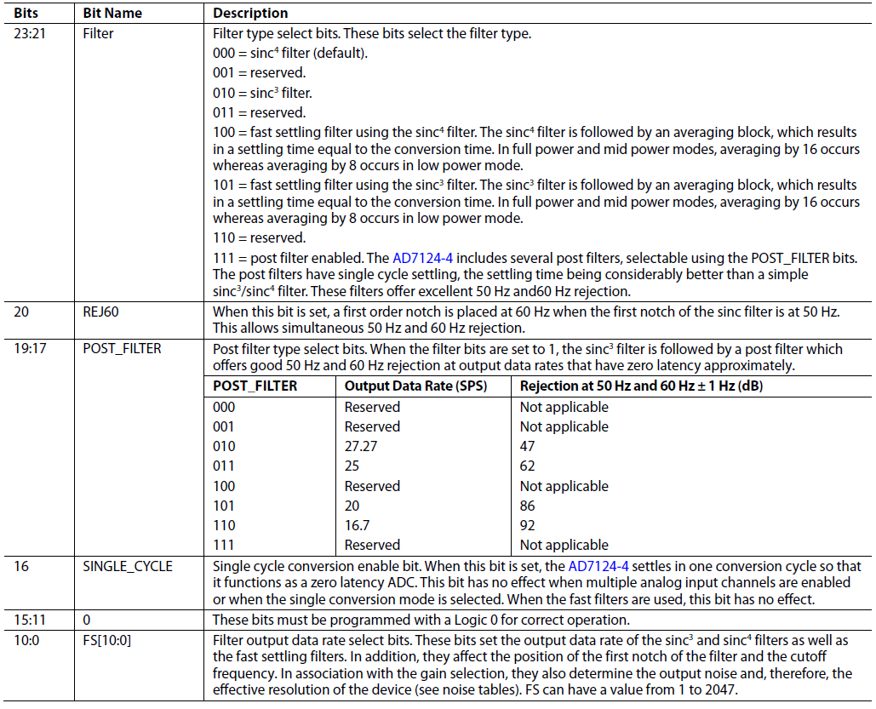
FILTER REGISTERS
RS[5:0] = 1, 0, 0, 0, 0, 1 to 1, 0, 1, 0, 0, 0
Power-On/Reset = 0x060180
The AD7124-4 has eight filter registers, FILTER_0 to FILTER_7. Each filter register is associated with a setup; FILTER_x is associated
with Setup x. In the filter register, the filter type and output word rate are set.
 |  | FILTER |  |  | REJ60 | POST_FILTER |  |  | SINGLE_CYCLE | RESERVED (0) |  |  |  |  | FS
Reg# | Registers | BIT 23 | BIT 22 | BIT 21 | BIT 20 | BIT 19 | BIT 18 | BIT 17 | BIT 16 | BIT 15 | BIT 14 | BIT 13 | BIT 12 | BIT 11 | BIT 10 | BIT 9 | BIT 8 | BIT 7 | BIT 6 | BIT 5 | BIT 4 | BIT 3 | BIT 2 | BIT 1 | BIT 0 | Byt0
33 | Filter0 | 0 | 0 | 0 | 0 | 0 | 0 | 0 | 0 | 0 | 0 | 0 | 0 | 0 | 1 | 1 | 1 | 1 | 1 | 1 | 1 | 1 | 1 | 1 | 1 | 7FF
34 | Filter1 | 0 | 0 | 0 | 0 | 0 | 0 | 0 | 0 | 0 | 0 | 0 | 0 | 0 | 0 | 0 | 0 | 0 | 0 | 0 | 0 | 0 | 0 | 0 | 0 | 0
35 | Filter2 | 0 | 0 | 0 | 0 | 0 | 0 | 0 | 0 | 0 | 0 | 0 | 0 | 0 | 0 | 0 | 0 | 0 | 0 | 0 | 0 | 0 | 0 | 0 | 0 | 0
36 | Filter3 | 0 | 0 | 0 | 0 | 0 | 0 | 0 | 0 | 0 | 0 | 0 | 0 | 0 | 0 | 0 | 0 | 0 | 0 | 0 | 0 | 0 | 0 | 0 | 0 | 0
37 | Filter4 | 0 | 0 | 0 | 0 | 0 | 0 | 0 | 0 | 0 | 0 | 0 | 0 | 0 | 0 | 0 | 0 | 0 | 0 | 0 | 0 | 0 | 0 | 0 | 0 | 0
38 | Filter5 | 0 | 0 | 0 | 0 | 0 | 1 | 1 | 0 | 0 | 0 | 0 | 0 | 0 | 0 | 0 | 1 | 1 | 0 | 0 | 0 | 0 | 0 | 0 | 0 | 60180
39 | Filter6 | 1 | 1 | 1 | 1 | 1 | 2 | 2 | 1 | 1 | 1 | 1 | 1 | 1 | 1 | 1 | 2 | 2 | 1 | 1 | 1 | 1 | 1 | 1 | 1 | 106017F
40 | Filter7 | 2 | 2 | 2 | 2 | 2 | 3 | 3 | 2 | 2 | 2 | 2 | 2 | 2 | 2 | 2 | 3 | 3 | 2 | 2 | 2 | 2 | 2 | 2 | 2 | 206017E

OFFSET REGS
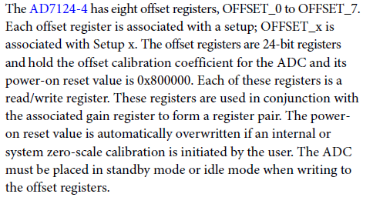
OFFSET REGISTERS
RS[5:0] = 1, 0, 1, 0, 0, 1 to 1, 1, 0, 0, 0, 0
Power-On/Reset = 0x800000
 | OFFSET 23 | OFFSET 22 | OFFSET 21 | OFFSET 20 | OFFSET 19 | OFFSET 18 | OFFSET 17 | OFFSET 16 | OFFSET 15 | OFFSET 14 | OFFSET 13 | OFFSET 12 | OFFSET 11 | OFFSET 10 | OFFSET 9 | OFFSET 8 | OFFSET 7 | OFFSET 6 | OFFSET 5 | OFFSET 4 | OFFSET 3 | OFFSET 2 | OFFSET 1 | OFFSET 0
Command | BIT 23 | BIT 22 | BIT 21 | BIT 20 | BIT 19 | BIT 18 | BIT 17 | BIT 16 | BIT 15 | BIT 14 | BIT 13 | BIT 12 | BIT 11 | BIT 10 | BIT 9 | BIT 8 | BIT 7 | BIT 6 | BIT 5 | BIT 4 | BIT 3 | BIT 2 | BIT 1 | BIT 0 | Byt0
 | 0 | 0 | 0 | 0 | 0 | 0 | 0 | 0 | 0 | 0 | 0 | 0 | 0 | 0 | 0 | 0 | 0 | 0 | 0 | 0 | 0 | 0 | 0 | 0 | 0
 | 0 | 0 | 0 | 0 | 0 | 0 | 0 | 0 | 0 | 0 | 0 | 0 | 0 | 0 | 0 | 0 | 0 | 0 | 0 | 0 | 0 | 0 | 0 | 0 | 0
 | 0 | 0 | 0 | 0 | 0 | 0 | 0 | 0 | 0 | 0 | 0 | 0 | 0 | 0 | 0 | 0 | 0 | 0 | 0 | 0 | 0 | 0 | 0 | 0 | 0
 | 0 | 0 | 0 | 0 | 0 | 0 | 0 | 0 | 0 | 0 | 0 | 0 | 0 | 0 | 0 | 0 | 0 | 0 | 0 | 0 | 0 | 0 | 0 | 0 | 0
 | 0 | 0 | 0 | 0 | 0 | 0 | 0 | 0 | 0 | 0 | 0 | 0 | 0 | 0 | 0 | 0 | 0 | 0 | 0 | 0 | 0 | 0 | 0 | 0 | 0
 | 0 | 0 | 0 | 0 | 0 | 0 | 0 | 0 | 0 | 0 | 0 | 0 | 0 | 0 | 0 | 0 | 0 | 0 | 0 | 0 | 0 | 0 | 0 | 0 | 0

GAIN REGS
RS[5:0] = 1, 1, 0, 0, 0, 1 to 1, 1, 1, 0, 0, 0
Power-On/Reset = 0x5XXXXX
 | GAIN 23 | GAIN 22 | GAIN 21 | GAIN 20 | GAIN 19 | GAIN 18 | GAIN 17 | GAIN 16 | GAIN 15 | GAIN 14 | GAIN 13 | GAIN 12 | GAIN 11 | GAIN 10 | GAIN 9 | GAIN 8 | GAIN 7 | GAIN 6 | GAIN 5 | GAIN 4 | GAIN 3 | GAIN 2 | GAIN 1 | GAIN 0
Command | BIT 23 | BIT 22 | BIT 21 | BIT 20 | BIT 19 | BIT 18 | BIT 17 | BIT 16 | BIT 15 | BIT 14 | BIT 13 | BIT 12 | BIT 11 | BIT 10 | BIT 9 | BIT 8 | BIT 7 | BIT 6 | BIT 5 | BIT 4 | BIT 3 | BIT 2 | BIT 1 | BIT 0 | Byt0
 | 0 | 0 | 0 | 0 | 0 | 1 | 0 | 1 | 0 | 0 | 0 | 0 | 0 | 0 | 0 | 0 | 0 | 0 | 0 | 0 | 0 | 0 | 0 | 0 | 50000
 | 0 | 0 | 0 | 0 | 0 | 0 | 0 | 0 | 0 | 0 | 0 | 0 | 0 | 0 | 0 | 0 | 0 | 0 | 0 | 0 | 0 | 0 | 0 | 0 | 0
 | 0 | 0 | 0 | 0 | 0 | 0 | 0 | 0 | 0 | 0 | 0 | 0 | 0 | 0 | 0 | 0 | 0 | 0 | 0 | 0 | 0 | 0 | 0 | 0 | 0
 | 0 | 0 | 0 | 0 | 0 | 0 | 0 | 0 | 0 | 0 | 0 | 0 | 0 | 0 | 0 | 0 | 0 | 0 | 0 | 0 | 0 | 0 | 0 | 0 | 0
 | 0 | 0 | 0 | 0 | 0 | 0 | 0 | 0 | 0 | 0 | 0 | 0 | 0 | 0 | 0 | 0 | 0 | 0 | 0 | 0 | 0 | 0 | 0 | 0 | 0
 | 0 | 0 | 0 | 0 | 0 | 0 | 0 | 0 | 0 | 0 | 0 | 0 | 0 | 0 | 0 | 0 | 0 | 0 | 0 | 0 | 0 | 0 | 0 | 0 | 0
The AD7124-4 has eight gain registers, GAIN_0 to GAIN_7. Each
gain register is associated with a setup; GAIN_x is associated
with Setup x. The gain registers are 24-bit registers and hold the
full-scale calibration coefficient for the ADC. The AD7124-4 is
factory calibrated to a gain of 1. The gain register contains this
factory generated value on power-on and after a reset. The gain
registers are read/write registers. However, when writing to the
registers, the ADC must be placed in standby mode or idle
mode. The default value is automatically overwritten if an
internal or system full-scale calibration is initiated by the user
or the full-scale registers are written to.

