Data
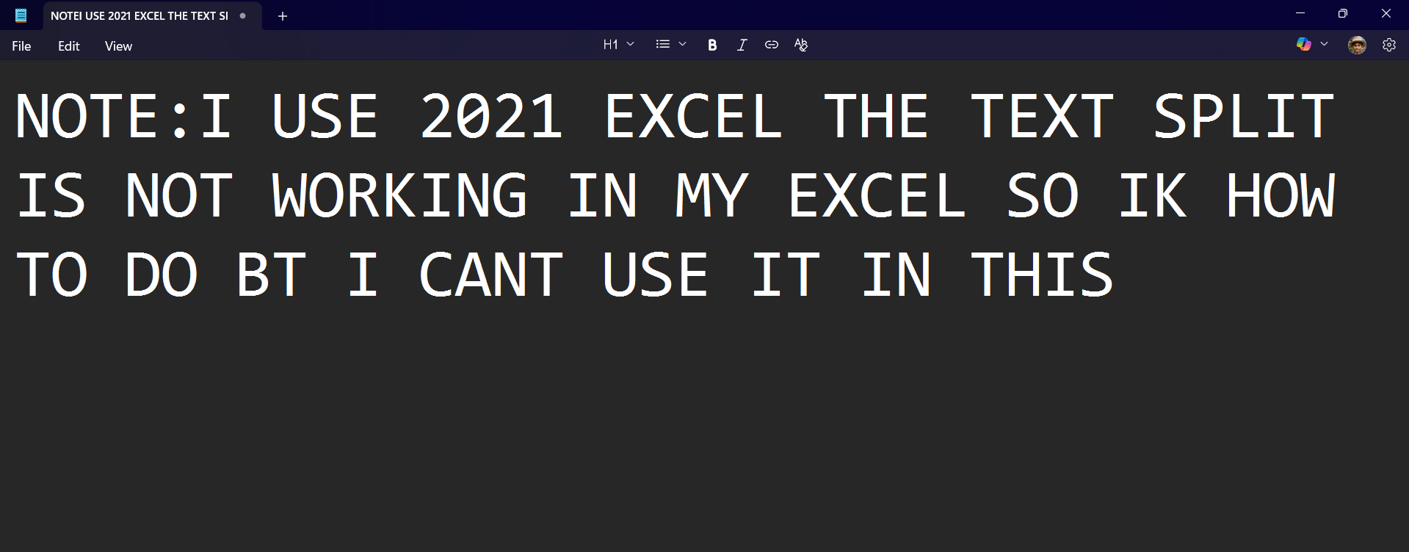
Applicant ID | Full Name | Job Position | Application Date & Time | Email | Street | City State Zip | Skills List | Full Address | First Name | Last Name | Applicant ID (Short) | Find and MID (State)
AID0123548 | Pam Beesly | Data Analyst | 2/14/23 | pam.beesly@outlook.com | 457 Oak St | San Jose, CA, 95101 | Kafka, DataBricks, Spark, Python, GCP | 457 Oak St San Jose, CA, 95101 |  |  | 548 | 11 | 20 | San Jose
AID0123549 | Michael Scott | Business Intelligence Analyst | 5/9/23 | michael.scott@gmail.com | 203 Birch St | Chicago, IL, 60601 | Power BI, GCP, Airflow, Hadoop, R | 203 Birch St Chicago, IL, 60601 |  |  | 549 | 10 | 21 | St Chicago
AID0123550 | Kevin Malone | Data Engineer | 7/21/23 | kevin.malone@aol.com | 790 Pine St | Chicago, IL, 60601 | Azure, Java, SQL, DataBricks | 790 Pine St Chicago, IL, 60601 |  |  | 550 | 10 | 20 | St Chicago
AID0123551 | Pam Beesly | Business Intelligence Analyst | 9/4/23 | pam.beesly@outlook.com | 457 Oak St | San Jose, CA, 95101 | Kafka, DataBricks, Spark, Python, GCP | 457 Oak St San Jose, CA, 95101 |  |  | 551 | 11 | 20 | San Jose
AID0123552 | Jim Halpert | Data Scientist | 11/18/23 | jim.halpert@hotmail.com | 459 Oak St | Philadelphia, PA, 19101 | DataBricks, Hadoop, Java | 459 Oak St Philadelphia, PA, 19101 |  |  | 552 | 15 | 24 | ladelphia
AID0123553 | Ryan Howard | Machine Learning Engineer | 1/11/24 | ryan.howard@aol.com | 204 Birch St | Philadelphia, PA, 19101 | Snowflake, Airflow, DataBricks | 204 Birch St Philadelphia, PA, 19101 |  |  | 553 | 15 | 26 | hiladelphia
AID0123554 | Kevin Malone | Business Intelligence Analyst | 3/3/24 | kevin.malone@aol.com | 790 Pine St | Chicago, IL, 60601 | Azure, Java, SQL, DataBricks | 790 Pine St Chicago, IL, 60601 |  |  | 554 | 10 | 20 | St Chicago
AID0123555 | Ryan Howard | Data Analyst | 4/26/24 | ryan.howard@aol.com | 204 Birch St | Philadelphia, PA, 19101 | Snowflake, Airflow, DataBricks | 204 Birch St Philadelphia, PA, 19101 |  |  | 555 | 15 | 26 | hiladelphia
AID0123556 | Stanley Hudson | Data Scientist | 6/15/24 | stanley.hudson@gmail.com | 123 Elm St | Chicago, IL, 60601 | Scala, Azure, R, Kafka | 123 Elm St Chicago, IL, 60601 |  |  | 556 | 10 | 19 | t Chicago
AID0123557 | Angela Martin | Data Engineer | 7/7/24 | angela.martin@ymail.com | 123 Elm St | Los Angeles, CA, 90001 | Snowflake, Excel, Scala | 123 Elm St Los Angeles, CA, 90001 |  |  | 557 | 14 | 23 | s Angeles
AID0123558 | Dwight Schrute | Data Scientist | 6/12/24 | dwight.schrute@gmail.com | 123 Elm St | San Diego, CA, 92101 | Excel, Power BI, R | 123 Elm St San Diego, CA, 92101 |  |  | 558 | 12 | 21 | San Diego
AID0123559 | Oscar Martinez | Machine Learning Engineer | 1/25/23 | oscar.martinez@outlook.com | 202 Birch St | Chicago, IL, 60601 | Scala, R, Hadoop, Power BI, SQL | 202 Birch St Chicago, IL, 60601 |  |  | 559 | 10 | 21 | St Chicago
AID0123560 | Ryan Howard | Data Engineer | 3/17/23 | ryan.howard@aol.com | 204 Birch St | Philadelphia, PA, 19101 | Snowflake, Airflow, DataBricks | 204 Birch St Philadelphia, PA, 19101 |  |  | 560 | 15 | 26 | hiladelphia
AID0123561 | Phyllis Vance | Machine Learning Engineer | 6/1/23 | phyllis.vance@gmail.com | 123 Elm St | Chicago, IL, 60601 | Java, Scala, R | 123 Elm St Chicago, IL, 60601 |  |  | 561 | 10 | 19 | t Chicago
AID0123562 | Meredith Palmer | Machine Learning Engineer | 8/30/23 | meredith.palmer@outlook.com | 456 Oak St | Chicago, IL, 60601 | DataBricks, Azure, Scala | 456 Oak St Chicago, IL, 60601 |  |  | 562 | 10 | 19 | t Chicago
AID0123563 | Michael Scott | Data Scientist | 10/19/23 | michael.scott@gmail.com | 203 Birch St | Chicago, IL, 60602 | Power BI, GCP, Airflow, Hadoop, R | 203 Birch St Chicago, IL, 60602 |  |  | 563 | 10 | 21 | St Chicago
AID0123564 | Jim Halpert | Data Engineer | 2/28/24 | jim.halpert@hotmail.com | 459 Oak St | Philadelphia, PA, 19101 | DataBricks, Hadoop, Java | 459 Oak St Philadelphia, PA, 19101 |  |  | 564 | 15 | 24 | ladelphia
AID0123565 | Kelly Kapoor | Data Scientist | 5/6/24 | kelly.kapoor@gmail.com | 456 Oak St | New York, NY, 10001 | Snowflake, Power BI, Tableau, Airflow, SQL | 456 Oak St New York, NY, 10001 |  |  | 565 | 11 | 20 | New York
AID0123566 | Jim Halpert | Machine Learning Engineer | 7/23/24 | jim.halpert@hotmail.com | 459 Oak St | Philadelphia, PA, 19101 | DataBricks, Hadoop, Java | 459 Oak St Philadelphia, PA, 19101 |  |  | 566 | 15 | 24 | ladelphia
AID0123567 | Jim Halpert | Machine Learning Engineer | 5/10/24 | jim.halpert@hotmail.com | 459 Oak St | New York, NY, 10001 | DataBricks, Hadoop, Java | 459 Oak St New York, NY, 10001 |  |  | 567 | 11 | 20 | New York

Skills
=TEXTJOIN(", ", TRUE, Data!H2:H21)
Kafka, DataBricks, Spark, Python, GCP, Power BI, GCP, Airflow, Hadoop, R, Azure, Java, SQL, DataBricks, Kafka, DataBricks, Spark, Python, GCP, DataBricks, Hadoop, Java, Snowflake, Airflow, DataBricks, Azure, Java, SQL, DataBricks, Snowflake, Airflow, DataBricks, Scala, Azure, R, Kafka, Snowflake, Excel, Scala, Excel, Power BI, R, Scala, R, Hadoop, Power BI, SQL, Snowflake, Airflow, DataBricks, Java, Scala, R, DataBricks, Azure, Scala, Power BI, GCP, Airflow, Hadoop, R, DataBricks, Hadoop, Java, Snowflake, Power BI, Tableau, Airflow, SQL, DataBricks, Hadoop, Java, DataBricks, Hadoop, Java

=TEXTSPLIT(A3, ", ")
Kafka | DataBricks | Spark | Python | GCP | Power BI | GCP | Airflow | Hadoop | R | Azure | Java | SQL | DataBricks | Kafka | DataBricks | Spark | Python | GCP | DataBricks | Hadoop | Java | Snowflake | Airflow | DataBricks | Azure | Java | SQL | DataBricks | Snowflake | Airflow | DataBricks | Scala | Azure | R | Kafka | Snowflake | Excel | Scala | Excel | Power BI | R | Scala | R | Hadoop | Power BI | SQL | Snowflake | Airflow | DataBricks | Java | Scala | R | DataBricks | Azure | Scala | Power BI | GCP | Airflow | Hadoop | R | DataBricks | Hadoop | Java | Snowflake | Power BI | Tableau | Airflow | SQL | DataBricks | Hadoop | Java | DataBricks | Hadoop | Java

Skill Count of Applicants
=UNIQUE(TRANSPOSE(6:6)) | =COUNTIF($6:$6,A9)
Kafka | 3
DataBricks | 12
Spark | 2
Python | 2
GCP | 4
Power BI | 5
Airflow | 6
Hadoop | 7
R | 6
Azure | 4
Java | 7
SQL | 4
Snowflake | 5
Scala | 5
Excel | 2
Tableau | 1
0 | 0

