Sheet1
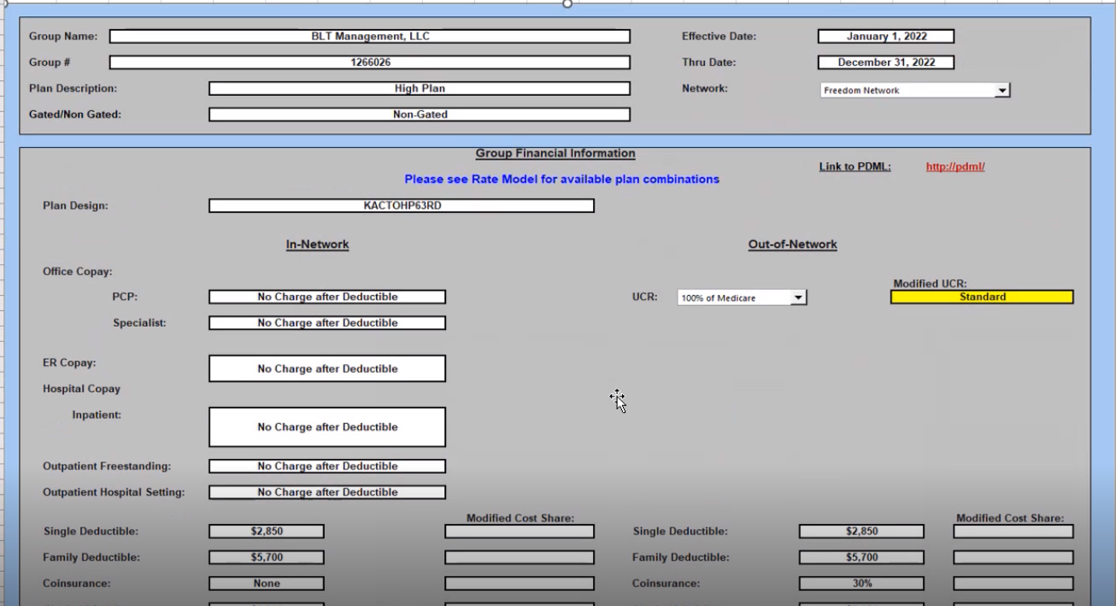
Name | BLT management LLC
Member since: | 2015-07-07
copay
coinsurance | 30%

