Aurora Products
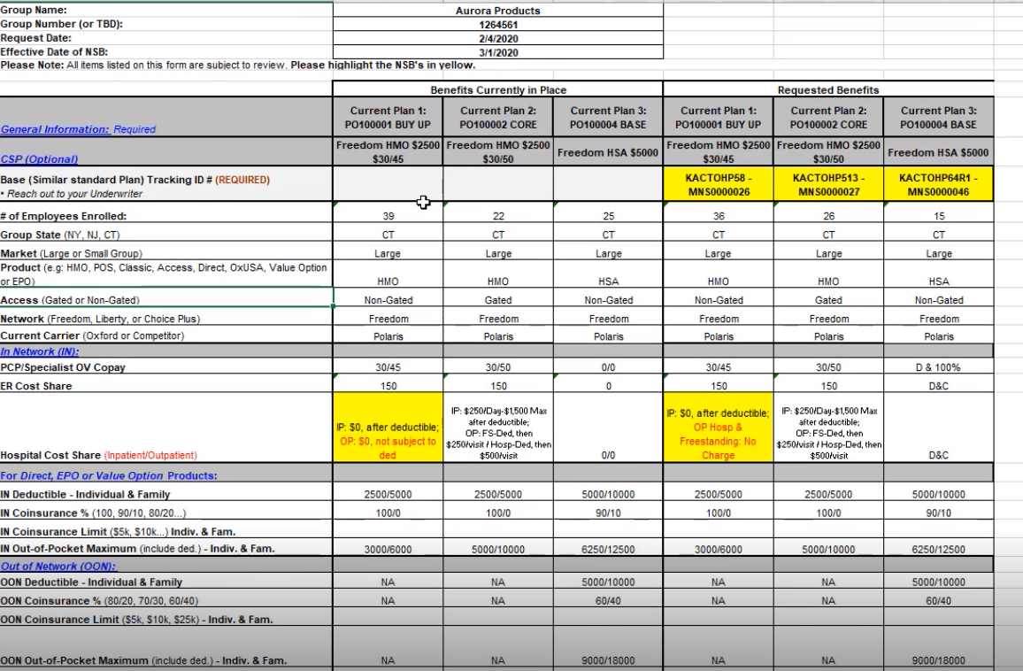
GROUP | Aurora Products

 |  | Please note the details below

