Solution_1
Problem 1 | During the 1980s, the general consensus is that about 5% of the nation's children had autism. Some claimed that increases certain chemicals in the environment has led to an increase in autism. (a) Write an appropriate hypothesis test for this situation. (b) Give an appropriate test for this hypothesis, stating what are the necessary conditions for per- forming the test. (c) A recent study examined 384 children and found that 46 showed signs of autism. Perform a test of the hypothesis and state the p-value. (d) What are your conclusions? State how you use the p-value.

Solution:
 | Step 1. Establish a null and alternative hypothesis
 | Null Hypothesis: the general consensus is that about 5% of the nation's children had autism
 | Alternate Hypothesis: More than 5% of the nation's children has autism.

 | H0 : P = 0.05
 | Ha : P > 0.05
 | This is one tailed test because hypothesis is being tested is whether nation's children has autism more than 5%

 | Step 2. Determine the appropriate statistical test.
 | Since the study involves sample of 384 children and found that 46 showed signs of autism, sample is more than 30 and hence z-test need to be performed.

 | Step 3. Set the value of alpha, the Type I error rate.
 | Since the significance value is not given, consider α = 5%, α = 0.05

 | Step 4. Establish the decision rule.
 | For Z-critical
 | Z-critical < Z-score; Reject the null hypothesis
 | For P-Values
 | P-value < Significance value; Reject the null hypothesis

 | Step 5. Gather sample data.
 | A recent study examined 384 children and found that 46 showed signs of autism.

 | Step 6. Analyze the data.
 | Z-score is calculated using below formula
$$z=\frac{\hat{p}−p}{\sqrt{\frac{pq}{n}}}$$

 | P̂ = 46/384 = | 0.11979166667
 | P = | 0.05
 | n= | 384
 | q = 1-P | 0.95
 | Z | 6.2751249376
 | From the table Zc value for α = 0.05 is 1.645 | 1.645
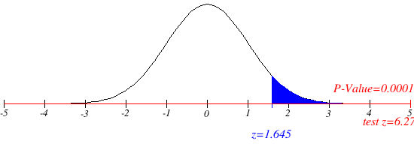
 | Step 7. Reach a statistical conclusion.
 | Since it is observed that Z = 6.275 > Zc = 1.645 it is then concluded that the null hypothesis is rejected.

 | Step 8. Make a business decision.
 | It is concluded that more than 5% of the nation's children has autism due to certain chemicals increased in the environment

 | From the graph it is observed that actual p-value calcutaed is 0.0001 which is very less compared to the significance value 0.05 and hence the null hypothesis is rejected.

Solution_2
Problem 2 | A company with a fleet of 150 cars found that the emission system of 7 our of the 22 cars tested failed to meet pollution guidelines. (a) Write a hypothesis to test if more than 20% of the entire fleet might be out of compliance. (b) Test the hypothesis based on the binomial distribution and report a p-value. (c) Is the test significant at the 10%, 5%, 1% level?
Solution
 | Step 1. Establish a null and alternative hypothesis
 | Null Hypothesis: 20% of the entire fleet of cars are out of compliance with respect to pollution guidelines.
 | Alternate Hypothesis: More than 20% of the entire fleet of cars are out of compliance with respect to pollution guidelines.

 | H0 : P = 0.2
 | Ha : P > 0.2
 | This is one tailed test because hypothesis is being tested is whether more than 20% of cars out of compliance with respect to pollution guidelines

 | Step 2. Determine the appropriate statistical test.
 | Since it involves population proportion the z-test need to be performed

 | Step 3. Set the value of alpha, the Type I error rate.
 | consider α = 10%, α = 0.1

 | Step 4. Establish the decision rule.
 | For Z-critical
 | Z-critical < Z-score; Reject the null hypothesis
 | For P-Values
 | P-value < Significance value; Reject the null hypothesis

 | Step 5. Gather sample data.
 | A company with a fleet of 150 cars found that the emission system of 7 our of the 22 cars tested failed to meet pollution guidelines.

 | Step 6. Analyze the data.
 | Z-score is calculated using below formula
$$z=\frac{\hat{p}−p}{\sqrt{\frac{pq}{n}}}$$

 | P̂ = 7/22 = | 0.31818181818
 | P = | 0.2
 | n= | 22
 | q = 1-P | 0.8
 | Z | 1.3858046563
 | From the table Zc value for α = 0.1 is 1.28 | 1.28

 | Step 7. Reach a statistical conclusion.
 | Since it is observed that Z = 1.385 > Zc = 1.28 it is then concluded that the null hypothesis is rejected.

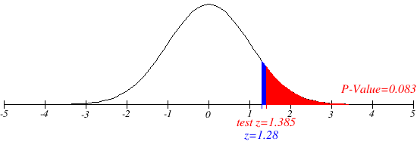
 | Step 8. Make a business decision.
 | It is concluded that more than 20% of the entire fleet of cars are out of compliance with respect to pollution guidelines.

 | From the graph it is observed that actual p-value calcutaed is 0.083 which is less compared to the significance value 0.1 and hence the null hypothesis is rejected.

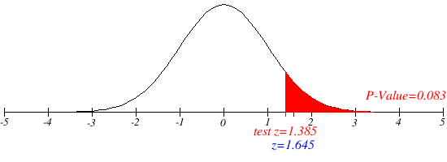
 | Significant level at 5%
 | consider α = 5%, α = 0.05
 | then Zc = 1.645

 | Since it is observed that Z = 1.385 < Zc = 1.645 Null hypothesis cannot be rejected.

 | Significant level at 5%
 | consider α = 1%, α = 0.01
 | then Zc = 2.326
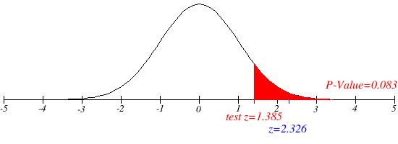
 | Since it is observed that Z = 1.385 < Zc = 2.326 Null hypothesis cannot be rejected.

