Solution_1
Problem 1 | During the 1980s, the general consensus is that about 5% of the nation's children had autism. Some claimed that increases certain chemicals in the environment has led to an increase in autism. (a) Write an appropriate hypothesis test for this situation. (b) Give an appropriate test for this hypothesis, stating what are the necessary conditions for per- forming the test. (c) A recent study examined 384 children and found that 46 showed signs of autism. Perform a test of the hypothesis and state the p-value. (d) What are your conclusions? State how you use the p-value.

Solution:
 | Step 1. Establish a null and alternative hypothesis
 | Null Hypothesis: the general consensus is that about 5% of the nation's children had autism
 | Alternate Hypothesis: More than 5% of the nation's children has autism.

 | H0 : P = 0.05
 | Ha : P > 0.05
 | This is one tailed test because hypothesis is being tested is whether nation's children has autism more than 5%

 | Step 2. Determine the appropriate statistical test.
 | Since the study involves sample of 384 children and found that 46 showed signs of autism, sample is more than 30 and hence z-test need to be performed.

 | Step 3. Set the value of alpha, the Type I error rate.
 | Since the significance value is not given, consider α = 5%, α = 0.05

 | Step 4. Establish the decision rule.
 | For Z-critical
 | Z-critical < Z-score; Reject the null hypothesis
 | For P-Values
 | P-value < Significance value; Reject the null hypothesis

 | Step 5. Gather sample data.
 | A recent study examined 384 children and found that 46 showed signs of autism.

 | Step 6. Analyze the data.
 | Z-score is calculated using below formula
$$z=\frac{\hat{p}−p}{\sqrt{\frac{pq}{n}}}$$

 | P̂ = 46/384 = | 0.11979166667
 | P = | 0.05
 | n= | 384
 | q = 1-P | 0.95
 | Z | 6.2751249376
 | From the table Zc value for α = 0.05 is 1.645 | 1.645
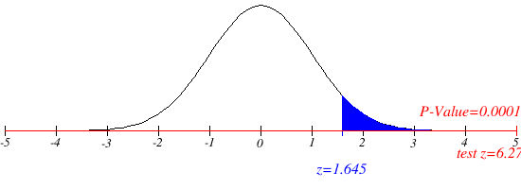
 | Step 7. Reach a statistical conclusion.
 | Since it is observed that Z = 6.275 > Zc = 1.645 it is then concluded that the null hypothesis is rejected.

 | Step 8. Make a business decision.
 | It is concluded that more than 5% of the nation's children has autism due to certain chemicals increased in the environment

 | From the graph it is observed that actual p-value calcutaed is 0.0001 which is very less compared to the significance value 0.05 and hence the null hypothesis is rejected.

Solution_2
Problem 2 | A company with a fleet of 150 cars found that the emission system of 7 our of the 22 cars tested failed to meet pollution guidelines. (a) Write a hypothesis to test if more than 20% of the entire fleet might be out of compliance. (b) Test the hypothesis based on the binomial distribution and report a p-value. (c) Is the test significant at the 10%, 5%, 1% level?
Solution
 | Step 1. Establish a null and alternative hypothesis
 | Null Hypothesis: 20% of the entire fleet of cars are out of compliance with respect to pollution guidelines.
 | Alternate Hypothesis: More than 20% of the entire fleet of cars are out of compliance with respect to pollution guidelines.

 | H0 : P = 0.2
 | Ha : P > 0.2
 | This is one tailed test because hypothesis is being tested is whether more than 20% of cars out of compliance with respect to pollution guidelines

 | Step 2. Determine the appropriate statistical test.
 | Since it involves population proportion the z-test need to be performed

 | Step 3. Set the value of alpha, the Type I error rate.
 | consider α = 10%, α = 0.1

 | Step 4. Establish the decision rule.
 | For Z-critical
 | Z-critical < Z-score; Reject the null hypothesis
 | For P-Values
 | P-value < Significance value; Reject the null hypothesis

 | Step 5. Gather sample data.
 | A company with a fleet of 150 cars found that the emission system of 7 our of the 22 cars tested failed to meet pollution guidelines.

 | Step 6. Analyze the data.
 | Z-score is calculated using below formula
$$z=\frac{\hat{p}−p}{\sqrt{\frac{pq}{n}}}$$

 | P̂ = 7/22 = | 0.31818181818
 | P = | 0.2
 | n= | 22
 | q = 1-P | 0.8
 | Z | 1.3858046563
 | From the table Zc value for α = 0.1 is 1.28 | 1.28

 | Step 7. Reach a statistical conclusion.
 | Since it is observed that Z = 1.385 > Zc = 1.28 it is then concluded that the null hypothesis is rejected.

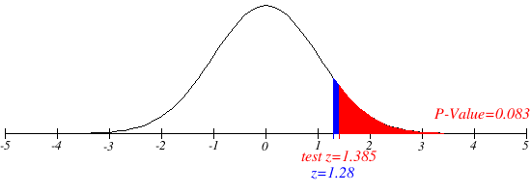
 | Step 8. Make a business decision.
 | It is concluded that more than 20% of the entire fleet of cars are out of compliance with respect to pollution guidelines.

 | From the graph it is observed that actual p-value calcutaed is 0.083 which is less compared to the significance value 0.1 and hence the null hypothesis is rejected.

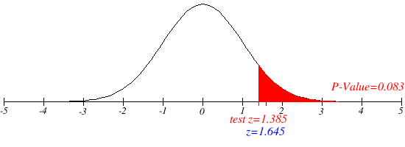
 | Significant level at 5%
 | consider α = 5%, α = 0.05
 | then Zc = 1.645

 | Since it is observed that Z = 1.385 < Zc = 1.645 Null hypothesis cannot be rejected.

 | Significant level at 5%
 | consider α = 1%, α = 0.01
 | then Zc = 2.326
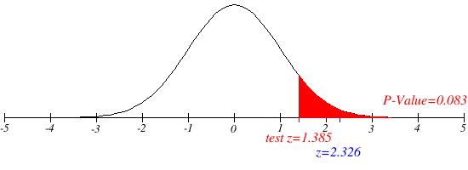
 | Since it is observed that Z = 1.385 < Zc = 2.326 Null hypothesis cannot be rejected.

Solution_3
Problem 3 | National data in the 1960s showed that about 44% of the adult population had never smoked. (a) State a null and alternative hypothesis to test that the fraction of the 1995 population of adults that had never smoked had increased. (b) A national random sample of 891 adults were interviewed and 463 stated that they had never smoked. Perform a z-test of the hypothesis and give an approriate p-value. (c) Create a 98% con dence interval for the proportion of adults who had never been smokers. (d) Give the value of the power function ∏(p) for p = 0:46; 0:48; 0:50; 0:52 with the choice of α = 0:02 and a "greater than" alternative hypothesis. (e) Compute the power function for these values if we increase the sample to 1600. Explain why these values increased.
Solution
a, b | Step 1. Establish a null and alternative hypothesis
 | Null Hypothesis: 44% of the adult population had never smoked
 | Alternate Hypothesis: More than 44% of the adult population had never smoked

 | H0 : P = 0.44
 | Ha : P > 0.44
 | This is one tailed test because hypothesis is being tested is whether more than 44% of the adult population had never smoked.

 | Step 2. Determine the appropriate statistical test.
 | Since it involves population proportion the z-test need to be performed

 | Step 3. Set the value of alpha, the Type I error rate.
 | consider α = 2%, α = 0.02

 | Step 4. Establish the decision rule.
 | For Z-critical
 | Z-critical < Z-score; Reject the null hypothesis
 | For P-Values
 | P-value < Significance value; Reject the null hypothesis

 | Step 5. Gather sample data.
 | A national random sample of 891 adults were interviewed and 463 stated that they had never smoked. Perform

 | Step 6. Analyze the data.
 | Z-score is calculated using below formula
$$z=\frac{\hat{p}−p}{\sqrt{\frac{pq}{n}}}$$

 | P̂ = 463/891 = | 0.51964085297
 | P = | 0.44
 | n= | 891
 | q = 1-P | 0.56
 | Z | 4.7891054864 | 4.789
 | From the table Zc value for α = 0.02 is 2.05 | 2.05

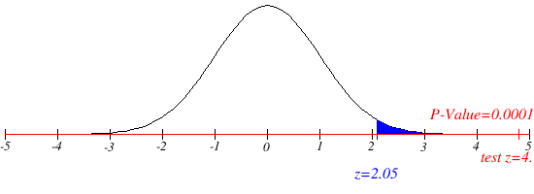
 | Step 7. Reach a statistical conclusion.
 | Since it is observed that Z = 4.789 > Zc = 2.05 it is then concluded that the null hypothesis is rejected.

 | Step 8. Make a business decision.
 | It is concluded that more than 44% of the adult population has never smoked.

 | From the graph it is observed that actual p-value calcutaed is 0.0001 which is less compared to the significance value 0.02 and hence the null hypothesis is rejected.

c | 98% confidence interval
 | For 98% confidence interval Z value is 2.33
 | Confidence Interval = p +/- z*√p(1-p) / n
 | p + z*√p(1-p) / n | 0.47874694094
 | p - z*√p(1-p) / n | 0.40125305906

 | 0.401<P<0.478

d | P=0.46
 | P̂ = 463/891 = | 0.51964085297
 | P = | 0.46
 | n= | 891
 | q = 1-P | 0.54
 | Z | 3.5719625944
 | From the table Zc value for α = 0.02 is 2.05 | 2.05

 | Reach a statistical conclusion.
 | Since it is observed that Z = 3.571 > Zc = 2.05 it is then concluded that the null hypothesis is rejected.

 | P=0.48
 | P̂ = 463/891 = | 0.51964085297
 | P = | 0.48
 | n= | 891
 | q = 1-P | 0.52
 | Z | 2.3684245405
 | From the table Zc value for α = 0.02 is 2.05 | 2.05

 | Reach a statistical conclusion.
 | Since it is observed that Z = 2.368 > Zc = 2.05 it is then concluded that the null hypothesis is rejected.

 | P=0.5
 | P̂ = 463/891 = | 0.51964085297
 | P = | 0.5
 | n= | 891
 | q = 1-P | 0.5
 | Z | 1.1725441178
 | From the table Zc value for α = 0.02 is 2.05 | 2.05

 | Reach a statistical conclusion.
 | Since it is observed that Z = 1.172 < Zc = 2.05 it is then concluded that the null hypothesis cannot be rejected.

 | P=0.52
 | P̂ = 463/891 = | 0.51964085297
 | P = | 0.52
 | n= | 891
 | q = 1-P | 0.48
 | Z | -0.021457979982
 | From the table Zc value for α = 0.02 is 2.05 | 2.05

 | Reach a statistical conclusion.
 | Since it is observed that Z = -0.0214 < Zc = 2.05 it is then concluded that the null hypothesis cannot be rejected.

e

Solution_4
Problem4 | One of the lenses in your supply is suspected to have a focal length f of 9.1cm rather than the 9cm claimed by the manufacturer. (a) Write an appropriate hypothesis test for this situation. (b) The focal length f is determined by using the thin lens formula, 1/s1 + 1/s2 = 1/f Here s1 is the distance from the lens to the object and s2 is the distance from the lens to the real image of the object. The distances s1 and s2 are each independently measured 25 times. The sample mean of the measurements is S̅1 = 26.6 centimeters and S̅2 = 13.8 centimeters, respectively. The standard deviation of the measurement is 0.1cm for s1 and 0.5cm for s2. Give an estimate f̂ based on these measurements and the thin lens formula. (c) Use the delta method to give the standard deviation of f̂. (d) Use this to devise a z-test for the hypothesis and report a p-value for the test. |  |  | (s1+s2)/s1.s2 = 1/f f= 1/(s1+s2)/s1.s2 f= s1.s2/(s1+s2)
 |  |  | 26.6
Solution |  |  | 13.8
 | Step 1. Establish a null and alternative hypothesis | f̂ | 9.0861386139
 | Null Hypothesis: Distance from the lens to the object and distance from the lens to the real image are same
 | Alternate Hypothesis: Distance from the lens to the object and distance from the lens to the real image are different

 | Ho: µa= µb
 | H1: µa≠ µb
 | This is two tailed test because hypothesis is being tested is whether distance between lens and object and distance between lens and real image are different.

 | Step 2. Determine the appropriate statistical test.
 | Since standard deviation is given we are going to perform Z-test

 | Step 3. Set the value of alpha, the Type I error rate.
 | consider α = 10%, α = 0.1

 | Step 4. Establish the decision rule.
 | For Z-critical
 | Z-critical < Z-score; Reject the null hypothesis
 | For P-Values
 | P-value < Significance value; Reject the null hypothesis

 | Step 5. Gather sample data.
 | The distances s1 and s2 are each independently measured 25 times. The sample mean of the measurements is S̅1 = 26.6 centimeters and S̅2 = 13.8 centimeters, respectively. The standard deviation of the measurement is 0.1cm for s1 and 0.5cm for s2.

 | Step 6. Analyze the data.
 | Z-score is calculated using below formula

 | S̅1 = 26.6 | 26.6
 | S̅2 = 13.8 | 13.8
 | n1=25 | 25
 | n2 = 25 | 25
 | σ1=0.1 | 0.1
 | σ1=0.5 | 0.5
 | Z= | 125.51432649
 | Zc at 0.1 for two tailed test from z table = 1.64 | 1.64

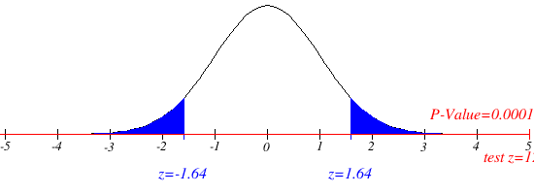
 | Step 7. Reach a statistical conclusion.
 | Since it is observed that |Z| = 125.5143 > Zc = 1.64 it is then concluded that the null hypothesis is rejected.

 | Step 8. Make a business decision.
 | It is concluded that Distance from the lens to the object and distance from the lens to the real image are different

 | From the graph it is observed that actual p-value calcutaed is 0.0001 which is less compared to the significance value 0.1 and hence the null hypothesis is rejected.

Solution_5
Problem 5 | The body temperature in degrees Fahrenheit of 52 randomly chosen healthy adults is measured with the following summary of the data: n = 52; x̄ = 98:2846 s = 0:6824: (a) Are the necessary conditions for constructing a valid t-interval satisfied? Explain. (b) Find a 98% confidence interval for the mean body temperature and explain its meaning. (c) Give a two-side hypothesis test for a mean body temperature of 98.6 degree Fahrenheit and use the information above to evaluate a test with significance level α= 0:02: (d) Find the power of the test at the parameter value µ = 98.2 and indicate this value using the cutoff value for the test and drawing the sample distribution for the null and alternative hypothesis.

Solution
 | Step 1. Establish a null and alternative hypothesis
 | Null Hypothesis: Body temperature of healthy adults is 98.6 degree Fahrenheit
 | Alternate Hypothesis: Body temperature of healthy adults is not equal to 98.6 degree Fahrenheit

 | Ho: µa= 98.6 degree F
 | H1: µa≠ 98.6 degree F
 | This is two tailed test because hypothesis is being tested is whether body temperature is 98.6 degree F or not

 | Step 2. Determine the appropriate statistical test.
 | Since the data is normally distributed t-test is selected

 | Step 3. Set the value of alpha, the Type I error rate.
 | consider α = 2%, α = 0.02

 | Step 4. Establish the decision rule.
 | For t-critical
 | t-critical < t-score; Reject the null hypothesis
 | For P-Values
 | P-value < Significance value; Reject the null hypothesis

 | Step 5. Gather sample data.
 | n = 52; x̄ = 98.2846 s = 0:6824:

 | Step 6. Analyze the data.
 | t-score is calculated using below formula

 | µo = 98.6 | 98.6
 | x̄ = 98.2846 | 98.2846
 | n=52 | 52
 | s = 0.6824: | 0.6824
 | t= | -3.3329158039
 | tc at 0.02 for two tailed test from t table = 2.402

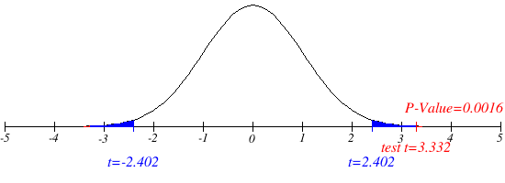
 | Step 7. Reach a statistical conclusion.
 | Since it is observed that |t| = 3.332 > tc = 2.402 it is then concluded that the null hypothesis is rejected.

 | Step 8. Make a business decision.
 | It is concluded that Body temperature of healthy adults is not equal to 98.6 degree Fahrenheit

 | From the graph it is observed that actual p-value calcutaed is 0.0016 which is less compared to the significance value 0.02 and hence the null hypothesis is rejected.

 | The 98% confidence interval is 98.057 < µ < 98.512.

Solution_6
Problem 6 | Drivers of cars calling for regular gas sometimes premium in the hopes that it will improve gas mileage. Here a rental car company takes 10 randomly chosen cars in its fleet and runs a tank of gas according to a coin toss, runs a tank of gas of each type. Car # 1 2 3 4 5 6 7 8 9 10 Regular 16 20 21 22 23 22 27 25 27 28 Premium 19 22 24 24 25 25 26 26 28 32 (a) Write an appropriate hypothesis test for this situation and state the testing procedure appropriate to this circumstance. (b) Compute the necessary summary statistics for the test in part (a). (c) Perform the t-test and report the p-value. (d) Compare your result to that of a two sample t-test. |  | Car# | Regular | Premium
Solution |  |  | 1 | 16 | 19 | t-Test: Two-Sample Assuming Unequal Variances
 | Step 1. Establish a null and alternative hypothesis |  | 2 | 20 | 22
 | Null Hypothesis: There is no difference in mileage using regular or premium gas for a car |  | 3 | 21 | 24 |  | Regular | Premium
 | Alternate Hypothesis: There is a difference in mileage using the regular or premium gas for a car. |  | 4 | 22 | 24 | Mean | 23.1 | 25.1
 |  |  | 5 | 23 | 25 | Variance | 13.877777778 | 11.877777778
 | Ho: µa = µb |  | 6 | 22 | 25 | Observations | 10 | 10
 | H1: µa≠ µb |  | 7 | 27 | 26 | Hypothesized Mean Difference | 0
 | This is two tailed test because hypothesis is being tested is whether mileage differs by using regular or premium gas. |  | 8 | 25 | 26 | df | 18
 |  |  | 9 | 27 | 28 | t Stat | -1.2462194772
 | Step 2. Determine the appropriate statistical test. |  | 10 | 28 | 32 | P(T<=t) one-tail | 0.1143299243
 | Since the data is normally distributed t-test is selected |  |  |  |  | t Critical one-tail | 1.7340636066
 |  |  |  |  |  | P(T<=t) two-tail | 0.22865984861
 | Step 3. Set the value of alpha, the Type I error rate. |  |  |  |  | t Critical two-tail | 2.1009220402
 | consider α = 5%, α = 0.05
 |  |  |  |  |  |  | S1 | S2
 | Step 4. Establish the decision rule. |  |  |  |  | Standard deviations | 3.7252889523 | 3.4464152068
 | For t-critical
 | t-critical < t-score; Reject the null hypothesis
 | For P-Values
 | P-value < Significance value; Reject the null hypothesis

 | Step 5. Gather sample data.
 | Data for 10 cars mileae is given, refer column D, E and F

 | Step 6. Analyze the data.
 | The data for t-score is analysed using data analysis feature of xls and the result is present in columns H, I and J

 | µa = 23.1 | 23.1
 | S1 = 3.72 | 3.72
 | n=10 | 10
 | µa = 25.1 | 25.1
 | S1 = 3.44 | 3.44
 | n=10 | 10

 | Assuming unequal variances, degree of freedom is calcualted as below

 | DF, Nr= | 6.59051584
 | DF, Dr= | 0.36837267058 | 1.9150131456 | 1.4003408896
 | DF | 17.890892475

 | The critical value for t-test for α = 0.05 and df = 17.891 is, tc=2.102

 | statistical t value is calculated using formula given below
 | t= | -1.2482458867

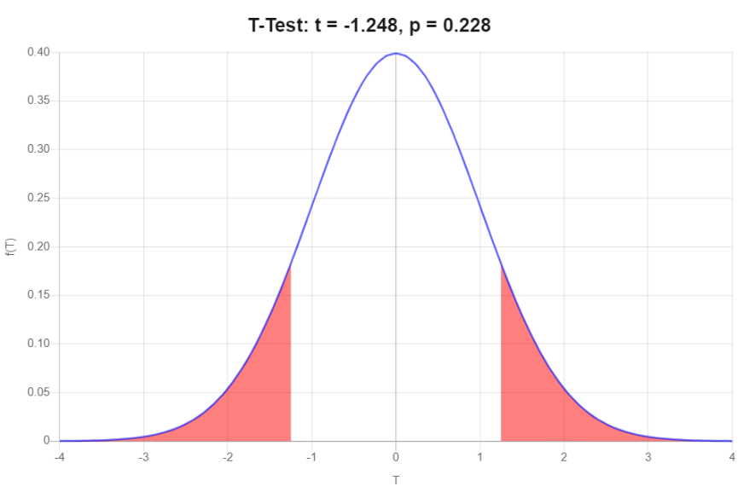
 | Step 7. Reach a statistical conclusion.
 | Since it is observed that |t| = 1.248 < tc = 2.102 it is then concluded that the null hypothesis cannot be rejected.

 | Step 8. Make a business decision.
 | It is concluded that mileage is same using the regular or premium gas for a car.

 | From the graph it is observed that actual p-value calcutaed is 0.228 which is greater than significance value 0.05 and hence the null hypothesis cannot be rejected.

 | The 95% confidence interval is -5.368 < μ < 1.368.

Solution_7
Problem 6 | In this problem, we will examine the sugar content of several national brands of cereals, here measured as a percentage of weight. children 40.3 55.0 45.7 43.3 50.3 45.9 53.5 43.0 44.2 44.0 33.6 55.1 48.8 50.4 37.8 60.3 46.6 47.4 44.0 adult 20.0 30.2 2.2 7.5 4.4 22.2 16.6 14.5 21.4 3.3 10.0 1.0 4.4 1.3 8.1 6.6 7.8 10.6 10.6 16.2 14.5 4.1 15.8 4.1 2.4 3.5 8.5 4.7 18.4 (a) Give a summary of these two data sets. (b) Create side-by-side boxplots and interpret what you see. (c) Use R to create a 95% confidence interval for the difference in mean sugar content and explain your result. |  | Sl.No | Children | Adult
Solution |  |  | 1 | 40.3 | 20 | t-Test: Two-Sample Assuming Unequal Variances
 | Step 1. Establish a null and alternative hypothesis |  | 2 | 55 | 30.2
 | Null Hypothesis: Sugar content of several national brands of cereals for adult and children are same |  | 3 | 45.7 | 2.2 |  | Children | Adult
 | Alternate Hypothesis: Sugar content of several national brands of cereals for adult and children are Different |  | 4 | 43.3 | 7.5 | Mean | 46.8 | 10.168965517
 |  |  | 5 | 50.3 | 4.4 | Variance | 41.195555556 | 55.885788177
 | Ho: µa = µb |  | 6 | 45.9 | 22.2 | Observations | 19 | 29
 | H1: µa≠ µb |  | 7 | 53.5 | 16.6 | Hypothesized Mean Difference | 0
 | This is two tailed test because hypothesis is being tested is whether mileage differs by using regular or premium gas. |  | 8 | 43 | 14.5 | df | 43
 |  |  | 9 | 44.2 | 21.4 | t Stat | 18.10119344
 | Step 2. Determine the appropriate statistical test. |  | 10 | 44 | 3.3 | P(T<=t) one-tail | 4.9423653213E-22
 | Since the data is normally distributed t-test is selected |  | 11 | 33.6 | 10 | t Critical one-tail | 1.6810707032
 |  |  | 12 | 55.1 | 1 | P(T<=t) two-tail | 9.8847306426E-22
 | Step 3. Set the value of alpha, the Type I error rate. |  | 13 | 48.8 | 4.4 | t Critical two-tail | 2.0166921992
 | α = 5%, α = 0.05 |  | 14 | 50.4 | 1.3
 |  |  | 15 | 37.8 | 8.1 |  | S1 | S2
 | Step 4. Establish the decision rule. |  | 16 | 60.3 | 6.6 | Standard deviation | 6.4183763956 | 7.4756797803
 | For t-critical |  | 17 | 46.6 | 7.8
 | t-critical < t-score; Reject the null hypothesis |  | 18 | 47.4 | 10.6
 | For P-Values |  | 19 | 44 | 10.6
 | P-value < Significance value; Reject the null hypothesis |  | 20 |  | 16.2
 |  |  | 21 |  | 14.5
 | Step 5. Gather sample data. |  | 22 |  | 4.1
 | Data for sugar content level measured in different brands of cereals for children and adult is given in columns D, E and F. |  | 23 |  | 15.8
 |  |  | 24 |  | 4.1
 |  |  | 25 |  | 2.4
 | Step 6. Analyze the data. |  | 26 |  | 3.5
 | The data for t-score is analysed using data analysis feature of xls and the result is present in columns H, I and J |  | 27 |  | 8.5
 |  |  | 28 |  | 4.7
 | µa = 46.8 | 46.8 | 29 |  | 18.4
 | s1 = 6.418 | 6.418
 | n=19 | 19
 | µa = 10.169 | 10.169
 | s2 = 7.475 | 7.475
 | n=29 | 29

 | Assuming unequal variances, degree of freedom is calcualted as below

 | DF, Nr= | 16.766392278
 | DF, Dr= | 0.39369126938 | 4.6999328079 | 3.7123489526
 | DF | 42.587665977

 | The critical value for t-test for α = 0.05 and df = 43 is, tc=2.02

 | statistical t value is calculated using formula given below
 | t= | 18.10251304

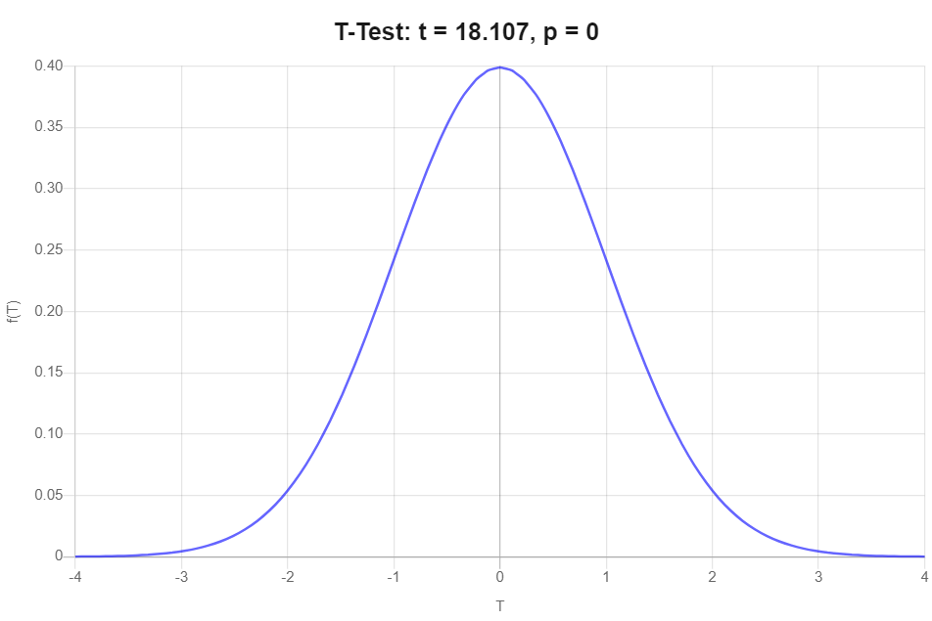
 | Step 7. Reach a statistical conclusion.
 | Since it is observed that |t| = 18.102 > tc = 2.02 it is then concluded that the null hypothesis is rejected.

 | Step 8. Make a business decision.
 | It is concluded that there is a difference in mileage using the regular or premium gas for a car.

 | From the graph it is observed that actual p-value calcutaed is 0 which is smaller than significance value 0.05 and hence the null hypothesis is rejected.

 | The 95% confidence interval is -5.368 < μ < 1.368.

