Junction Displ (Corners)
1-Axis Displacement
 | C1 | C2 | C3 | C4
0.00E+00 | 0 | 0 | 0 | 0
5.00E-08 | 0 | 0 | 0 | 0
1.00E-07 | 0 | 0 | 0 | 0
1.50E-07 | 0 | 0 | 0 | 0
2.00E-07 | 0 | 0 | 0 | 0
2.50E-07 | 0 | 0 | 0 | 0
3.00E-07 | 0 | 0 | 0 | 0
3.50E-07 | 0 | 0 | 0 | 0
4.00E-07 | 0 | 0 | 0 | 0
4.60E-07 | 0 | 0 | 0 | 0
5.00E-07 | 0 | 0 | 0 | 0
5.50E-07 | 0 | 0 | 0 | 0
6.00E-07 | 0 | 0 | 0 | 0
6.50E-07 | 0 | 0 | 0 | 0
7.00E-07 | 0 | 0 | 0 | 0
7.60E-07 | 0 | 0 | 0 | 0
8.00E-07 | 0 | 0 | 0 | 0
8.50E-07 | 0 | 0 | 0 | 0
9.10E-07 | 0 | 0 | 0 | 0
9.50E-07 | 0 | 0 | 0 | 0
1.00E-06 | 0 | 0 | 0 | 0
1.05E-06 | 0 | 0 | 0 | 0
1.10E-06 | 0 | 0 | 0 | 0
1.15E-06 | 0 | 0 | 0 | 0
1.20E-06 | 0 | 0 | 0 | 0
1.25E-06 | 0 | 0 | 0 | 0
1.30E-06 | 0 | 0 | 0 | 0
1.35E-06 | 0 | 0 | 0 | 0
1.40E-06 | 0 | 0 | 0 | 0
1.45E-06 | 0 | 0 | 0 | 0
1.51E-06 | 0 | 0 | 0 | 0
1.55E-06 | 0 | 0 | 0 | 0
1.60E-06 | 0 | 0 | 0 | 0
1.66E-06 | 0 | 0 | 0 | 0
1.70E-06 | 0 | 0 | 0 | 0
1.75E-06 | 0 | 0 | 0 | 0
1.81E-06 | 0 | 0 | 0 | 0
1.85E-06 | 0 | 0 | 0 | 0
1.90E-06 | 0 | 0 | 0 | 0
1.95E-06 | 0 | 0 | 0 | 0
2.00E-06 | 0 | 0 | 0 | 0
2.05E-06 | 0 | 0 | 0 | 0
2.10E-06 | 0 | 0 | 0 | 0
2.15E-06 | 0 | 0 | 0 | 0
2.20E-06 | 0 | 0 | 0 | 0
2.25E-06 | 0 | 0 | 0 | 0
2.30E-06 | 0 | 0 | 0 | 0
2.35E-06 | 0 | 0 | 0 | 0
2.40E-06 | 0 | 0 | 0 | 0
2.45E-06 | 0 | 0 | 0 | 0
...
Time (s) | 1-Axis-Displacement (m) |  |  |  | 2-Axis-Displacement (m)
 | C1 | C2 | C3 | C4 | C1 | C2 | C3 | C4
0 | 0 | 0 | 0 | 0 | 0 | 0 | 0 | 0
5.00E-08 | 0 | 0 | 0 | 0 | 0 | 0 | 0 | 0
1.00E-07 | 0 | 0 | 0 | 0 | 0 | 0 | 0 | 0
1.50E-07 | 0 | 0 | 0 | 0 | 0 | 0 | 0 | 0
2.00E-07 | 0 | 0 | 0 | 0 | 0 | 0 | 0 | 0
2.50E-07 | 0 | 0 | 0 | 0 | 0 | 0 | 0 | 0
3.00E-07 | 0 | 0 | 0 | 0 | 0 | 0 | 0 | 0
Tp
3.50E-07 | 0 | 0 | 0 | 0 | 0 | 0 | 0 | 0
4.00E-07 | 0 | 0 | 0 | 0 | 0 | 0 | 0 | 0
4.60E-07 | 0 | 0 | 0 | 0 | 0 | 0 | 0 | 0
5.00E-07 | 0 | 0 | 0 | 0 | 0 | 0 | 0 | 0
5.50E-07 | 0 | 0 | 0 | 0 | 0 | 0 | 0 | 0
6.00E-07 | 0 | 0 | 0 | 0 | 0 | 0 | 0 | 0
6.50E-07 | 0 | 0 | 0 | 0 | 0 | 0 | 0 | 0
7.00E-07 | 0 | 0 | 0 | 0 | 0 | 0 | 0 | 0
7.60E-07 | 0 | 0 | 0 | 0 | 0 | 0 | 0 | 0
8.00E-07 | 0 | 0 | 0 | 0 | 0 | 0 | 0 | 0
8.50E-07 | 0 | 0 | 0 | 0 | 0 | 0 | 0 | 0
9.10E-07 | 0 | 0 | 0 | 0 | 0 | 0 | 0 | 0
9.50E-07 | 0 | 0 | 0 | 0 | 0 | 0 | 0 | 0
1.00E-06 | 0 | 0 | 0 | 0 | 0 | 0 | 0 | 0
1.05E-06 | 0 | 0 | 0 | 0 | 0 | 0 | 0 | 0
1.10E-06 | 0 | 0 | 0 | 0 | 0 | 0 | 0 | 0
1.15E-06 | 0 | 0 | 0 | 0 | 0 | 0 | 0 | 0
2-Axis Displacement
 | C1 | C2 | C3 | C4
0.00E+00 | 0 | 0 | 0 | 0
5.00E-08 | 0 | 0 | 0 | 0
1.00E-07 | 0 | 0 | 0 | 0
1.50E-07 | 0 | 0 | 0 | 0
2.00E-07 | 0 | 0 | 0 | 0
2.50E-07 | 0 | 0 | 0 | 0
3.00E-07 | 0 | 0 | 0 | 0
3.50E-07 | 0 | 0 | 0 | 0
4.00E-07 | 0 | 0 | 0 | 0
4.60E-07 | 0 | 0 | 0 | 0
5.00E-07 | 0 | 0 | 0 | 0
5.50E-07 | 0 | 0 | 0 | 0
6.00E-07 | 0 | 0 | 0 | 0
6.50E-07 | 0 | 0 | 0 | 0
7.00E-07 | 0 | 0 | 0 | 0
7.60E-07 | 0 | 0 | 0 | 0
8.00E-07 | 0 | 0 | 0 | 0
8.50E-07 | 0 | 0 | 0 | 0
9.10E-07 | 0 | 0 | 0 | 0
9.50E-07 | 0 | 0 | 0 | 0
1.00E-06 | 0 | 0 | 0 | 0
1.05E-06 | 0 | 0 | 0 | 0
1.10E-06 | 0 | 0 | 0 | 0
1.15E-06 | 0 | 0 | 0 | 0
1.20E-06 | 0 | 0 | 0 | 0
1.25E-06 | 0 | 0 | 0 | 0
1.30E-06 | 0 | 0 | 0 | 0
1.35E-06 | 0 | 0 | 0 | 0
1.40E-06 | 0 | 0 | 0 | 0
1.45E-06 | 0 | 0 | 0 | 0
1.51E-06 | 0 | 0 | 0 | 0
1.55E-06 | 0 | 0 | 0 | 0
1.60E-06 | 0 | 0 | 0 | 0
1.66E-06 | 0 | 0 | 0 | 0
1.70E-06 | 0 | 0 | 0 | 0
1.75E-06 | 0 | 0 | 0 | 0
1.81E-06 | 0 | 0 | 0 | 0
1.85E-06 | 0 | 0 | 0 | 0
1.90E-06 | 0 | 0 | 0 | 0
1.95E-06 | 0 | 0 | 0 | 0
2.00E-06 | 0 | 0 | 0 | 0
2.05E-06 | 0 | 0 | 0 | 0
2.10E-06 | 0 | 0 | 0 | 0
2.15E-06 | 0 | 0 | 0 | 0
2.20E-06 | 0 | 0 | 0 | 0
2.25E-06 | 0 | 0 | 0 | 0
2.30E-06 | 0 | 0 | 0 | 0
2.35E-06 | 0 | 0 | 0 | 0
2.40E-06 | 0 | 0 | 0 | 0
2.45E-06 | 0 | 0 | 0 | 0
...
1.20E-06 | 0 | 0 | 0 | 0 | 0 | 0 | 0 | 0
1.25E-06 | 0 | 0 | 0 | 0 | 0 | 0 | 0 | 0
1.30E-06 | 0 | 0 | 0 | 0 | 0 | 0 | 0 | 0
1.35E-06 | 0 | 0 | 0 | 0 | 0 | 0 | 0 | 0
1.40E-06 | 0 | 0 | 0 | 0 | 0 | 0 | 0 | 0
1.45E-06 | 0 | 0 | 0 | 0 | 0 | 0 | 0 | 0
1.51E-06 | 0 | 0 | 0 | 0 | 0 | 0 | 0 | 0
Tp
1.55E-06 | 0 | 0 | 0 | 0 | 0 | 0 | 0 | 0
1.60E-06 | 0 | 0 | 0 | 0 | 0 | 0 | 0 | 0
1.66E-06 | 0 | 0 | 0 | 0 | 0 | 0 | 0 | 0
1.70E-06 | 0 | 0 | 0 | 0 | 0 | 0 | 0 | 0
1.75E-06 | 0 | 0 | 0 | 0 | 0 | 0 | 0 | 0
1.81E-06 | 0 | 0 | 0 | 0 | 0 | 0 | 0 | 0
1.85E-06 | 0 | 0 | 0 | 0 | 0 | 0 | 0 | 0
1.90E-06 | 0 | 0 | 0 | 0 | 0 | 0 | 0 | 0
1.95E-06 | 0 | 0 | 0 | 0 | 0 | 0 | 0 | 0
2.00E-06 | 0 | 0 | 0 | 0 | 0 | 0 | 0 | 0
2.05E-06 | 0 | 0 | 0 | 0 | 0 | 0 | 0 | 0
2.10E-06 | 0 | 0 | 0 | 0 | 0 | 0 | 0 | 0
2.15E-06 | 0 | 0 | 0 | 0 | 0 | 0 | 0 | 0
2.20E-06 | 0 | 0 | 0 | 0 | 0 | 0 | 0 | 0
2.25E-06 | 0 | 0 | 0 | 0 | 0 | 0 | 0 | 0
2.30E-06 | 0 | 0 | 0 | 0 | 0 | 0 | 0 | 0
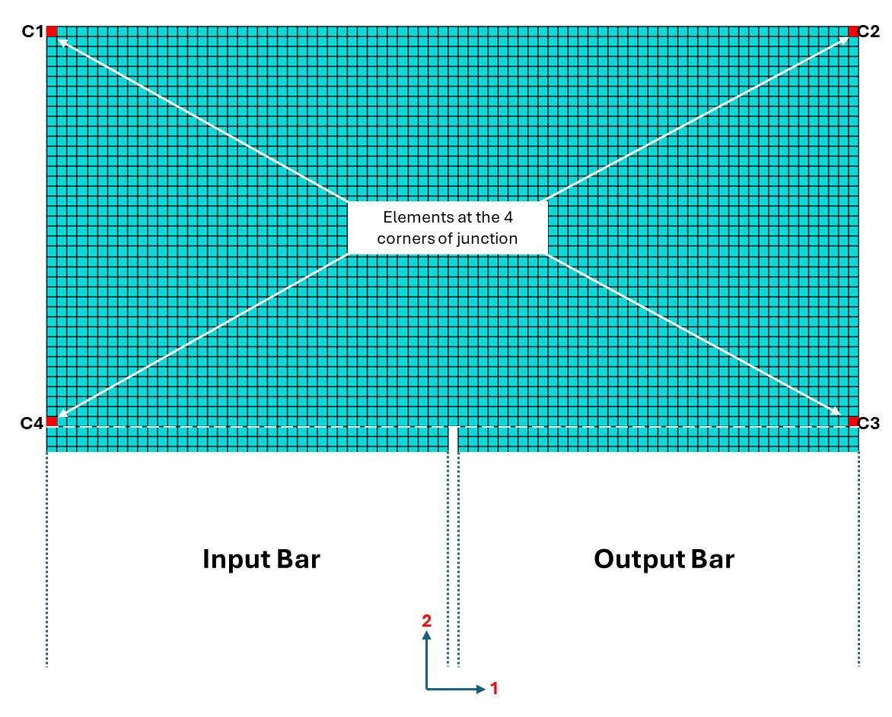
2.35E-06 | 0 | 0 | 0 | 0 | 0 | 0 | 0 | 0
2.40E-06 | 0 | 0 | 0 | 0 | 0 | 0 | 0 | 0
2.45E-06 | 0 | 0 | 0 | 0 | 0 | 0 | 0 | 0
2.50E-06 | 0 | 0 | 0 | 0 | 0 | 0 | 0 | 0
2.55E-06 | 0 | 0 | 0 | 0 | 0 | 0 | 0 | 0
2.60E-06 | 0 | 0 | 0 | 0 | 0 | 0 | 0 | 0
2.65E-06 | 0 | 0 | 0 | 0 | 0 | 0 | 0 | 0
2.70E-06 | 0 | 0 | 0 | 0 | 0 | 0 | 0 | 0
2.75E-06 | 0 | 0 | 0 | 0 | 0 | 0 | 0 | 0
2.80E-06 | 0 | 0 | 0 | 0 | 0 | 0 | 0 | 0
2.86E-06 | 0 | 0 | 0 | 0 | 0 | 0 | 0 | 0
2.90E-06 | 0 | 0 | 0 | 0 | 0 | 0 | 0 | 0
2.95E-06 | 0 | 0 | 0 | 0 | 0 | 0 | 0 | 0
3.01E-06 | 0 | 0 | 0 | 0 | 0 | 0 | 0 | 0
3.05E-06 | 0 | 0 | 0 | 0 | 0 | 0 | 0 | 0
3.10E-06 | 0 | 0 | 0 | 0 | 0 | 0 | 0 | 0
3.16E-06 | 0 | 0 | 0 | 0 | 0 | 0 | 0 | 0
3.20E-06 | 0 | 0 | 0 | 0 | 0 | 0 | 0 | 0
3.25E-06 | 0 | 0 | 0 | 0 | 0 | 0 | 0 | 0
3.31E-06 | 0 | 0 | 0 | 0 | 0 | 0 | 0 | 0
3.35E-06 | 0 | 0 | 0 | 0 | 0 | 0 | 0 | 0
3.40E-06 | 0 | 0 | 0 | 0 | 0 | 0 | 0 | 0
3.46E-06 | 0 | 0 | 0 | 0 | 0 | 0 | 0 | 0
3.50E-06 | 0 | 0 | 0 | 0 | 0 | 0 | 0 | 0
3.55E-06 | 0 | 0 | 0 | 0 | 0 | 0 | 0 | 0
3.61E-06 | 0 | 0 | 0 | 0 | 0 | 0 | 0 | 0
3.65E-06 | 0 | 0 | 0 | 0 | 0 | 0 | 0 | 0
3.70E-06 | 0 | 0 | 0 | 0 | 0 | 0 | 0 | 0
3.76E-06 | 0 | 0 | 0 | 0 | 0 | 0 | 0 | 0
3.80E-06 | 0 | 0 | 0 | 0 | 0 | 0 | 0 | 0
3.86E-06 | 0 | 0 | 0 | 0 | 0 | 0 | 0 | 0
3.90E-06 | 0 | 0 | 0 | 0 | 0 | 0 | 0 | 0
3.95E-06 | 0 | 0 | 0 | 0 | 0 | 0 | 0 | 0
4.00E-06 | 0 | 0 | 0 | 0 | 0 | 0 | 0 | 0
4.05E-06 | 0 | 0 | 0 | 0 | 0 | 0 | 0 | 0
4.10E-06 | 0 | 0 | 0 | 0 | 0 | 0 | 0 | 0
4.16E-06 | 0 | 0 | 0 | 0 | 0 | 0 | 0 | 0
4.20E-06 | 0 | 0 | 0 | 0 | 0 | 0 | 0 | 0
4.25E-06 | 0 | 0 | 0 | 0 | 0 | 0 | 0 | 0
4.30E-06 | 0 | 0 | 0 | 0 | 0 | 0 | 0 | 0
4.35E-06 | 0 | 0 | 0 | 0 | 0 | 0 | 0 | 0
4.40E-06 | 0 | 0 | 0 | 0 | 0 | 0 | 0 | 0
4.46E-06 | 0 | 0 | 0 | 0 | 0 | 0 | 0 | 0
4.50E-06 | 0 | 0 | 0 | 0 | 0 | 0 | 0 | 0
4.55E-06 | 0 | 0 | 0 | 0 | 0 | 0 | 0 | 0
4.60E-06 | 0 | 0 | 0 | 0 | 0 | 0 | 0 | 0
4.65E-06 | 0 | 0 | 0 | 0 | 0 | 0 | 0 | 0
4.70E-06 | 0 | 0 | 0 | 0 | 0 | 0 | 0 | 0
4.76E-06 | 0 | 0 | 0 | 0 | 0 | 0 | 0 | 0
4.80E-06 | 0 | 0 | 0 | 0 | 0 | 0 | 0 | 0
4.85E-06 | 0 | 0 | 0 | 0 | 0 | 0 | 0 | 0
4.90E-06 | 0 | 0 | 0 | 0 | 0 | 0 | 0 | 0
4.95E-06 | 0 | 0 | 0 | 0 | 0 | 0 | 0 | 0
5.00E-06 | 0 | 0 | 0 | 0 | 0 | 0 | 0 | 0
5.06E-06 | 0 | 0 | 0 | 0 | 0 | 0 | 0 | 0
5.10E-06 | 0 | 0 | 0 | 0 | 0 | 0 | 0 | 0
5.15E-06 | 0 | 0 | 0 | 0 | 0 | 0 | 0 | 0
5.20E-06 | 0 | 0 | 0 | 0 | 0 | 0 | 0 | 0
5.25E-06 | 0 | 0 | 0 | 0 | 0 | 0 | 0 | 0
5.30E-06 | 0 | 0 | 0 | 0 | 0 | 0 | 0 | 0
5.36E-06 | 0 | 0 | 0 | 0 | 0 | 0 | 0 | 0
5.40E-06 | 0 | 0 | 0 | 0 | 0 | 0 | 0 | 0
5.45E-06 | 0 | 0 | 0 | 0 | 0 | 0 | 0 | 0
5.50E-06 | 0 | 0 | 0 | 0 | 0 | 0 | 0 | 0
5.55E-06 | 0 | 0 | 0 | 0 | 0 | 0 | 0 | 0
5.60E-06 | 0 | 0 | 0 | 0 | 0 | 0 | 0 | 0
5.66E-06 | 0 | 0 | 0 | 0 | 0 | 0 | 0 | 0
5.71E-06 | 0 | 0 | 0 | 0 | 0 | 0 | 0 | 0
5.75E-06 | 0 | 0 | 0 | 0 | 0 | 0 | 0 | 0
5.80E-06 | 0 | 0 | 0 | 0 | 0 | 0 | 0 | 0
5.85E-06 | 0 | 0 | 0 | 0 | 0 | 0 | 0 | 0
5.90E-06 | 0 | 0 | 0 | 0 | 0 | 0 | 0 | 0
5.96E-06 | 0 | 0 | 0 | 0 | 0 | 0 | 0 | 0
6.01E-06 | 0 | 0 | 0 | 0 | 0 | 0 | 0 | 0
6.05E-06 | 0 | 0 | 0 | 0 | 0 | 0 | 0 | 0
6.10E-06 | 0 | 0 | 0 | 0 | 0 | 0 | 0 | 0
6.15E-06 | 0 | 0 | 0 | 0 | 0 | 0 | 0 | 0
6.20E-06 | 0 | 0 | 0 | 0 | 0 | 0 | 0 | 0
6.26E-06 | 0 | 0 | 0 | 0 | 0 | 0 | 0 | 0
6.31E-06 | 0 | 0 | 0 | 0 | 0 | 0 | 0 | 0
6.35E-06 | 0 | 0 | 0 | 0 | 0 | 0 | 0 | 0
6.40E-06 | 0 | 0 | 0 | 0 | 0 | 0 | 0 | 0
6.45E-06 | 0 | 0 | 0 | 0 | 0 | 0 | 0 | 0
6.50E-06 | 0 | 0 | 0 | 0 | 0 | 0 | 0 | 0
6.55E-06 | 0 | 0 | 0 | 0 | 0 | 0 | 0 | 0
6.61E-06 | 0 | 0 | 0 | 0 | 0 | 0 | 0 | 0
6.65E-06 | 0 | 0 | 0 | 0 | 0 | 0 | 0 | 0
6.70E-06 | 0 | 0 | 0 | 0 | 0 | 0 | 0 | 0
6.75E-06 | 0 | 0 | 0 | 0 | 0 | 0 | 0 | 0
6.80E-06 | 0 | 0 | 0 | 0 | 0 | 0 | 0 | 0
6.85E-06 | 0 | 0 | 0 | 0 | 0 | 0 | 0 | 0
6.91E-06 | 0 | 0 | 0 | 0 | 0 | 0 | 0 | 0
6.95E-06 | 0 | 0 | 0 | 0 | 0 | 0 | 0 | 0
7.00E-06 | 0 | 0 | 0 | 0 | 0 | 0 | 0 | 0
7.05E-06 | 0 | 0 | 0 | 0 | 0 | 0 | 0 | 0
7.10E-06 | 0 | 0 | 0 | 0 | 0 | 0 | 0 | 0
7.15E-06 | 0 | 0 | 0 | 0 | 0 | 0 | 0 | 0
7.21E-06 | 0 | 0 | 0 | 0 | 0 | 0 | 0 | 0
7.25E-06 | 0 | 0 | 0 | 0 | 0 | 0 | 0 | 0
7.30E-06 | 0 | 0 | 0 | 0 | 0 | 0 | 0 | 0
7.35E-06 | 0 | 0 | 0 | 0 | 0 | 0 | 0 | 0
7.40E-06 | 0 | 0 | 0 | 0 | 0 | 0 | 0 | 0
7.45E-06 | 0 | 0 | 0 | 0 | 0 | 0 | 0 | 0
7.51E-06 | 0 | 0 | 0 | 0 | 0 | 0 | 0 | 0
7.56E-06 | 0 | 0 | 0 | 0 | 0 | 0 | 0 | 0
7.60E-06 | 0 | 0 | 0 | 0 | 0 | 0 | 0 | 0
7.65E-06 | 0 | 0 | 0 | 0 | 0 | 0 | 0 | 0
7.71E-06 | 0 | 0 | 0 | 0 | 0 | 0 | 0 | 0
7.75E-06 | 0 | 0 | 0 | 0 | 0 | 0 | 0 | 0
7.80E-06 | 0 | 0 | 0 | 0 | 0 | 0 | 0 | 0
7.85E-06 | 0 | 0 | 0 | 0 | 0 | 0 | 0 | 0
7.90E-06 | 0 | 0 | 0 | 0 | 0 | 0 | 0 | 0
...

