DASHBOARD
JOURNEY OF DEVOTEE: MAHAKUMBH MELA THROUGH DATA

TOTAL PILGRIMS
TOTAL MEAL SERVED
AVERAGE ACCOMODATION(%)
AVERAGE PROCESSION PER DAY
% OF FOREIGN TOURIST(%)
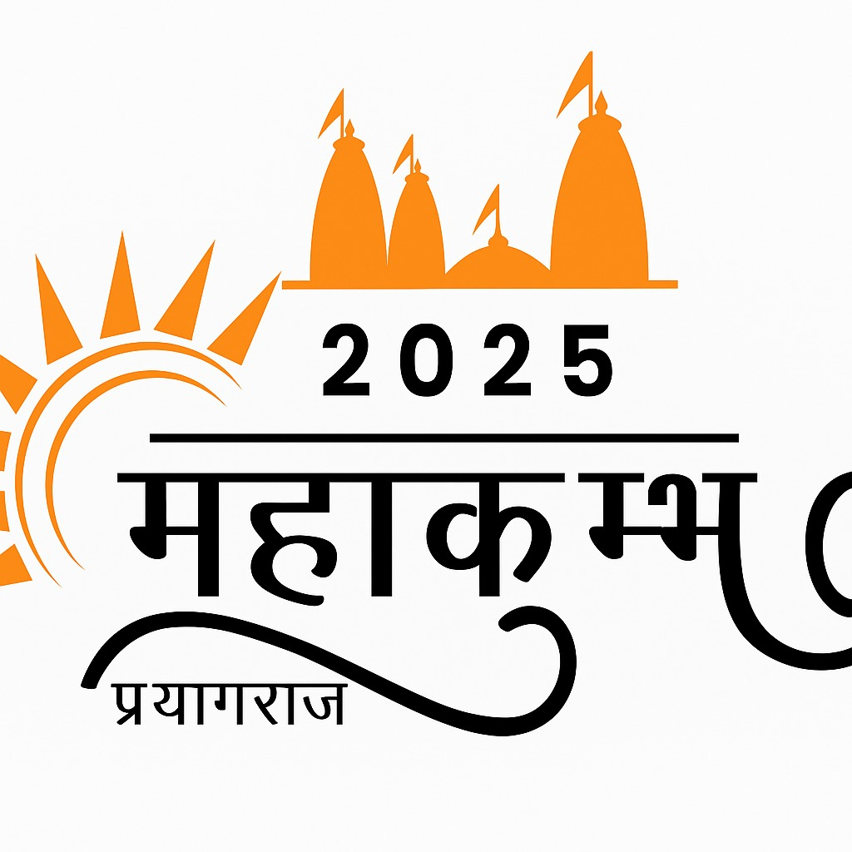
82M | 6.4 | 30M | 88.9 | 16

TREND OF PILGRIMS
 | Total
1 | 17M
2 | 12M
3 | 11M
4 | 14M
5 | 10M
6 | 14M
7 | 5M
MOST PREFERRED GHAT
 | Total
Dashashwamedh Ghat | 16M
Har Ki Pauri | 11M
Ram Ghat | 19M
Sangam Ghat | 19M
Triveni Ghat | 18M
GENDER DISTRIBUTION
FEMALE | 45.8
MALE | 54.2
AGE DECOMPOSITION
0-18 (%) | 20
19-35 (%) | 34
36-60 (%) | 30
60+ (%) | 16

WEEKWISE WASTE DUMPING(TONS)
 | Total
1 | 256
2 | 298
3 | 253
4 | 199
5 | 230
6 | 229
7 | 105
MEALS SERVED PER 100 PILGRIMS
 | Total
Dashashwamedh Ghat | 42
Har Ki Pauri | 45
Ram Ghat | 36
Sangam Ghat | 38
Triveni Ghat | 26
WEEKWISE MEDICAL EMERGENCIES
 | Total
1 | 424
2 | 446
3 | 365
4 | 497
5 | 499
6 | 431
7 | 218
WEEKWISE SECURITY INCIDENT
 | Total
1 | 28
2 | 30
3 | 44
4 | 44
5 | 42
6 | 39
7 | 19

