Executive Summary
Reactor Academy Survey Analysis

A branded decision-support workbook for Reactor Frontier Launchpad. The analysis validates a short, hybrid, industry-connected sprint with strong emphasis on real company challenges, hands-on prototypes, pathway clarity, and partner-funded access.

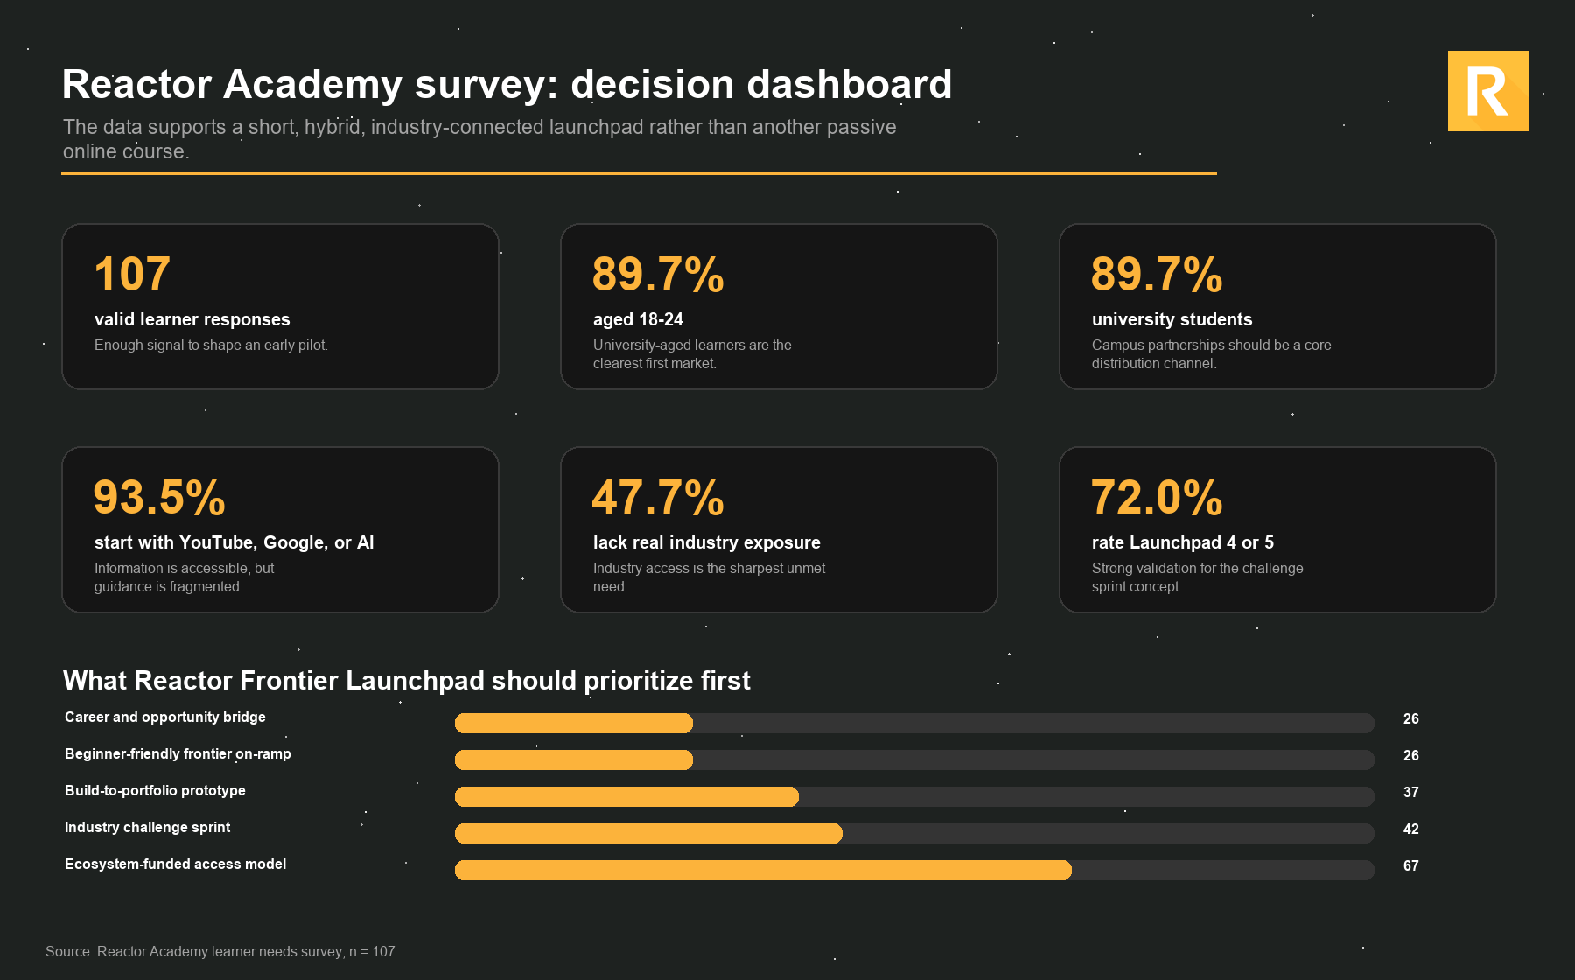
Metric | Value
Survey responses | 107
Aged 18-24 | 89.7%
University students | 89.7%
Start with YouTube, Google, or AI | 93.5%
Lack real industry exposure | 47.7%
Prefer hybrid or in-person-heavy | 72.0%
Rate Launchpad 4 or 5 | 72.0%

Visuals
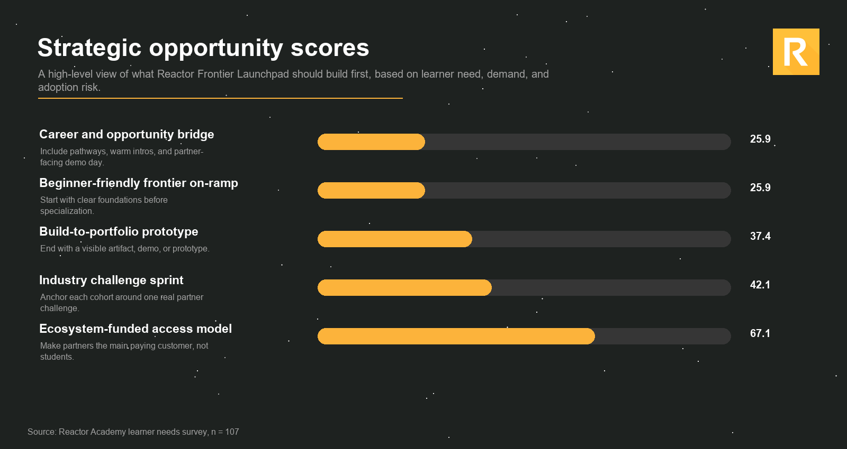
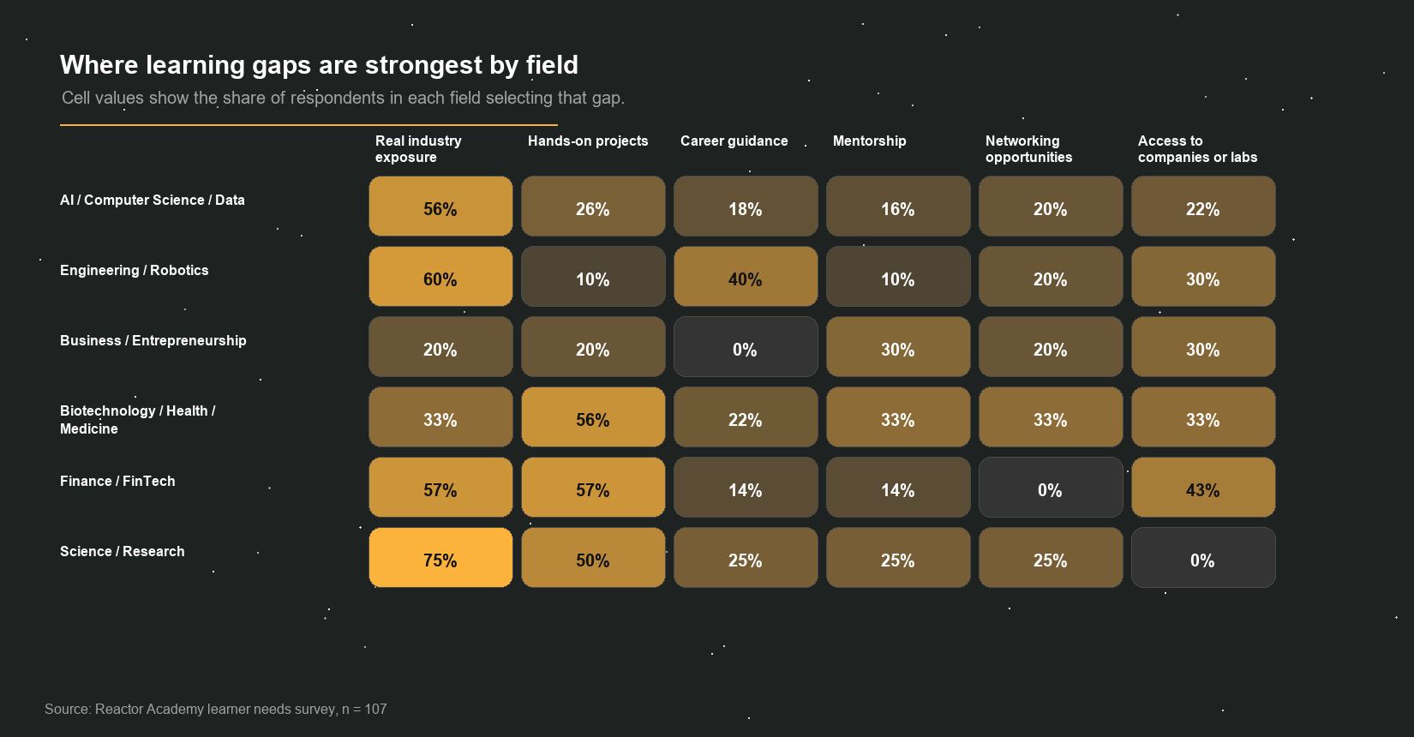
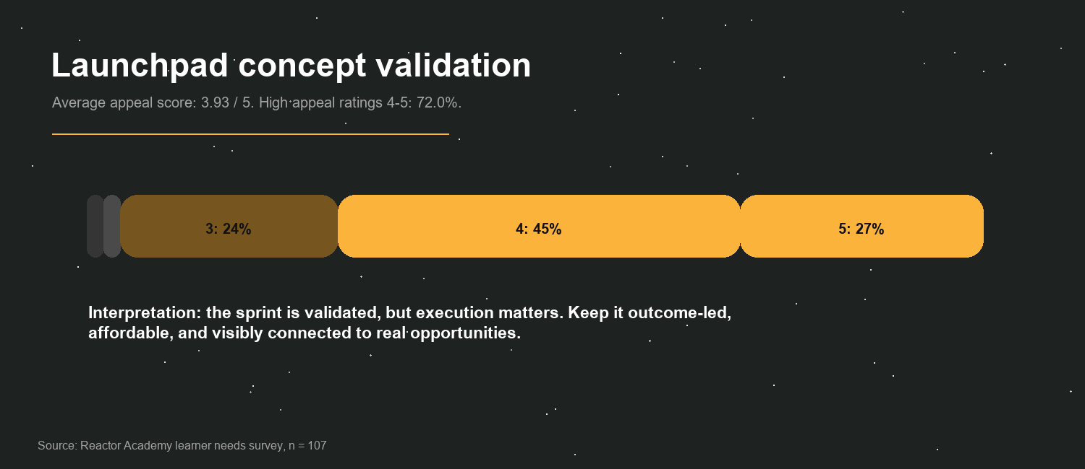
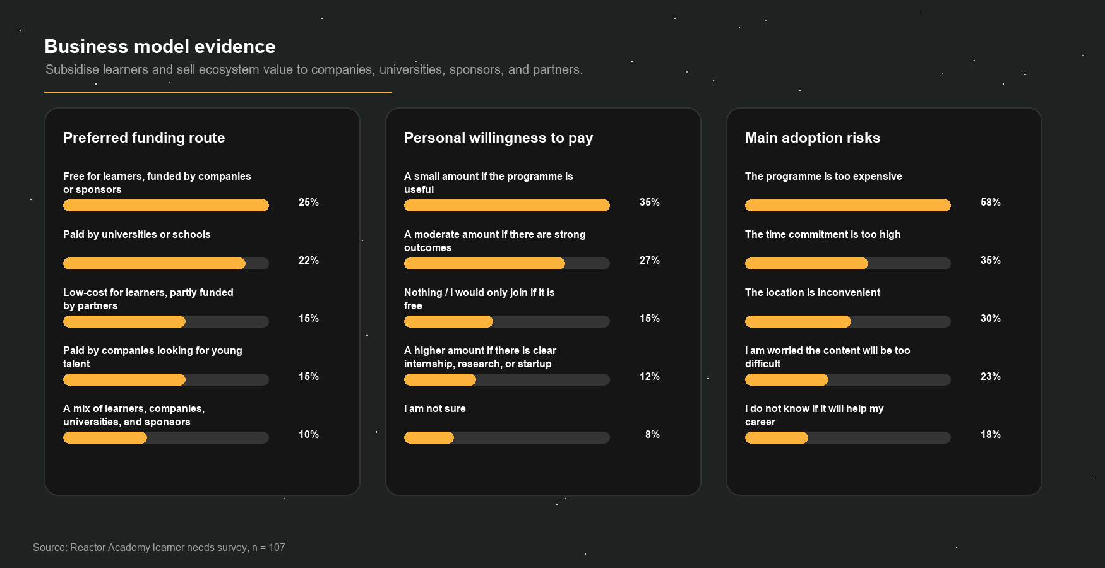
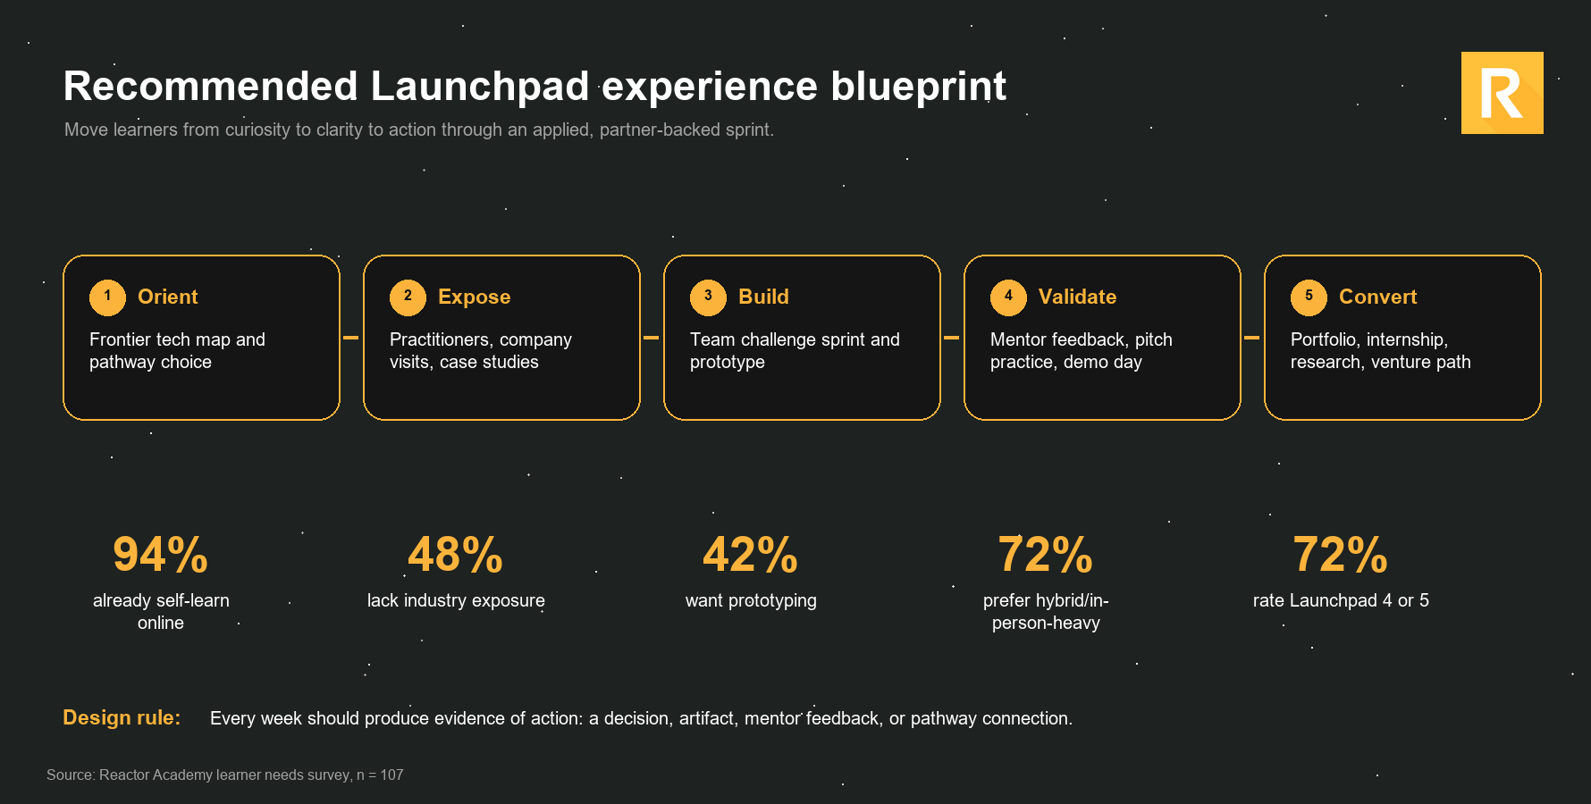
Branded slide visuals

