Sheet1
Q.3) Construct Histogram for given data.
Marks | Stu.No.
10 - 20 | 5
20 - 30 | 8
30 - 40 | 12
40 - 50 | 10
50 - 60 | 7
60 - 70 | 4

Construction of Histogram

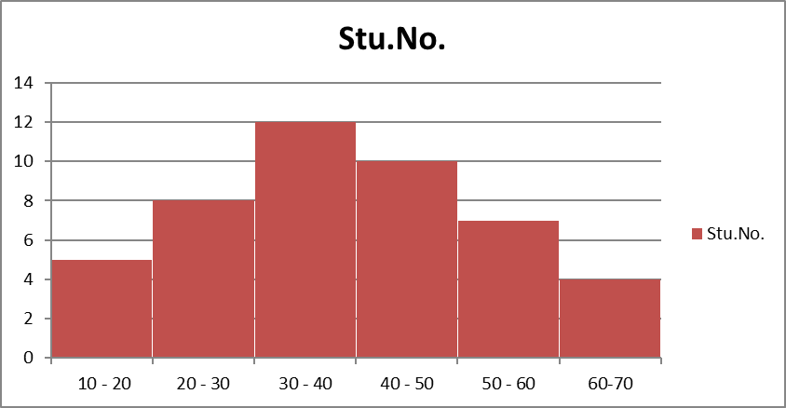

 |  | Name: Bipasha Bajracharya
 |  | I.D: 6603

