DataQualitySheet
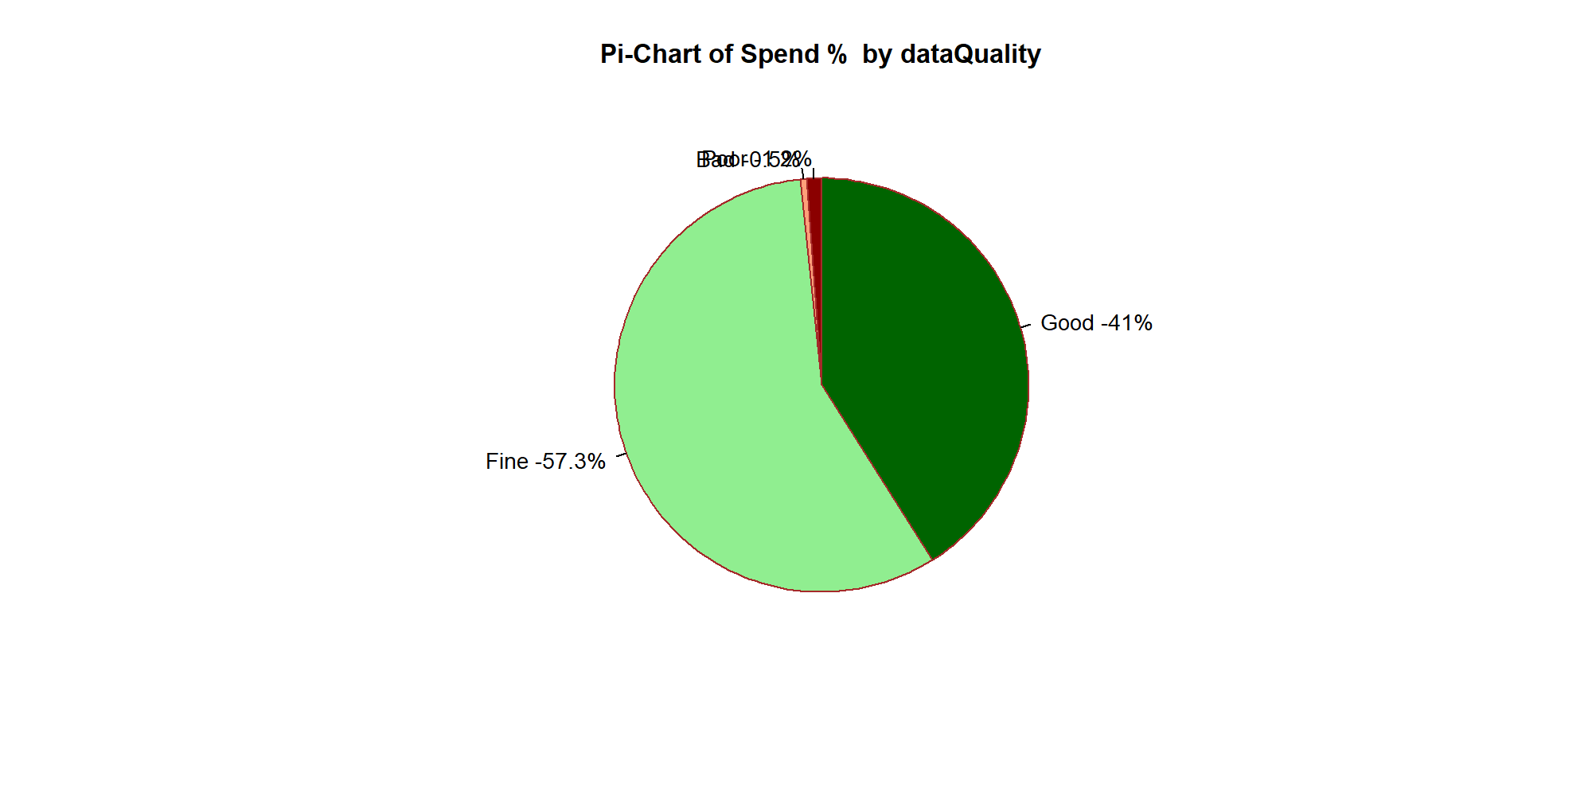
R Report |  |  |  |  |  | Spark Report
 | DataQuality | Desc | Spend | TotalLines | SpendPerc | DocQuality | TotalLines | Spend | SpendPerc | Desc
1 | Good | MN+MPN, >=4 Words | 1473621 | 221 | 41% | Good | 256 | 1809783 | 50.386126507 | MN+MPN, >=4 Words
2 | Fine | MN+MPN, <4 Words | 2058111 | 236 | 57.3% | Bad | 13 | 20658 | 0.57513889863 | Without MN+MPN, >=4 Words
3 | Bad | Without MN+MPN, >=4 Words | 17841 | 10 | 0.5% | Fine | 201 | 1721949 | 47.940742151 | MN+MPN, <4 Words
4 | Poor | Without MN+MPN, <4 Words | 42255 | 14 | 1.2% | Poor | 11 | 39438 | 1.0979924428 | Without MN+MPN, <4 Words

