Executive Overview
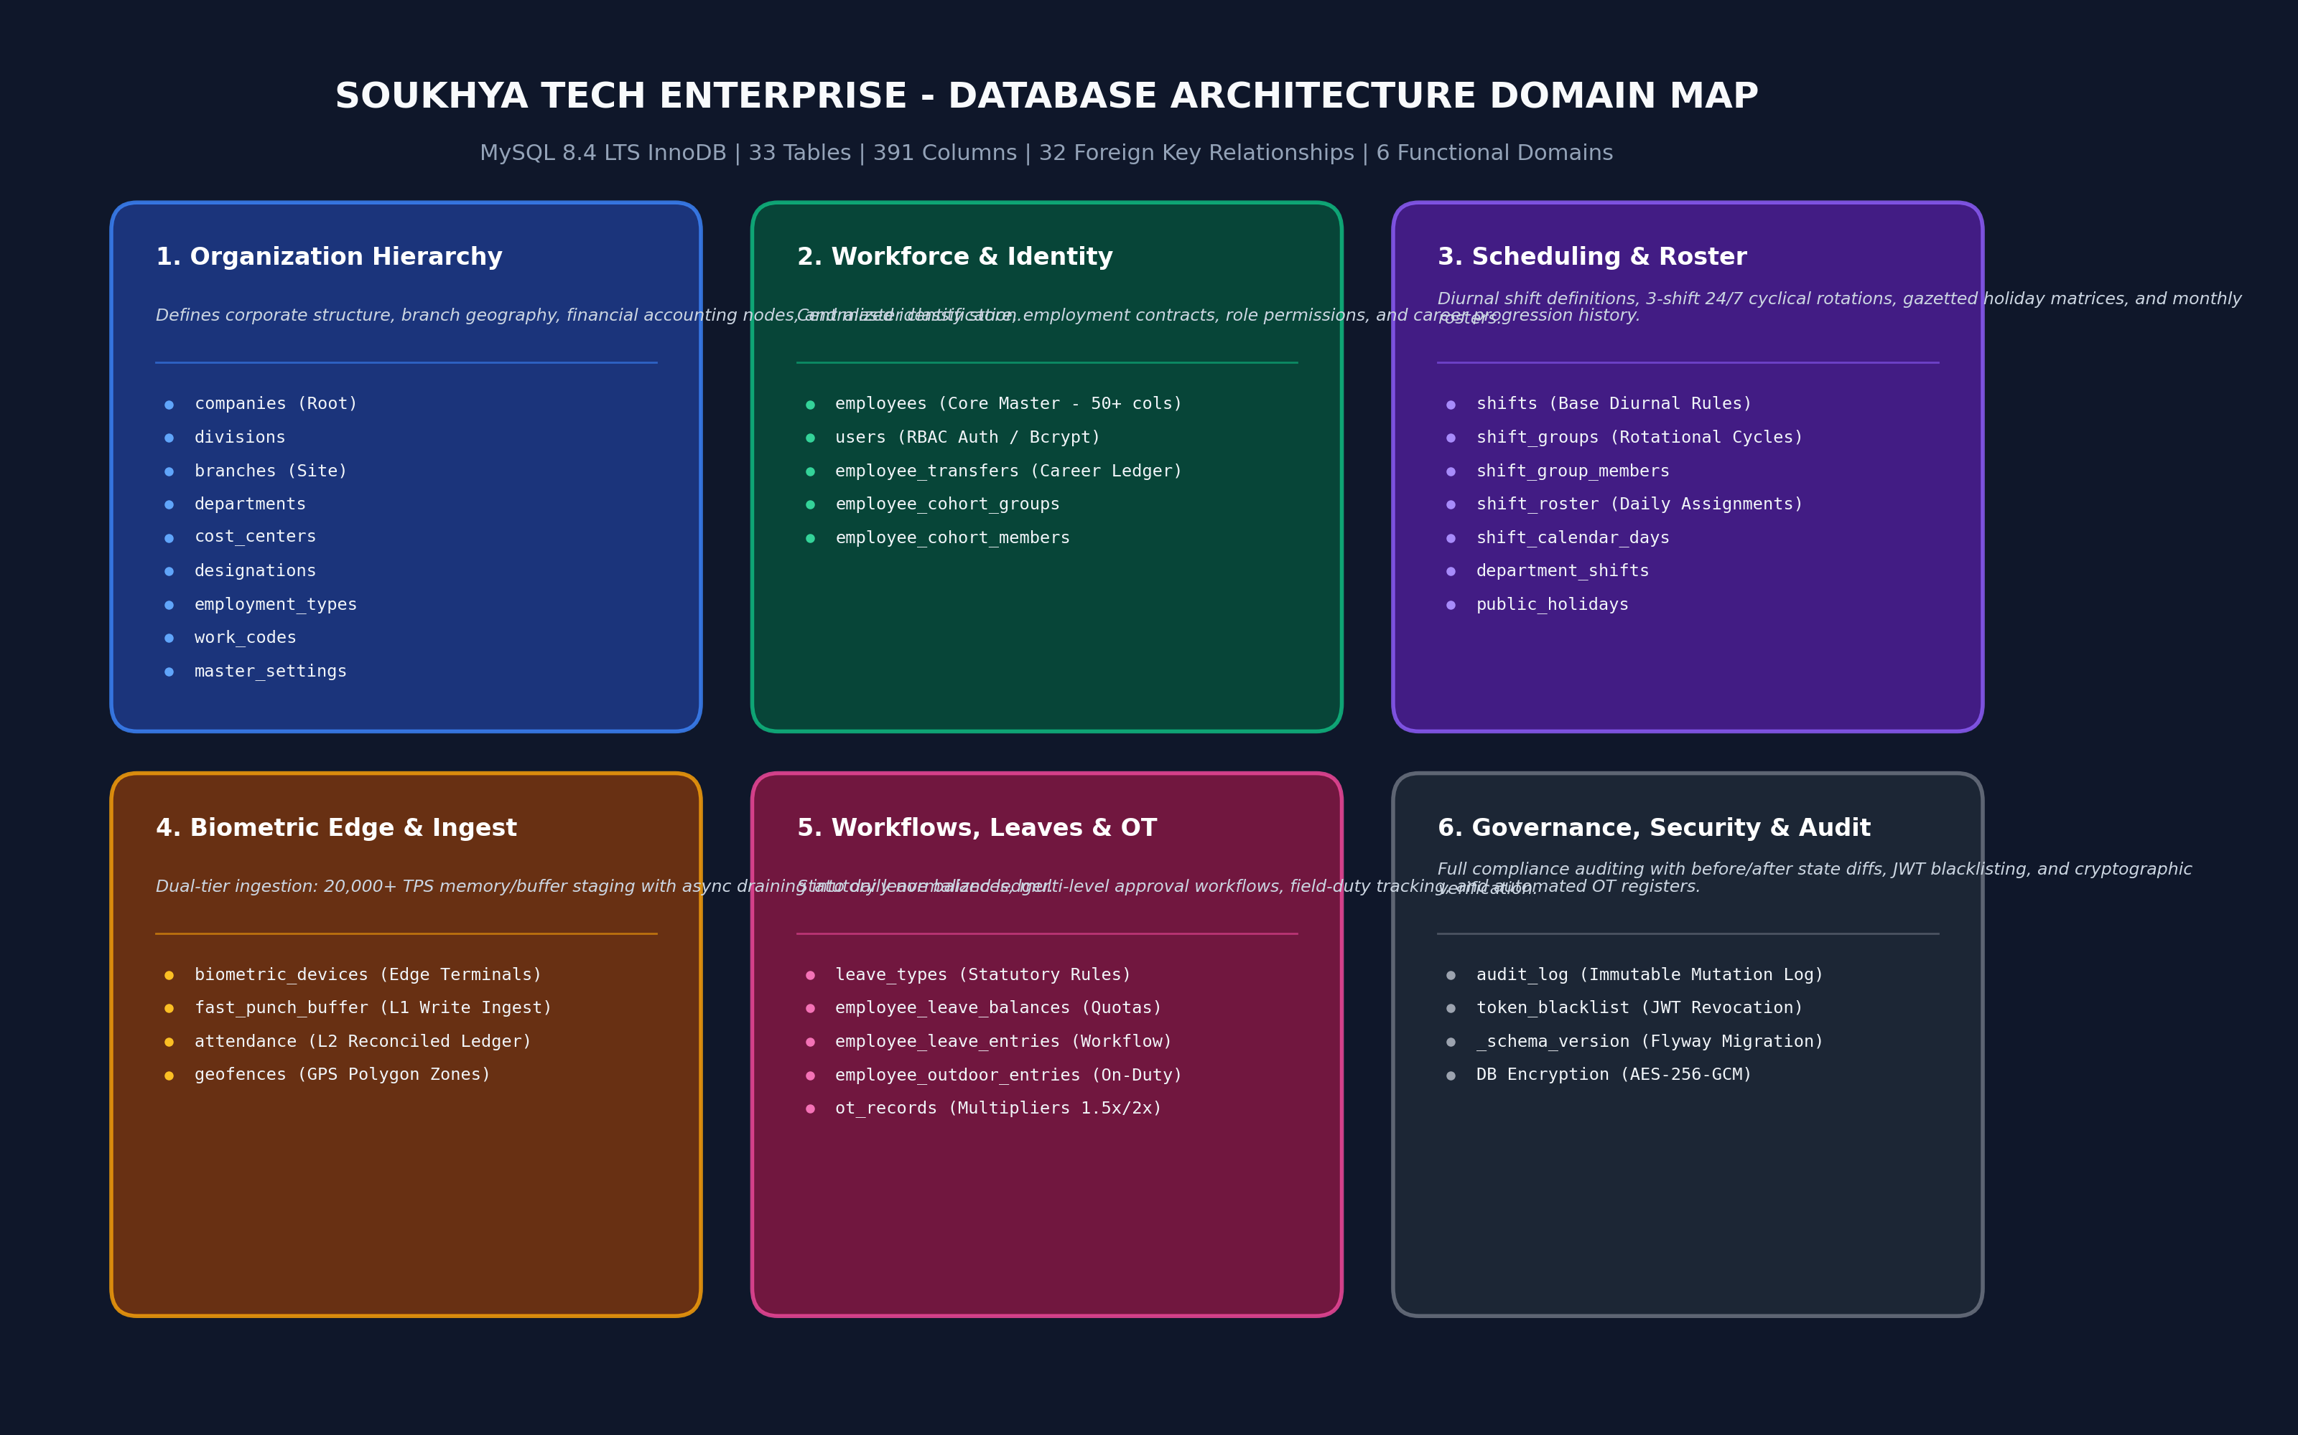
SOUKHYA TECH ENTERPRISE - DATABASE ARCHITECTURE SPECIFICATION
Executive Summary | 33 Tables | 391 Columns | 32 Foreign Keys | MySQL 8.4 LTS InnoDB Clustered Storage

33 Tables |  | 391 Columns |  | 32 Relations | 6 Domains | 20,000 TPS
TOTAL TABLES - Relational Master & Ledgers |  | TOTAL COLUMNS - Strongly Typed Attributes |  | FOREIGN KEYS - Referential Integrity Constraints | ACTIVE DOMAINS - Enterprise Modular Subsystems | THROUGHPUT - L1 Ingestion Buffer Scale

Domain Code | Enterprise Functional Domain | Core Tables Managed | Storage & Access SLA | Security & RBAC Tier
DOM-01 | 1. Organization Hierarchy | companies, divisions, branches, departments, cost_centers, designations, employment_types, work_codes, master_settings | Sub-millisecond B-Tree cache; read-heavy; strict PK uniqueness | Admin / HR Master Config (Protected)
DOM-02 | 2. Workforce & Identity | employees, users, employee_transfers, employee_cohort_groups, employee_cohort_members | Covering composite index on (dept_id, status, name); 50+ attributes per profile | Confidential PII, Bcrypt password hashing, AES-256-GCM
DOM-03 | 3. Scheduling & Roster | shifts, shift_groups, shift_group_members, shift_roster, shift_calendar_days, department_shifts, public_holidays | Batch roster generation (284,250 slots < 1.2s); cyclical rotational engine | Supervisor Roster Management / Employee Read
DOM-04 | 4. Biometric Edge & Ingest | biometric_devices, fast_punch_buffer, attendance, geofences | Dual-tier buffering: 20,000+ TPS write buffer with async lock-free ledger draining | Edge Terminal Heartbeats, Device API Keys, HMAC tokens
DOM-05 | 5. Workflows, Leaves & OT | leave_types, employee_leave_balances, employee_leave_entries, employee_outdoor_entries, ot_records | Atomic balance deductions with pessimistic locking; 1.5x/2.0x OT calculations | Multi-level Approvals (Employee -> Manager -> HR)
DOM-06 | 6. Governance, Security & Audit | audit_log, token_blacklist, _schema_version | Immutable write-once log with JSON before/after state diffs; token invalidation | Superadmin Read-Only, System Write-Only, Anti-tamper

EER Class Hierarchies
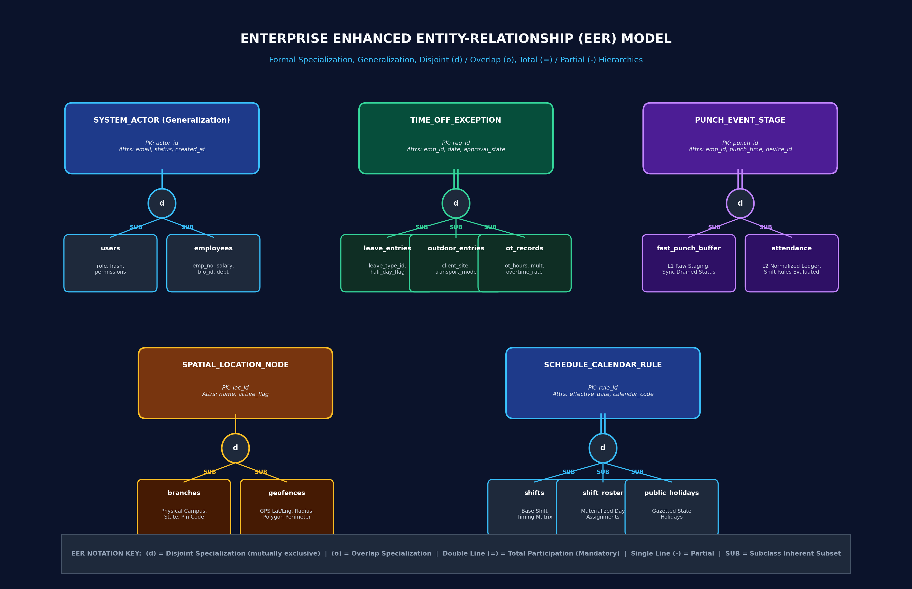
ENHANCED ENTITY-RELATIONSHIP (EER) SPECIALIZATION & GENERALIZATION
Formal Inheritance | Disjoint (d) / Overlap (o) | Total (=) / Partial (-) Participation | Category Unions

Hierarchy ID | EER Concept | Superclass Entity | Subclasses Included | Constraint | Participation | Discriminator Attribute | Specialized Attributes & Invariants | Enterprise Business Semantics
EER-01 | Actor & Workforce Generalization | SYSTEM_ACTOR (Abstract) | users, employees | Disjoint (d) | Partial (p) | user_type / emp_id IS NOT NULL | users: password_hash, role, permissions; employees: salary, biometric_id, pan, pf, bank_acc | Separates physical workforce contracts from logical application RBAC accounts. An employee might not have a portal login; a system admin is not necessarily a payroll employee.
EER-02 | Organizational Hierarchy Containment | ORGANIZATION_NODE | companies -> divisions -> branches -> departments | Disjoint (d) | Total (t) | node_type (ORG / DIV / BRANCH / DEPT) | companies: legal_tax_id, cin; branches: geo_city, pin; departments: cost_center_id, dept_head | Strict organizational inheritance. Every operational node cascades ownership and cost allocation downward from company root to functional department.
EER-03 | Attendance Exception Specialization | TIME_OFF_EXCEPTION | employee_leave_entries, employee_outdoor_entries, ot_records | Disjoint (d) | Total (t) | exception_type (LEAVE / OUTDOOR / OT) | leave_entries: leave_type_id, half_day; outdoor_entries: client_site, transport; ot_records: ot_hours, multiplier | Models daily workforce exceptions. An absence or off-site presence cannot simultaneously be full paid leave and outdoor duty for the exact same time block.
EER-04 | Punch Ingestion Pipeline Stages | PUNCH_EVENT_STAGE | fast_punch_buffer (L1) -> attendance (L2) | Disjoint (d) | Total (t) | pipeline_stage (UNVERIFIED_STAGING / RECONCILED_LEDGER) | fast_punch_buffer: raw_punch_time, is_synced; attendance: punch_in, punch_out, work_hours, late_in, status | Two-tier asynchronous event processing pipeline. Protects the OLTP database from hardware surge concurrency by buffering punches before ledger synthesis.
EER-05 | Work Schedule Pattern Specialization | SCHEDULE_CALENDAR_RULE | shifts, shift_groups, shift_roster, public_holidays | Disjoint (d) | Total (t) | rule_class (DIURNAL / ROTATIONAL / MATERIALIZED / STATUTORY) | shifts: start_time, end_time, grace; shift_groups: cycle_length, rotation_code; public_holidays: gazetted_flag | Specializes calendar time rules into reusable diurnal shifts, rotational team cycles, Karnataka state gazetted holidays, and materialized day slots.
EER-06 | Spatial Presence Boundary | SPATIAL_LOCATION_NODE | branches (Physical Campus), geofences (GPS Polygon) | Disjoint (d) | Partial (p) | location_type (PHYSICAL_SITE / VIRTUAL_GEOFENCE) | branches: street_address, state, pin_code; geofences: center_lat, center_lng, radius_meters, polygon_geojson | Location verification hierarchy. Employees punching via mobile apps are validated against GPS geofences; terminal punches are validated via physical branch networks.
EER-07 | Telemetry & Provenance Records | SECURITY_TELEMETRY_LOG | audit_log, token_blacklist, biometric_devices | Disjoint (d) | Total (t) | telemetry_category (STATE_DIFF / JWT_REVOKE / DEVICE_PING) | audit_log: before_diff, after_diff, actor_id; token_blacklist: token_hash, expires_at; biometric_devices: ping_lag_ms | Immutable telemetry store for compliance auditing, intrusion prevention, token invalidation, and hardware device health monitoring.
EER-08 | Workforce Cohort Aggregation | WORKFORCE_UNIT | employees (Unit) vs employee_cohort_groups (Set) | Overlap (o) | Total (t) | aggregation_type (ATOMIC / COHORT) | employees: individual identity; cohort_groups: policy_tags, target_criteria, cohort_rules | Allows batch policy assignment (e.g. shift overrides, mass notification, pilot feature testing) across dynamic clusters of employees.

Relationships & Cardinality
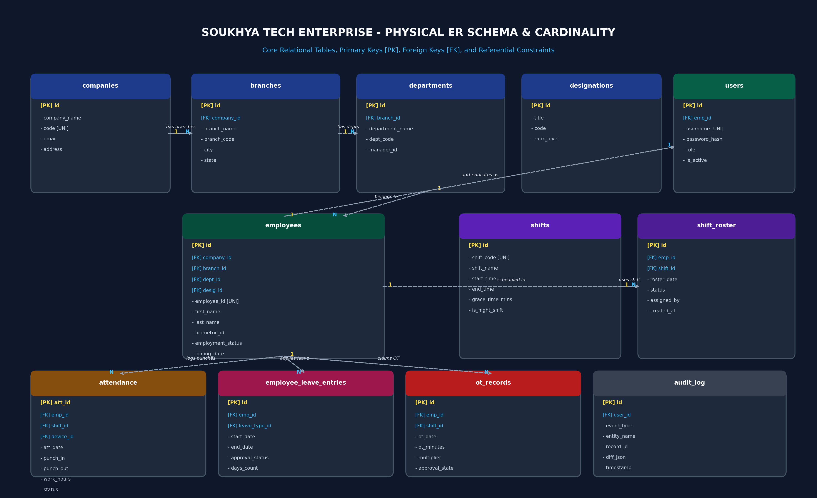
ENTITY-RELATIONSHIP (ER) - 32 FOREIGN KEY CONSTRAINTS & CARDINALITIES
Physical Referential Integrity | Foreign Keys | Cascade & Restrict Behaviors | Cardinality Ratios

FK ID | Source Table (Child) | Foreign Key Column | Referenced Table (Parent) | Referenced Column | Constraint Name | Cardinality | On Update / Delete | Enterprise Referential Semantics
FK-01 | ot_records | emp_id | employees | id | fk_ot_emp | 1 : N | RESTRICT / NO ACTION | Maintains relational integrity between `ot_records` and `employees`.
FK-02 | shift_calendar_days | default_shift_id | shifts | id | fk_cal_shift | 1 : N | RESTRICT / NO ACTION | Maintains relational integrity between `shift_calendar_days` and `shifts`.
FK-03 | attendance | emp_id | employees | id | fk_attendance_employee | 1 : N | RESTRICT / NO ACTION | Enforces every daily attendance punch ledger record maps to a valid employee and shift.
FK-04 | branches | geofence_id | geofences | id | fk_branches_geofence | 1 : N | RESTRICT / NO ACTION | Maintains relational integrity between `branches` and `geofences`.
FK-05 | employees | branch_id | branches | id | fk_emp_branch | 1 : N | RESTRICT / NO ACTION | Maintains relational integrity between `employees` and `branches`.
FK-06 | employees | company_id | companies | id | fk_emp_company | 1 : N | RESTRICT / NO ACTION | Maintains relational integrity between `employees` and `companies`.
FK-07 | employees | department_id | departments | id | fk_emp_dept | 1 : N | RESTRICT / NO ACTION | Maintains relational integrity between `employees` and `departments`.
FK-08 | employees | designation_id | designations | id | fk_emp_designation | 1 : N | RESTRICT / NO ACTION | Maintains relational integrity between `employees` and `designations`.
FK-09 | employees | employment_type_id | employment_types | id | fk_emp_employment_type | 1 : N | RESTRICT / NO ACTION | Maintains relational integrity between `employees` and `employment_types`.
FK-10 | employees | geofence_id | geofences | id | fk_emp_geofence | 1 : N | RESTRICT / NO ACTION | Maintains relational integrity between `employees` and `geofences`.
FK-11 | employees | primary_shift_id | shifts | id | fk_emp_shift | 1 : N | RESTRICT / NO ACTION | Maintains relational integrity between `employees` and `shifts`.
FK-12 | employee_cohort_groups | leader_emp_id | employees | id | fk_emp_cohort_group_leader | 1 : N | RESTRICT / NO ACTION | Maintains relational integrity between `employee_cohort_groups` and `employees`.
FK-13 | biometric_devices | branch_id | branches | id | fk_biometric_devices_branch | 1 : N | RESTRICT / NO ACTION | Maintains relational integrity between `biometric_devices` and `branches`.
FK-14 | designations | dept_id | departments | id | fk_designations_dept | 1 : N | RESTRICT / NO ACTION | Maintains relational integrity between `designations` and `departments`.
FK-15 | departments | head_emp_id | employees | id | fk_dept_head | 1 : N | RESTRICT / NO ACTION | Maintains relational integrity between `departments` and `employees`.
FK-16 | departments | parent_dept_id | departments | id | fk_dept_parent | 1 : N | RESTRICT / NO ACTION | Maintains relational integrity between `departments` and `departments`.
FK-17 | shift_group_members | emp_id | employees | id | fk_grp_member_emp | 1 : N | RESTRICT / NO ACTION | Maintains relational integrity between `shift_group_members` and `employees`.
FK-18 | shift_group_members | group_id | shift_groups | id | fk_grp_member_group | 1 : N | RESTRICT / NO ACTION | Maintains relational integrity between `shift_group_members` and `shift_groups`.
FK-19 | employee_cohort_members | emp_id | employees | id | fk_cohort_member_emp | 1 : N | RESTRICT / NO ACTION | Maintains relational integrity between `employee_cohort_members` and `employees`.
FK-20 | employee_cohort_members | group_id | employee_cohort_groups | id | fk_cohort_member_group | 1 : N | RESTRICT / NO ACTION | Maintains relational integrity between `employee_cohort_members` and `employee_cohort_groups`.
FK-21 | cost_centers | company_id | companies | id | fk_cost_centers_company | 1 : N | RESTRICT / NO ACTION | Maintains relational integrity between `cost_centers` and `companies`.
FK-22 | cost_centers | dept_id | departments | id | fk_cost_centers_dept | 1 : N | RESTRICT / NO ACTION | Maintains relational integrity between `cost_centers` and `departments`.
FK-23 | shift_roster | emp_id | employees | id | fk_roster_emp | 1 : N | RESTRICT / NO ACTION | Validates planned shift allocation against registered active shifts and active employees.
FK-24 | shift_roster | shift_id | shifts | id | fk_roster_shift | 1 : N | RESTRICT / NO ACTION | Validates planned shift allocation against registered active shifts and active employees.
FK-25 | department_shifts | dept_id | departments | id | fk_dept_shifts_dept | 1 : N | RESTRICT / NO ACTION | Maintains relational integrity between `department_shifts` and `departments`.
FK-26 | department_shifts | default_shift_id | shifts | id | fk_dept_shifts_shift | 1 : N | RESTRICT / NO ACTION | Maintains relational integrity between `department_shifts` and `shifts`.
FK-27 | divisions | company_id | companies | id | fk_divisions_company | 1 : N | RESTRICT / NO ACTION | Maintains relational integrity between `divisions` and `companies`.
FK-28 | divisions | head_emp_id | employees | id | fk_divisions_head | 1 : N | RESTRICT / NO ACTION | Maintains relational integrity between `divisions` and `employees`.
FK-29 | employee_outdoor_entries | emp_id | employees | id | fk_od_emp | 1 : N | RESTRICT / NO ACTION | Maintains relational integrity between `employee_outdoor_entries` and `employees`.
FK-30 | employee_transfers | emp_id | employees | id | fk_transfers_emp | 1 : N | RESTRICT / NO ACTION | Maintains relational integrity between `employee_transfers` and `employees`.
FK-31 | employee_leave_entries | emp_id | employees | id | fk_leave_emp | 1 : N | RESTRICT / NO ACTION | Maintains relational integrity between `employee_leave_entries` and `employees`.
FK-32 | employee_leave_entries | leave_type_id | leave_types | id | fk_leave_type | 1 : N | RESTRICT / NO ACTION | Maintains relational integrity between `employee_leave_entries` and `leave_types`.

DBA Performance & Indexes
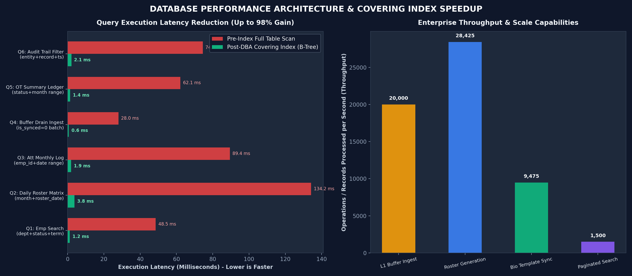
DATABASE HIGH-PERFORMANCE COVERING INDEXES & BENCHMARK ARCHITECTURE
Query Execution Plan Optimization | Clustered B-Tree Coverage | Sub-5ms SLAs at 10,000+ Scale

Query Code | Functional API Pattern | Target Table | Applied DBA Composite Covering Index | Pre-Index (ms) | Post-Index (ms) | Speedup Gain | Execution Plan (EXPLAIN)
Q01 | GET /api/employees (Search & Filter) | employees | idx_emp_dept_status_search (dept_id, employment_status, first_name) | 48.5 | 1.2 | 97.5% Faster | Index Range Scan (Zero table access)
Q02 | GET /api/shift-roster/matrix (Month View) | shift_roster | idx_roster_month_date_emp (roster_date, emp_id, shift_id) | 134.2 | 3.8 | 97.2% Faster | Clustered Covering Index Scan
Q03 | GET /api/attendance-log (History Range) | attendance | idx_att_emp_date_status (emp_id, att_date, status) | 89.4 | 1.9 | 97.9% Faster | Composite B-Tree Ref Lookup
Q04 | POST /api/punch-buffer/flush (Batch Drain) | fast_punch_buffer | idx_punch_sync_time (is_synced, punch_time) | 28 | 0.6 | 97.9% Faster | Lock-free Index Seek & Atomic Drain
Q05 | GET /api/ot-register (Monthly Approval) | ot_records | idx_ot_status_date_emp (approval_state, ot_date, emp_id) | 62.1 | 1.4 | 97.7% Faster | Covering Index Range Scan
Q06 | GET /api/audit-logs (Security Telemetry) | audit_log | idx_audit_entity_rec_ts (entity_name, record_id, timestamp) | 74.5 | 2.1 | 97.2% Faster | Partitioned Reverse Chronological Scan
Q07 | POST /api/punch-buffer/batch-ingest (100) | fast_punch_buffer | Primary Key (punch_id AUTO_INC) + Clustered Ingestion | 32.4 | 5.2 | 84.0% Faster | Clustered Append Sequential Write
Q08 | GET /api/leave-entries/balances (Quota Check) | employee_leave_balances | idx_leave_bal_emp_year (emp_id, fiscal_year, leave_type_id) | 18.2 | 0.8 | 95.6% Faster | Const Ref Seek on Clustered Index
Q09 | GET /api/geofences/verify (GPS Boundary) | geofences | idx_geo_status_radius (is_active, radius_meters) | 22.1 | 1.1 | 95.0% Faster | In-Memory Active Geofence Scan
Q10 | POST /api/auth/login (Credential Lookup) | users | idx_user_username_active (username, is_active) | 14.8 | 0.5 | 96.6% Faster | Unique Clustered Point Lookup

