HKCE - Issue Return Batch
Test Case ID | Test Steps | Test Data | Actual Result | Tester | Remarks
TC-HKCE-001A1 | 1.Returns issued to the Notifying Entity for same MNE code & fiscal year? Issued 2.Entity type different? No 3.Return already filed? No 4.Update issued return: HKCE list Role of Return Filing Entity GIR required indicator Assessment Triggering Information required indicator Due date & enforcement date | Name of Part 4AA Entity BRN 30211895 Type of Filing Entity HK Constituent Entity Role of Filing Entity Ultimate Parent Entity MNE Code G0060567 MNE Code (Optional Input to JV Group) - JV Code - Fiscal Year Start Date (DD/MM/YYYY) 01/07/2025 Fiscal Year End Date (DD/MM/YYYY) 02/07/2025 Automated Assessment Indicator Yes Assessment Triggering Information Yes Required to attach GloBE Information Return Yes GloBE Information Return to be exchanged from other jurisdiction No First Fiscal Year Filing Indicator No Issue Date (DD/MM/YYYY) 09/09/2026 Due Date (DD/MM/YYYY) 11/09/2026 BTP:30211895 Type of Notifying Entity:HK Constituent Entity Same MNE code, BRN and Fiscal year 2.4:YES 2.5The UPE 2.12.1-2.12.3:YES Part3:Online input BRN:30296865 and 08454704and 30211895 |  | Andy
TC-HKCE-001A2 | 1.Returns issued to the Notifying Entity for same MNE code & fiscal year? Issued 2.Entity type different? No 3.Return already filed? Yes | Name of Part 4AA Entity BRN 30296865 Type of Filing Entity HK Constituent Entity Role of Filing Entity Designated Local Entity MNE Code M0062242 MNE Code (Optional Input to JV Group) - JV Code - Fiscal Year Start Date (DD/MM/YYYY) 01/07/2025 Fiscal Year End Date (DD/MM/YYYY) 02/07/2025 Automated Assessment Indicator Yes Assessment Triggering Information Yes Required to attach GloBE Information Return Yes GloBE Information Return to be exchanged from other jurisdiction No First Fiscal Year Filing Indicator No Issue Date (DD/MM/YYYY) 09/09/2026 Due Date (DD/MM/YYYY) 11/09/2026 Return filed BTP:30296865 Type of Notifying Entity:HK Constituent Entity Same MNE code, BRN and Fiscal year 2.4:No 2.6:No 2.8:Yes 2.9:the Notifying Entity |  | Andy
TC-HKCE-001A3 | 1.Returns issued to the Notifying Entity for same MNE code & fiscal year? Issued 2.Entity type different? Yes | Name of Part 4AA Entity BRN 08454704 Type of Filing Entity Part 4AA Stateless Constituent Entity Role of Filing Entity Part 4AA Stateless Constituent Entity MNE Code G0060517 MNE Code (Optional Input to JV Group) - JV Code - Fiscal Year Start Date (DD/MM/YYYY) 01/07/2025 Fiscal Year End Date (DD/MM/YYYY) 02/07/2025 Automated Assessment Indicator Yes Assessment Triggering Information Yes Required to attach GloBE Information Return Yes GloBE Information Return to be exchanged from other jurisdiction No First Fiscal Year Filing Indicator No Issue Date (DD/MM/YYYY) 09/09/2026 Due Date (DD/MM/YYYY) 11/09/2026 BTP:08454704 Type of Notifying Entity:HK Constituent Entity Same MNE code, BRN and Fiscal year 2.4:YES 2.5The UPE 2.12.1-2.12.3:YES Part3:Online input BRN:30296865 and 08454704and 30211895 |  | Andy
TC-HKCE-002A1 | 1.Returns issued to the Notifying Entity for same MNE code & fiscal year? None issued 2.Found return/Notification under the same MNE code with partially overlapping fiscal year? Found 3.Generate advisory slip(Reason Code 2) | N/A |  | Andy
TC-HKCE-003A1 | 1.Returns issued to the Notifying Entity for same MNE code & fiscal year? None issued 2.Found return/Notification under the same MNE code with partially overlapping fiscal year? Not Found 3.Role of Return Filing Entity? UPE (Notifying Entity) 4.Return of same MNE code & fiscal year issued before? No 5.Issue return to Notifying Entity(assessment triggering info & GIR) | BTP1:30211895 Type of Notifying Entity:HK Constituent Entity MNE Code:M0062137 BRN:30211895 Fiscal Year:01/01/2025-02/01/2025 2.4:YES 2.5The UPE 2.12.1-2.12.3:YES | Issue return to Notifying Entity(assessment triggering info & GIR) | Andy
TC-HKCE-003A2 | 1.Returns issued to the Notifying Entity for same MNE code & fiscal year? None issued 2.Found return/Notification under the same MNE code with partially overlapping fiscal year? Not Found 3.Role of Return Filing Entity? DFE (Notifying Entity) 4.Return of same MNE code & fiscal year issued before? No 5.Issue return to Notifying Entity(assessment triggering info & GIR) | BTP1:30211895 Type of Notifying Entity:HK Constituent Entity MNE Code:M0062137 BRN:30211895 Fiscal Year:01/03/2025-02/04/2025 2.4:YES 2.5The DFE 2.12.1-2.12.3:YES | Issue return to Notifying Entity(assessment triggering info & GIR) | Andy
TC-HKCE-003B1 | 1.Returns issued to the Notifying Entity for same MNE code & fiscal year? None issued 2.Found return/Notification under the same MNE code with partially overlapping fiscal year? Not Found 3.Role of Return Filing Entity? UPE (Notifying Entity) 4.Return of same MNE code & fiscal year issued before? Yes 5.Return issued to? UPE 6.Notification filed before retum filing deadline or return filed? No to all 7.Issue return to Notifying Entity(assessment triggering info & GIR) | BTP1:30211895 Type of Notifying Entity:HK Constituent Entity MNE Code:M0061729 BRN:30211895 Fiscal Year:01/01/2025-02/01/2025 2.4:YES 2.5The UPE(30211895) 2.12.1-2.12.3:YES BTP2:08454704 Type of Notifying Entity:HK Constituent Entity Same MNE code, BRN and Fiscal year 2.4:YES 2.5The UPE(30211895) 2.12.1-2.12.3:YES | Issue return to Notifying Entity(assessment triggering info & GIR) | Andy
TC-HKCE-003B2 | 1.Returns issued to the Notifying Entity for same MNE code & fiscal year? None issued 2.Found return/Notification under the same MNE code with partially overlapping fiscal year? Not Found 3.Role of Return Filing Entity? UPE (Notifying Entity) 4.Return of same MNE code & fiscal year issued before? Yes 5.Return issued to? UPE 6.Notification filed before retum filing deadline or return filed? 1 or more Yes-Notification filed before retum filing deadline 7.No retum issued; Send e-message with reason | BTP1:30211895 Type of Notifying Entity:HK Constituent Entity MNE Code: M0062333 BRN:30211895 Fiscal Year:01/12/2025-02/12/2025 2.4:YES 2.5The UPE 2.12.1-2.12.3:YES BTP2:08454704 Type of Notifying Entity:HK Constituent Entity Same MNE code, BRN and Fiscal year 2.4:YES 2.5The UPE 2.12.1-2.12.3:YES | No retum issued; Send e-message with reason | Andy
TC-HKCE-003B3 | 1.Returns issued to the Notifying Entity for same MNE code & fiscal year? None issued 2.Found return/Notification under the same MNE code with partially overlapping fiscal year? Not Found 3.Role of Return Filing Entity? UPE (Notifying Entity) 4.Return of same MNE code & fiscal year issued before? Yes 5.Return issued to? UPE 6.Notification filed before retum filing deadline or return filed? 1 or more Yes-Return filed 7.No retum issued; Send e-message with reason | BTP1:30211895 Type of Notifying Entity:HK Constituent Entity MNE Code:M0061626 BRN:30211895 Fiscal Year:1/10/2025-02/10/2025 2.4:YES 2.5The UPE 2.12.1-2.12.3:YES Return filed BTP2:08454704 Same MNE code, BRN and Fiscal year 2.4:YES 2.5The UPE 2.12.1-2.12.3:YES | No retum issued; Send e-message with reason | Andy
TC-HKCE-003B5 | 1.Returns issued to the Notifying Entity for same MNE code & fiscal year? None issued 2.Found return/Notification under the same MNE code with partially overlapping fiscal year? Not Found 3.Role of Return Filing Entity? UPE (Notifying Entity) 4.Return of same MNE code & fiscal year issued before? Yes 5.Return issued to? DFE 6.Notification filed before retum filing deadline or return filed? 1 or more Yes-Notification filed before retum filing deadline 7.No retum issued; Send e-message with reason | BTP1:08454704 Type of Notifying Entity:HK Constituent Entity MNE Code:M0061494 BRN:30211895 Fiscal Year:04/12/2025-05/12/2025 2.4:YES 2.5:The DFE 2.12.1-2.12.3:YES BTP2:30211895 Type of Notifying Entity:HK Constituent Entity Same MNE code, BRN and Fiscal year 2.4:YES 2.5The UPE 2.12.1-2.12.3:YES | No retum issued; Send e-message with reason | Andy
TC-HKCE-003B6 | 1.Returns issued to the Notifying Entity for same MNE code & fiscal year? None issued 2.Found return/Notification under the same MNE code with partially overlapping fiscal year? Not Found 3.Role of Return Filing Entity? UPE (Notifying Entity) 4.Return of same MNE code & fiscal year issued before? Yes 5.Return issued to? DFE 6.Notification filed before retum filing deadline or return filed? 1 or more Yes-Return filed 7.No retum issued; Send e-message with reason | BTP1:08454704 Type of Notifying Entity:HK Constituent Entity MNE Code:M0061494 BRN:30211895 Fiscal Year:04/11/2025-05/11/2025 2.4:YES 2.5:The DFE 2.12.1-2.12.3:YES Return filed BTP2:30211895 Type of Notifying Entity:HK Constituent Entity Same MNE code, BRN and Fiscal year 2.4:YES 2.5The UPE 2.12.1-2.12.3:YES | No retum issued; Send e-message with reason | Andy
TC-HKCE-003B8 | 1.Returns issued to the Notifying Entity for same MNE code & fiscal year? None issued 2.Found return/Notification under the same MNE code with partially overlapping fiscal year? Not Found 3.Role of Return Filing Entity? DFE (Notifying Entity) 4.Return of same MNE code & fiscal year issued before? Yes 5.Return issued to? UPE 6.Notification filed before retum filing deadline or return filed? 1 or more Yes-Notification filed before retum filing deadline 7.No retum issued; Send e-message with reason | BTP1:30211895 Type of Notifying Entity:HK Constituent Entity MNE Code:M0061494 BRN:30211895 Fiscal Year:07/12/2025-08/12/2025 2.4:YES 2.5The UPE 2.12.1-2.12.3:YES BTP2:08454704 Type of Notifying Entity:HK Constituent Entity Same MNE code, BRN and Fiscal year 2.4:YES 2.5:The DFE 2.12.1-2.12.3:YES | No retum issued; Send e-message with reason | Andy
TC-HKCE-003B9 | 1.Returns issued to the Notifying Entity for same MNE code & fiscal year? None issued 2.Found return/Notification under the same MNE code with partially overlapping fiscal year? Not Found 3.Role of Return Filing Entity? DFE (Notifying Entity) 4.Return of same MNE code & fiscal year issued before? Yes 5.Return issued to? UPE 6.Notification filed before retum filing deadline or return filed? 1 or more Yes-Return filed 7.No retum issued; Send e-message with reason | BTP1:30211895 Type of Notifying Entity:HK Constituent Entity MNE Code:M0061494 BRN:30211895 Fiscal Year:07/11/2025-08/11/2025 2.4:YES 2.5The UPE 2.12.1-2.12.3:YES Return filed BTP2:08454704 Type of Notifying Entity:HK Constituent Entity Same MNE code, BRN and Fiscal year 2.4:YES 2.5:The DFE 2.12.1-2.12.3:YES | No retum issued; Send e-message with reason | Andy
TC-HKCE-003B11 | 1.Returns issued to the Notifying Entity for same MNE code & fiscal year? None issued 2.Found return/Notification under the same MNE code with partially overlapping fiscal year? Not Found 3.Role of Return Filing Entity? DFE (Notifying Entity) 4.Return of same MNE code & fiscal year issued before? Yes 5.Return issued to? DFE 6.Notification filed before retum filing deadline or return filed? 1 or more Yes-Notification filed before retum filing deadline 7.No retum issued; Send e-message with reason | BTP1:30296865 Type of Notifying Entity:HK Constituent Entity MNE Code:M0061676 BRN:93294343 Fiscal Year:10/12/2025-11/12/2025 2.4:YES 2.5:The DFE 2.12.1-2.12.3:YES BTP2:08454704 Type of Notifying Entity:HK Constituent Entity Same MNE code, BRN and Fiscal year 2.4:YES 2.5:The DFE 2.12.1-2.12.3:YES | 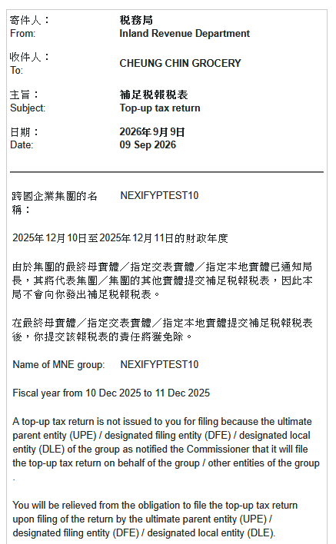 No retum issued; Send e-message with reason | Andy
TC-HKCE-003B12 | 1.Returns issued to the Notifying Entity for same MNE code & fiscal year? None issued 2.Found return/Notification under the same MNE code with partially overlapping fiscal year? Not Found 3.Role of Return Filing Entity? DFE (Notifying Entity) 4.Return of same MNE code & fiscal year issued before? Yes 5.Return issued to? DFE 6.Notification filed before retum filing deadline or return filed? 1 or more Yes-Return filed 7.No retum issued; Send e-message with reason | BTP1:25000750 Type of Notifying Entity:HK Constituent Entity MNE Code:M0061494 BRN:30211895 Fiscal Year:10/11/2025-11/11/2025 2.4:YES 2.5:The DFE 2.12.1-2.12.3:YES Return filed BTP2:08454704 Type of Notifying Entity:HK Constituent Entity Same MNE code, BRN and Fiscal year 2.4:YES 2.5:The DFE 2.12.1-2.12.3:YES | No retum issued; Send e-message with reason | Andy
TC-HKCE-003C3 | 1.Returns issued to the Notifying Entity for same MNE code & fiscal year? None issued 2.Found return/Notification under the same MNE code with partially overlapping fiscal year? Not Found 3.Role of Return Filing Entity? UPE (Notifying Entity) 4.Return of same MNE code & fiscal year issued before? Yes 5.Return issued to? DLE 6.Issue return to Notifying Entity(assessment triggering info & GIR) 7.Notification filed before retum filing deadline or return outstanding? Yes to all 8.Withdraw outstanding return (DLE)& delete GIR files 9.Send e-message with reason | BTP1:30211895 Type of Notifying Entity:HK Constituent Entity MNE Code:M0062785 BRN:30211895 Fiscal Year:13/12/2025-14/12/2025 2.4:No 2.6:No 2.8:Yes 2.9:the Notifying Entity Return outstanding 2.12.1-2.12.3:YES BTP2:08454704 Type of Notifying Entity:HK Constituent Entity Same MNE code, BRN and Fiscal year 2.4:YES 2.5:The UPE 2.12.1-2.12.3:YES | 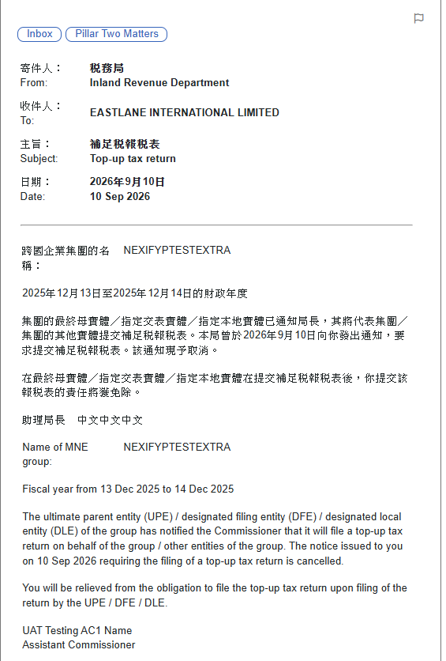 Send e-message with reason | Andy
TC-HKCE-003C6 | 1.Returns issued to the Notifying Entity for same MNE code & fiscal year? None issued 2.Found return/Notification under the same MNE code with partially overlapping fiscal year? Not Found 3.Role of Return Filing Entity? DFE (Notifying Entity) 4.Return of same MNE code & fiscal year issued before? Yes 5.Return issued to? DLE 6.Issue return to Notifying Entity(assessment triggering info & GIR) 7.Notification filed before retum filing deadline or return outstanding? Yes to all 8.Withdraw outstanding return (DLE)& delete GIR files 9.Send e-message with reason | BTP1:30211895 Type of Notifying Entity:HK Constituent Entity MNE Code:M0062785 BRN:30211895 Fiscal Year:19/10/2025-20/10/2025 2.4:No 2.6:No 2.8:Yes 2.9:the Notifying Entity BTP2:07716288 Type of Notifying Entity:HK Constituent Entity Same MNE code, BRN and Fiscal year 2.4:YES 2.5:The DFE 2.12.1-2.12.3:YES | 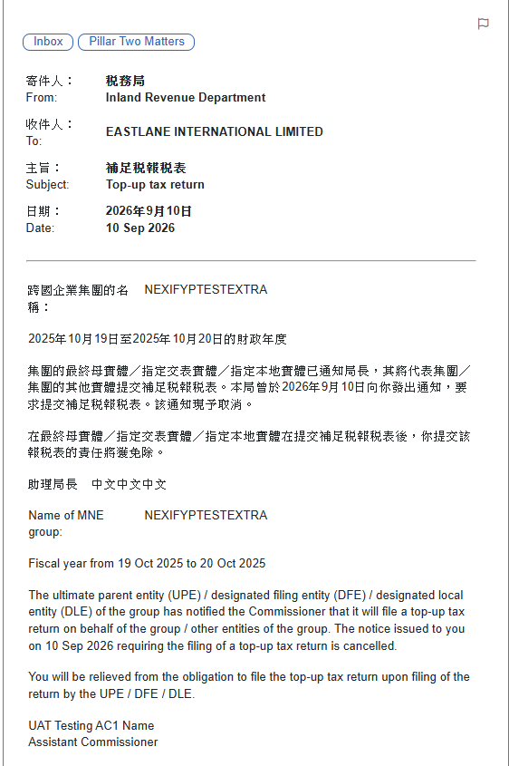 Send e-message with reason | Andy
TC-HKCE-003E3 | 1.Returns issued to the Notifying Entity for same MNE code & fiscal year? None issued 2.Found return/Notification under the same MNE code with partially overlapping fiscal year? Not Found 3.Role of Return Filing Entity? UPE (Notifying Entity) 4.Return of same MNE code & fiscal year issued before? Yes 5.Return issued to? Other HKCE 6.Issue return to Notifying Entity(assessment triggering info & GIR) 7.Notification filed before return filing deadline and return outstanding? Yes to all 8.Withdraw outstanding return (Other HKCE) & delete GIR files 9.Send e-message with reason | BTP1:30211895 Type of Notifying Entity:HK Constituent Entity MNE Code:M0062785 BRN:30211895 Fiscal Year:27/10/2025-28/10/2025 2.4:No 2.6:No 2.8:No 2.10: 2nd box is checked Return outstanding 2.12.1-2.12.3:Yes BTP2:08454704 Type of Notifying Entity:HK Constituent Entity Same MNE code, BRN and Fiscal year 2.4:YES 2.5:The UPE 2.12.1-2.12.3:YES | 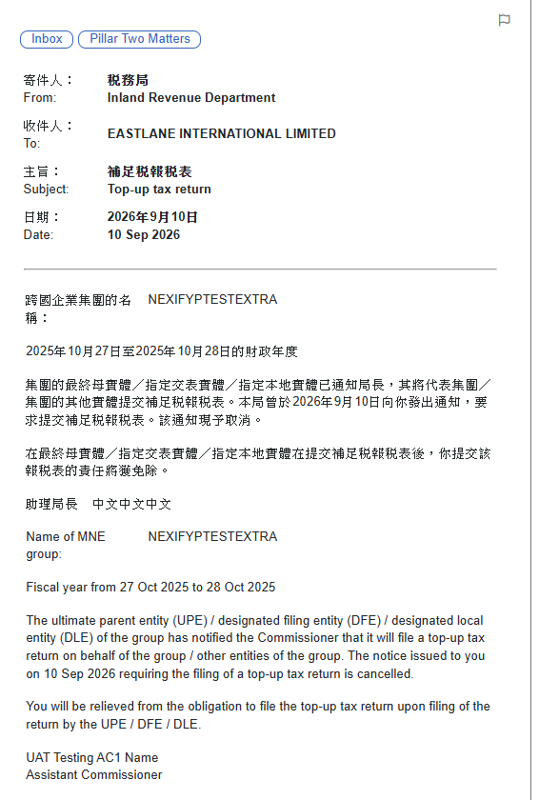 Send e-message with reason | Andy
TC-HKCE-003E6 | 1.Returns issued to the Notifying Entity for same MNE code & fiscal year? None issued 2.Found return/Notification under the same MNE code with partially overlapping fiscal year? Not Found 3.Role of Return Filing Entity? DFE (Notifying Entity) 4.Return of same MNE code & fiscal year issued before? Yes 5.Return issued to? Other HKCE 6.Issue return to Notifying Entity(assessment triggering info & GIR) 7.Notification filed before return filing deadline and return outstanding? Yes to all 8.Withdraw outstanding return (Other HKCE) & delete GIR files 9.Send e-message with reason | BTP1:30211895 Type of Notifying Entity:HK Constituent Entity MNE Code:M0062785 BRN:30211895 Fiscal Year:25/12/2025-26/12/2025 2.4:No 2.6:No 2.8:No 2.10: 2nd box is checked Return is not outstanding 2.12.1-2.12.3:Yes BTP2:07716288 Type of Notifying Entity:HK Constituent Entity Same MNE code, BRN and Fiscal year 2.4:YES 2.5:The DFE 2.12.1-2.12.3:YES | 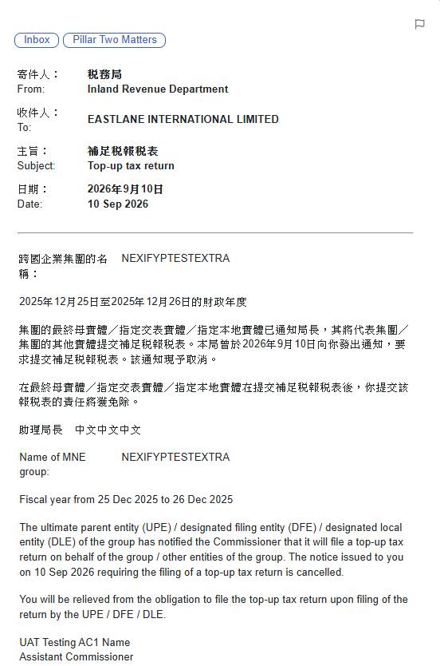 Send e-message with reason | Andy
TC-HKCE-004B3 | 1.Returns issued to the Notifying Entity for same MNE code & fiscal year? None issued 2.Found return/Notification under the same MNE code with partially overlapping fiscal year? Not Found 3.Role of Return Filing Entity? DLE (Notifying Entity) 4.Return of same MNE code & fiscal year issued before? Yes 5.Return issued to? UPE 6.Notification filed before return filing deadline or return filed? 1 or more Yes-Notification filed before return filing deadline 7.No return issued; Send e-Message with reason | BTP1:30211895 Type of Notifying Entity:HK Constituent Entity MNE Code:M0061937 BRN:30211895 Fiscal Year:01/10/2025-02/10/2025 2.4:YES 2.5:The UPE 2.12.1-2.12.3:YES BTP2:08454704 Type of Notifying Entity:HK Constituent Entity Same MNE code, BRN and Fiscal year 2.4:No 2.6:No 2.8:Yes 2.9:the Notifying Entity 2.12.1-2.12.3:YES | No return issued; Send e-Message with reason | Andy
TC-HKCE-004B4 | 1.Returns issued to the Notifying Entity for same MNE code & fiscal year? None issued 2.Found return/Notification under the same MNE code with partially overlapping fiscal year? Not Found 3.Role of Return Filing Entity? DLE (Notifying Entity) 4.Return of same MNE code & fiscal year issued before? Yes 5.Return issued to? UPE 6.Notification filed before return filing deadline or return filed? 1 or more Yes-Return filed 7.No return issued; Send e-Message with reason | BTP1:30211895 Type of Notifying Entity:HK Constituent Entity MNE Code:M0061937 BRN:30211895 Fiscal Year:04/12/2025-05/12/2025 2.4:YES 2.5:The UPE 2.12.1-2.12.3:YES Return filed BTP2:08454704 Type of Notifying Entity:HK Constituent Entity Same MNE code, BRN and Fiscal year 2.4:No 2.6:No 2.8:Yes 2.9:the Notifying Entity 2.12.1-2.12.3:YES | No return issued; Send e-Message with reason | Andy
TC-HKCE-004B7 | 1.Returns issued to the Notifying Entity for same MNE code & fiscal year? None issued 2.Found return/Notification under the same MNE code with partially overlapping fiscal year? Not Found 3.Role of Return Filing Entity? DLE (Notifying Entity) 4.Return of same MNE code & fiscal year issued before? Yes 5.Return issued to? DFE 6.Notification filed before return filing deadline or return filed? 1 or more Yes-Notification filed before return filing deadline 7.No return issued; Send e-Message with reason | BTP1:30296865 Type of Notifying Entity:HK Constituent Entity MNE Code:M0061937 BRN:30211895 Fiscal Year:07/10/2025-08/10/2025 2.4:YES 2.5:The DFE 2.12.1-2.12.3:YES BTP2:08454704 Type of Notifying Entity:HK Constituent Entity Same MNE code, BRN and Fiscal year 2.4:No 2.6:No 2.8:Yes 2.9:the Notifying Entity 2.12.1-2.12.3:YES | No return issued; Send e-Message with reason | Andy
TC-HKCE-004B8 | 1.Returns issued to the Notifying Entity for same MNE code & fiscal year? None issued 2.Found return/Notification under the same MNE code with partially overlapping fiscal year? Not Found 3.Role of Return Filing Entity? DLE (Notifying Entity) 4.Return of same MNE code & fiscal year issued before? Yes 5.Return issued to? DFE 6.Notification filed before return filing deadline or return filed? 1 or more Yes-Return filed 7.No return issued; Send e-Message with reason | BTP1:30296865 Type of Notifying Entity:HK Constituent Entity MNE Code:M0061937 BRN:30211895 Fiscal Year:10/12/2025-11/12/2025 2.4:YES 2.5:The DFE 2.12.1-2.12.3:YES Return filed BTP2:08454704 Type of Notifying Entity:HK Constituent Entity Same MNE code, BRN and Fiscal year 2.4:No 2.6:No 2.8:Yes 2.9:the Notifying Entity 2.12.1-2.12.3:YES | No return issued; Send e-Message with reason | Andy
TC-HKCE-004B11 | 1.Returns issued to the Notifying Entity for same MNE code & fiscal year? None issued 2.Found return/Notification under the same MNE code with partially overlapping fiscal year? Not Found 3.Role of Return Filing Entity? DLE (Notifying Entity) 4.Return of same MNE code & fiscal year issued before? Yes 5.Return issued to? DLE 6.Notification filed before return filing deadline or return filed? 1 or more Yes-Notification filed before return filing deadline 7.No return issued; Send e-Message with reason | BTP1:30211895 Type of Notifying Entity:HK Constituent Entity MNE Code:M0061937 BRN:30211895 Fiscal Year:13/12/2025-14/12/2025 2.4:No 2.6:No 2.8:Yes 2.9:the Notifying Entity 2.12.1-2.12.3:YES BTP2:08454704 Type of Notifying Entity:HK Constituent Entity Same MNE code, BRN and Fiscal year 2.4:No 2.6:No 2.8:Yes 2.9:the Notifying Entity 2.12.1-2.12.3:YES | No return issued; Send e-Message with reason | Andy
TC-HKCE-004B12 | 1.Returns issued to the Notifying Entity for same MNE code & fiscal year? None issued 2.Found return/Notification under the same MNE code with partially overlapping fiscal year? Not Found 3.Role of Return Filing Entity? DLE (Notifying Entity) 4.Return of same MNE code & fiscal year issued before? Yes 5.Return issued to? DLE 6.Notification filed before return filing deadline or return filed? 1 or more Yes-Return filed 7.No return issued; Send e-Message with reason | BTP1:30211895 Type of Notifying Entity:HK Constituent Entity MNE Code:M0061937 BRN:30211895 Fiscal Year:16/12/2025-17/12/2025 2.4:No 2.6:No 2.8:Yes 2.9:the Notifying Entity 2.12.1-2.12.3:YES Return filed BTP2:08454704 Type of Notifying Entity:HK Constituent Entity Same MNE code, BRN and Fiscal year 2.4:No 2.6:No 2.8:Yes 2.9:the Notifying Entity 2.12.1-2.12.3:YES | No return issued; Send e-Message with reason | Andy
TC-HKCE-004C3 | 1.Returns issued to the Notifying Entity for same MNE code & fiscal year? None issued 2.Found return/Notification under the same MNE code with partially overlapping fiscal year? Not Found 3.Role of Return Filing Entity? DLE (Notifying Entity) 4.Return of same MNE code & fiscal year issued before? Yes 5.Return issued to? Other HKCE 6.Group GloBE fiing will be effected outside HK?(Notification 2.6) No 7.Issue return to Notifying Entity(assessment triggering info & GIR) 8.Notification filed before return filing deadline and return outstanding? Yes to all 9.Withdraw outstanding return (Other HKCE) & delete GIR files 10.Send e-message with reason | BTP1:30211895 Type of Notifying Entity:HK Constituent Entity MNE Code:M0062785 BRN:30211895 Fiscal Year:07/12/2025-08/12/2025 2.4:No 2.6:No 2.8:No 2.10: 2nd box is checked 2.12.1-2.12.3:Yes BTP2:08454704 Type of Notifying Entity:HK Constituent Entity Same MNE code, BRN and Fiscal year 2.4:No 2.6:No 2.8:Yes 2.9:the Notifying Entity 2.12.1-2.12.3:YES | 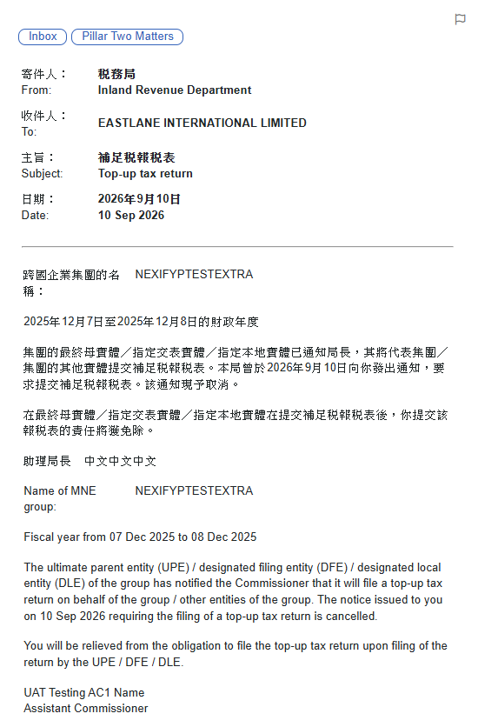 Withdraw outstanding return (Other HKCE) & delete GIR files Send e-message with reason | Andy
TC-HKCE-004C6 | 1.Returns issued to the Notifying Entity for same MNE code & fiscal year? None issued 2.Found return/Notification under the same MNE code with partially overlapping fiscal year? Not Found 3.Role of Return Filing Entity? DLE (Notifying Entity) 4.Return of same MNE code & fiscal year issued before? Yes 5.Return issued to? Other HKCE 6.Group GloBE fiing will be effected outside HK?(Notification 2.6) Yes 7.Issue return to Notifying Entity(assessment triggering info & return section 3.1.1) 8.Notification filed before return filing deadline and return outstanding? Yes to all 9.Withdraw outstanding return (Other HKCE) & delete GIR files 10.Send e-message with reason | BTP1:30211895 Type of Notifying Entity:HK Constituent Entity MNE Code:M0062785 BRN:30211895 Fiscal Year:04/12/2025-05/12/2025 2.4:No 2.6:Yes 2.7:the Designated Filing Entity Name: 123JAPAN Jurisdiction: JAPAN Tax Identification Number: 11231123 Business Address: JAPANBA 2.8:No 2.10:2ndbox is checked 2.12.1-2.12.3:Yes BTP2:08454704 Type of Notifying Entity:HK Constituent Entity Same MNE code, BRN and Fiscal year 2.4:No 2.6:Yes 2.7:the Designated Filing Entity Name: 123JAPAN Jurisdiction: JAPAN Tax Identification Number: 11231123 Business Address: JAPANBA 2.8:Yes 2.9:the Notifying Entity 2.12.1-2.12.3:Yes | 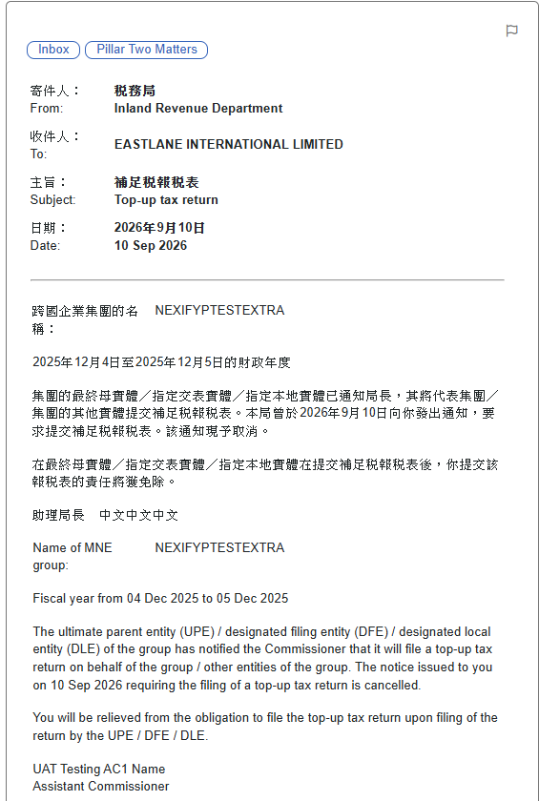 Withdraw outstanding return (Other HKCE) & delete GIR files Send e-message with reason | Andy
TC-HKCE-005B3 | 1.Returns issued to the Notifying Entity for same MNE code & fiscal year? None issued 2.Found return/Notification under the same MNE code with partially overlapping fiscal year? Not Found 3.Role of Return Filing Entity? Other HKCE (Notifying Entity) 4.Return of same MNE code & fiscal year issued before? Yes 5.Return issued to? UPE 6.Notification filed before return filing deadline or return filed? 1 or More Yes-Notification filed before return filing deadline 7.No return issued; Send e-Message with reason | BTP1:30211895 Type of Notifying Entity:HK Constituent Entity MNE Code:M0062333 BRN:30211895 Fiscal Year:01/12/2025-02/12/2025 2.4:Yes 2.5:the UPE 2.12.1-2.12.3:YES BTP2:08454704 Type of Notifying Entity:HK Constituent Entity Same MNE code, BRN and Fiscal year 2.4:No 2.6:No 2.8:No 2.10:2ndbox is checked 2.12.1-2.12.3:YES | No return issued; Send e-Message with reason | Andy
TC-HKCE-005B4 | 1.Returns issued to the Notifying Entity for same MNE code & fiscal year? None issued 2.Found return/Notification under the same MNE code with partially overlapping fiscal year? Not Found 3.Role of Return Filing Entity? Other HKCE (Notifying Entity) 4.Return of same MNE code & fiscal year issued before? Yes 5.Return issued to? UPE 6.Notification filed before return filing deadline or return filed? 1 or More Yes-Return filed 7.No return issued; Send e-Message with reason | BTP1:30211895 Type of Notifying Entity:HK Constituent Entity MNE Code:M0062333 BRN:30211895 Fiscal Year:04/12/2025-05/12/2025 2.4:Yes 2.5:the UPE 2.12.1-2.12.3:YES Return filed BTP2:08454704 Type of Notifying Entity:HK Constituent Entity Same MNE code, BRN and Fiscal year 2.4:No 2.6:No 2.8:No 2.10:2ndbox is checked 2.12.1-2.12.3:YES | No return issued; Send e-Message with reason | Andy
TC-HKCE-005B7 | 1.Returns issued to the Notifying Entity for same MNE code & fiscal year? None issued 2.Found return/Notification under the same MNE code with partially overlapping fiscal year? Not Found 3.Role of Return Filing Entity? Other HKCE (Notifying Entity) 4.Return of same MNE code & fiscal year issued before? Yes 5.Return issued to? DFE 6.Notification filed before return filing deadline or return filed? 1 or More Yes-Notification filed before return filing deadline 7.No return issued; Send e-Message with reason | BTP1:30296865 Type of Notifying Entity:HK Constituent Entity MNE Code:M0062333 BRN:30211895 Fiscal Year:07/12/2025-08/12/2025 2.4:Yes 2.5:the DFE 2.12.1-2.12.3:YES BTP2:08454704 Type of Notifying Entity:HK Constituent Entity Same MNE code, BRN and Fiscal year 2.4:No 2.6:No 2.8:No 2.10:2ndbox is checked 2.12.1-2.12.3:YES | No return issued; Send e-Message with reason | Andy
TC-HKCE-005B8 | 1.Returns issued to the Notifying Entity for same MNE code & fiscal year? None issued 2.Found return/Notification under the same MNE code with partially overlapping fiscal year? Not Found 3.Role of Return Filing Entity? Other HKCE (Notifying Entity) 4.Return of same MNE code & fiscal year issued before? Yes 5.Return issued to? DFE 6.Notification filed before return filing deadline or return filed? 1 or More Yes-Return filed 7.No return issued; Send e-Message with reason | BTP1:30296865 Type of Notifying Entity:HK Constituent Entity MNE Code:M0062333 BRN:30211895 Fiscal Year:10/12/2025-11/12/2025 2.4:Yes 2.5:the DFE 2.12.1-2.12.3:YES Return filed BTP2:08454704 Type of Notifying Entity:HK Constituent Entity Same MNE code, BRN and Fiscal year 2.4:No 2.6:No 2.8:No 2.10:2ndbox is checked 2.12.1-2.12.3:YES | No return issued; Send e-Message with reason | Andy
TC-HKCE-005B11 | 1.Returns issued to the Notifying Entity for same MNE code & fiscal year? None issued 2.Found return/Notification under the same MNE code with partially overlapping fiscal year? Not Found 3.Role of Return Filing Entity? Other HKCE (Notifying Entity) 4.Return of same MNE code & fiscal year issued before? Yes 5.Return issued to? DLE 6.Notification filed before return filing deadline or return filed? 1 or More Yes-Notification filed before return filing deadline 7.No return issued; Send e-Message with reason | BTP1:30211895 Type of Notifying Entity:HK Constituent Entity MNE Code:M0062333 BRN:30211895 Fiscal Year:13/12/2025-14/12/2025 2.4:No 2.6:No 2.8:Yes 2.9:the Notifying Entity 2.12.1-2.12.3:YES BTP2:08454704 Type of Notifying Entity:HK Constituent Entity Same MNE code, BRN and Fiscal year 2.4:No 2.6:No 2.8:No 2.10:2ndbox is checked 2.12.1-2.12.3:YES | No return issued; Send e-Message with reason | Andy
TC-HKCE-005B12 | 1.Returns issued to the Notifying Entity for same MNE code & fiscal year? None issued 2.Found return/Notification under the same MNE code with partially overlapping fiscal year? Not Found 3.Role of Return Filing Entity? Other HKCE (Notifying Entity) 4.Return of same MNE code & fiscal year issued before? Yes 5.Return issued to? DLE 6.Notification filed before return filing deadline or return filed? 1 or More Yes-Return filed 7.No return issued; Send e-Message with reason | BTP1:30211895 Type of Notifying Entity:HK Constituent Entity MNE Code:M0062333 BRN:30211895 Fiscal Year:16/12/2025-17/12/2025 2.4:No 2.6:No 2.8:Yes 2.9:the Notifying Entity 2.12.1-2.12.3:YES Return filed BTP2:08454704 Type of Notifying Entity:HK Constituent Entity Same MNE code, BRN and Fiscal year 2.4:No 2.6:No 2.8:No 2.10:2ndbox is checked 2.12.1-2.12.3:YES | No return issued; Send e-Message with reason | Andy
TC-HKCE-005C6 | 1.Returns issued to the Notifying Entity for same MNE code & fiscal year? None issued 2.Found return/Notification under the same MNE code with partially overlapping fiscal year? Not Found 3.Role of Return Filing Entity? Other HKCE (Notifying Entity) 4.Return of same MNE code & fiscal year issued before? Yes 5.Return issued to? Other HKCE 6.Return has been filed? Yes 7.Group GloBE filing will be effected outside HK?(Notification 2.6) Yes 8.Consent obtained?(Return section 4.1) Yes 9.No return issued; Send e-Message with reason | BTP1:30211895 Type of Notifying Entity:HK Constituent Entity MNE Code:M0062307 BRN:30211895 Fiscal Year:26/03/2025-27/03/2025 2.4:No 2.6:Yes 2.7:the Designated Filing Entity Name: 123JAPAN Jurisdiction: JAPAN Tax Identification Number: 11231123 Business Address: JAPANBA 2.8:No 2.10:2ndbox is checked 2.12.1-2.12.3:YES Return filed BTP2:08454704 Type of Notifying Entity:HK Constituent Entity Same MNE code, BRN and Fiscal year 2.4:No 2.6:Yes 2.7:the Designated Filing Entity Name: 123JAPAN Jurisdiction: JAPAN Tax Identification Number: 11231123 Business Address: JAPANBA 2.8:No 2.10:2ndbox is checked 2.12.1-2.12.3:YES | No return issued; Send e-Message with reason | Andy
TC-HKCE-008A1 | 1.Returns issued to the Notifying Entity for same MNE code & fiscal year? None issued 2.Found return/Notification under the same MNE code with partially overlapping fiscal year? Not Found 3.Role of Return Filing Entity? UPE (Notifying Entity) 4.Return of same MNE code & fiscal year issued before? Yes 5.Return issued to? UPE 6.Notification filed before retum filing deadline or return filed? 1 or more Yes-Notification filed before retum filing deadline 7.No retum issued; Send e-message with reason | BTP1:30211895 Type of Notifying Entity:HK Constituent Entity MNE Code:G0060567 BRN:30211895 Fiscal Year:01/01/2026-02/01/2026 2.4:YES 2.5The UPE 2.12.1-2.12.3:YES BTP2:08454704 Type of Notifying Entity:HK Constituent Entity MNE Code:M0062319 Same BRN and Fiscal year 2.4:YES 2.5The UPE 2.12.1-2.12.3:YES | 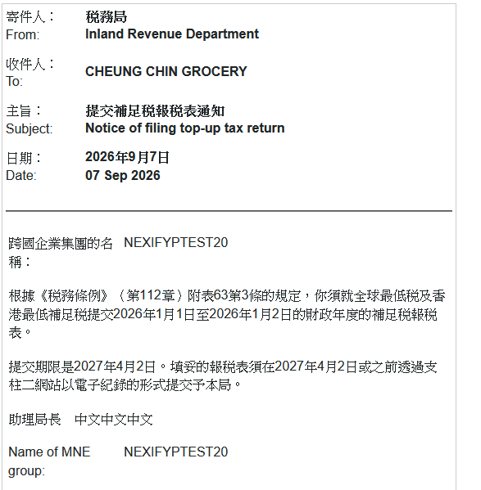 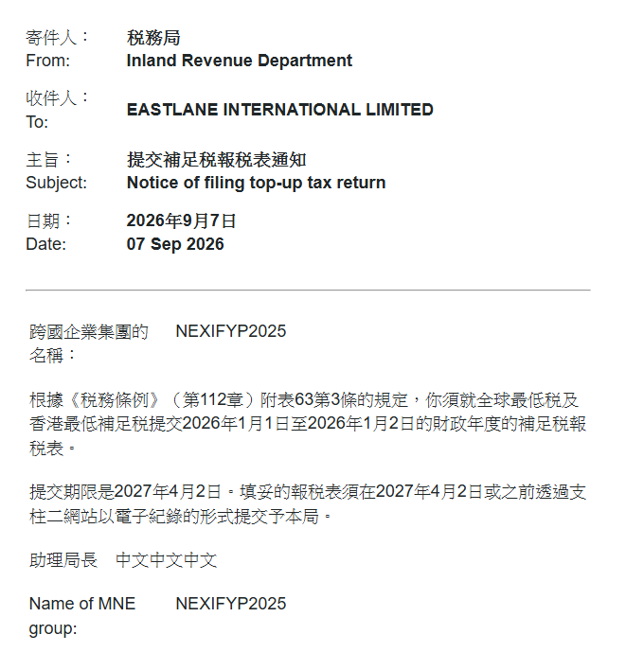 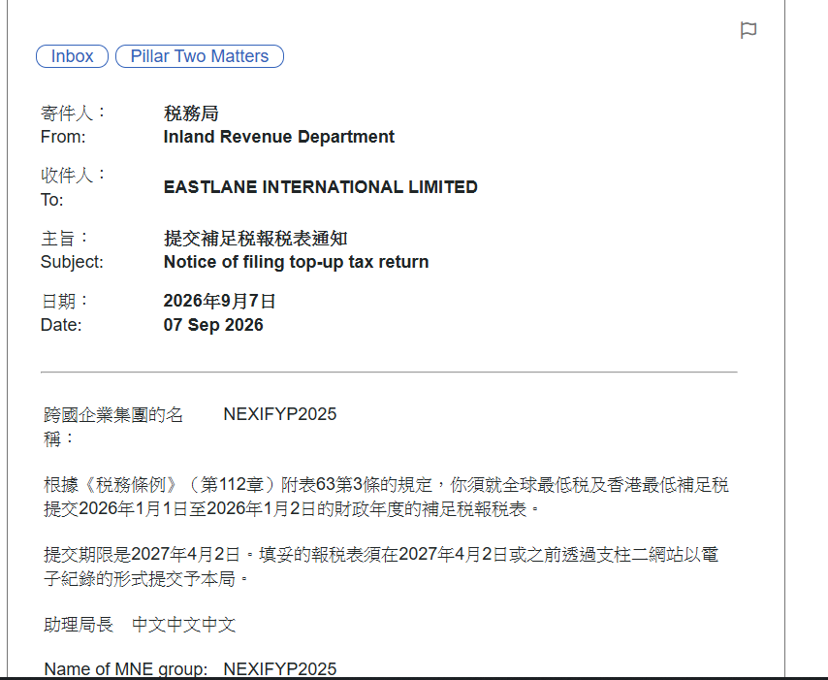 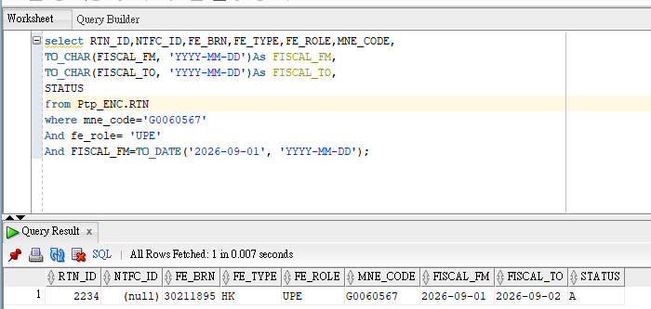 | Andy

