Cndt Rsm S1>
 | Employee Bio Data Form |  |  |  | Document # | HR-1
 |  |  |  |  | Version | 01
 |  |  |  |  | Issued Date | 1-Dec-23
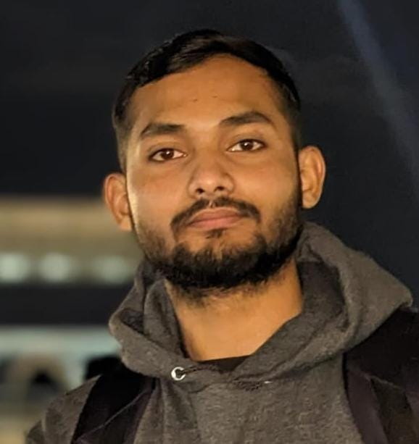
Fill in Small Letters |  | Applied for |  |  | Date | 20 08 2025
Name | hafiz muhammad bilal | Father Nme | muhammad akbar | Date of birh | 19 08 2002
Mother Name | mafiya akbar | CNIC# | 3630203377403 | Blood Group | a-
Religion | islam | Caste | malik | Cell No | 3078282552
Marital Status | single | Disability | none | Emergency Contact No | 3120165152
Present slry |  | HBL | PK46HABB0001287903524699 | Age | 23
Expected slry |  | Email Adress | hafizmbilal.1786@gmail.com
Family Details | Brother Sister | Father occupation | labour | Other source of income | pension
Spouse Name: | none | Occupation | none | No of Children | none | none | none
P/Address | house no 676/h,street no 7,mushtaq colony,masoom shah road |  |  |  | City | multan
Education
Class | School / College / University |  |  | Specialization | City | Passed yr | Grade
Matric | arfaa science secondary school |  |  | computer | multan | 2020 | 94%
Intermediate | city college of science & commerce |  |  | engineering | multan | 2022 | 92%
Graduation | university of engineering and technology |  |  | electrical | lahore | 2026 | 3.27 cgpa
Masters
Others
Memberships / Certifications (if any)
Status | Institution Name |  |  |  | City | Year

Professional History
Designation | Organization |  | Reason Of Leaving | From | To | Last Salary

Travel History (If any)
Destination | Last Traveling Period |  | Purpose |  | Total No of trips | Visa Status

Career Choice
Languages | English Urdu Others |  |  | Cmptr Knwldg | User Prfsnl Exprt
Mention your strength |  |  | Weaknesses

References of last organization
Dprt | Name | Organization |  | Contact & Email
HR
Others

* I Hereby declare that I have never being involved in any criminal activity in past. |  |  |  |  | Signature
* I hereby declare that all the information provided is true to the best of my knowledge.
* I Know that any mis-representation in above form will disqualify me.

