Microsoft_visual_studio
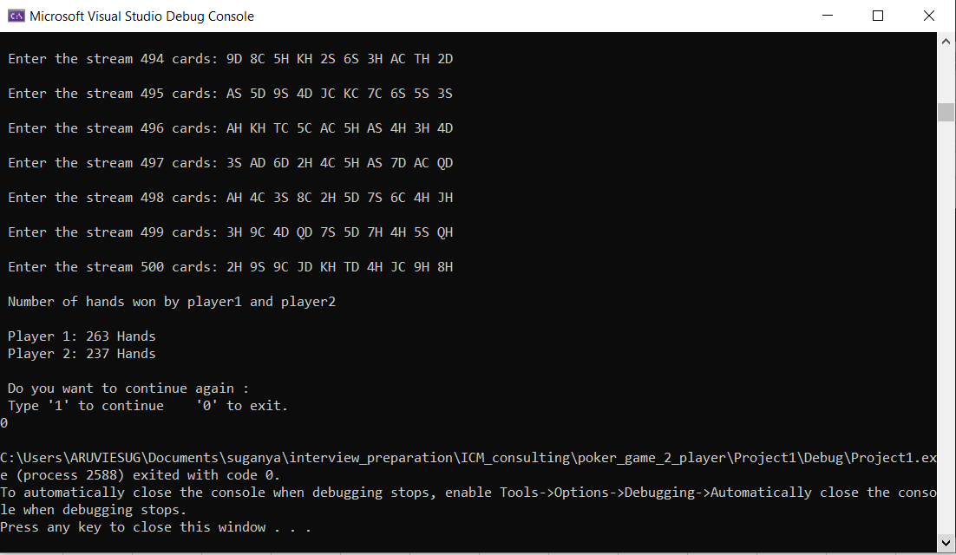
Steps /Instructions to compile Source code(MVS->Project1) in Microsoft Visual Studios

Note: If you don’t have Microsoft Visual Studios IDE ,Kindly get installed from the link mentioned below
https://visualstudio.microsoft.com/vs/

Follow the below steps

Step 1: | Open Microsoft visual studios
Clone the repository path given
"https://github.com/Suganya-1992/poker_project.git"
 |  | Fig 1.1
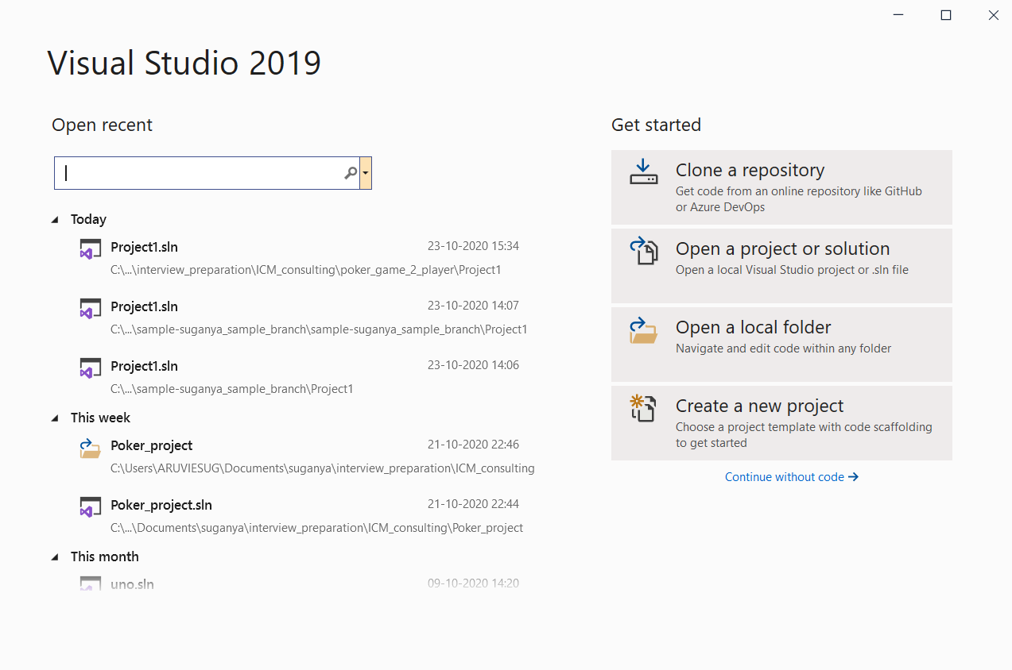

Step 2:
 |  | Fig 1.2
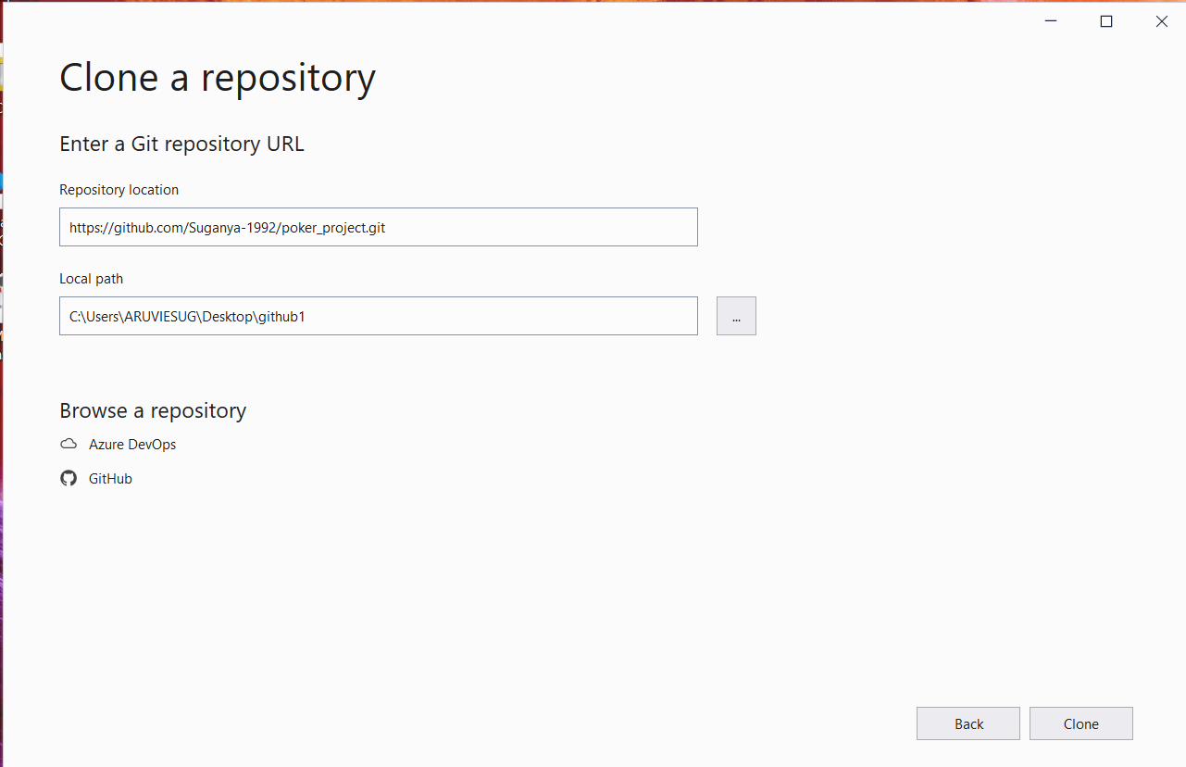

In Repository path provide the below path
"https://github.com/Suganya-1992/poker_project.git"
In Local path, choose your local path

Now Clone the Repository

Step 3: | After you clone , the below screen will open
 | All the files in repository provided will be shown on right side of this window

 |  | Fig 1.3
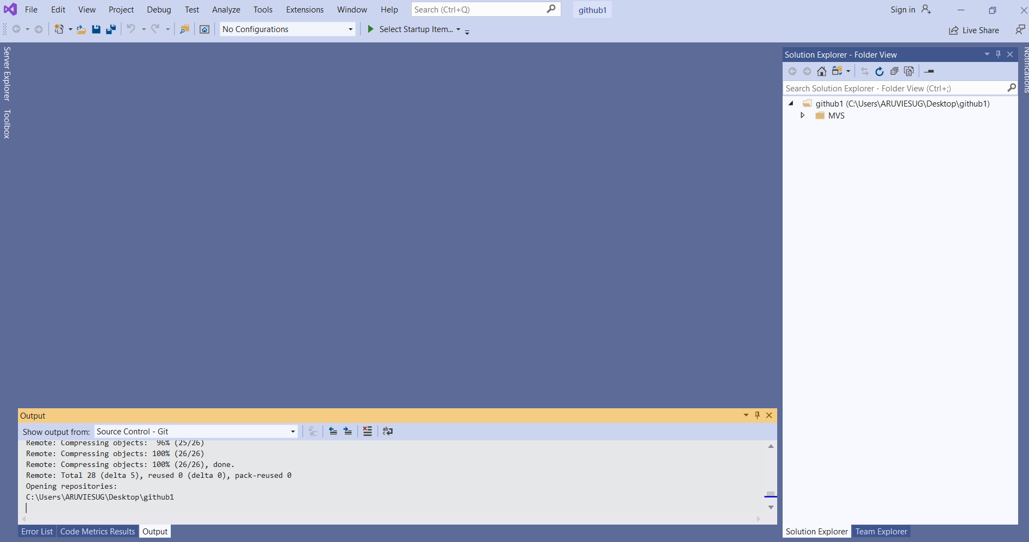

Step 4: | Source.cpp file is present in the following path MVS->Project1->Source.cpp from right side of this window
 | Now open the source code file(Source.cpp) and the cource code file opens

 |  | Fig 1.4
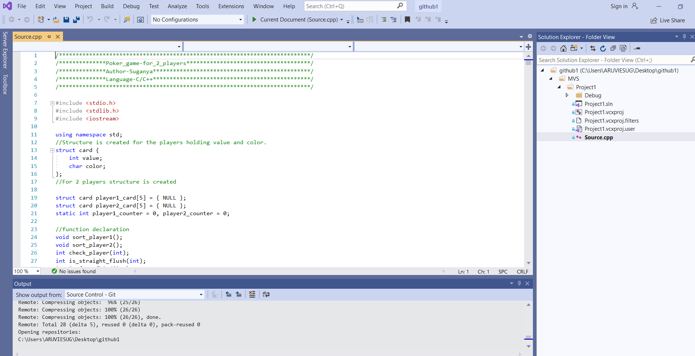

Step 5: | Press 'F5' or go to Debug->Start Debugging

 | Once debuggigng is started , the following command window will pop-up

 |  | Fig 1.5
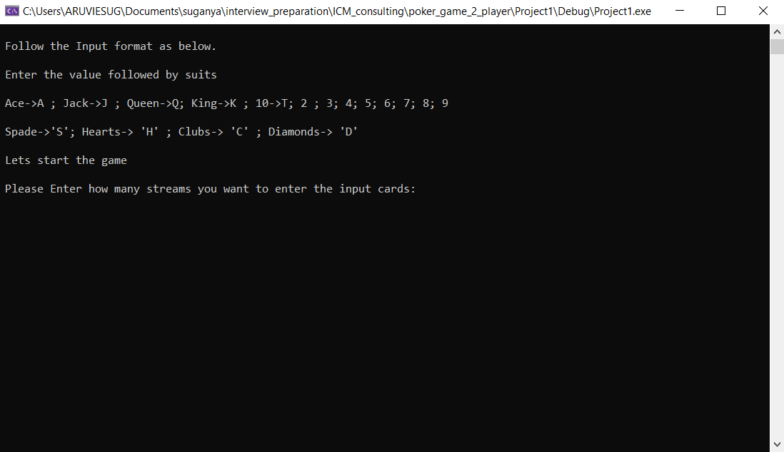

Step 6:
 | Now Enter how many streams of input need to be given
 | For Example : If you want to play 2 streams then enter '2' like below Fig1.6
 | Once you enter '2' , it will ask for your 2 input streams
 | Provide the 2 stream inputs
 | Now expected output will be printed like how many hands player1 has won and player2 has won

 |  | Fig 1.6
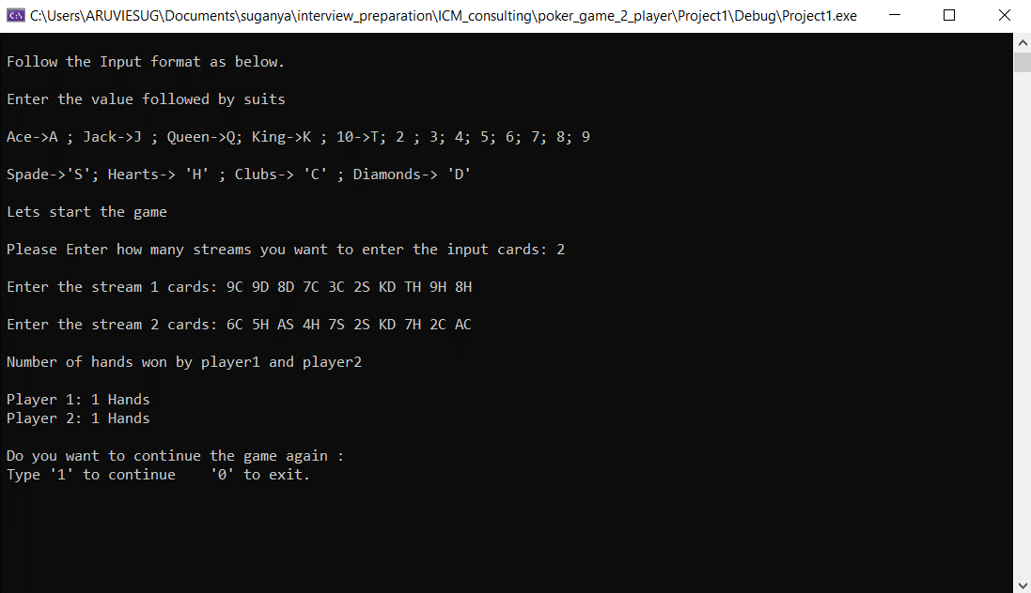

Step 7: | If you want to continue the game enter '1' or else '0'
 | In the below figure(Fig 1.7) , the game is continued by providing '1'

 |  | Fig 1.7
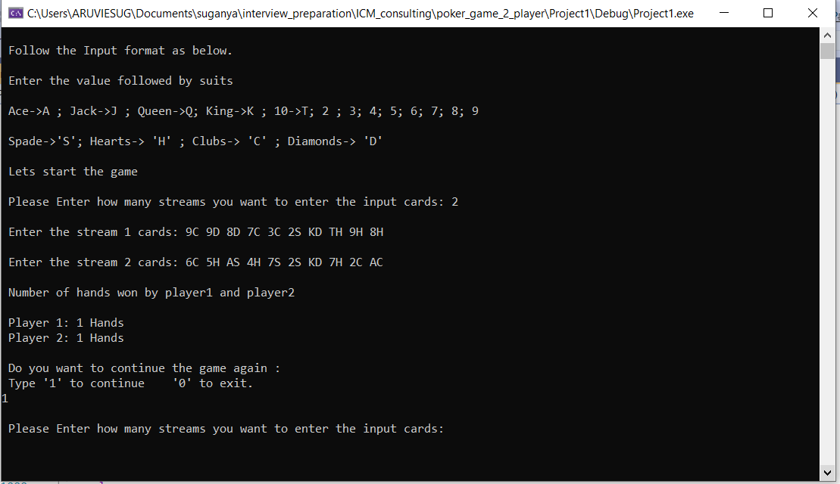

Step 8: | For the second round of game , 500 streams of inputs(from poker-hands.txt file) is given as input

 |  | Fig 1.8
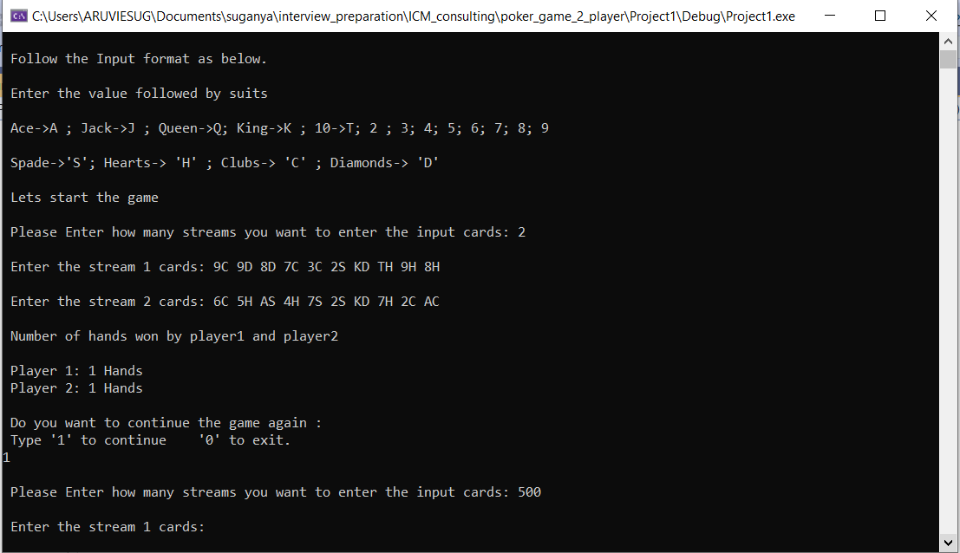

Step 9: | All the 500 inputs are given and the output expected maches the given requirment

 |  | Fig 1.9
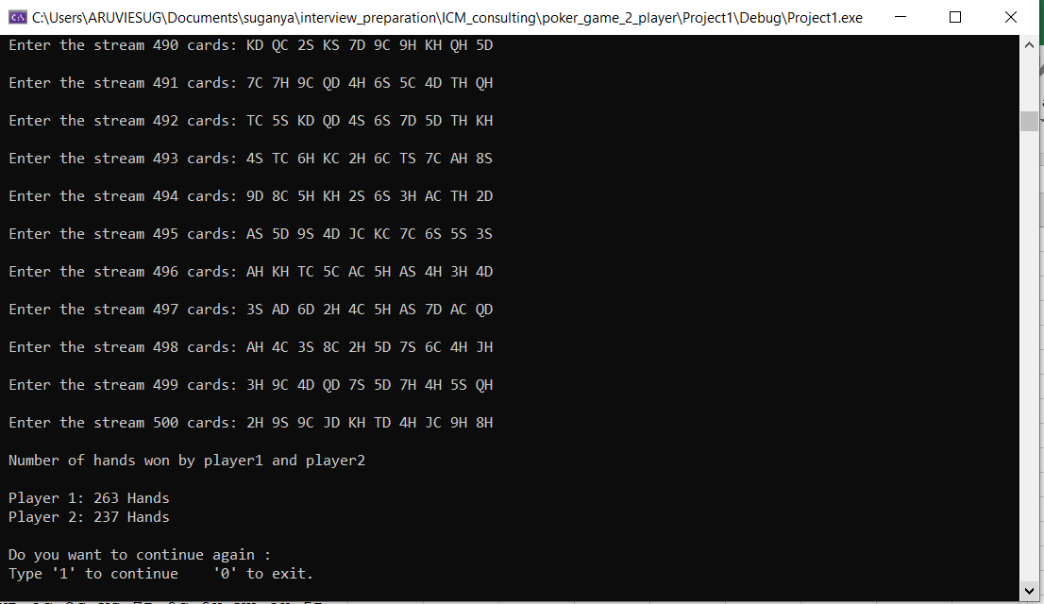

Step 10: | To exit this game enter '0'

 |  | Fig 1.10

Visual_studio_code
Steps /Instructions to compile Source code(VS_work_space,VS_folder) in Visual Studios Code

Note: If you don’t have Visual Studios Code IDE ,Kindly get installed from the link mentioned below.
 | Download and Install Mingw
 | https://sourceforge.net/projects/mingw/
 | Download and Install Visual Studio Code
 | https://code.visualstudio.com/?wt.mc_id=DX_841432
Also Follow the video link provided below for better understanding of installing Visual Studio code
 | https://www.youtube.com/watch?v=77v-Poud_io

If the installation setups are done follow the below steps

Step 1: | Open Visual Studio Code
 |  | Fig 2.1
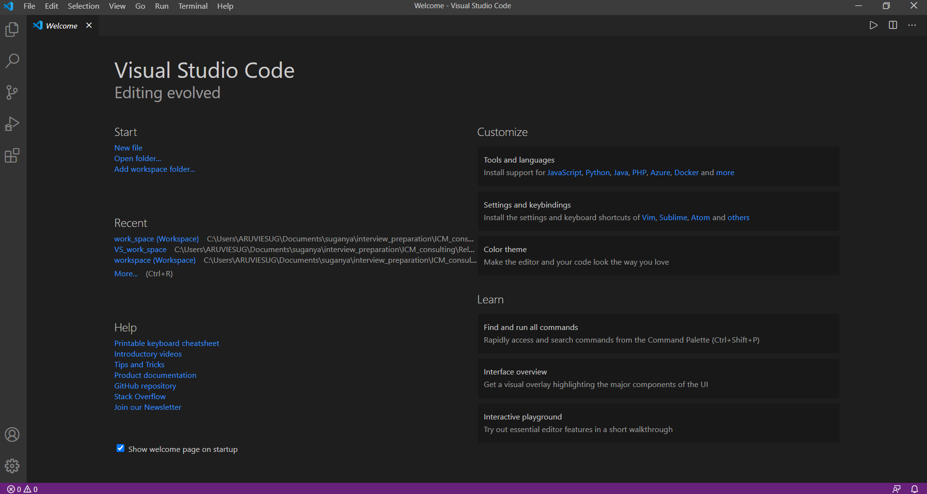

Step 2: | Go to File->Open Workspace

 | Open the workspace"poker.code-workspace" from "VS_work_space" folder( provided in Github repository "https://github.com/Suganya-1992/poker_project.git")

 |  | Fig 2.2
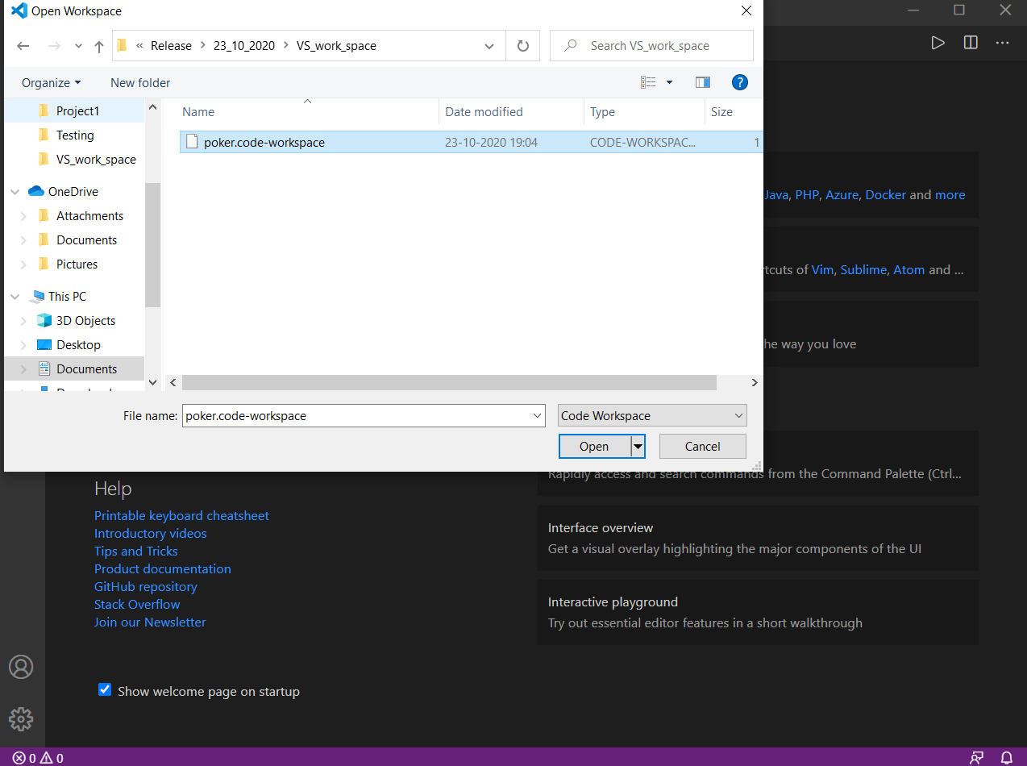

Step 3: | Go to Poker(Workspace)->VS_folder->Source.cpp

 | Source file which contains code to find number of hands won by player 1 and player 2 will open as shown below

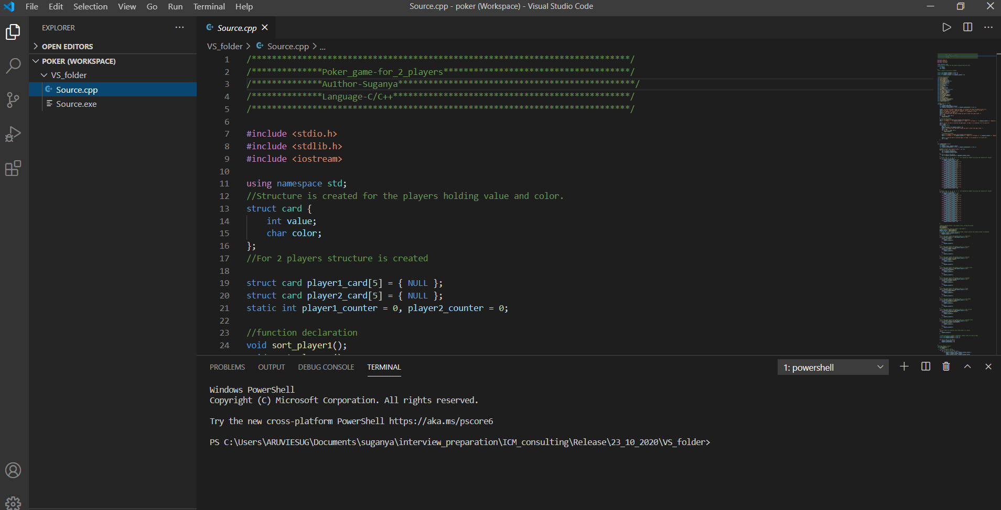
 |  | Fig 2.3

Step 4: | Run the Source.cpp code.
 | 1. press "Ctrl+Alt+N"
 | 2. Or Press the play button present on right side corner of this window screen

 |  | Fig 2.4
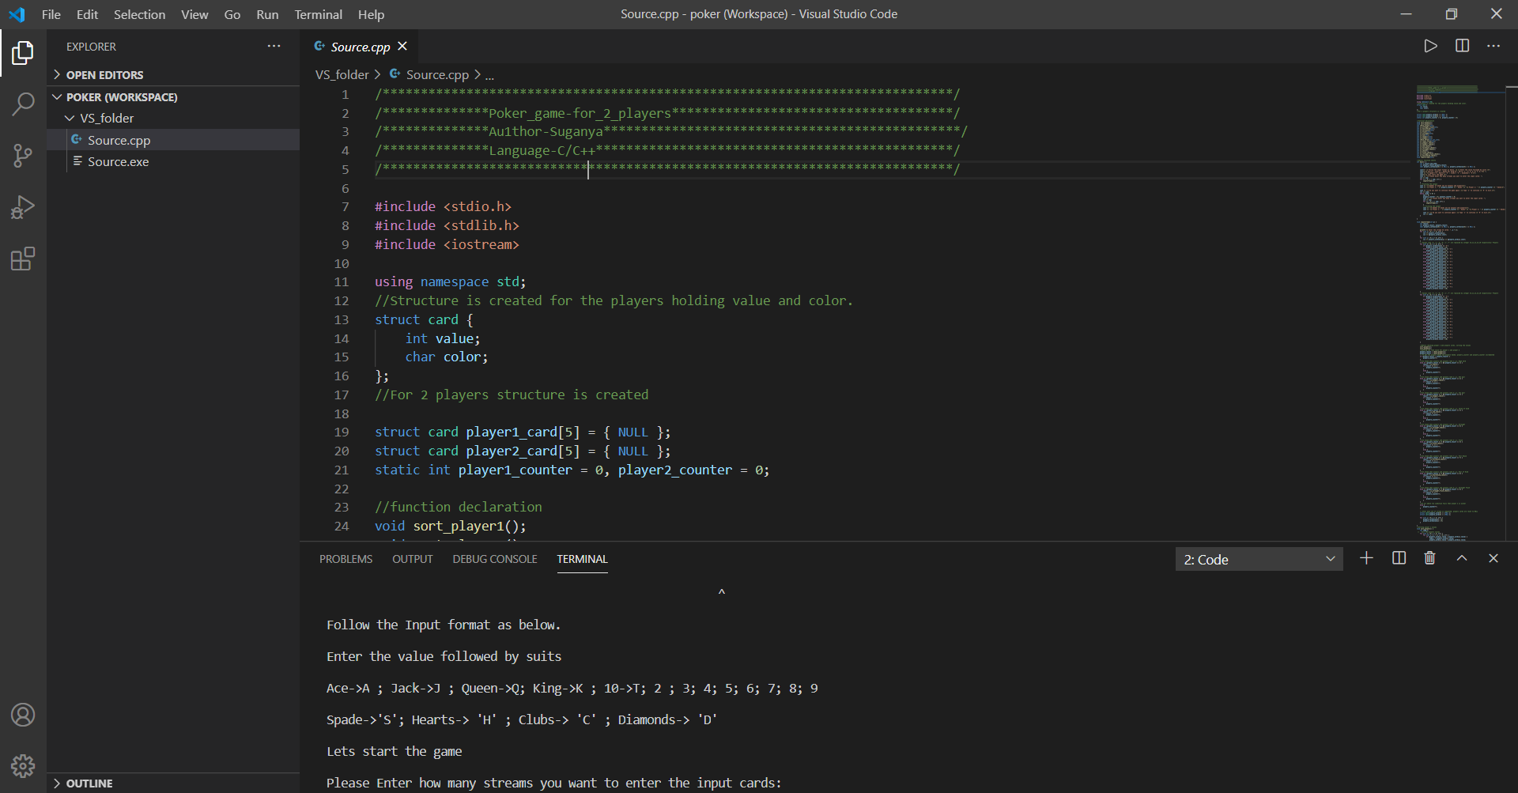

Step 5: | Now Enter how many streams of input need to be given
 | For Example : If you want to play 2 streams then enter '2' like below Fig2.5
 | Once you enter '2' , it will ask for your 2 input streams
 | Provide the 2 stream inputs
 | Now expected output will be printed like how many hands player1 has won and player2 has won

 |  | Fig 2.5
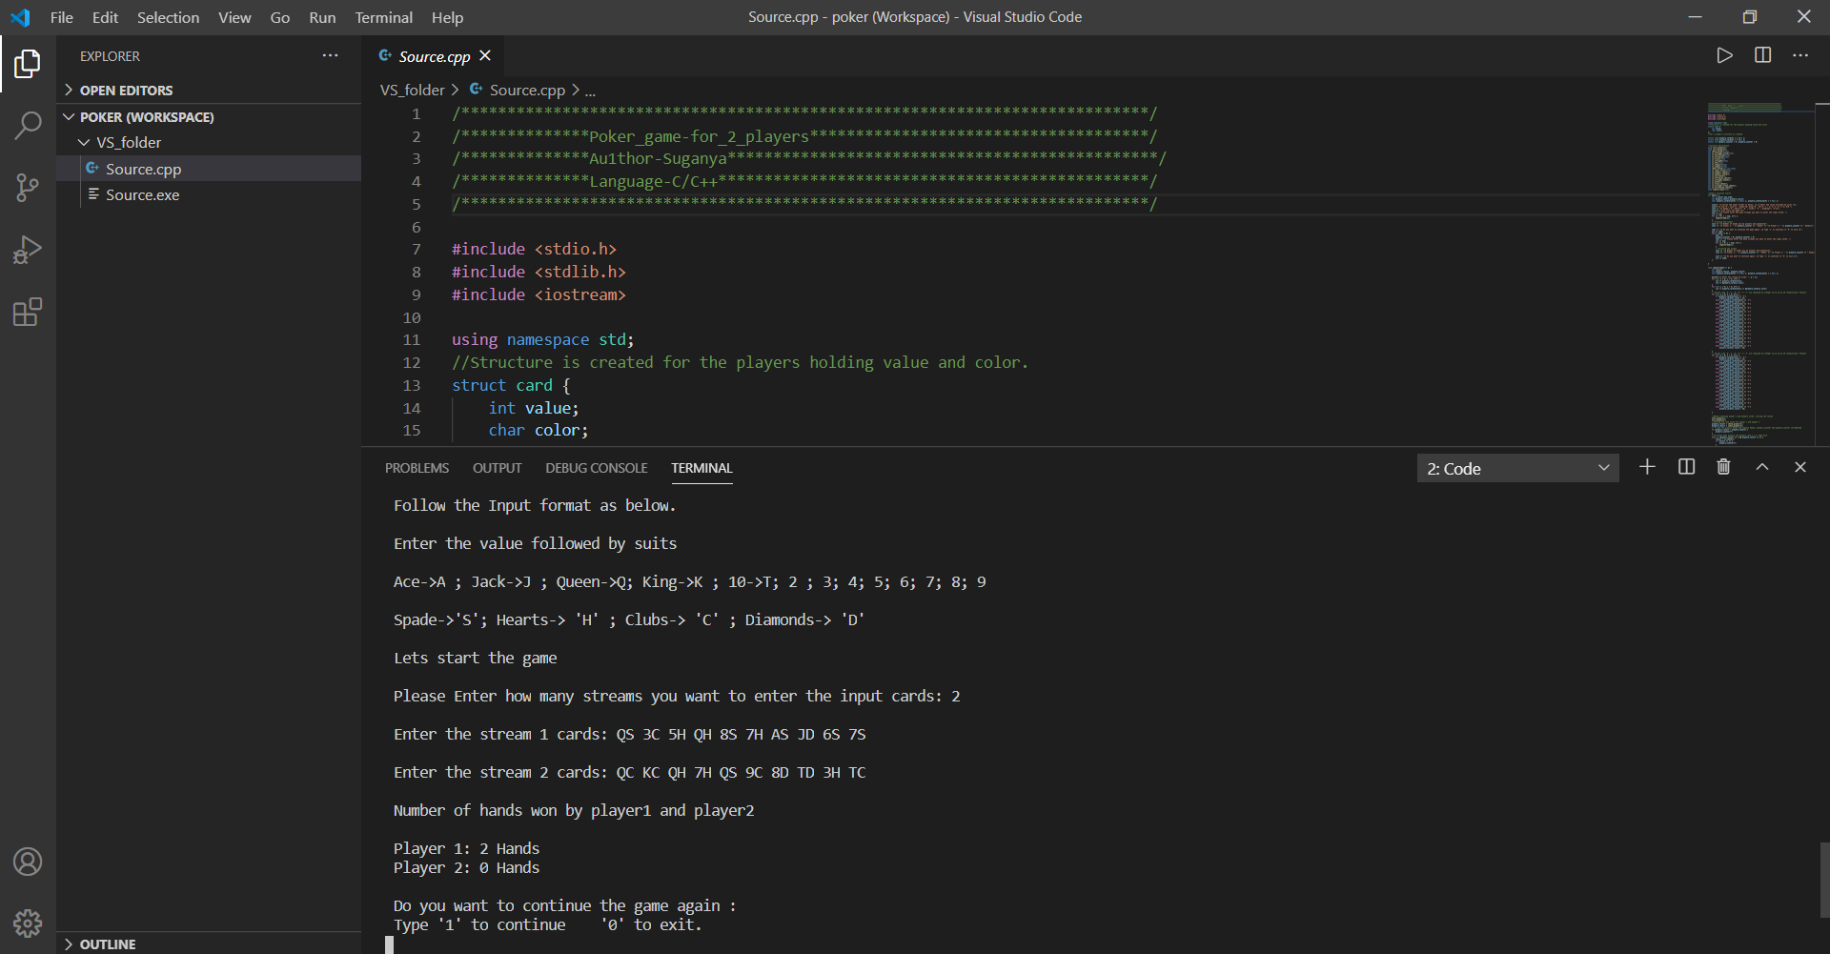

Step 6: | If you want to continue the game enter '1' or else '0'
 | In the below figure(Fig 2.6) , the game is continued by providing '1'
 | For the second round of game , 500 streams of inputs(from poker-hands.txt file) is given as input

 |  | Fig 2.6
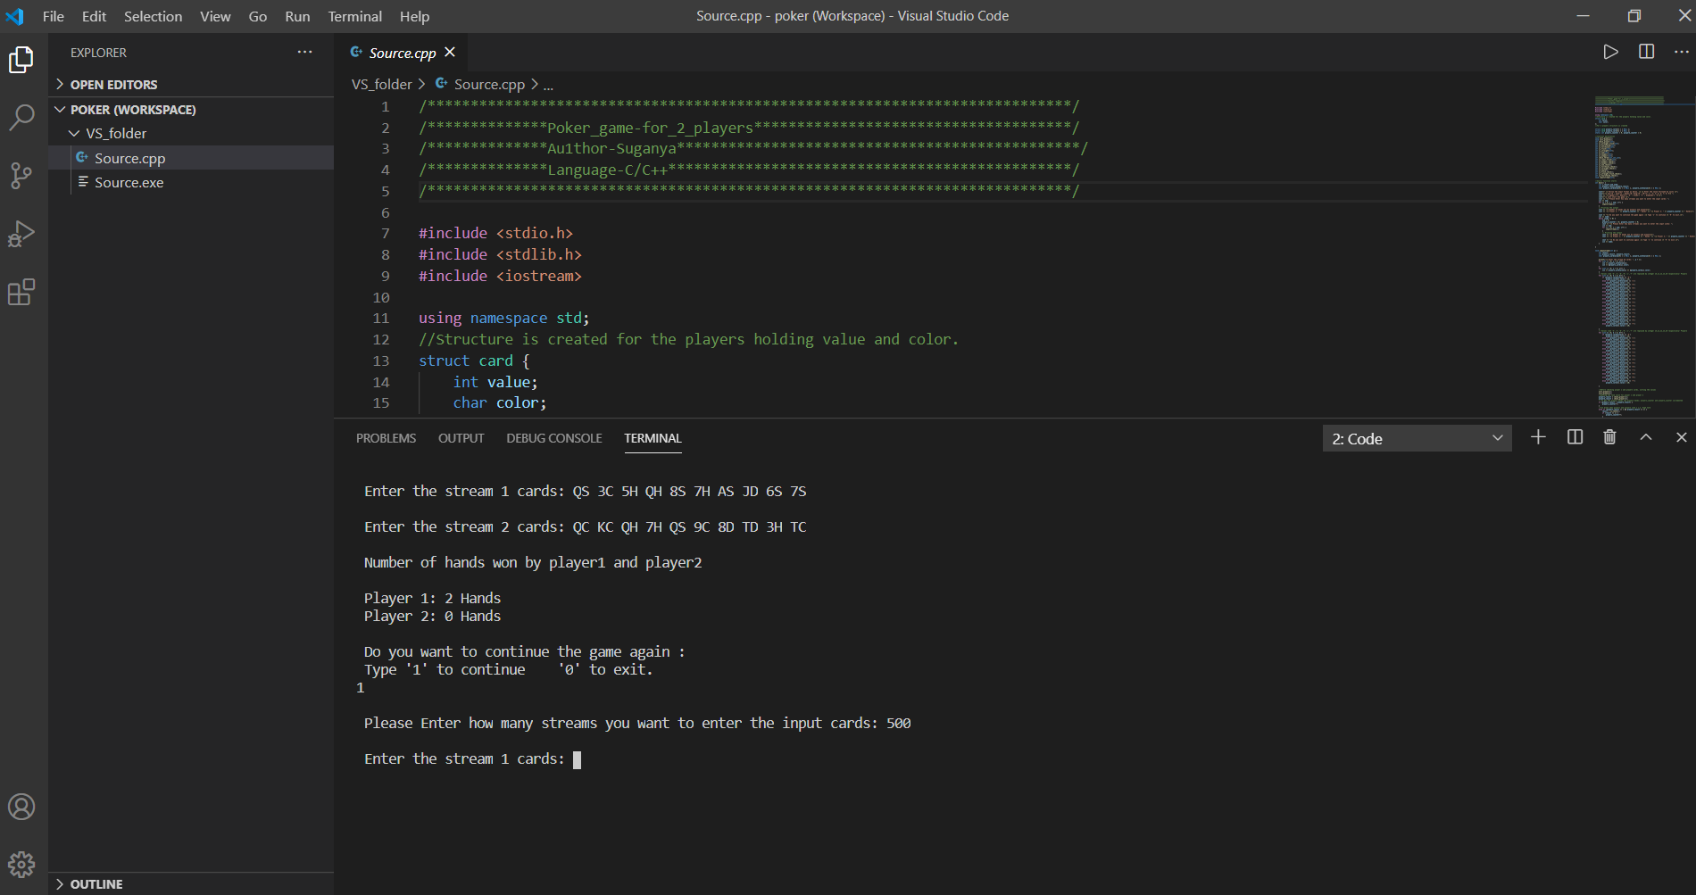

Step 7: | All the 500 inputs are given and the output expected maches the given requirment

 |  | Fig 2.7
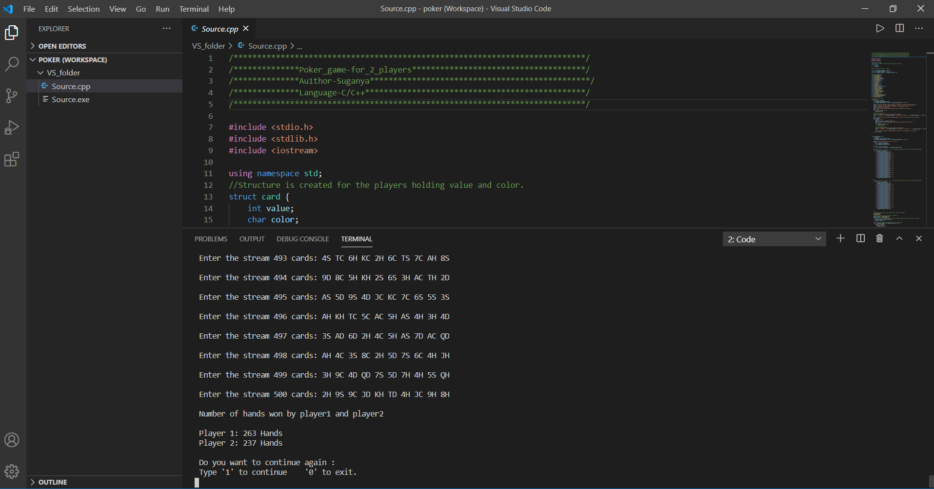

Step 8: | To exit this game enter '0'

