Sheet1
Test Case ID |  | TC_Practical-001 | Test Case Desc | Test the functuionality of Windows Notepad Application
Created By |  | Suhani Dehankar | Reviewed By |  |  | Version |  | 1.0
Tester's Name |  |  | Date Tested |  |  | Test Case Status (Passed/Failed/NE)

# | Prerequisites: |  |  | # | Test Data
1 | Windows OS |  |  | 1
2 | Notepad Aplication |  |  | 2
3 |  |  |  | 3
4 |  |  |  | 4

Test Scenario | Test entire functionality of Windows Notepad application

Step # | Step Details |  | Expected Results | Actual Results |  |  | Pass / Fail / Not executed / Suspended
1 | Click on the notepad application. |  | verify that notepad application is open
2 | Click on file menu. |  | verify that muitiple tab option you can see.
3 | Type you content on the blank tab. |  | verify you are able to type on it.
4 | 1.Click on save as option. 2.Give the name of file on diong box. 3.Then click on save. |  | 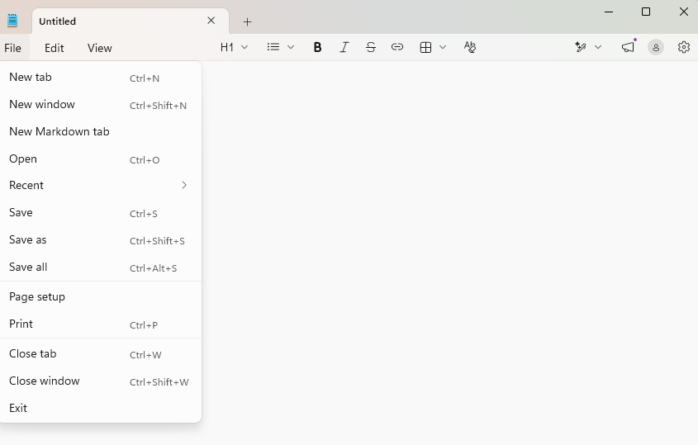 verify you are able to to see the save as option and dialog box to give name of file and save.
5 | 1.Select the conent. 2.Click on edit menu. 3.click on font option. |  | 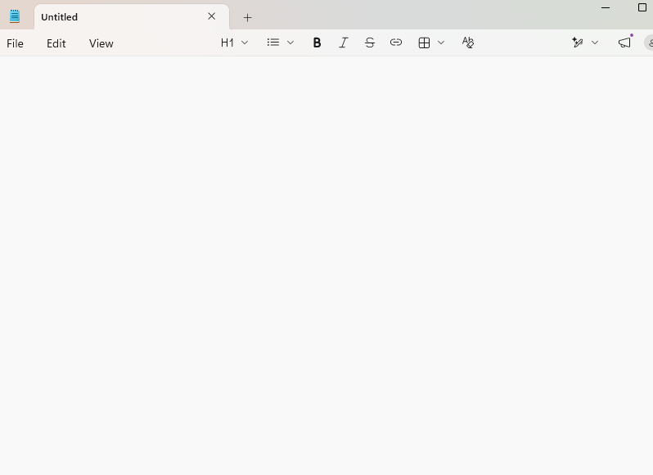 verify that you see thios tab.
6 | In the font section. 1.click on family. 2.Select the font family. E.g "Calibri". |  | 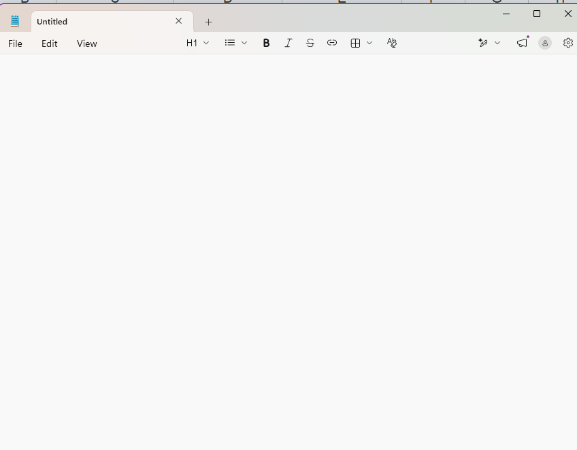 verify that you see font family changed.
7 | In the font selection. 1.Click on style. 2.Select the font style. "Bold" and "Italic", |  | verify that you see style of font changed.
8 | In the font section. 1.Click on size. 2.Select the font-size. E.g "20". |  | 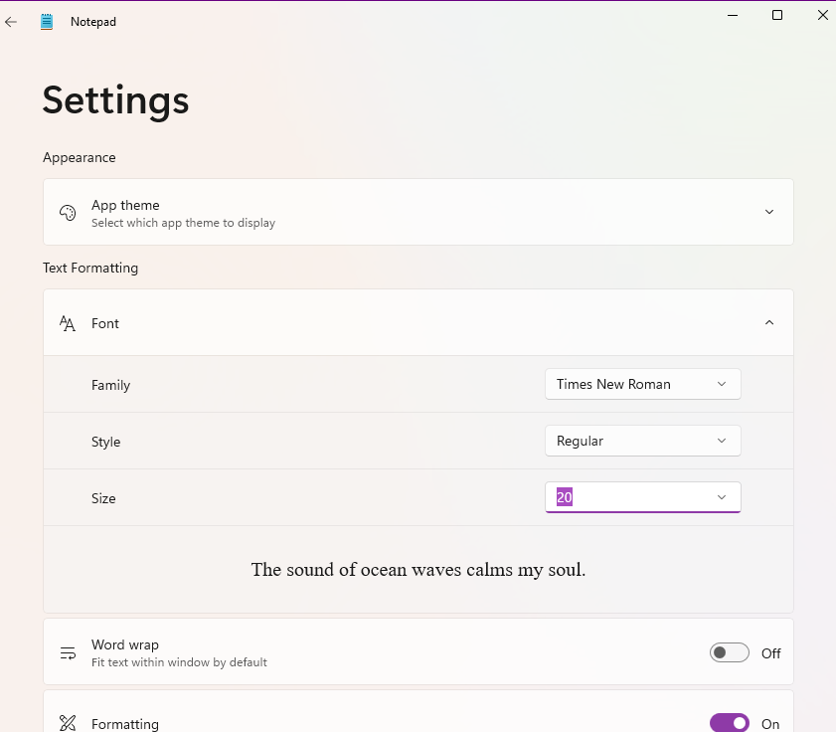 verify that you see size of font increased.
9 | Click edit->Time/Date |  | verify the current date and time date and time displayed.
10
11
12
13
14
15
16
17
18
19
20

