Cost-Supply
Relationship between Order Quantity and Cost of OLED Panel

 |  |  | Line 1 | Line 2 | Line 3
Quote from Samsung |  | Intercept | ₹ 1,450 | ₹ 1,483 | ₹ 1,783
 |  | Slope | -0.0050 | -0.0117 | -0.0267
Order Quantity | cost/unit | Equation | y=mx+c
1 | ₹ 1,450 |  | y=1450-0.005x | y=1483-0.0117x | y=1783-0.0267x
5,000 | ₹ 1,425 | Order Quantity | Price/Unit | Price/Unit | Price/Unit
20,000 | ₹ 1,250 | 1 | ₹ 1,450
50,000 | ₹ 450 | 1,000
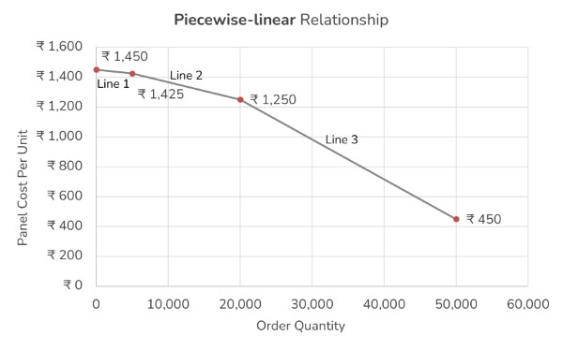
 |  | 5,000 | ₹ 1,425 | ₹ 1,425
 |  | 10,000
 |  | 15,000
 |  | 20,000 |  | ₹ 1,250 | ₹ 1,250
 |  | 25,000
 |  | 30,000
 |  | 35,000
 |  | 40,000
 |  | 45,000
 |  | 50,000 |  |  | ₹ 450
 |  | 55,000

Price-Demand
Price & Demand Relationship

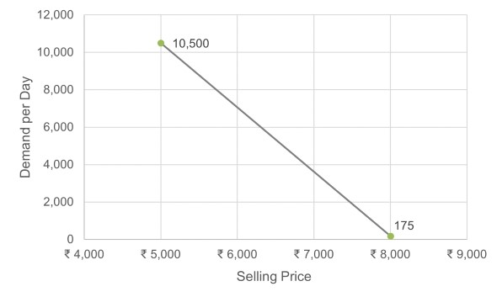
Selling Price | Demand
₹ 8,000 | 175
₹ 5,000 | 10,500

Intercept | ₹ 27,708
Slope | -3.4416666667

Equation : y=mx +c

Here, x is the selling price and y is the demand of watches.

