Responsive Test
testcase id | functionality id | testcase Summary | test description | step | actual result | Screen shot
- | - | Check website in different devices | Check that wesite is working on different devices and look with alignment or not | 1. copy link of website 2. open browser 3. search am I responsive 4. paste copied link 5. check website in all devices | In any website this website link is not working | 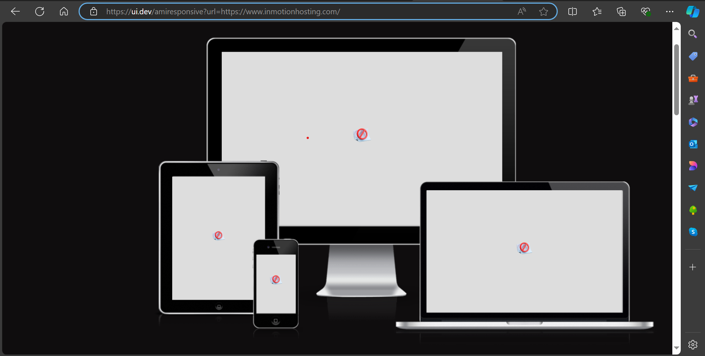
- | - | Check website link in mobile phone | Check that link working in phone's chrome browser or not | 1. copy link 2. paste in phone's chrome browser | all elements are visible and functional and user interface, alignment, look, UI is suitable for phone | 

Dfect Report (Instagram)
Defcet Id | Defect Summary | Op_sys | Steps | Test data | Defect types | Defect severity | Defect priority | Screen Shot
IR-001 | Instagram reel | Android-13 (MIUI-14.0.1) | 1. open instagram, create reel and choose a video from gallery 2. edit caption | - | User interface | Moderate | High | 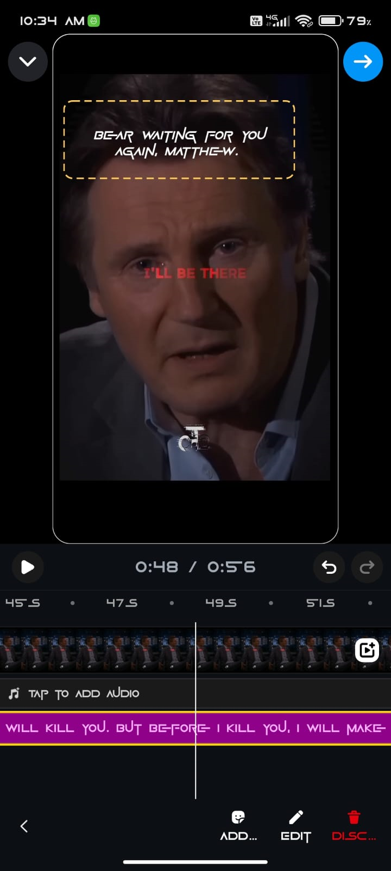
IR-002 | Instagram reel | Android-13 (MIUI-14.0.1) | 1. open instagram , click on reel, play reel with audio 2. touch 1 time to mute the audio 3. touch and hold the reel for pouse the reel | - | User interface | High | High | 