Mind maps
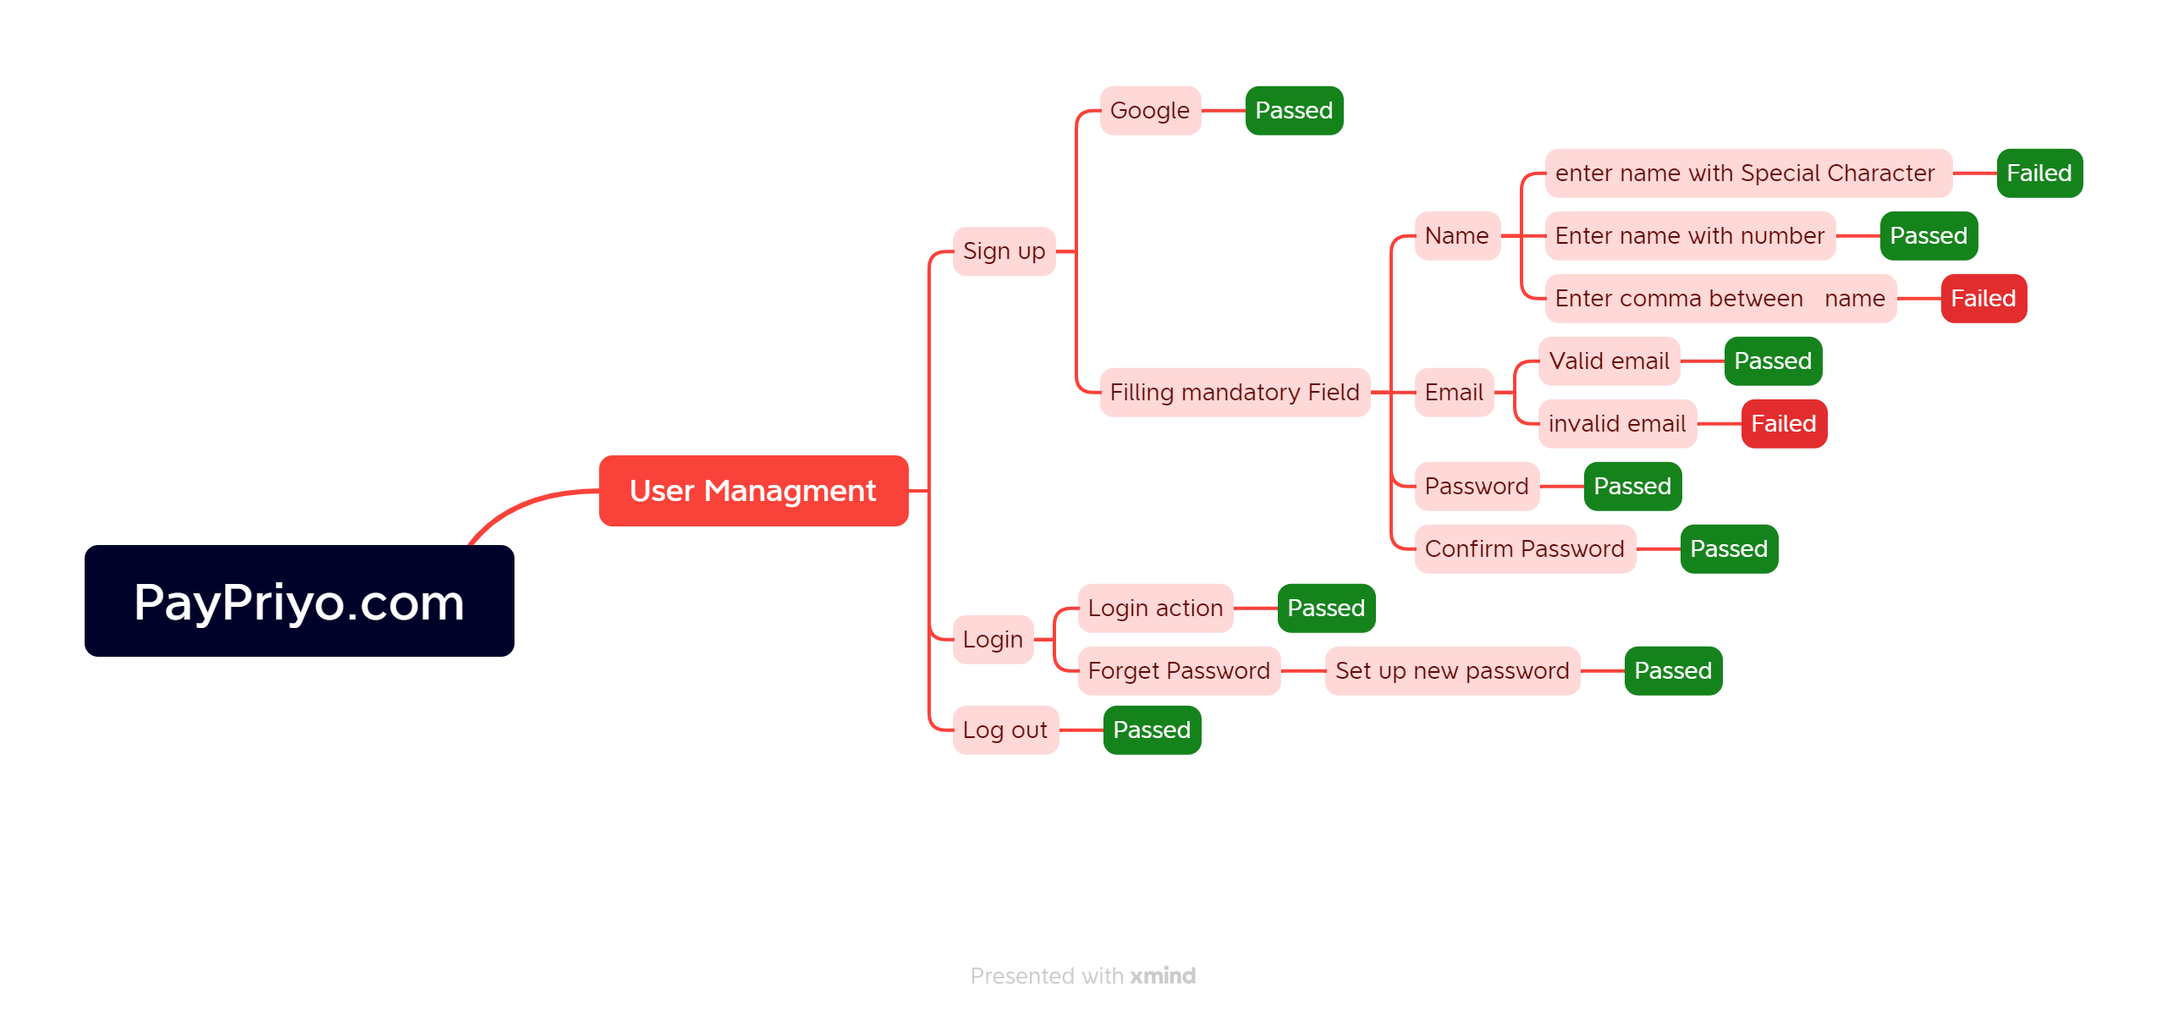

MindMap for PayPriyo.com website

Report
Test Case Report

Project Name | PayPriyo.com
Module Name | Sign Up and LogIn
Test Case Version
Written By | Kazi Sultana Margia |  |  |  |  | Status | Test Case no
Executed By | Kazi Sultana Margia |  |  |  |  | PASS | 45
Reviewed By |  |  |  |  |  | FAIL | 7
TEST EXECUTION REPORT |  |  |  |  |  | Not Executed | 0
 |  |  |  |  |  | Out of Scope | 0
Test Case | PASS | FAIL | Not Executed | Out Of Scope | Total TC
 | 45 | 7 | 0 | 0 | 52
Grand Total | 45 | 7 | 0 | 0 | 52

Bug Report
Bug Reporting
Bug Reporting
Bug Reporting

SL#25
Issue:Entering Name with special character
Reproducing Steps:
1. Go to URL: www.PayPriyo.com
2. Click the button "Sign up"
4. Input name with special character
Module: Sign up
Severity: P2
Image: Special Character Error
Responsible QA: Kazi Sultana Margia.
SL#26
Issue:Entering name with only numbers
Reproducing Steps:
1. Go to URL: www.PayPriyo.com
2. Click the button "Sign up"
4. Input name name with only numbers
Module: Sign up
Severity: P2
Image: Number Error
Responsible QA: Kazi Sultana Margia.
SL#28
Issue:Entering comma between alphabets in name
Reproducing Steps:
1. Go to URL: www.PayPriyo.com
2. Click the button "Sign up"
4. Input comma between alphabets in
name
Module: Sign up
Severity: P2
Image: Comma Error
Responsible QA: Kazi Sultana Margia.

Bug Reporting
Bug Reporting
Bug Reporting

SL#34
Issue:Entering invalid combinations of characters in password and confirm password field
Reproducing Steps:
1. Go to URL: www.PayPriyo.com
2. Click the button "Sign up"
4. Input invalid combination password
Module: Sign up
Severity: P2
Image: Invalid Password error
Responsible QA: Kazi Sultana Margia.
SL#35
Issue:Entering weak password length
Reproducing Steps:
1. Go to URL: www.PayPriyo.com
2. Click the button "Sign up"
4. Input invalid
weak password
Module: Sign up
Severity: P2
Image: Invalid Password error
Responsible QA: Kazi Sultana Margia.
SL#38
Issue:Entering same more data for password
Reproducing Steps:
1. Go to URL: www.PayPriyo.com
2. Click the button "Sign up"
4. Input same more data for password field
Module: Sign up
Severity: P2
Image: Consecutive character error
Responsible QA: Kazi Sultana Margia.

