Mind maps
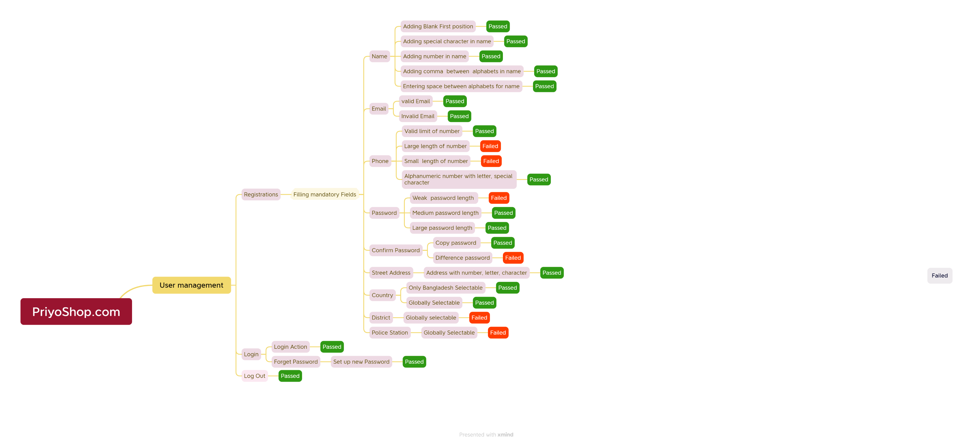

Mindmaps for PriyoShop.com website Testing

Report
Test Case Report

Project Name | PriyoShop.com
Module Name | Sign Up and Sign In |  |  |  |  | Status | Test Case no
Test Case Version |  |  |  |  |  | PASS | 40
Written By | Kazi Sultana Margia |  |  |  |  | FAIL | 9
Executed By | Kazi Sultana Margia |  |  |  |  | Not Executed | 0
Reviewed By |  |  |  |  |  | Out of Scope | 0
TEST EXECUTION REPORT

Test Case | PASS | FAIL | Not Executed | Out Of Scope | Total TC
 | 40 | 9 | 0 | 0 | 49
Grand Total | 40 | 9 | 0 | 0 | 49

Bug Report
Bug Reporting
Bug Reporting
Bug Reporting

SL#33
Issue:Entering Phone number with large length
Reproducing Steps:
1. Go to URL: www.PriyoShop.com
2. Click the button "registration"
4. Input large length digit of Phone number field
Module: Registration
Severity: P2
Image: Large length of number
Responsible QA: Kazi Sultana Margia.
SL#34
Issue:Entering Phone number with large length
Reproducing Steps:
1. Go to URL: www.PriyoShop.com
2. Click the button "registration"
4. Input small length digit of Phone number field
Module: Registration
Severity: P2
Image: Small length of number
Responsible QA: Kazi Sultana Margia.
SL#33
Issue:Entering Phone number with large length
Reproducing Steps:
1. Go to URL: www.PriyoShop.com
2. Click the button "registration"
4. Input weak password length of password field
Module: Registration
Severity: P2
Image: invalid password
Responsible QA: Kazi Sultana Margia.

Bug Reporting
Bug Reporting
Bug Reporting

SL#40
Issue:Entering Password does not match
Reproducing Steps:
1. Go to URL: www.PriyoShop.com
2. Click the button "registration"
4. Input Password does not match
Module: Registration
Severity: P2
Image: Password does not match
Responsible QA: Kazi Sultana Margia.
SL#48
Issue: Entering district globally selectable
Reproducing Steps:
1. Go to URL: www.PriyoShop.com
2. Click the button "registration"
4. Input district globally in distric field
Module: Registration
Severity: P2
Image: Invalid District
Responsible QA: Kazi Sultana Margia.
SL#49
Issue: Entering polic stations globally selectable
Reproducing Steps:
1. Go to URL: www.PriyoShop.com
2. Click the button "registration"
4. Input police station globally in police station field
Module: Registration
Severity: P2
Image: Invalid Police Stations
Responsible QA: Kazi Sultana Margia.

Bug Reporting
Bug Reporting
Bug Reporting
SL#50
Issue:Entering term policy without click
Reproducing Steps:
1. Go to URL: www.PriyoShop.com
2. Click the button "registration"
4. Input term policy without click
Module: Registration
Severity: P2
Image: Not accept term policy
Responsible QA: Kazi Sultana Margia.
SL#56
Issue: Not allow to login for internal error
Reproducing Steps:
1. Go to URL: www.PriyoShop.com
2. Click the button "login "
4. Input term policy without click
Module: login
Severity: P2
Image: internal error
Responsible QA: Kazi Sultana Margia.
SL#54
Issue: Send to the confirmation mail to the registered mail.
Reproducing Steps:
1. Go to URL: www.PriyoShop.com
2. Click the button "registration"
4. Check the confirmation mail in the registered mail box
Module: Registration
Severity: P2
Responsible QA: Kazi Sultana Margia.

Test Metrix
PriyoShop.Com website

Test Metrics

#SL | Metrics | Description | Result (%)
1 | Percentage of Test Cases Executed | (No. of Test Cases Executed / Total no. of Test Cases Written) * 100 | (48/48)*100 = 100
2 | Percentage of Test Cases Not Executed | (No. of Test Cases not Executed / Total no. of Test Cases Written) * 100 | (0/48)*100 = 0
3 | Percentage of Test Cases Passed | (No. of Test Cases Passed / Total no. of Test Cases Executed) * 100 | (39/48)*100 = 81.25
4 | Percentage of Test Cases Failed | (No. of Test Cases Failed / Total no. of Test Cases Executed) * 100 | (9/48)*100 = 18.75
5 | Percentage of Test Cases Blocked | (No. of Test Cases Blocked / Total no. of Test Cases Executed) * 100 | (0/48)*100 = 0
6 | Defect Density | No. of Defects found / Size (No. of Requirements) | N/A
7 | Defect Removal Efficiency (DRE) | (Fixed Defects / (Fixed Defects + Missed Defects)) * 100 | N/A
8 | Defect Leakage | (No. of Defects found in UAT/ No. of Defects found in Testing) * 100 | N/A
9 | Defect Rejection Ratio | (No. of Defects Rejected/ Total no. of Defects Raised) * 100 | N/A
10 | Defect Age | Fixed date - Reported date | N/A
11 | Customer Satisfaction | No. of complaints per Period of Time | N/A

