Legend
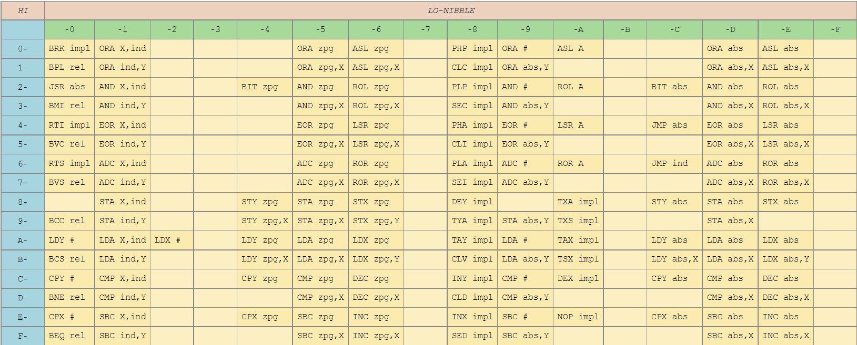
Header | Notes
OPCODE | The assembler mnemonic for this instruction
INST | The control byte (machine language) for Opcode
ADDRESSING | The addressing mode (See below)
BYTES | The number of bytes of ML for this instruction
CYCLES | The number of clocks for cpu processing of instruction
PAGE-X | If page boundary crossed, add this many extra cycles
ON-PAGE | If stays on same page for action, add this many extra cycles
FLAGS | Affected flags by instruction (Negative, Zero, Carry, Interrupt, Division by zero, oVerflow)
ACTION | The meaning of this operation

Addressing | Meaning + Example
A | Accumulator: ROL A
abs | Absolute: STA $0400
abs-x | Absolute, X-indexed: STA $0400,X
abs-y | Absolute, Y-indexed: STA $0400,Y
imm | Immediate: LDA #$FF
imp | Implied: INX
ind | Indirect: JMP ($LOHI)
ind-x | Indirect, X-indexed: AND ($LOHI, X)
ind-y | Indirect, Y-indexed: AND ($LOHI), Y
rel | Relative: BCC $0A
zp | Zero-Page: STA $90
zp-x | Zero-Page, X-indexed: STA $90, X
zp-y | Zero-Page, Y-indexed: STA $90, Y

 | Source: https://www.masswerk.at/6502/6502_instruction_set.html

 | Source: https://www.masswerk.at/6502/6502_instruction_set.html

