start
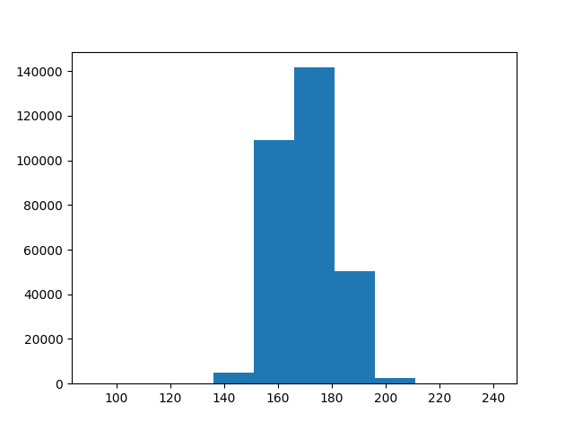
 | Пробное заглавие

Описание изображенного на листе

inserted titled textbox
a
b

inserted titled textbox
a
b

