start
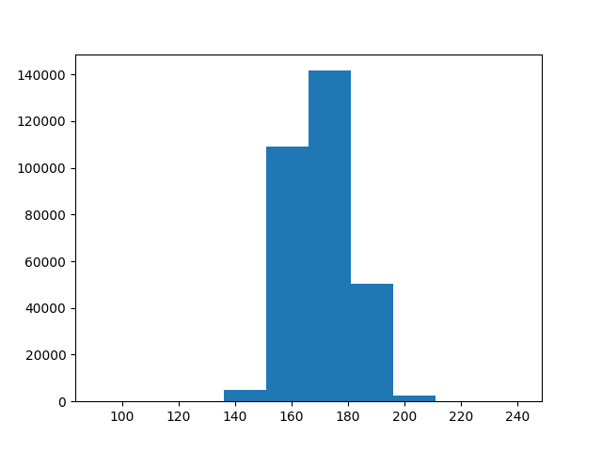
 | Пробное заглавие. Гистограмма высоты людей.

Описание изображенного на листе

inserted titled textbox
a
b

inserted titled textbox
a
b

table
 | Данные о здоровье людей

Описание полей таблицы: Checkup - когда в полследний раз проверялось здоровье, и тд

inserted text

inserted text

 | General_Health | Checkup | Exercise | Heart_Disease | Skin_Cancer | Other_Cancer | Depression | Diabetes | Arthritis | Sex | Age_Category | Height_(cm) | Weight_(kg) | BMI | Smoking_History | Alcohol_Consumption | Fruit_Consumption | Green_Vegetables_Consumption | FriedPotato_Consumption
0 | Poor | Within the past 2 years | No | No | No | No | No | No | Yes | Female | 70-74 | 150.000 | 32.660 | 14.540 | Yes | 0.000 | 30.000 | 16.000 | 12.000
1 | Very Good | Within the past year | No | Yes | No | No | No | Yes | No | Female | 70-74 | 165.000 | 77.110 | 28.290 | No | 0.000 | 30.000 | 0.000 | 4.000
2 | Very Good | Within the past year | Yes | No | No | No | No | Yes | No | Female | 60-64 | 163.000 | 88.450 | 33.470 | No | 4.000 | 12.000 | 3.000 | 16.000
3 | Poor | Within the past year | Yes | Yes | No | No | No | Yes | No | Male | 75-79 | 180.000 | 93.440 | 28.730 | No | 0.000 | 30.000 | 30.000 | 8.000
4 | Good | Within the past year | No | No | No | No | No | No | No | Male | 80+ | 191.000 | 88.450 | 24.370 | Yes | 0.000 | 8.000 | 4.000 | 0.000

 | General_Health | Checkup | Exercise | Heart_Disease | Skin_Cancer | Other_Cancer | Depression | Diabetes | Arthritis | Sex | Age_Category | Height_(cm) | Weight_(kg) | BMI | Smoking_History | Alcohol_Consumption | Fruit_Consumption | Green_Vegetables_Consumption | FriedPotato_Consumption
0 | Poor | Within the past 2 years | No | No | No | No | No | No | Yes | Female | 70-74 | 150.000 | 32.660 | 14.540 | Yes | 0.000 | 30.000 | 16.000 | 12.000
1 | Very Good | Within the past year | No | Yes | No | No | No | Yes | No | Female | 70-74 | 165.000 | 77.110 | 28.290 | No | 0.000 | 30.000 | 0.000 | 4.000
2 | Very Good | Within the past year | Yes | No | No | No | No | Yes | No | Female | 60-64 | 163.000 | 88.450 | 33.470 | No | 4.000 | 12.000 | 3.000 | 16.000
3 | Poor | Within the past year | Yes | Yes | No | No | No | Yes | No | Male | 75-79 | 180.000 | 93.440 | 28.730 | No | 0.000 | 30.000 | 30.000 | 8.000
4 | Good | Within the past year | No | No | No | No | No | No | No | Male | 80+ | 191.000 | 88.450 | 24.370 | Yes | 0.000 | 8.000 | 4.000 | 0.000

