Defect Catalog
defect_type | summary | typical_causes | thermal_signature | example_image
MultiByPassed | Multiple panel cells or entire strings bypassed, reducing power output and causing uneven temperatures due to engaged bypass diodes. | Bypass diode engagement due to shading or faults | Localized cooler zones across multiple cells | 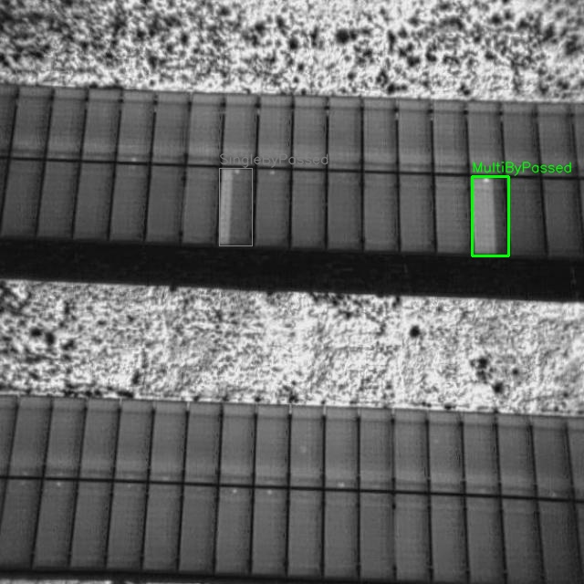
MultiDiode | Several bypass diodes malfunction simultaneously across strings, creating repeated performance losses and distinctive alternating thermal patterns. | Diode failure or incorrect wiring | Alternating hot/cool stripes along strings | 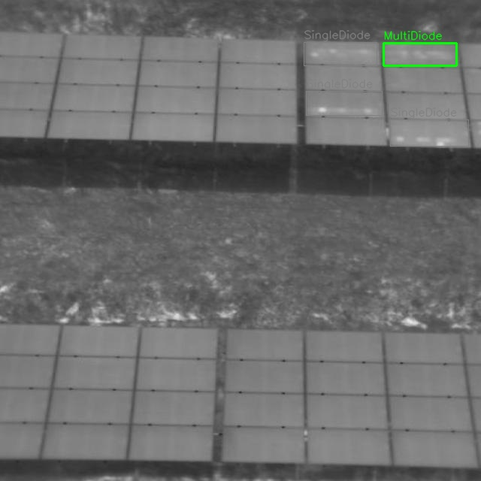
MultiHotSpot | Numerous localized overheating points across the module, commonly from soiling, microcracks, or partial shading, risking accelerated degradation. | Soiling, microcracks, or partial shading | Discrete high-temperature points on many cells | 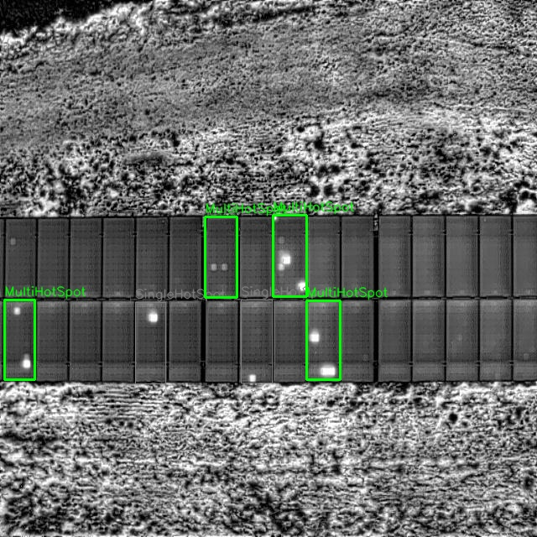
SingleByPassed | One cell or string is bypassed, lowering output and producing a noticeably cooler region relative to surrounding healthy cells. | Local shading or single-cell failure | One cooler region within an otherwise normal module | 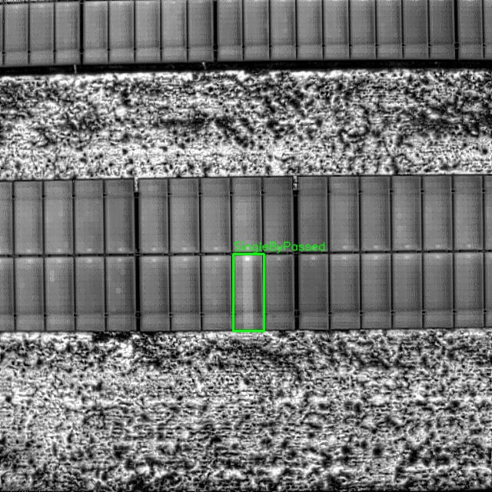
SingleDiode | A single failed bypass diode disrupts current flow, generating sharp string-level anomalies and potential heating under certain operating conditions. | Open/short in a single bypass diode | One string-level anomaly with sharp gradient | 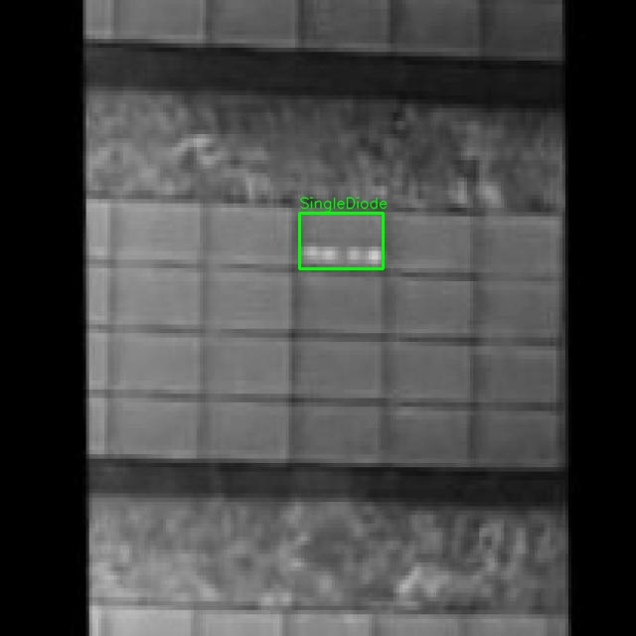
SingleHotSpot | One concentrated thermal anomaly from cracks, solder faults, or contact resistance, often the earliest visible sign of emerging failure. | Crack, solder issue, or contact resistance | One distinct high-temperature point | 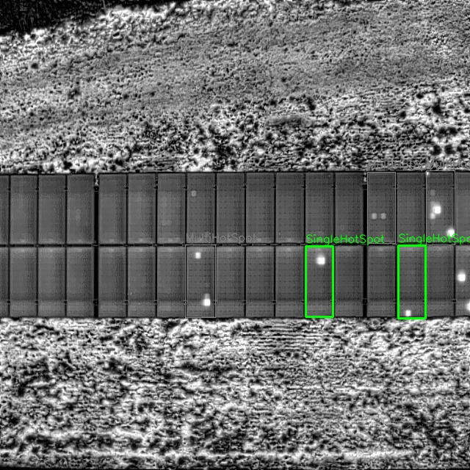
StringOpenCircuit | An open circuit within a string prevents current flow, leaving the entire string cooler and reducing overall module or array output. | Connector/open-circuit fault | Whole string cooler than adjacent strings | 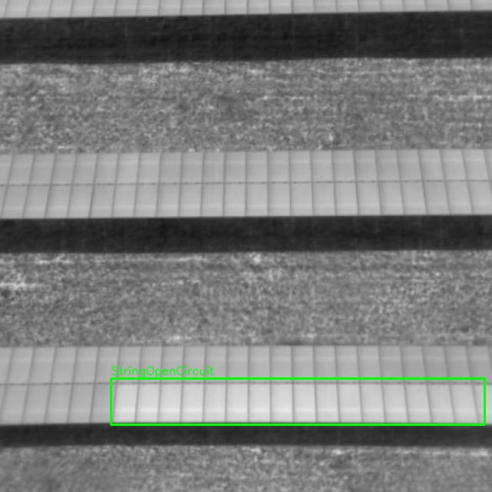
StringReversedPolarity | A string wired in reverse polarity creates abnormal current paths, distinctive thermal signatures, and significant efficiency losses until corrected. | Installation/wiring error | Whole string anomalous; pattern differs from neighbors | 