Useful definitions
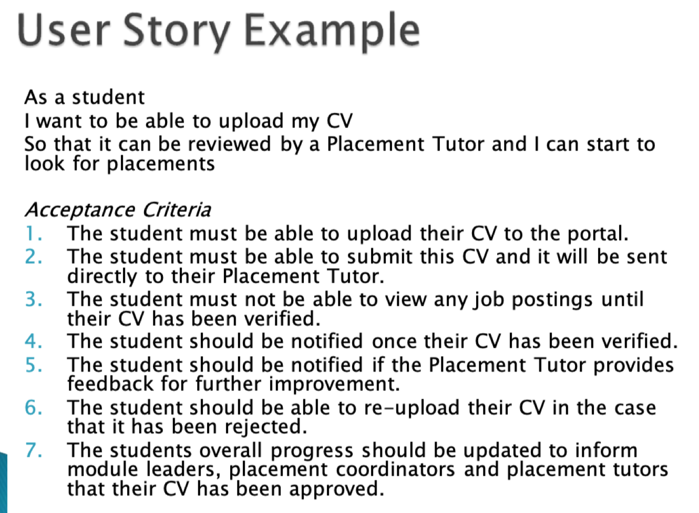
Term | Definition
Acceptance criteria | Set of conditions that will validate that the story is ‘done’. Provide precise details on functionality that help the team understand if the story is complete and works as expected

non functional requirements
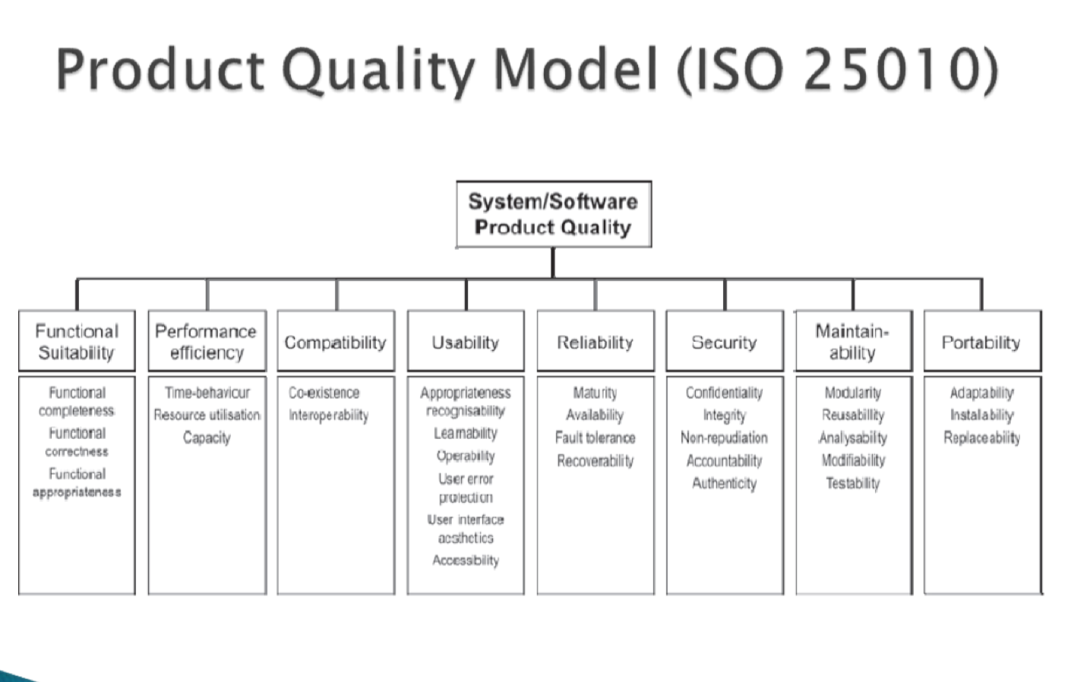
Non-Functional Requirements
Security | Security measures we are going to put into place are that students work are secured and other students will not be able to access each others work
Usability | user friendly, users can navigate easily - No more than 3 steps to get to the desired function Navigation Map with clear system structure
Usability | quality of performance, website is performing well - Code run times meet pre-agreed timescales.
Reliability | Probability of system failure - Extensive system testing prior to commercial deployment.
Compatibility | functioning well on other platforms and devices - Can be run on the most popular platforms e.g. google chrome, firefox, edge, safari System testing applied to different platforms. Minimum hardware requirements: AMD/Intel or similar processor
Security | data confidentiality - Adherence to HIPPA requirements. Implementing user identification measures (two-factor auth.), database firewalling, database server separate to web-server and use of HTTPS on client side.
reliability | recoverability, handle and recover - Effective use of version control to save previous states. Server data backed up every day, code updates managed using Git.

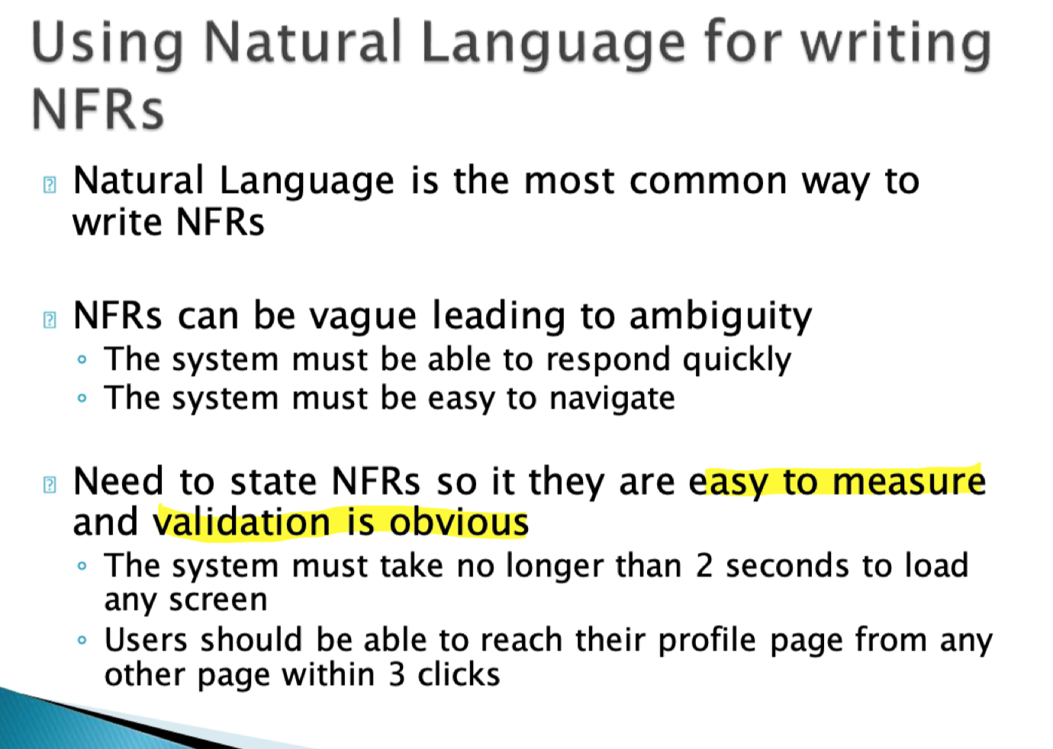
 | https://www.perforce.com/blog/alm/what-are-non-functional-requirements-examples

 | relate to user stories, more relevant to user stories
 | NFR to test acceptance criteria

