工作表1
Raspberry Pi 3B+ (40 Pins Header) |  |  |  |  |  |  |  | Raspberry Pi 3B+ (USB)
BCM | Board | Functions | Occupied | BCM | Board | Functions | Occupied | USB_Port | Interfaces | Device Name
 | 1 | 3.3V | OLED_VCC |  | 2 | 5V | X728_5V | 1 | Barcode Scanner | USBKey Chip USBKey Module
GPIO2 | 3 | I2C1_SDA | RTC |  | 4 | 5V | X728_5V | 2 | Card Reader | AST LTD., HongKong AST HID Reader.
GPIO3 | 5 | I2C1_SCL | RTC |  | 6 | GND |  | 3 | All In One Keyboard & Mouse (external)
GPIO4 | 7 |  |  | GPIO14 | 8 | UART0_TX | Keypad_C4 | 4 | External barcode scanner (external)
 | 9 | GND | OLED_GND | GPIO15 | 10 | UART0_RX
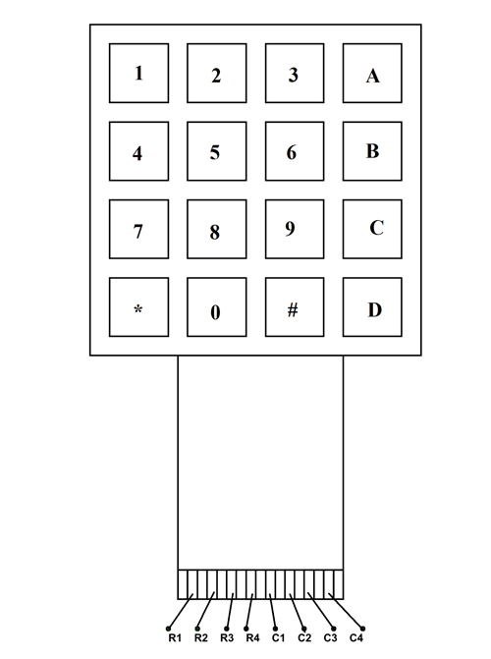
4x4 Membrane Keypad
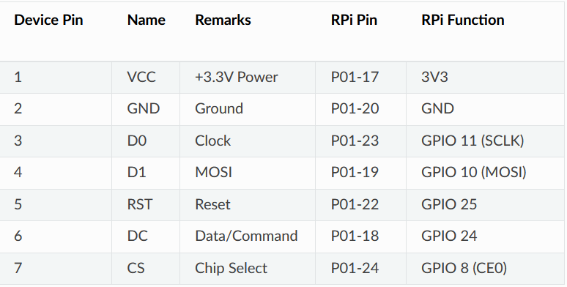
GPIO17 | 11 |  |  | GPIO18 | 12 |  | Keypad_C3
GPIO27 | 13 |  |  |  | 14 | GND
SSD1309 OLED Display
GPIO22 | 15 |  |  | GPIO23 | 16 |  | Buzzer
 | 17 | 3.3V |  | GPIO24 | 18 |  | OLED_DC
GPIO10 | 19 | SPI0_MOSI | OLED_MOSI |  | 20 | GND
GPIO9 | 21 | SPI0_MISO |  | GPIO25 | 22 |  | OLED_RESET
GPIO11 | 23 | SPIO_SCLK | OLED_SCLK | GPIO8 | 24 | SPI0_CS0 | OLED_CS
 | 25 | GND |  | GPIO7 | 26 | SPI0_CS1 | Keypad_C2
 | 27 | Reserved |  |  | 28 | Reserved
GPIO5 | 29 |  | Power Management |  | 30 | GND
GPIO6 | 31 |  | AC Loss Detection | GPIO12 | 32 |  | Power Management
GPIO13 | 33 |  | Power Management |  | 34 | GND
GPIO19 | 35 | SPI1 MISO | Keypad_C1 | GPIO16 | 36 | SPI1_CS0 | Keypad_R2
GPIO26 | 37 |  | Keypad_R3 | GPIO20 | 38 | SPI1_MOSI | Keypad_R1
 | 39 | GND |  | GPIO21 | 40 | SPI1_SCLK | Keypad_R4

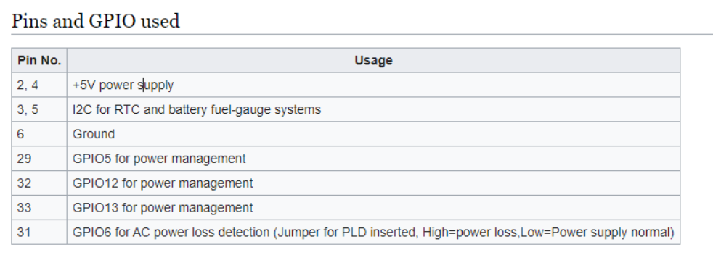
for X728 Power Module

